Top Designs
SKU | Product Name | Quantity Sold | Image
UNGT1M0XL | Gildan - Heavy Cotton Adult T-Shirt | 3 | 
UNGT5W00M06P | Gildan - Heavy Cotton Adult T-Shirt | 2 | 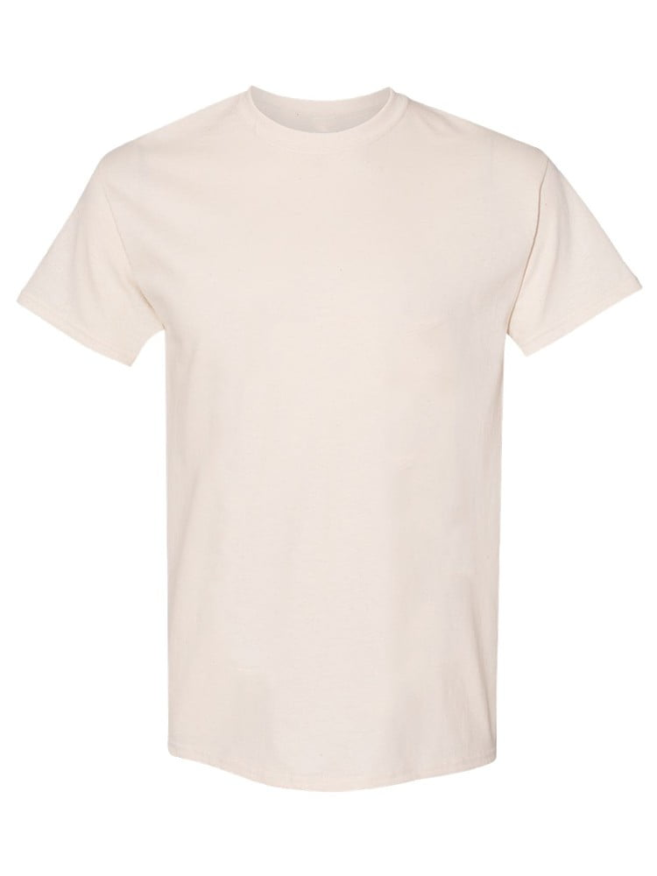
UNGT5W00L06P | Gildan - Heavy Cotton Adult T-Shirt | 2
UNGT5W00S06P | Gildan - Heavy Cotton Adult T-Shirt | 2 | 
UNGT1B00L | Gildan - Heavy Cotton Adult T-Shirt | 2 | 
UNGT1B0XL | Gildan - Heavy Cotton Adult T-Shirt | 1
UNGT7Y2XL | Gildan - Heavy Cotton Adult T-Shirt | 1 | 
UNGT8C2XL | Gildan - Heavy Cotton Adult T-Shirt | 1 | 
UNGT5R2XL | Gildan - Heavy Cotton Adult T-Shirt | 1 | 
UNGT5B00S | Gildan - Heavy Cotton Adult T-Shirt | 1 | 
UNGT8K00S | Gildan - Heavy Cotton Adult T-Shirt | 1 | 

