Top Designs
SKU | Product Name | Quantity Sold | Image
UNGT7C4XL | Gildan - Heavy Cotton Adult T-Shirt | 2 | 
UNGT1M00L | Gildan - Heavy Cotton Adult T-Shirt | 1 | 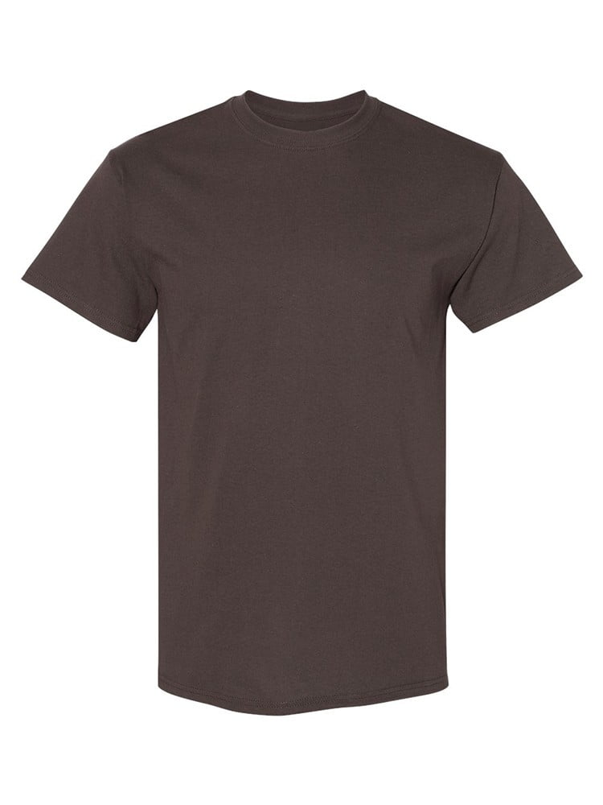
UNGT1M00M | Gildan - Heavy Cotton Adult T-Shirt | 1 | 
UNGT6P00M | Gildan - Heavy Cotton Adult T-Shirt | 1 | 
UNGT1B5XL | Gildan - Heavy Cotton Adult T-Shirt | 1 | 
UNGT5P4XL | Gildan - Heavy Cotton Adult T-Shirt | 1 | 

