Top Designs
SKU | Product Name | Quantity Sold | Image
UNGT1D00L | Gildan - Heavy Cotton Adult T-Shirt | 1 | 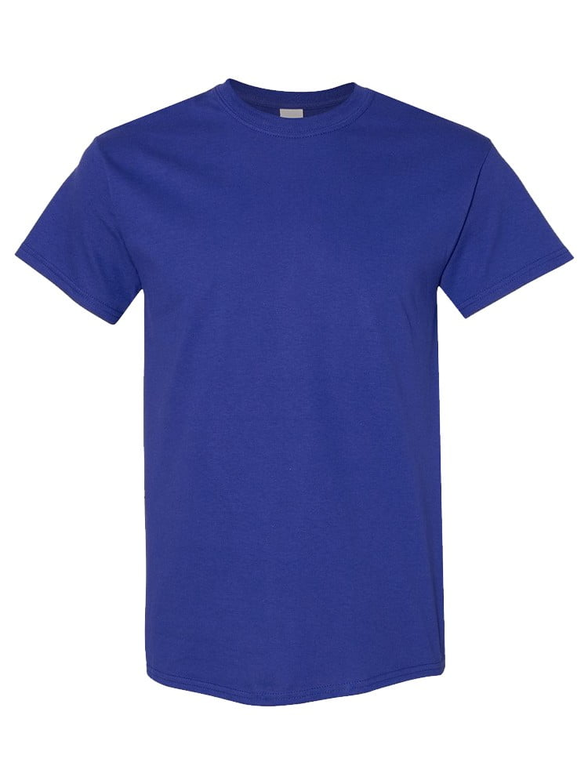
UNGT1D00M | Gildan - Heavy Cotton Adult T-Shirt | 1
UNGT1D0XL | Gildan - Heavy Cotton Adult T-Shirt | 1
UNGT1Q4XL | Gildan - Heavy Cotton Adult T-Shirt | 1 | 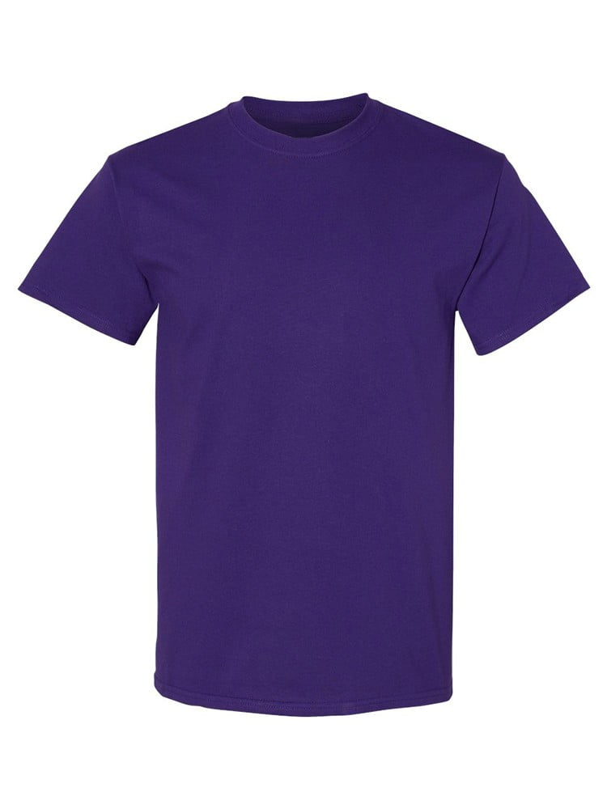
UNGT1M00L | Gildan - Heavy Cotton Adult T-Shirt | 1 | 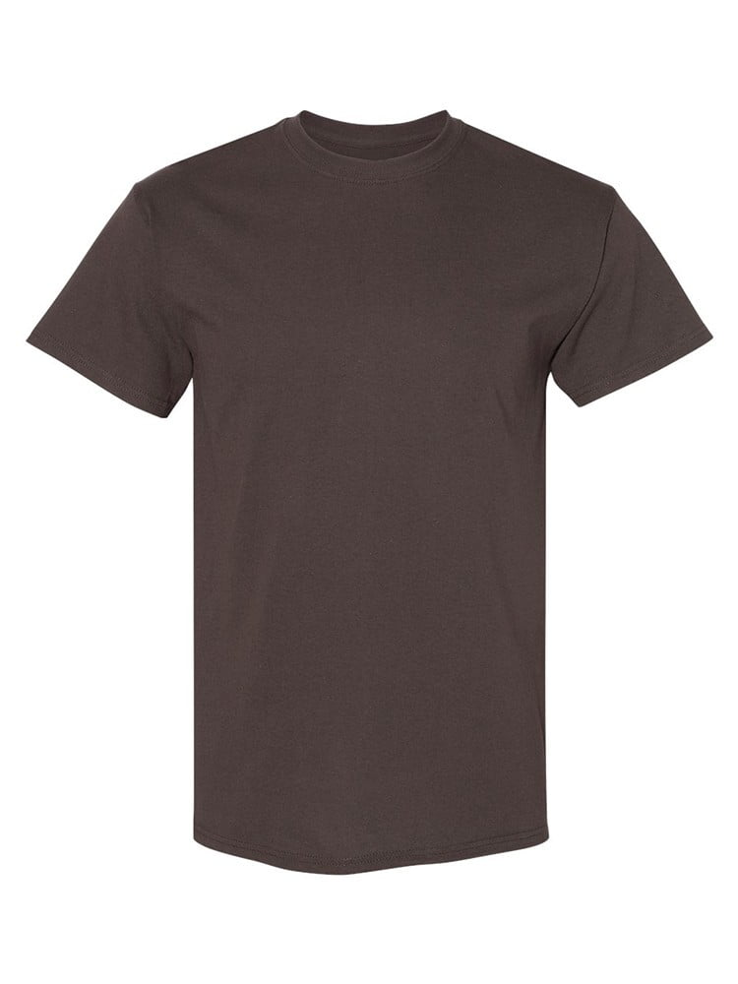
UNGT4N00M | Gildan - Heavy Cotton Adult T-Shirt | 1 | 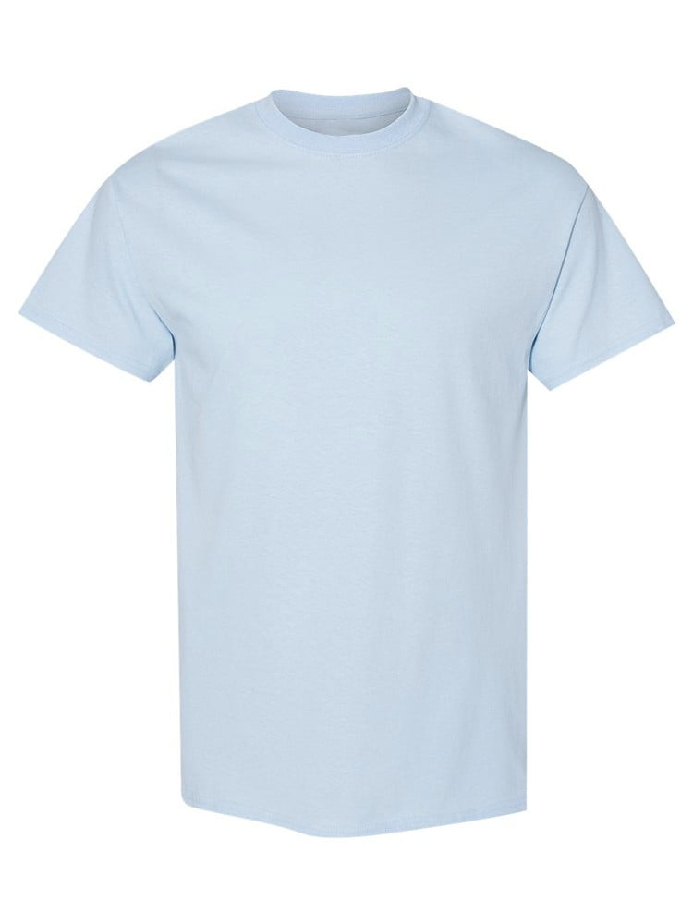
UNGT8P00M | Gildan - Heavy Cotton Adult T-Shirt | 1 | 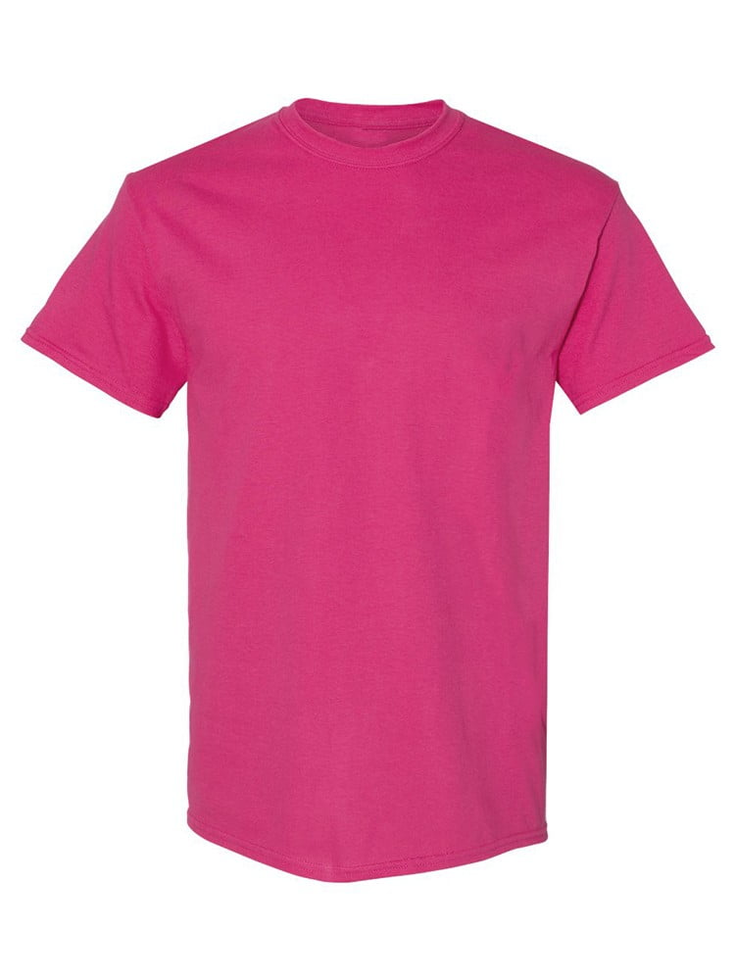
UNGT7Y00M | Gildan - Heavy Cotton Adult T-Shirt | 1 | 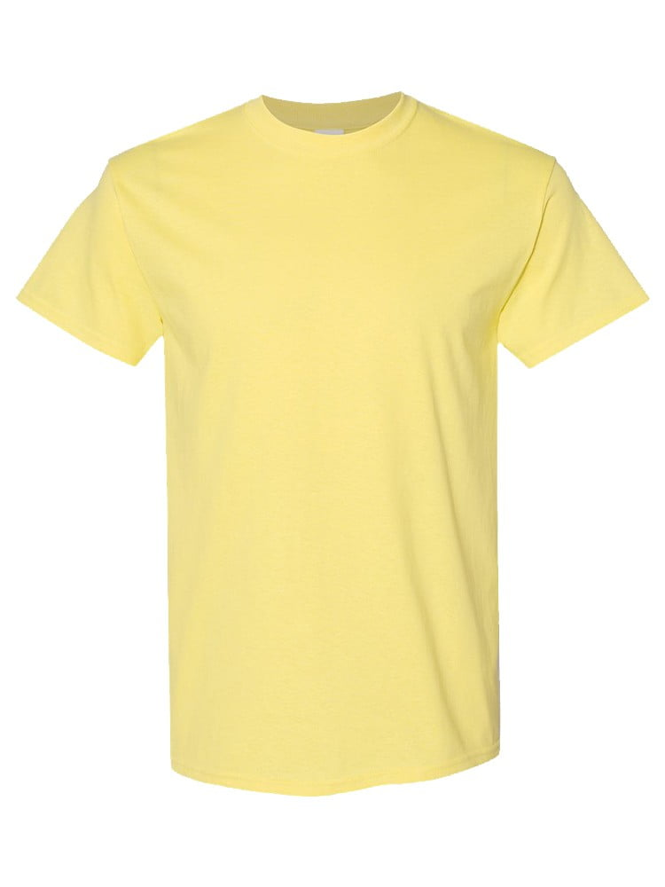
UNGT5N00M | Gildan - Heavy Cotton Adult T-Shirt | 1 | 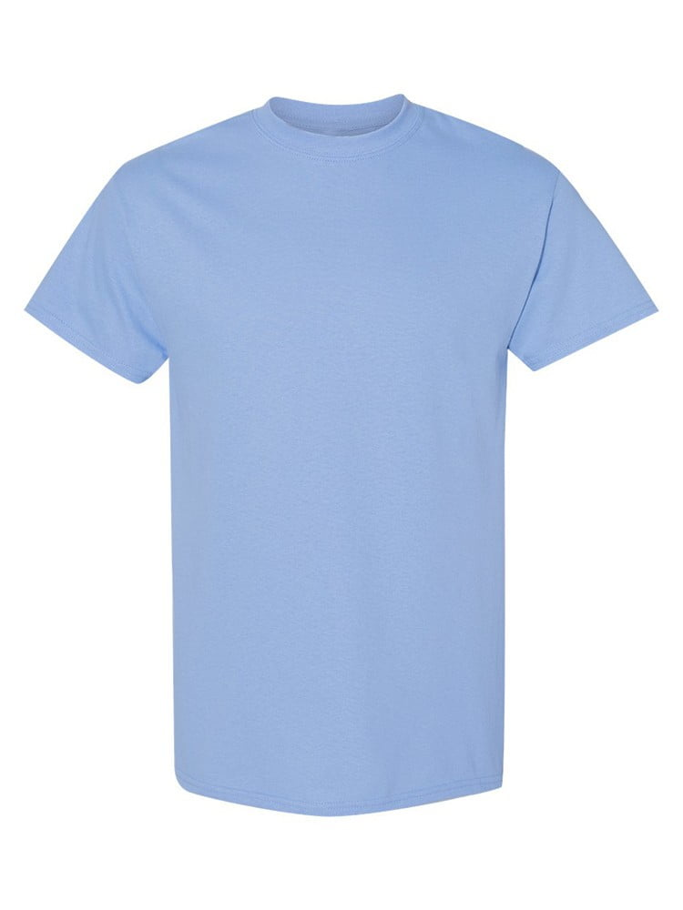
UNGT5P00M | Gildan - Heavy Cotton Adult T-Shirt | 1 | 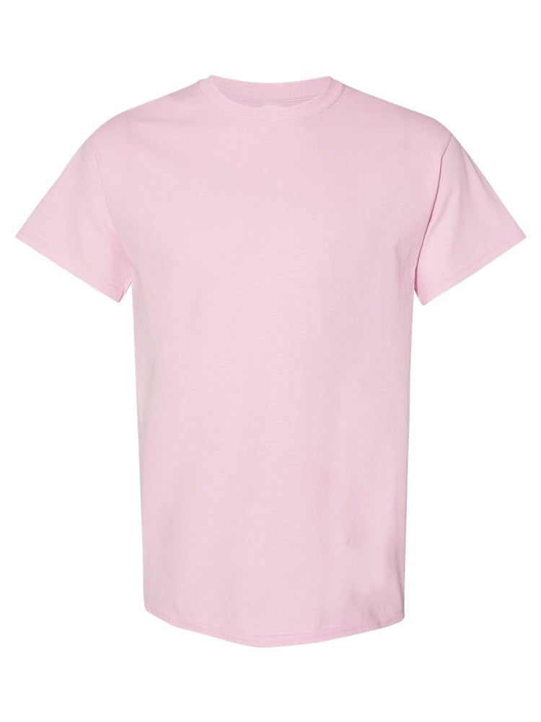
UNGT6P00M | Gildan - Heavy Cotton Adult T-Shirt | 1 | 