Top Designs
SKU | Product Name | Quantity Sold | Image
UNGT6P00M | Gildan - Heavy Cotton Adult T-Shirt | 2 | 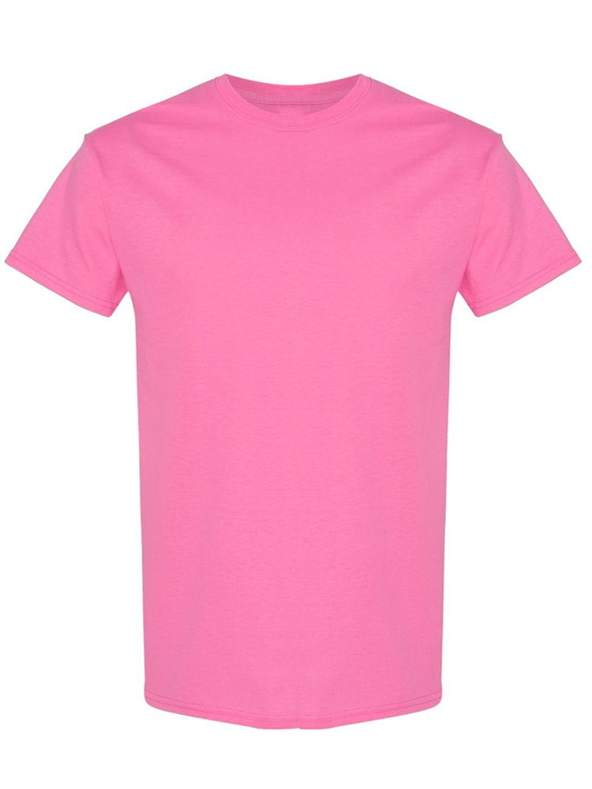
UNGT6P00S | Gildan - Heavy Cotton Adult T-Shirt | 1
UNGT9N2XL | Gildan - Heavy Cotton Adult T-Shirt | 1 | 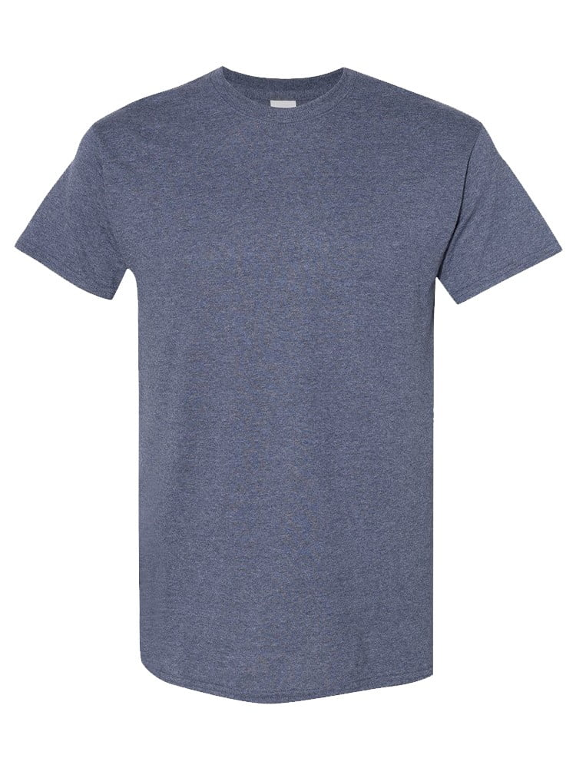
UNGT2K2XL | Gildan - Heavy Cotton Adult T-Shirt | 1 | 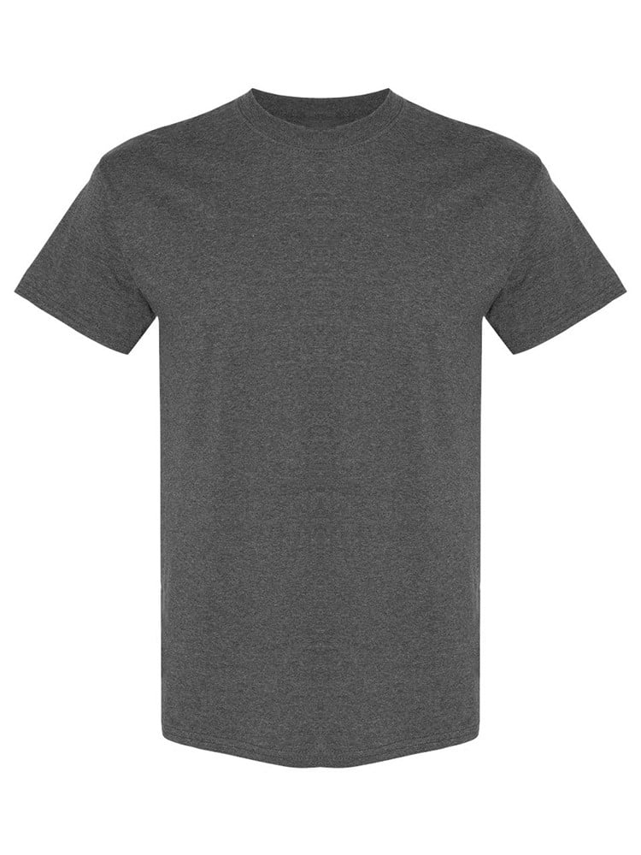
UNGT1B2XL | Gildan - Heavy Cotton Adult T-Shirt | 1 | 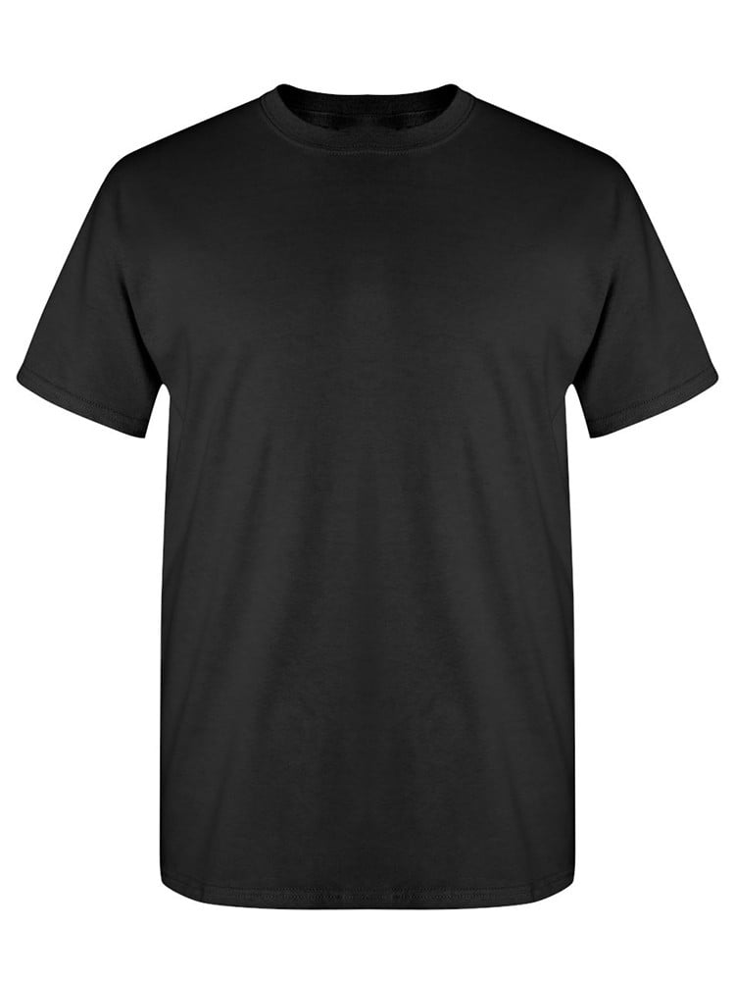
UNGT7Y3XL | Gildan - Heavy Cotton Adult T-Shirt | 1 | 