Top Designs
SKU | Product Name | Quantity Sold | Image
UNGT1M3XL | Gildan - Heavy Cotton Adult T-Shirt | 1 | 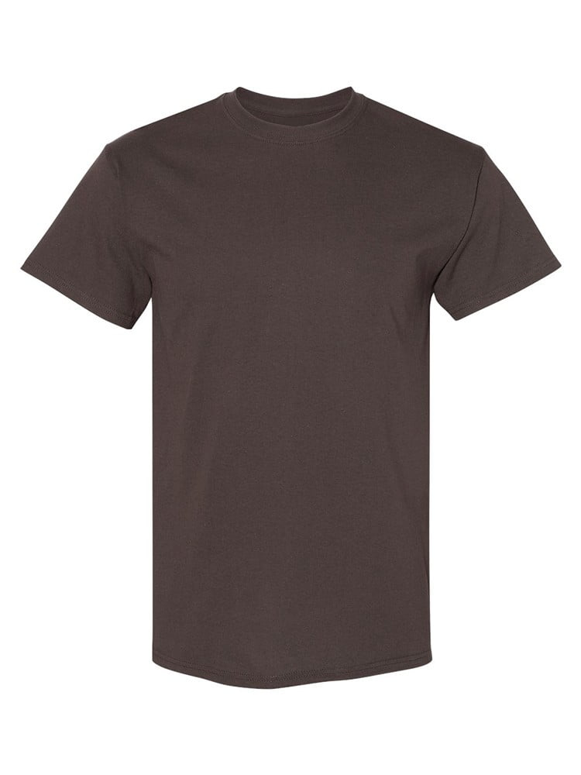
UNGT1E00S | Gildan - Heavy Cotton Adult T-Shirt | 1 | 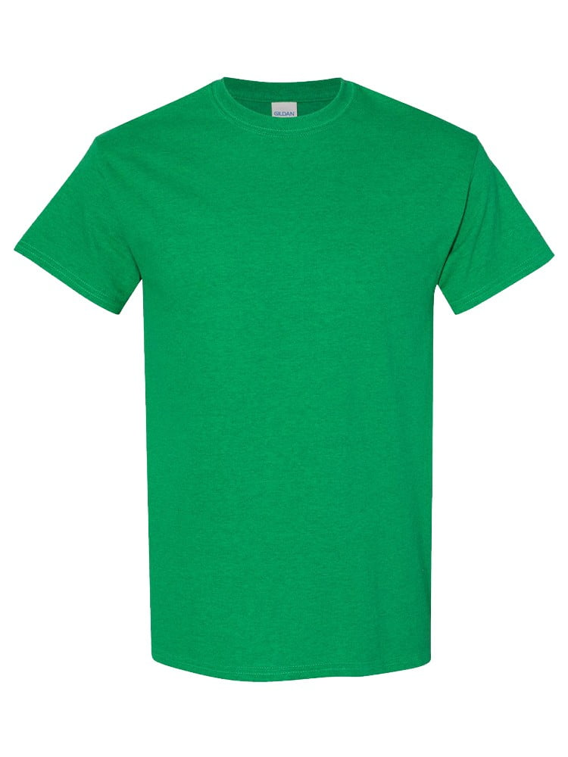
UNGT2R0XL | Gildan - Heavy Cotton Adult T-Shirt | 1 | 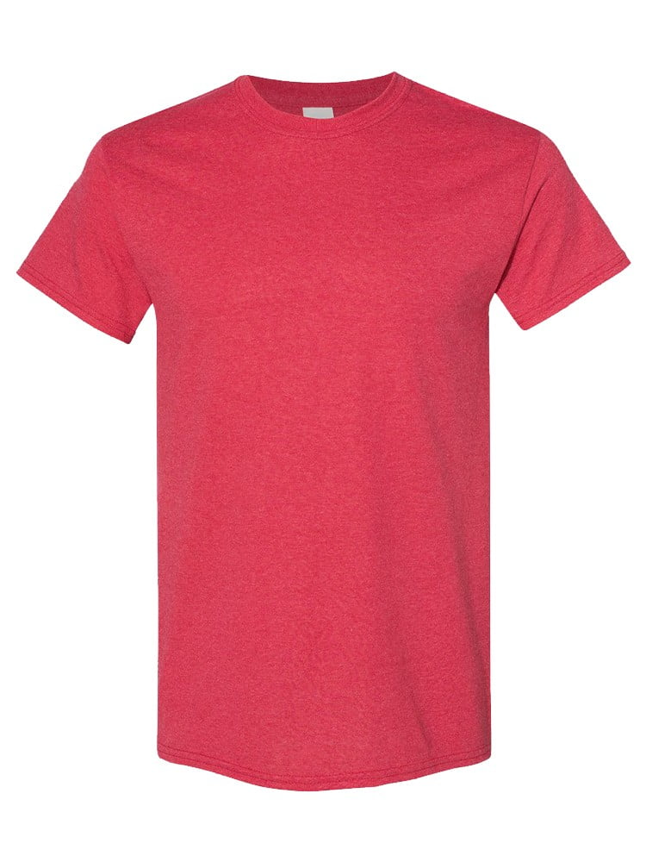
UNGT1D2XL | Gildan - Heavy Cotton Adult T-Shirt | 1 | 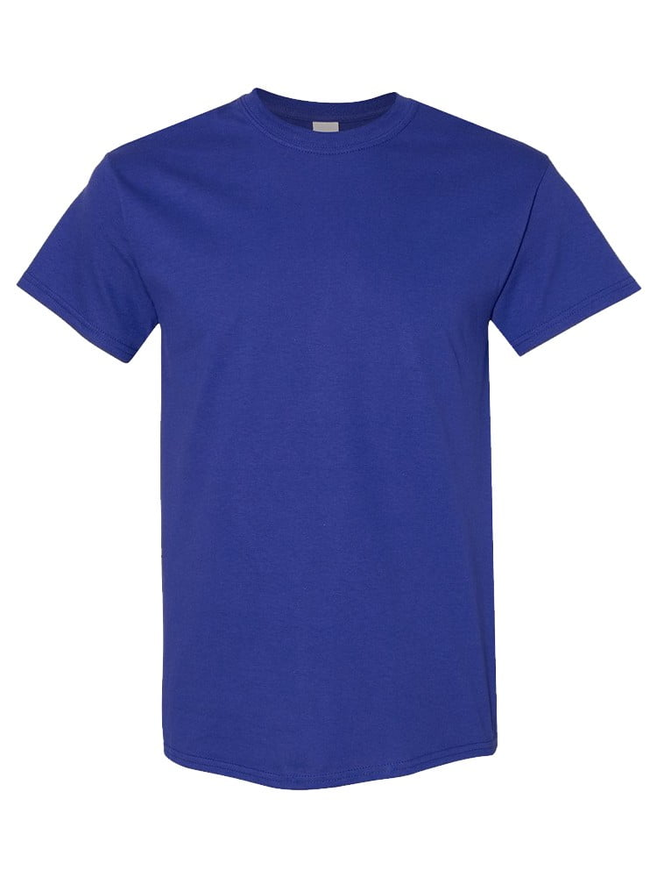
UNGT1N0XL | Gildan - Heavy Cotton Adult T-Shirt | 1 | 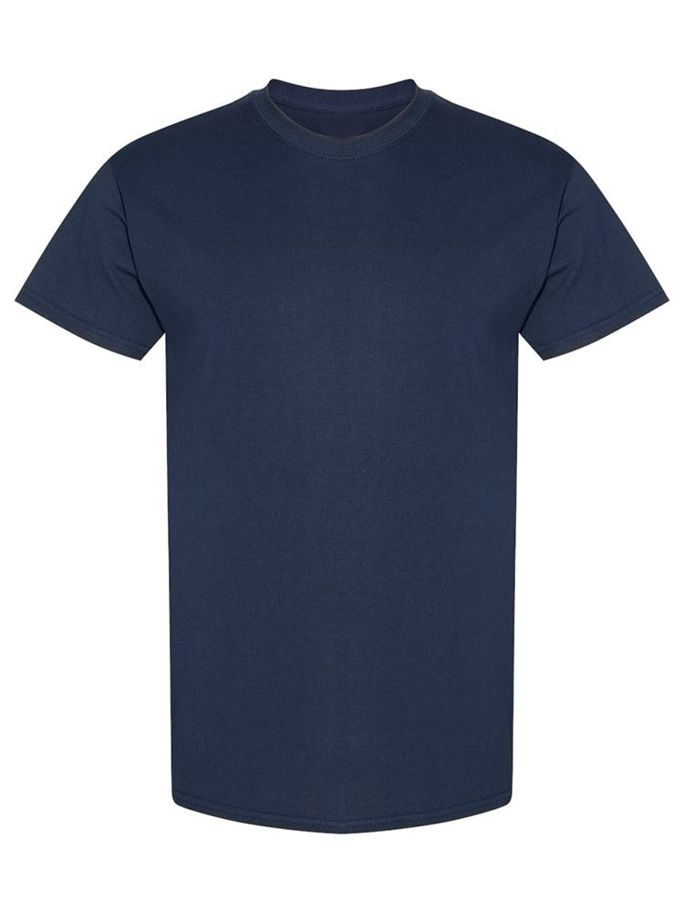
UNGT2Y00L | Gildan - Heavy Cotton Adult T-Shirt | 1 | 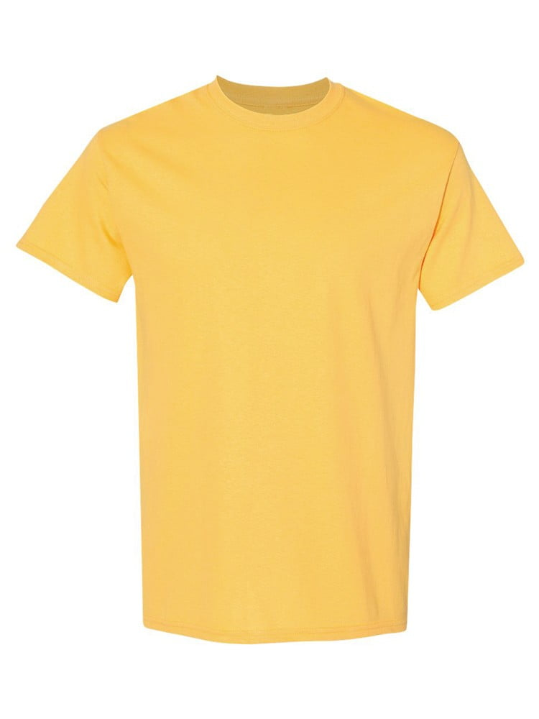
UNGT5E00L | Gildan - Heavy Cotton Adult T-Shirt | 1 | 