Top Designs
SKU | Product Name | Quantity Sold | Image
UNGT5W3XL | Gildan - Heavy Cotton Adult T-Shirt | 2 | 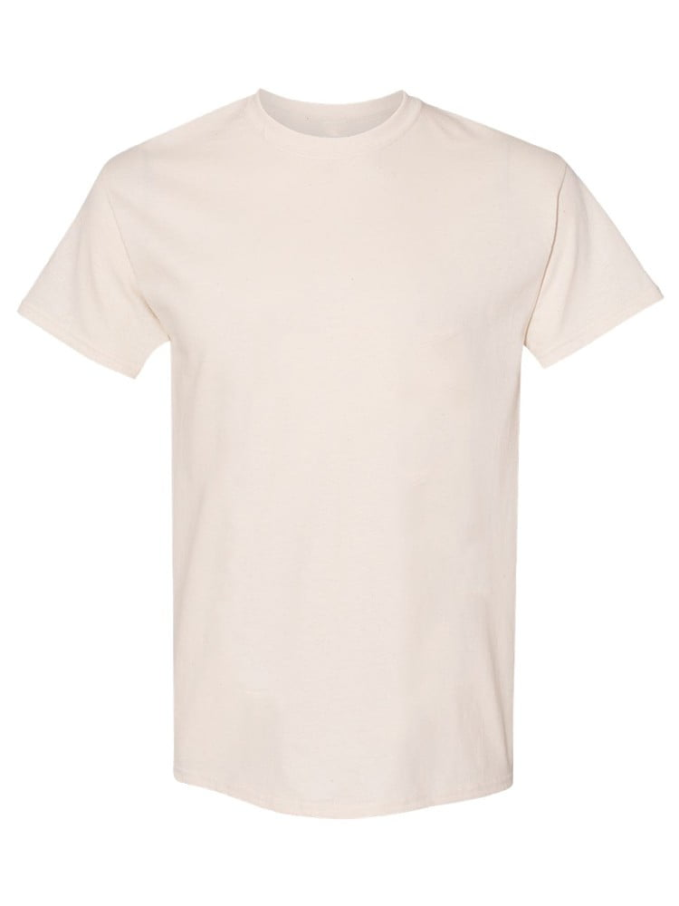
UNGT4N3XL | Gildan - Heavy Cotton Adult T-Shirt | 1 | 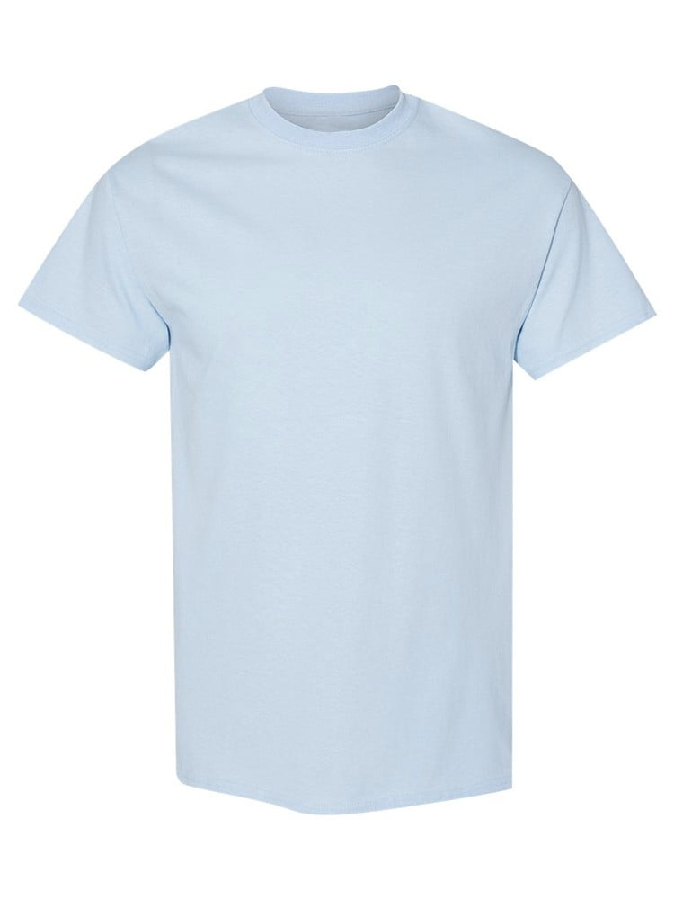
UNGT1M00M | Gildan - Heavy Cotton Adult T-Shirt | 1 | 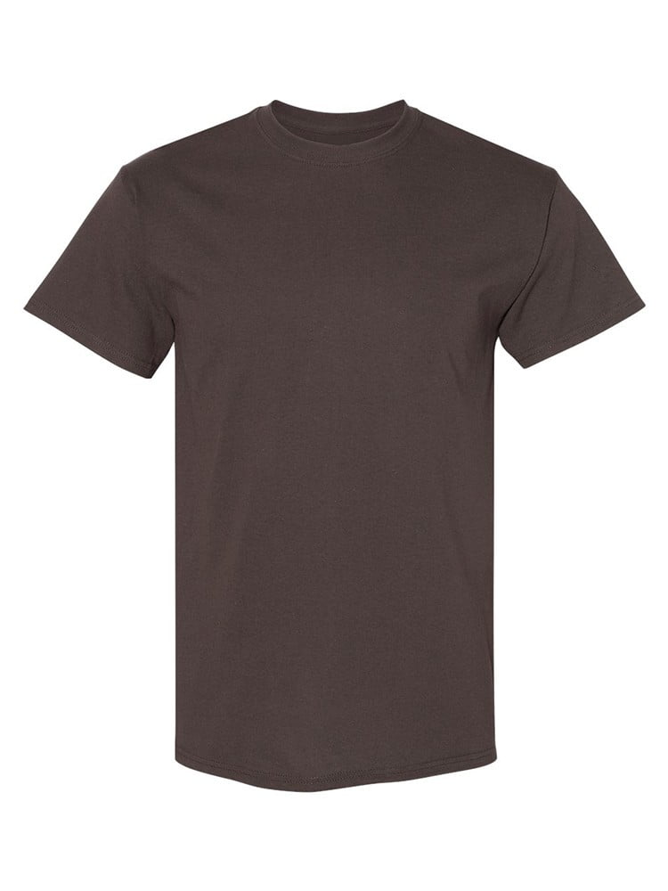
UNGT1M3XL | Gildan - Heavy Cotton Adult T-Shirt | 1
UNGT3G00M | Gildan - Heavy Cotton Adult T-Shirt | 1 | 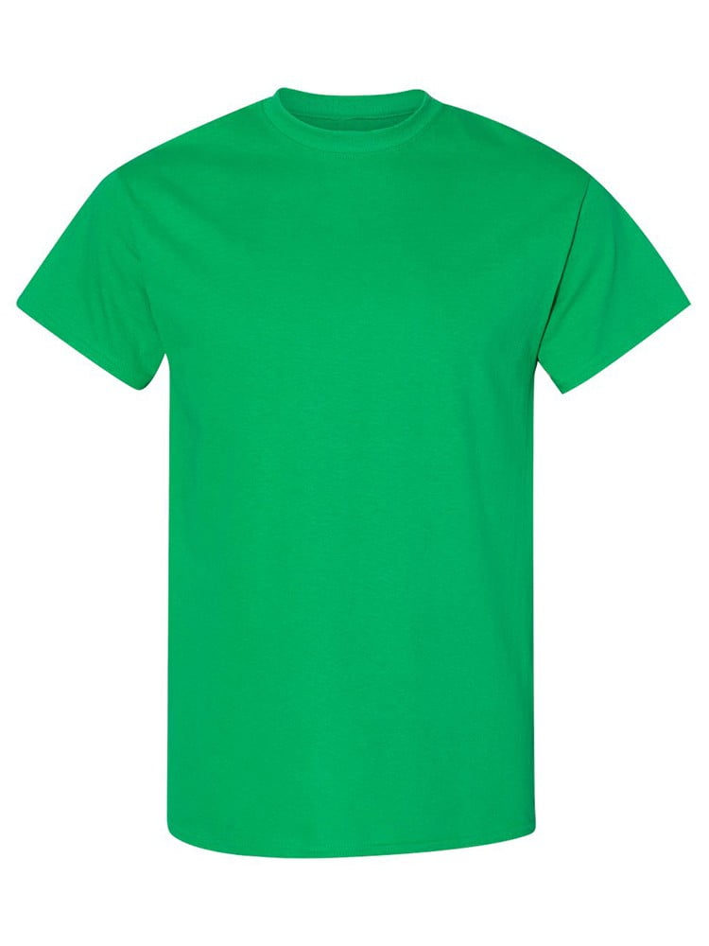
UNGT1W00M | Gildan - Heavy Cotton Adult T-Shirt | 1 | 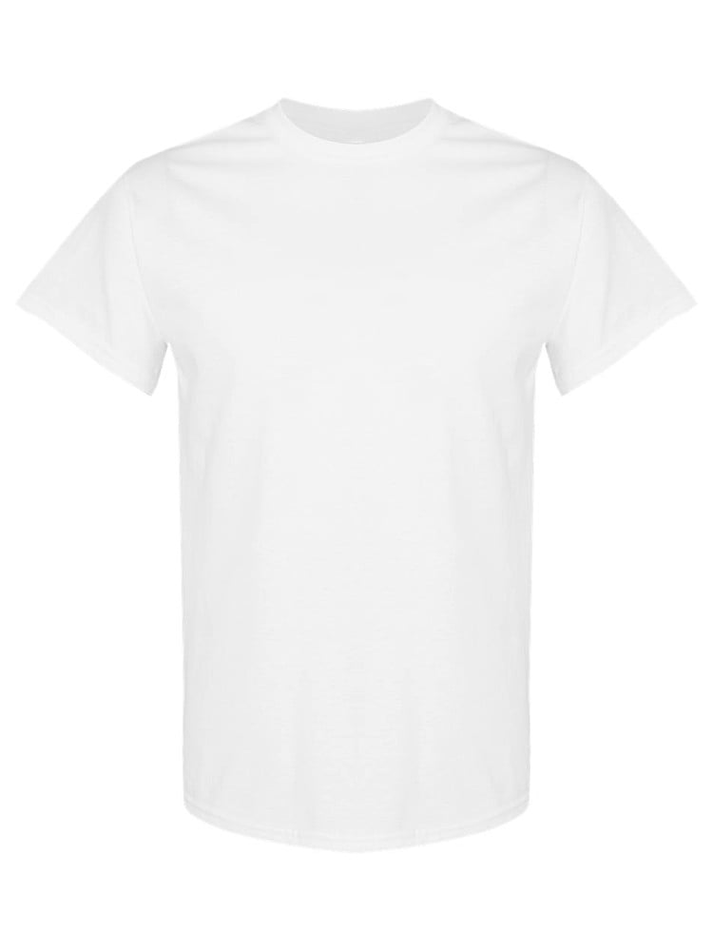
UNGTT200S | Gildan - Heavy Cotton Adult T-Shirt | 1 | 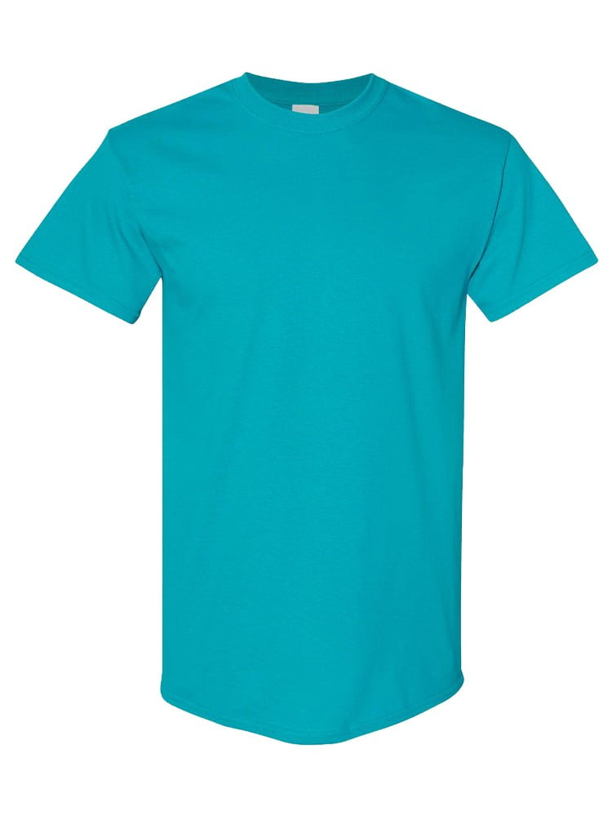
UNGT1R4XL | Gildan - Heavy Cotton Adult T-Shirt | 1 | 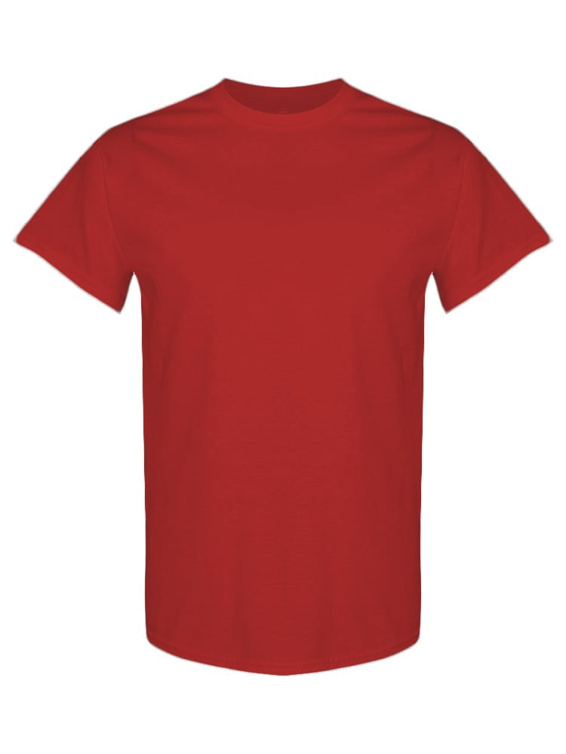
UNGT1Q00L | Gildan - Heavy Cotton Adult T-Shirt | 1 | 