Top Designs
SKU | Product Name | Quantity Sold | Image
UNGT6P3XL | Gildan - Heavy Cotton Adult T-Shirt | 1 | 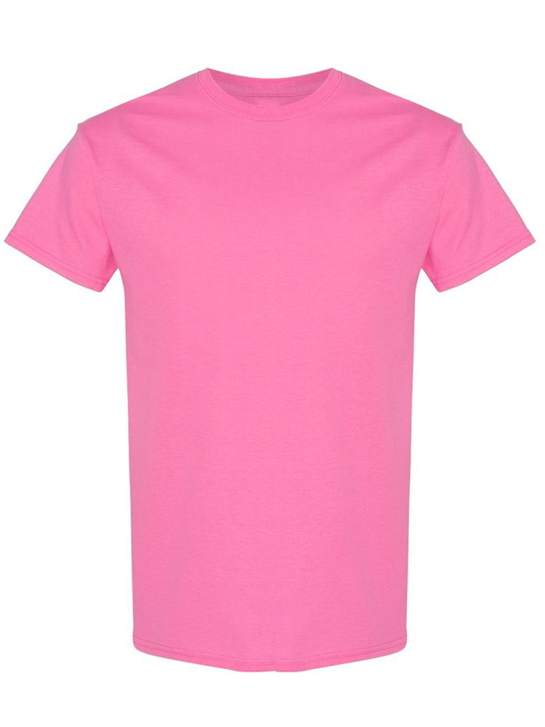
UNGT5E2XL | Gildan - Heavy Cotton Adult T-Shirt | 1 | 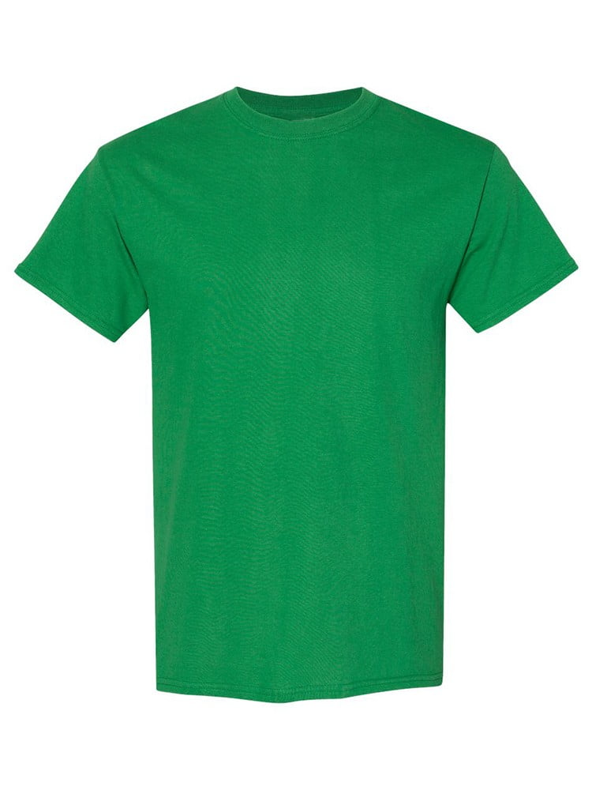
UNGT3W2XL | Gildan - Heavy Cotton Adult T-Shirt | 1 | 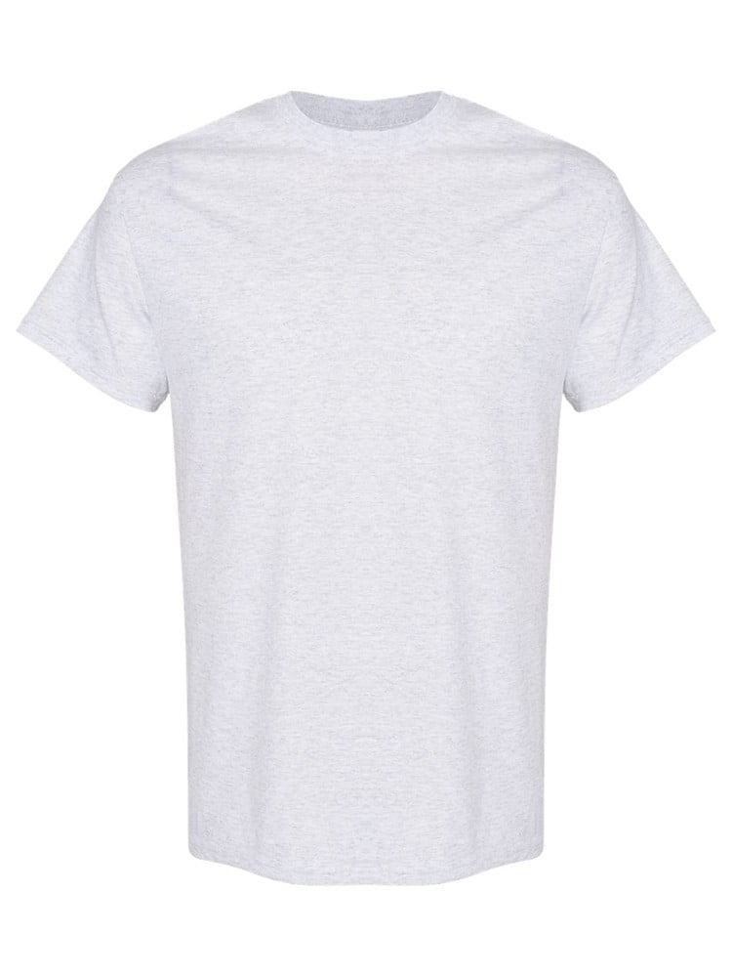
UNGT1W2XL | Gildan - Heavy Cotton Adult T-Shirt | 1 | 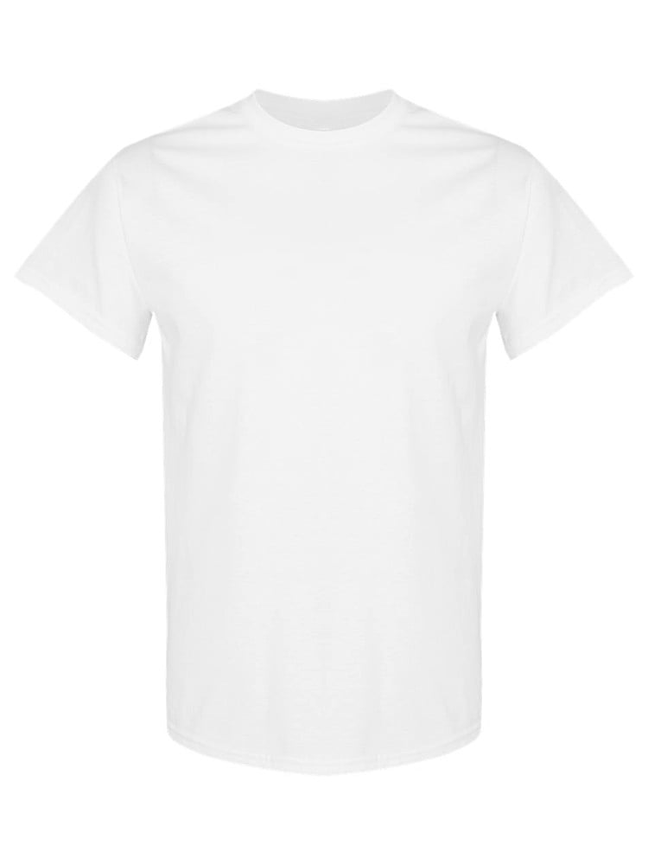
UNGT5R4XL | Gildan - Heavy Cotton Adult T-Shirt | 1 | 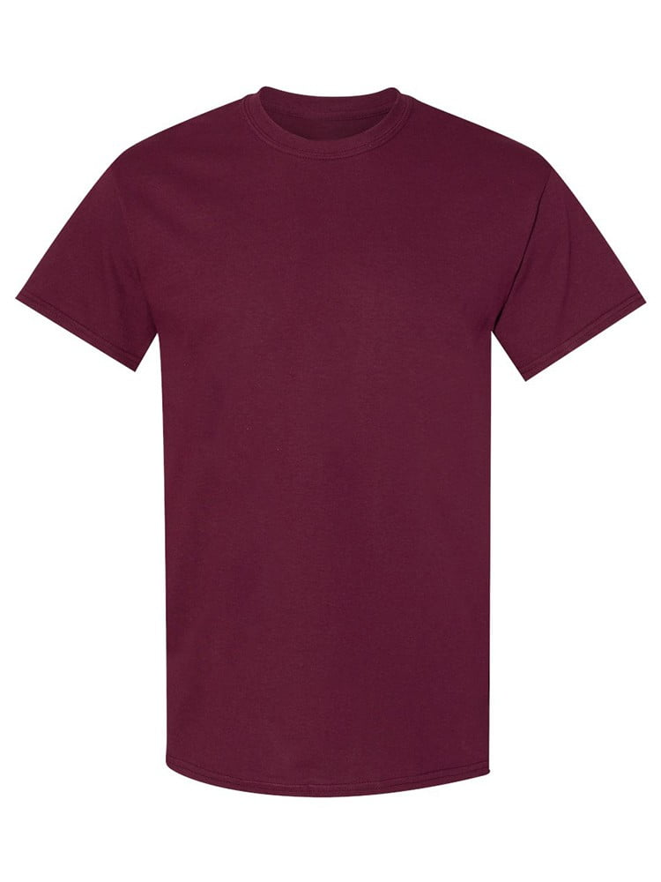
UNGT5P4XL | Gildan - Heavy Cotton Adult T-Shirt | 1 | 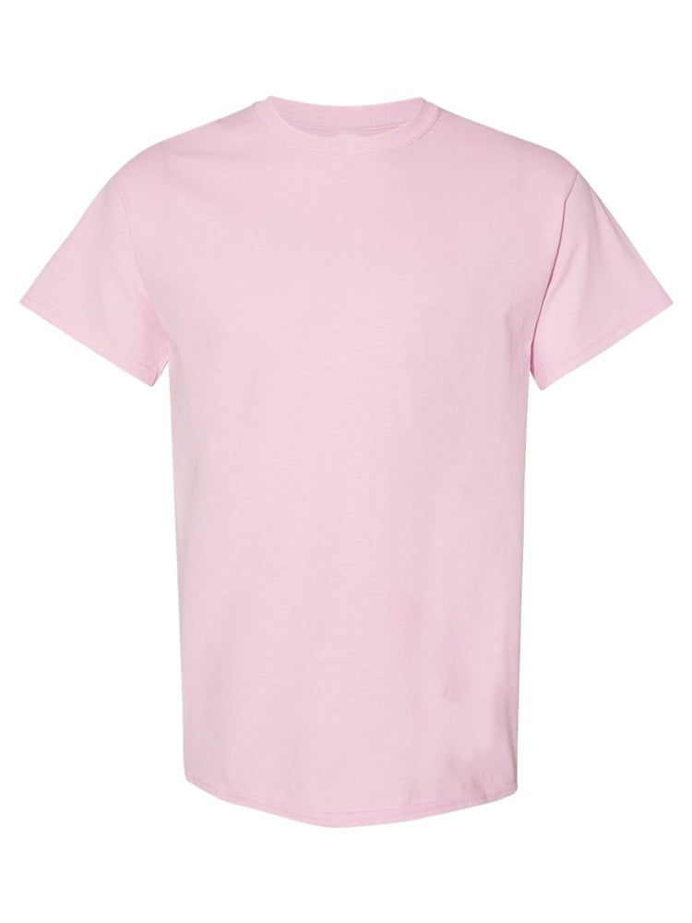
UNGT1R4XL | Gildan - Heavy Cotton Adult T-Shirt | 1 | 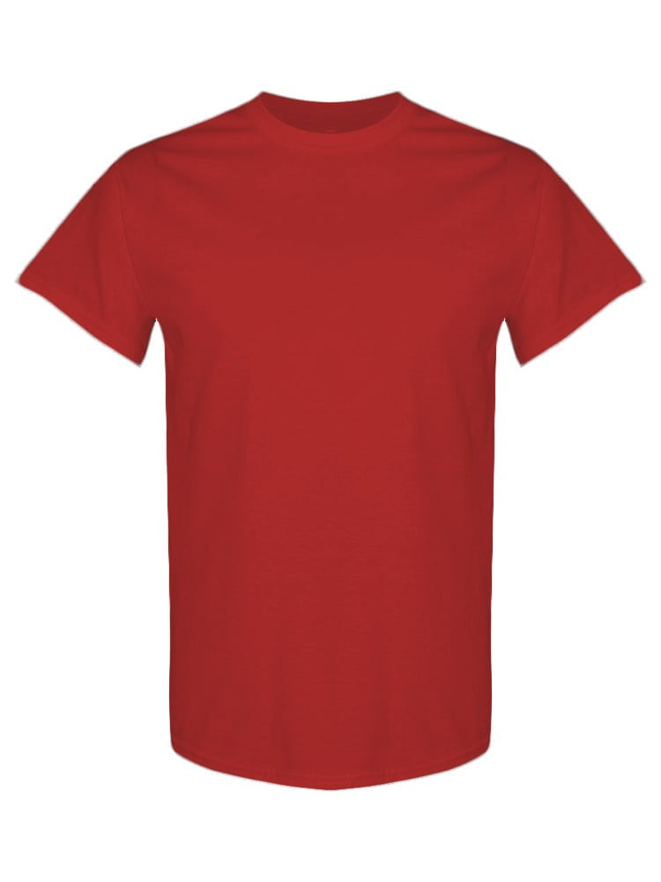
UNGT5B4XL | Gildan - Heavy Cotton Adult T-Shirt | 1 | 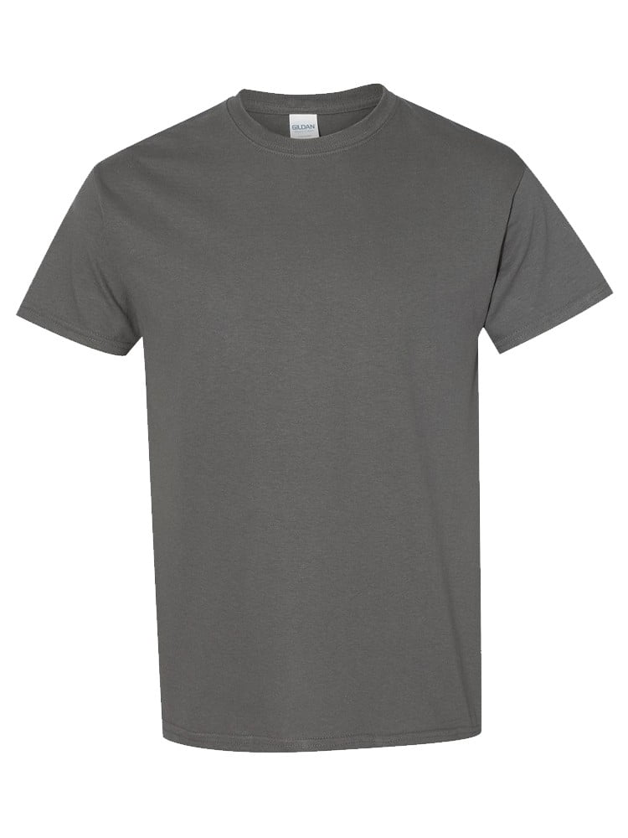
UNGT2K4XL | Gildan - Heavy Cotton Adult T-Shirt | 1 | 