Top Designs
SKU | Product Name | Quantity Sold | Image
UNGT1R0XL | Gildan - Heavy Cotton Adult T-Shirt | 2 | 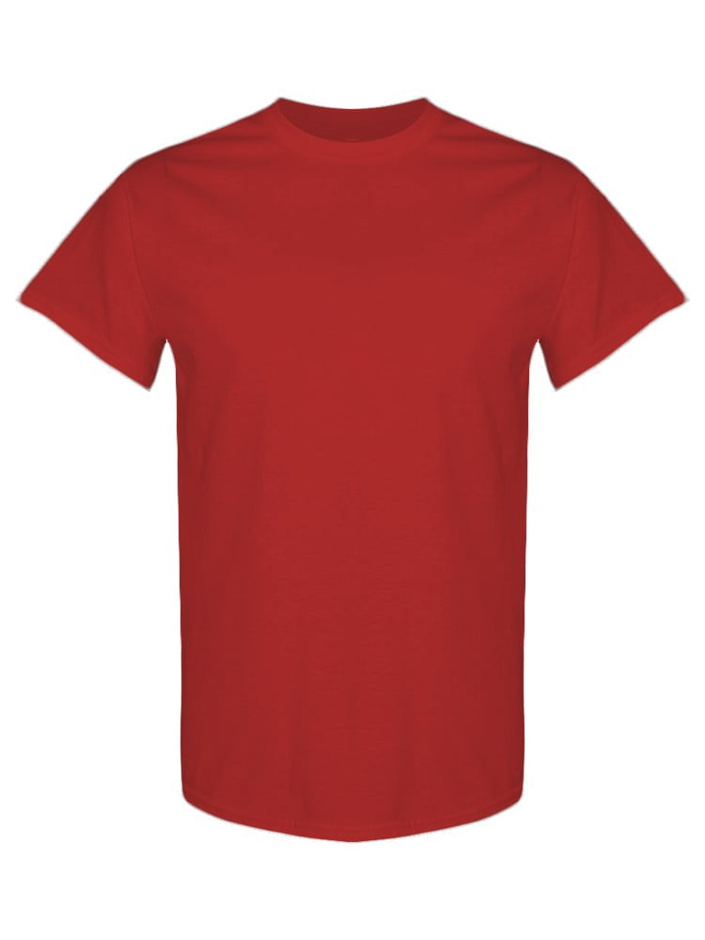
UNGT1R00L | Gildan - Heavy Cotton Adult T-Shirt | 2
UNGT6P2XL | Gildan - Heavy Cotton Adult T-Shirt | 2 | 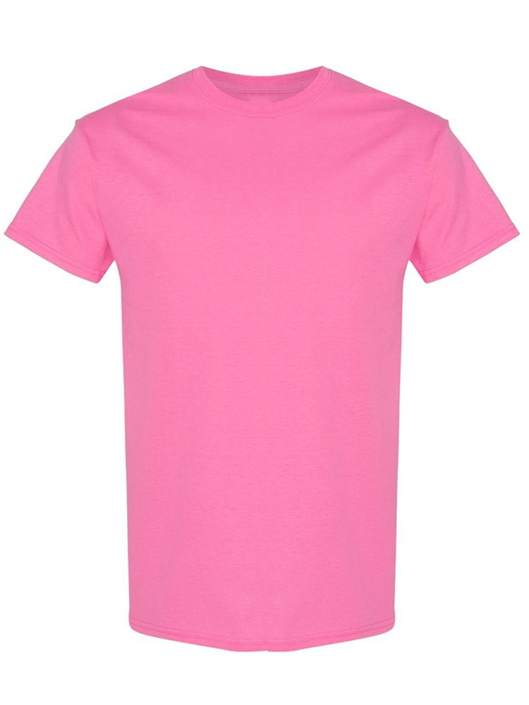
UNGT1Q00L | Gildan - Heavy Cotton Adult T-Shirt | 1 | 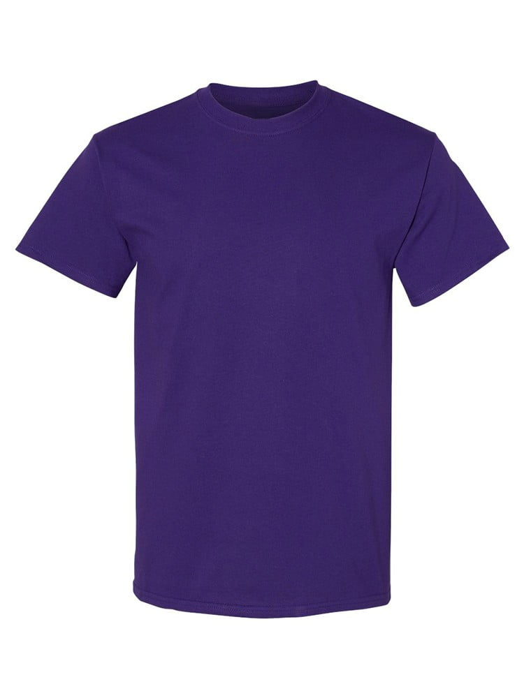
UNGT6P00S | Gildan - Heavy Cotton Adult T-Shirt | 1
UNGT1R2XL | Gildan - Heavy Cotton Adult T-Shirt | 1
UNGT1R00S | Gildan - Heavy Cotton Adult T-Shirt | 1
UNGT1R00M | Gildan - Heavy Cotton Adult T-Shirt | 1
UNGT1B4XL | Gildan - Heavy Cotton Adult T-Shirt | 1 | 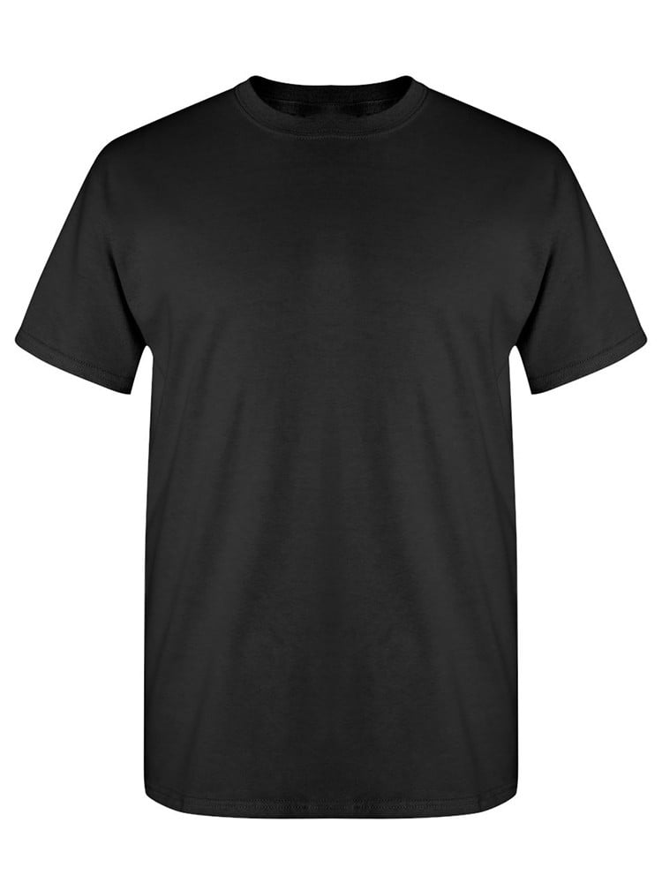
UNGTT20XL | Gildan - Heavy Cotton Adult T-Shirt | 1 | 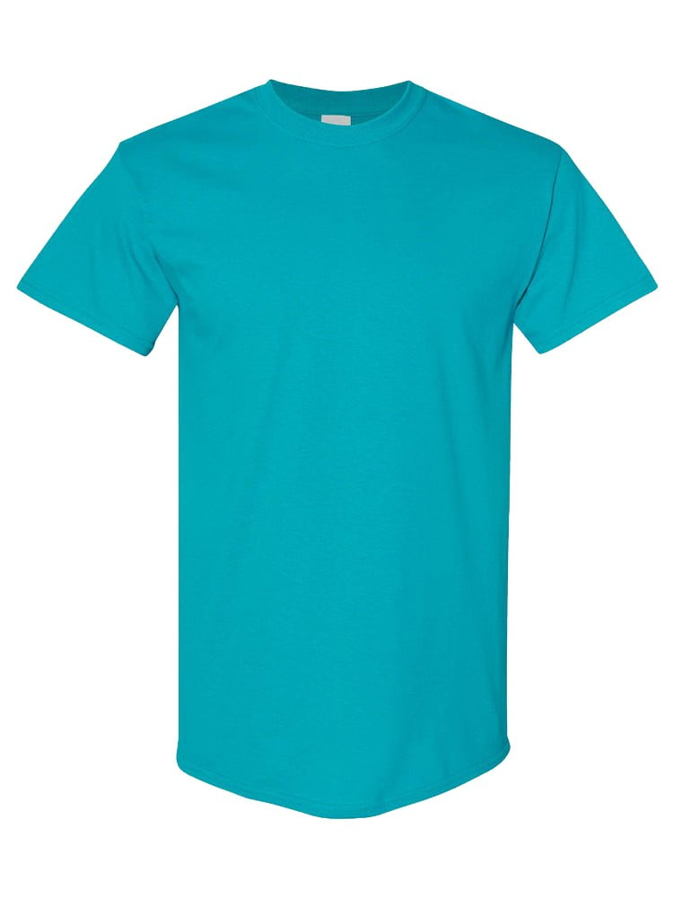
UNGT8P0XL | Gildan - Heavy Cotton Adult T-Shirt | 1 | 