Top Designs
SKU | Product Name | Quantity Sold | Image
UNGT1W00L | Gildan - Heavy Cotton Adult T-Shirt | 2 | 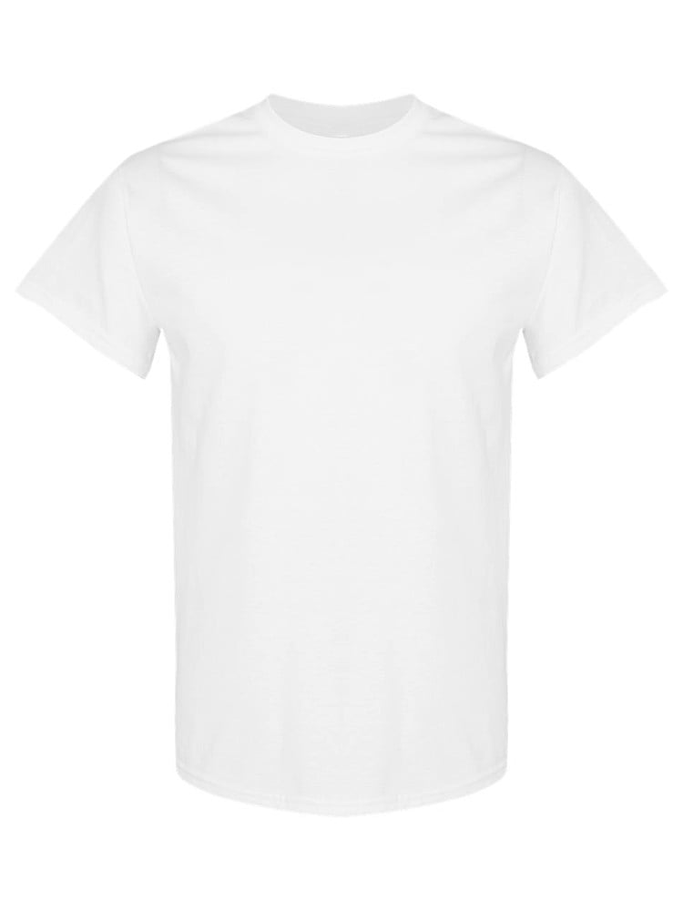
UNGT1Q00L | Gildan - Heavy Cotton Adult T-Shirt | 2 | 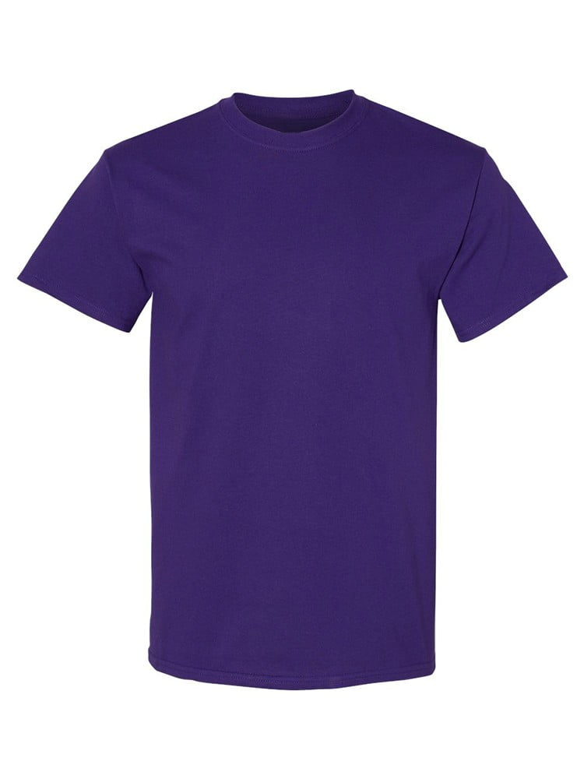
UNGT7Y00S | Gildan - Heavy Cotton Adult T-Shirt | 1 | 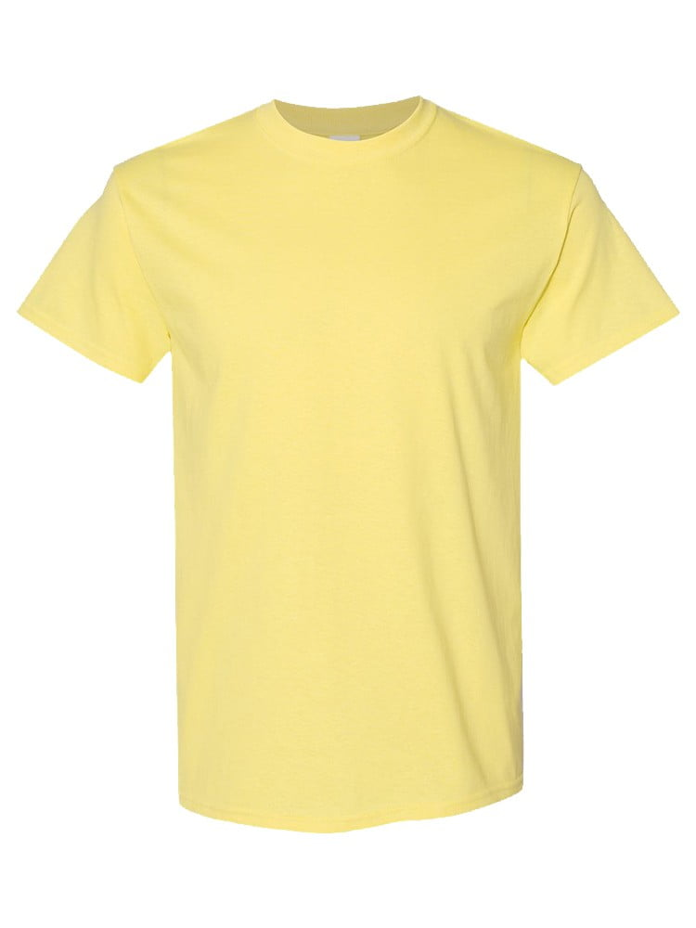
UNGT3G00L | Gildan - Heavy Cotton Adult T-Shirt | 1 | 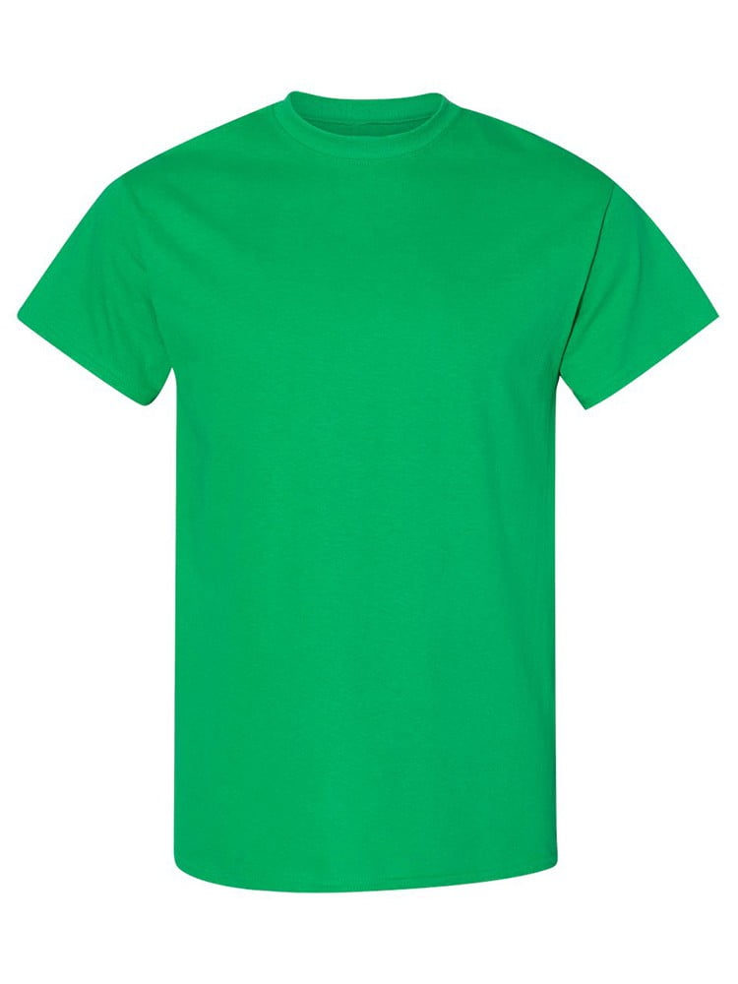
UNGT1W2XL | Gildan - Heavy Cotton Adult T-Shirt | 1
UNGT1M0XL | Gildan - Heavy Cotton Adult T-Shirt | 1 | 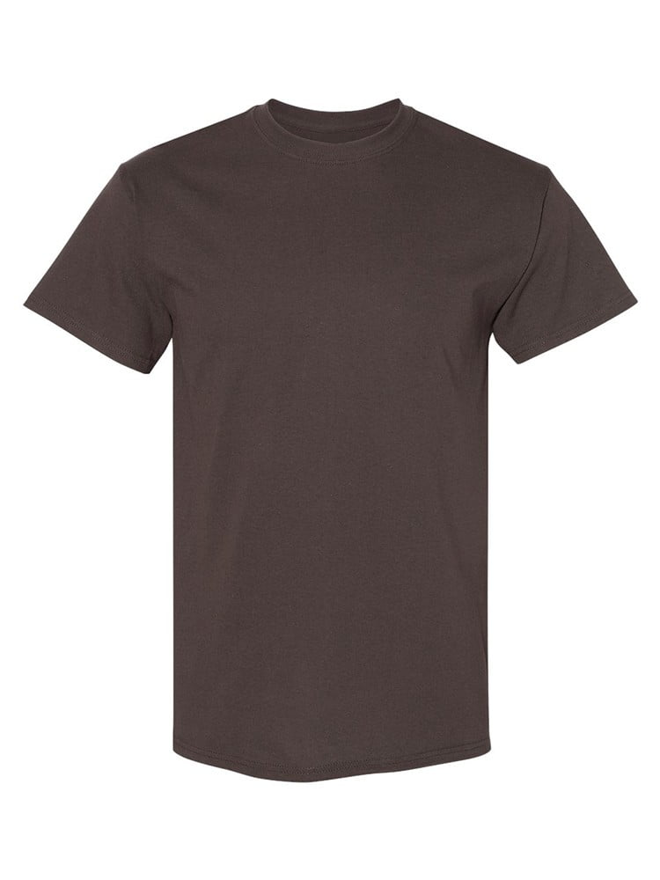
UNGT6P00S | Gildan - Heavy Cotton Adult T-Shirt | 1 | 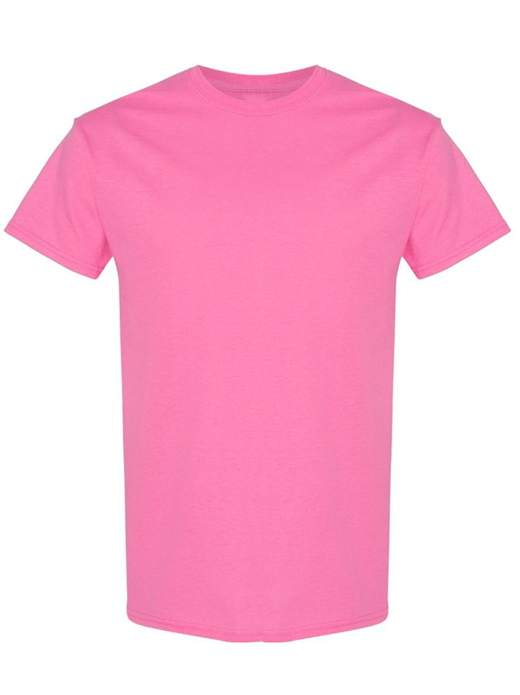
UNGT5P2XL | Gildan - Heavy Cotton Adult T-Shirt | 1 | 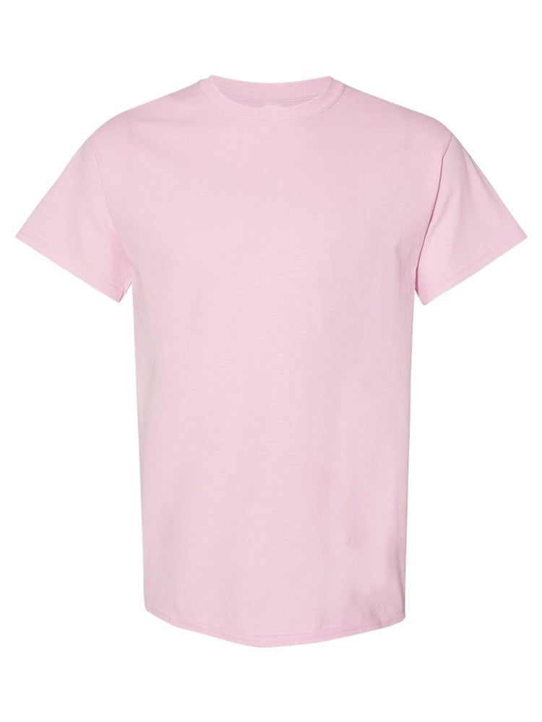
UNGT4H0XL | Gildan - Heavy Cotton Adult T-Shirt | 1 | 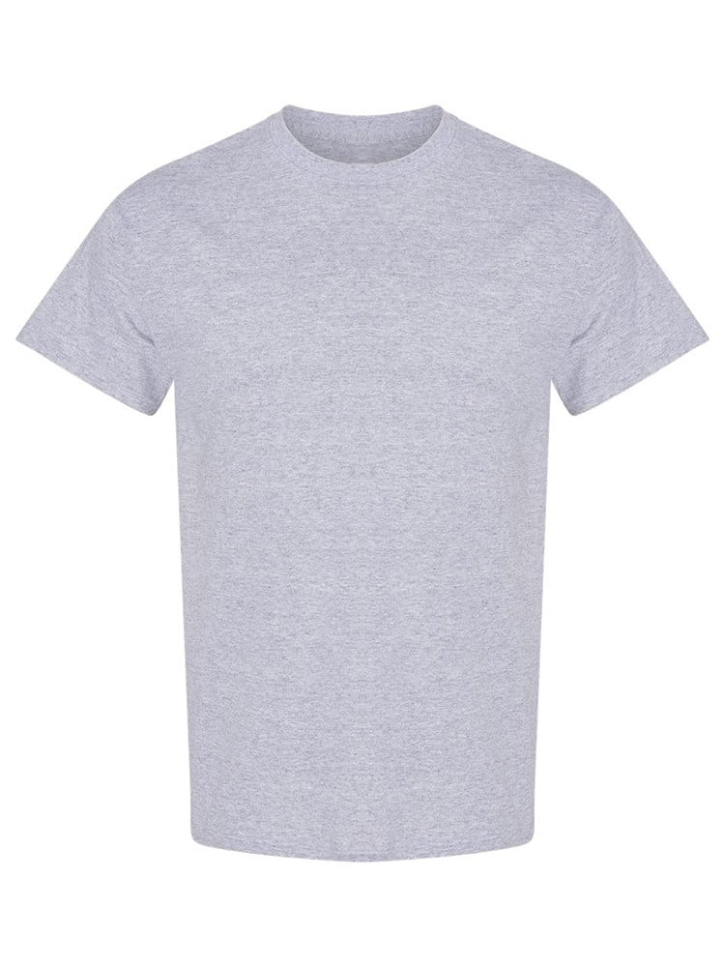
UNGT6G00S | Gildan - Heavy Cotton Adult T-Shirt | 1 | 