Top Designs
SKU | Product Name | Quantity Sold | Image
UNGT1N0XL | Gildan - Heavy Cotton Adult T-Shirt | 10 | 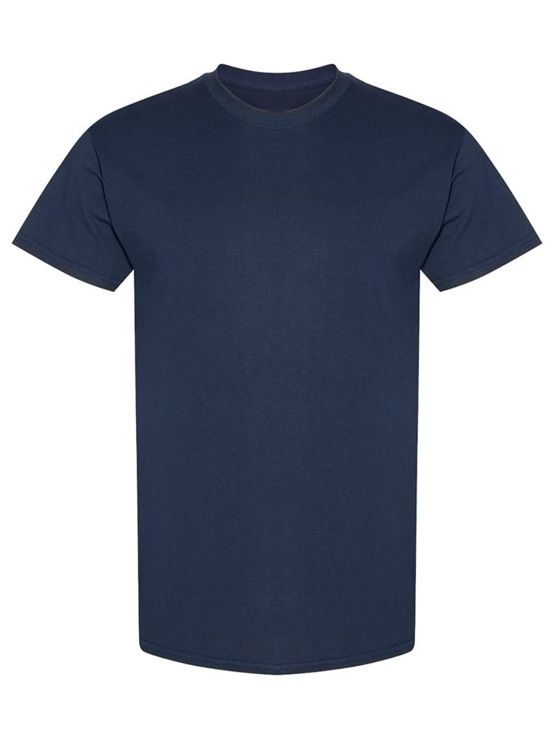
UNGT1B0XL | Gildan - Heavy Cotton Adult T-Shirt | 3 | 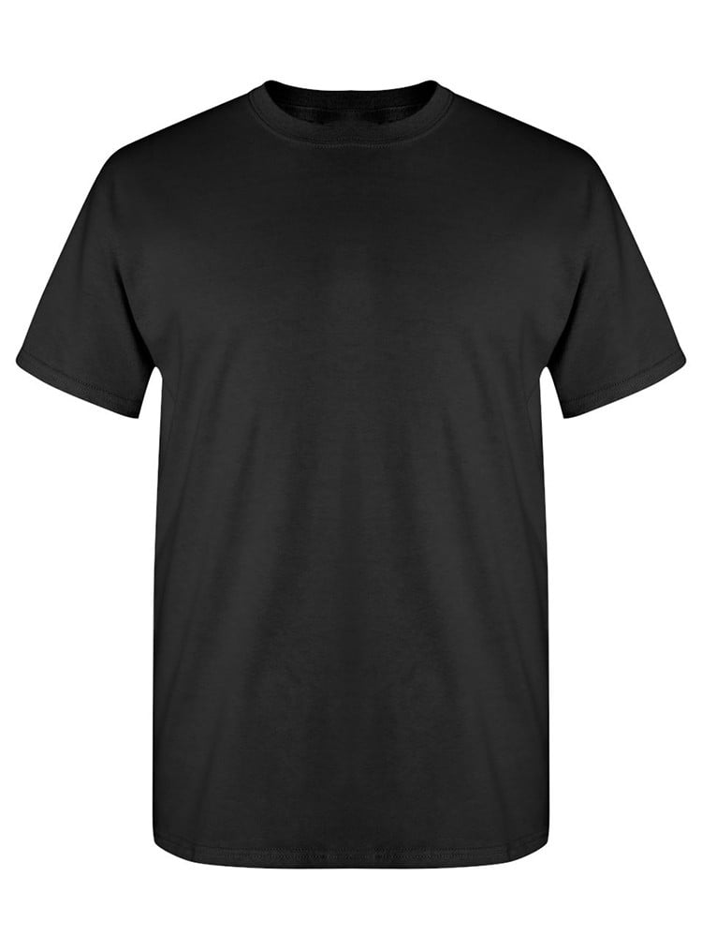
UNGT1B00M | Gildan - Heavy Cotton Adult T-Shirt | 3
UNGT2K5XL | Gildan - Heavy Cotton Adult T-Shirt | 1 | 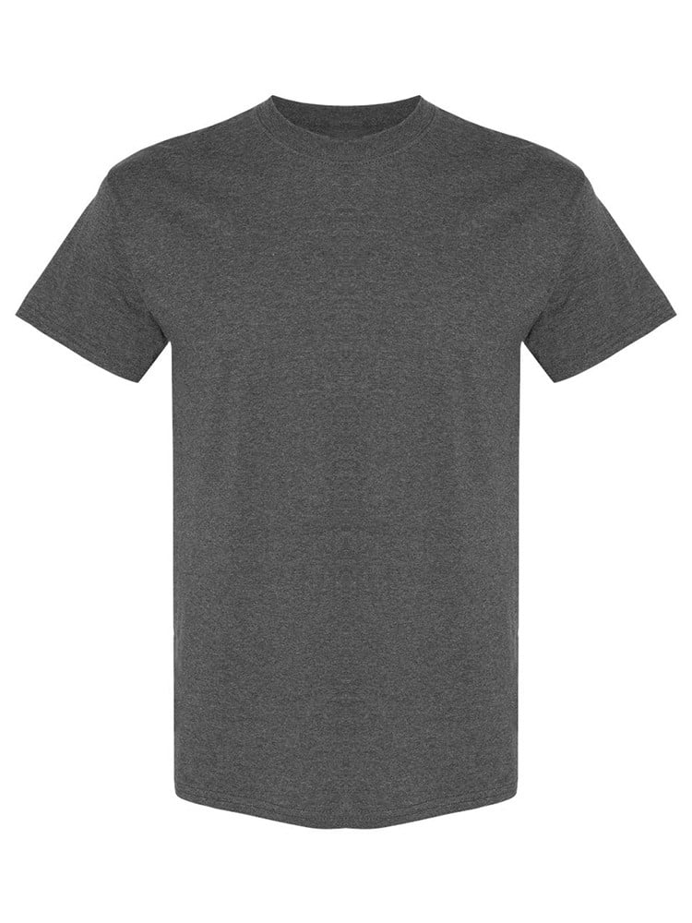
UNGT9N5XL | Gildan - Heavy Cotton Adult T-Shirt | 1 | 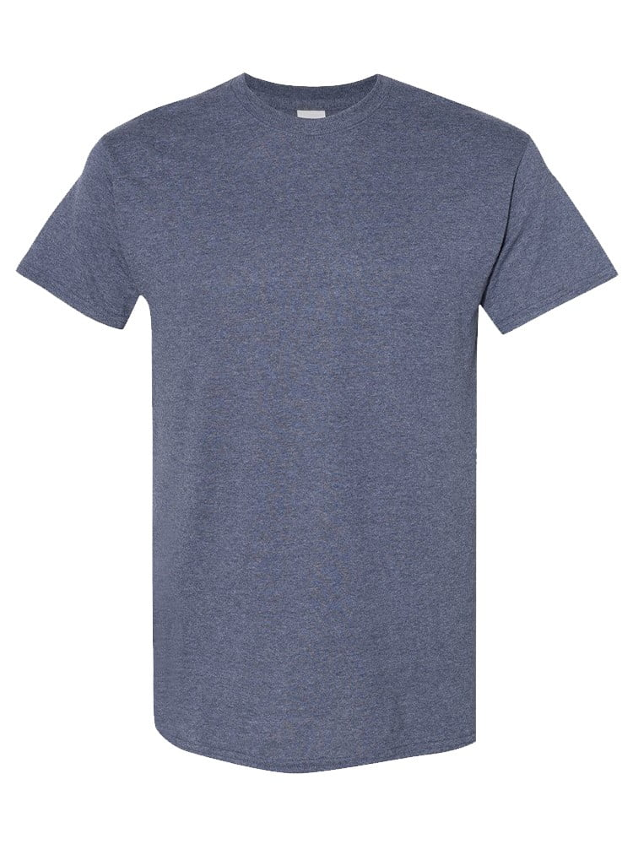
UNGT1D3XL | Gildan - Heavy Cotton Adult T-Shirt | 1 | 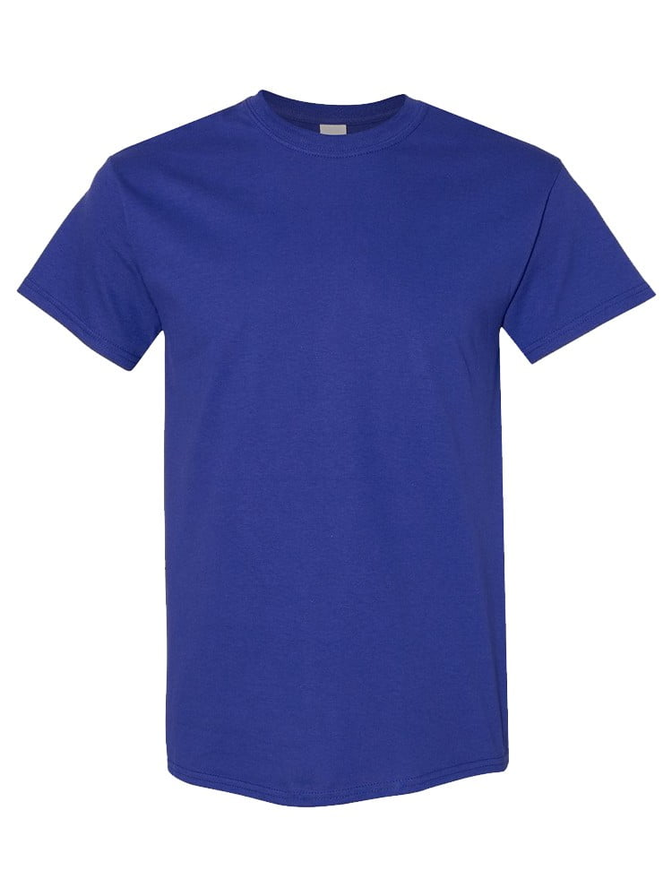
UNGT2K4XL | Gildan - Heavy Cotton Adult T-Shirt | 1
UNGT1B5XL | Gildan - Heavy Cotton Adult T-Shirt | 1
UNGT1B2XL | Gildan - Heavy Cotton Adult T-Shirt | 1
UNGT1B00L | Gildan - Heavy Cotton Adult T-Shirt | 1

