Top Designs
SKU | Product Name | Quantity Sold | Image
UNGT4N00L | Gildan - Heavy Cotton Adult T-Shirt | 2 | 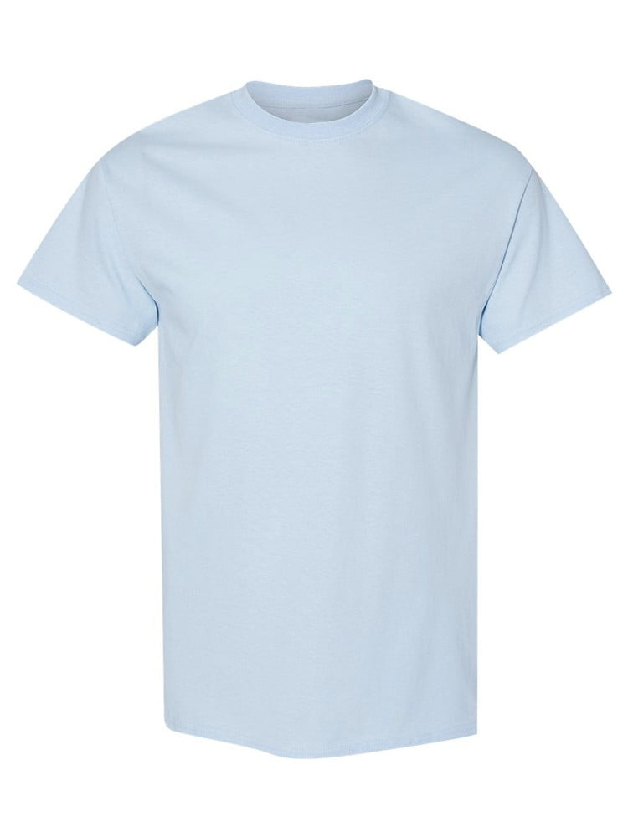
UNGT4H00L | Gildan - Heavy Cotton Adult T-Shirt | 2 | 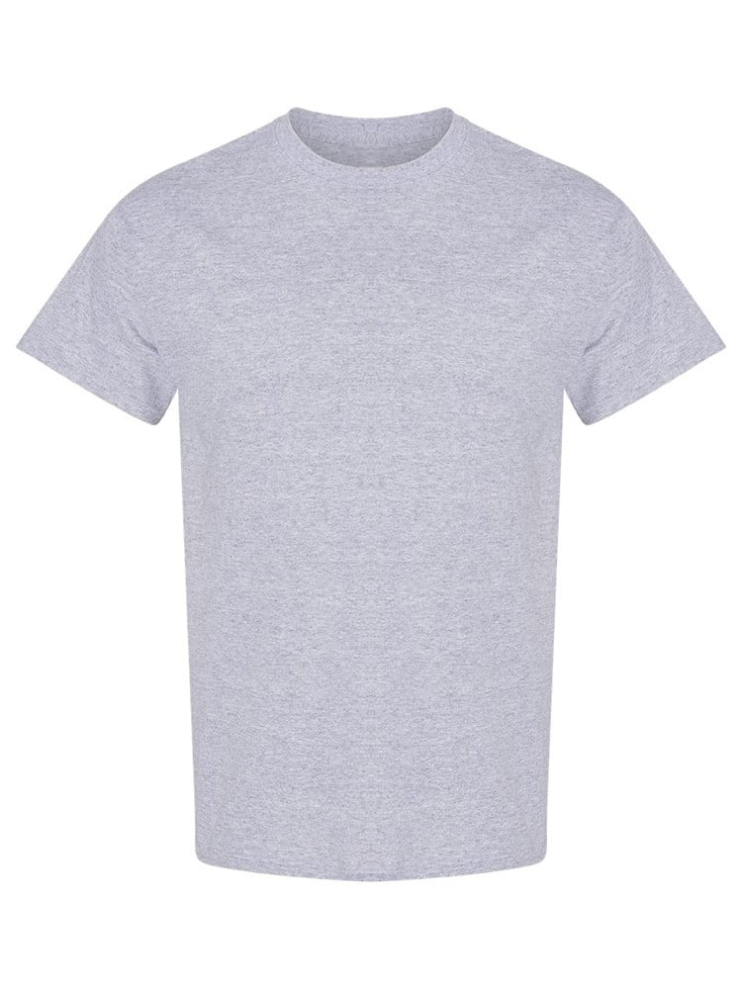
UNGT1B4XL | Gildan - Heavy Cotton Adult T-Shirt | 1 | 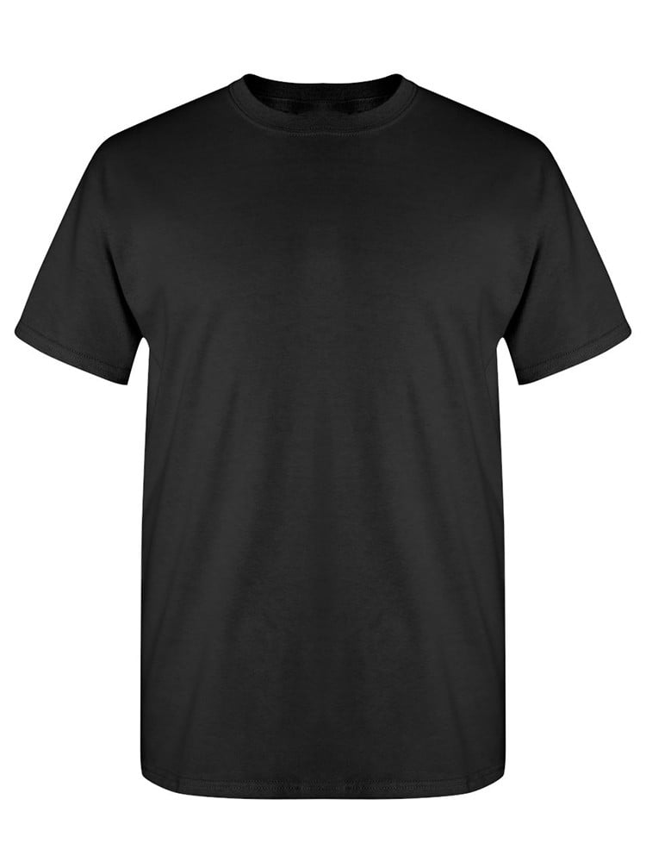
UNGT1D3XL | Gildan - Heavy Cotton Adult T-Shirt | 1 | 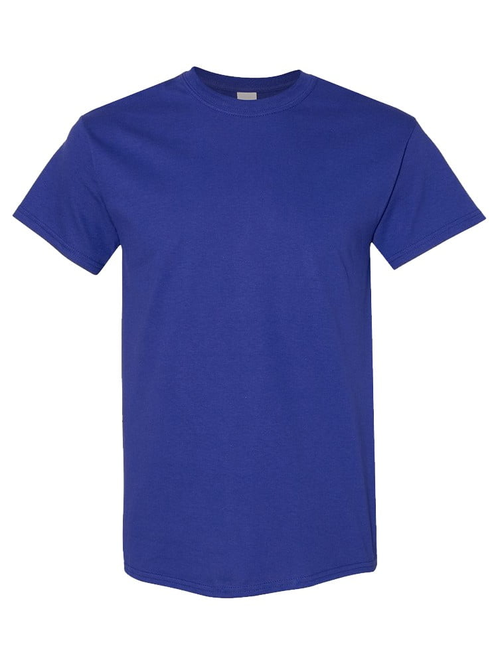
UNGT5B0XL | Gildan - Heavy Cotton Adult T-Shirt | 1 | 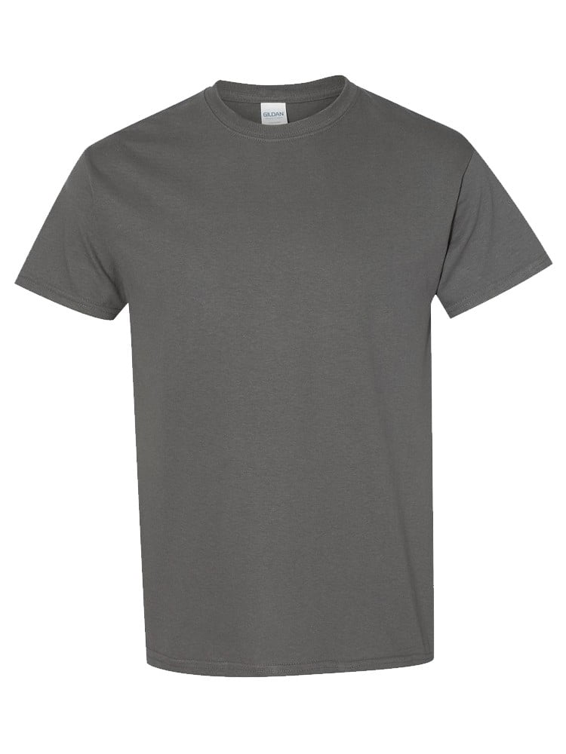
UNGT1M2XL | Gildan - Heavy Cotton Adult T-Shirt | 1 | 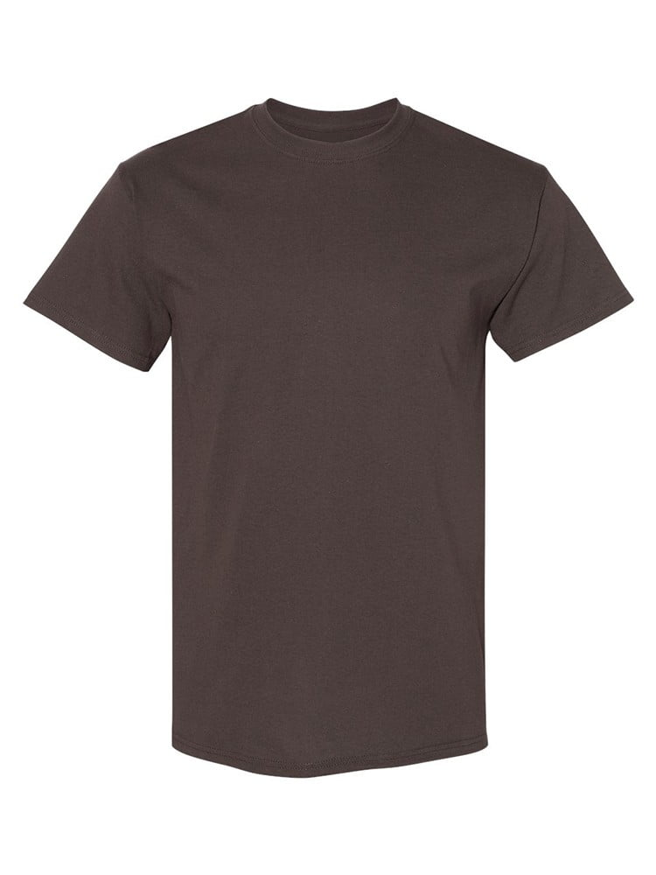
UNGT1B2XL | Gildan - Heavy Cotton Adult T-Shirt | 1
UNGT2K2XL | Gildan - Heavy Cotton Adult T-Shirt | 1 | 