Top Designs
SKU | Product Name | Quantity Sold | Image
UNGT7Y00M | Gildan - Heavy Cotton Adult T-Shirt | 4 | 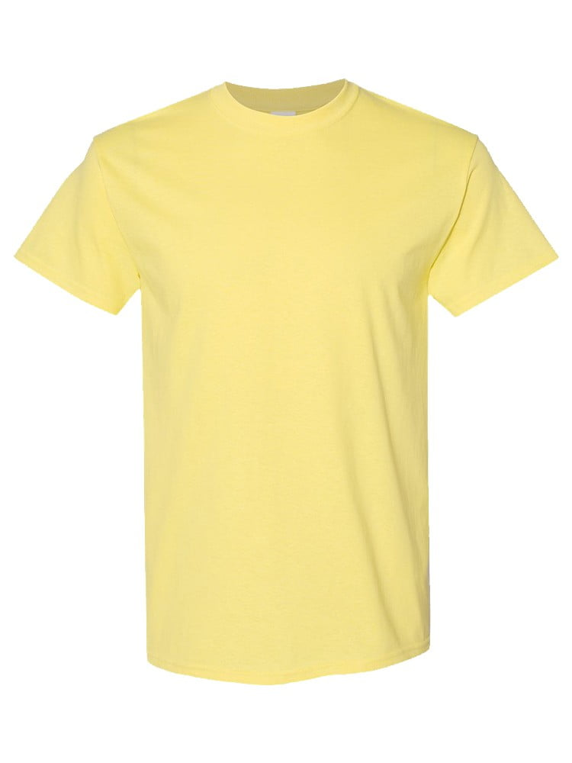
UNGT1B00M | Gildan - Heavy Cotton Adult T-Shirt | 3 | 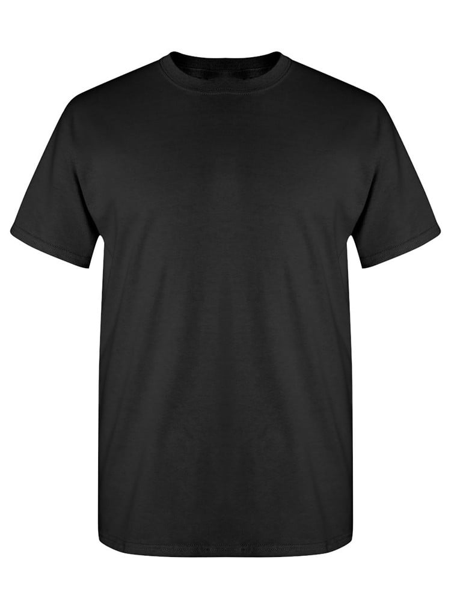
UNGT1B00L | Gildan - Heavy Cotton Adult T-Shirt | 3
UNGT5N0XL | Gildan - Heavy Cotton Adult T-Shirt | 3 | 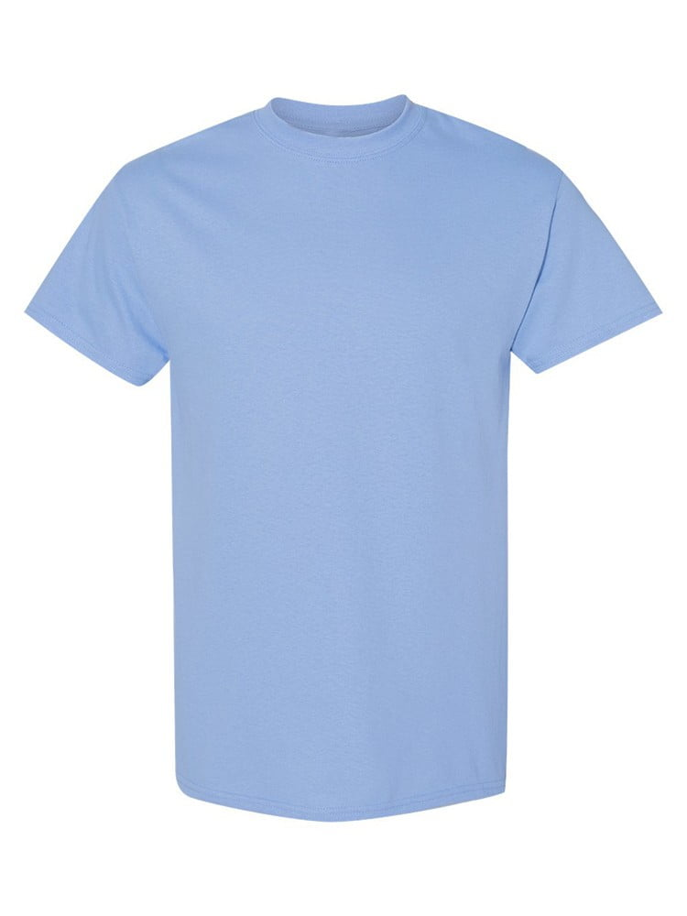
UNGT1B00S | Gildan - Heavy Cotton Adult T-Shirt | 2
UNGT7Y00L | Gildan - Heavy Cotton Adult T-Shirt | 2
UNGT2Y00M | Gildan - Heavy Cotton Adult T-Shirt | 1 | 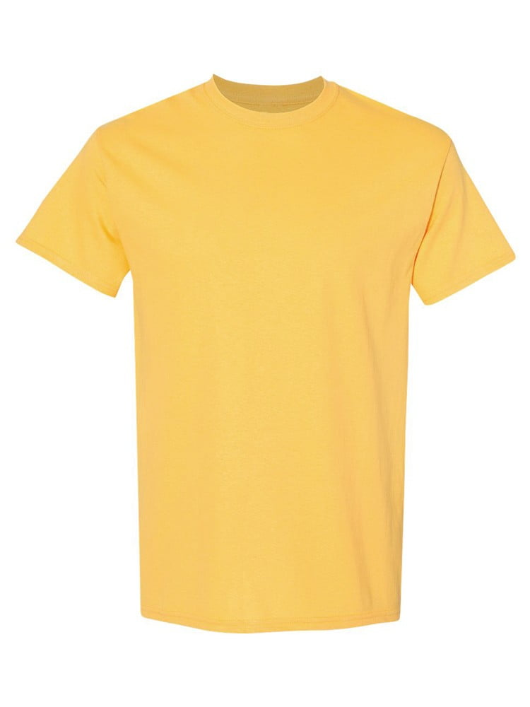
UNGT1E00M | Gildan - Heavy Cotton Adult T-Shirt | 1 | 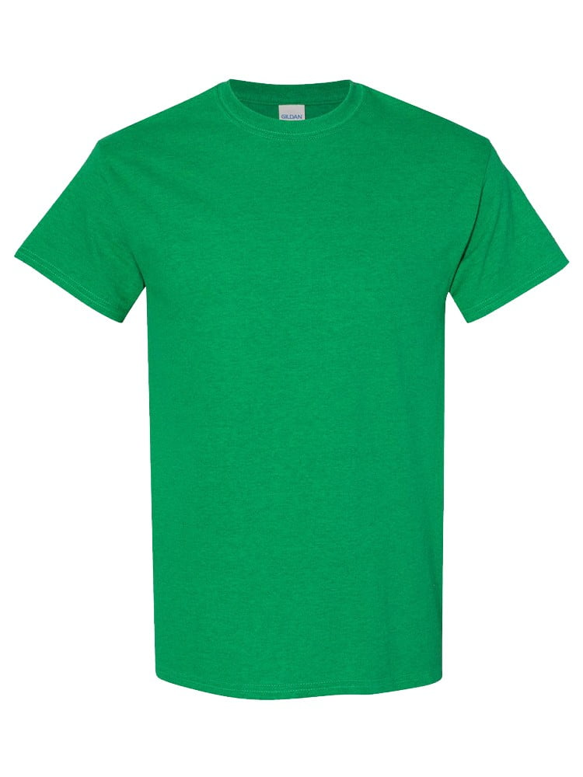
UNGT4N00M | Gildan - Heavy Cotton Adult T-Shirt | 1 | 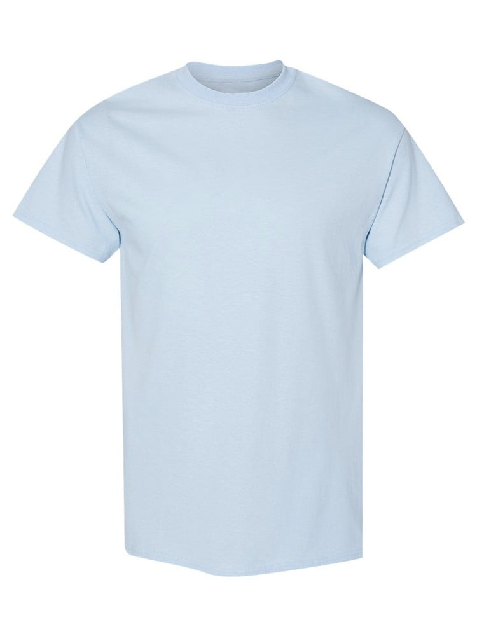
UNGT1Q00M | Gildan - Heavy Cotton Adult T-Shirt | 1 | 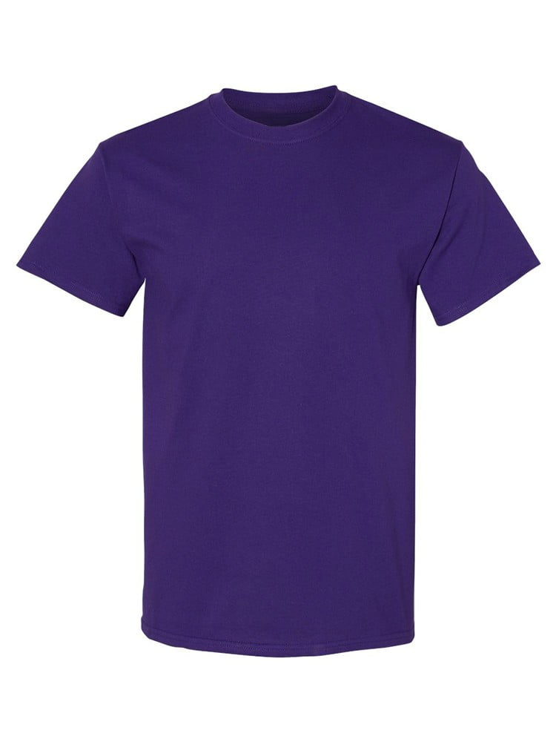
UNGT4N00L | Gildan - Heavy Cotton Adult T-Shirt | 1
UNGT7C00S | Gildan - Heavy Cotton Adult T-Shirt | 1 | 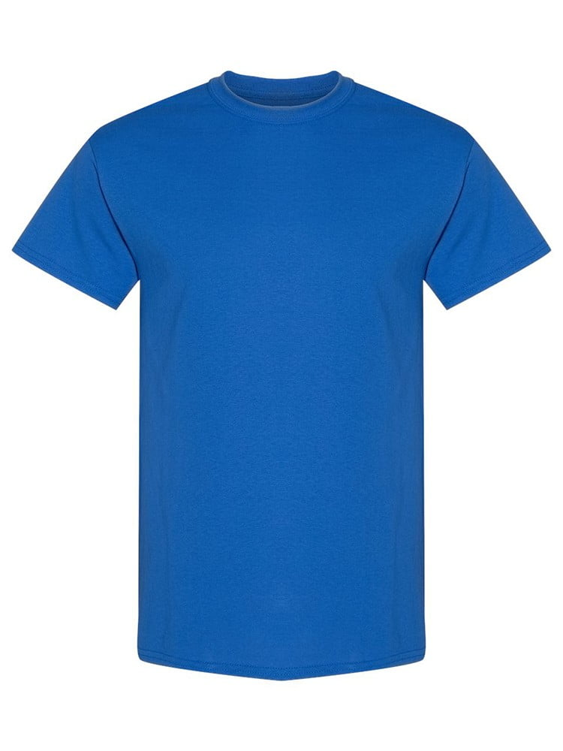
UNGT5E00S | Gildan - Heavy Cotton Adult T-Shirt | 1 | 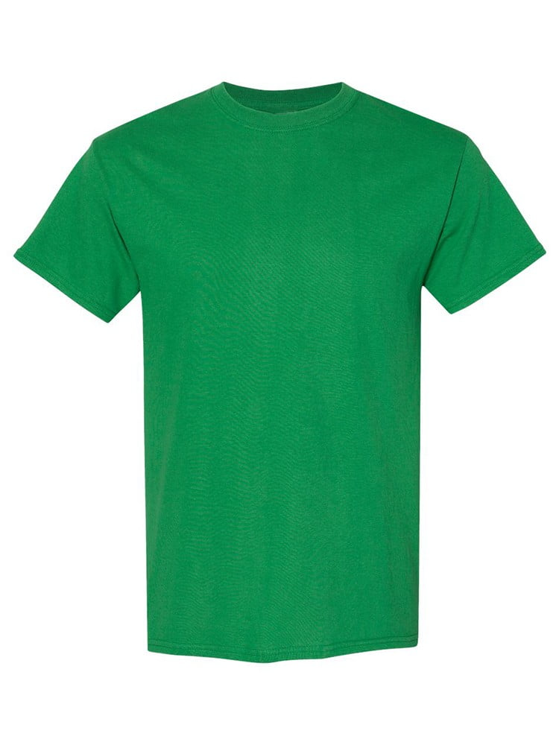
UNGT1W00S | Gildan - Heavy Cotton Adult T-Shirt | 1 | 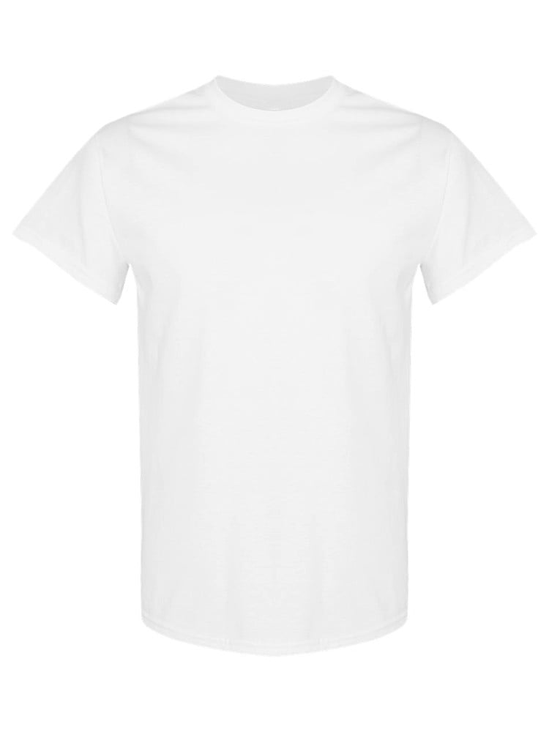
UNGT7Y0XL | Gildan - Heavy Cotton Adult T-Shirt | 1
UNGT5N00L | Gildan - Heavy Cotton Adult T-Shirt | 1

