Top Designs
SKU | Product Name | Quantity Sold | Image
UNGT1M2XL | Gildan - Heavy Cotton Adult T-Shirt | 1 | 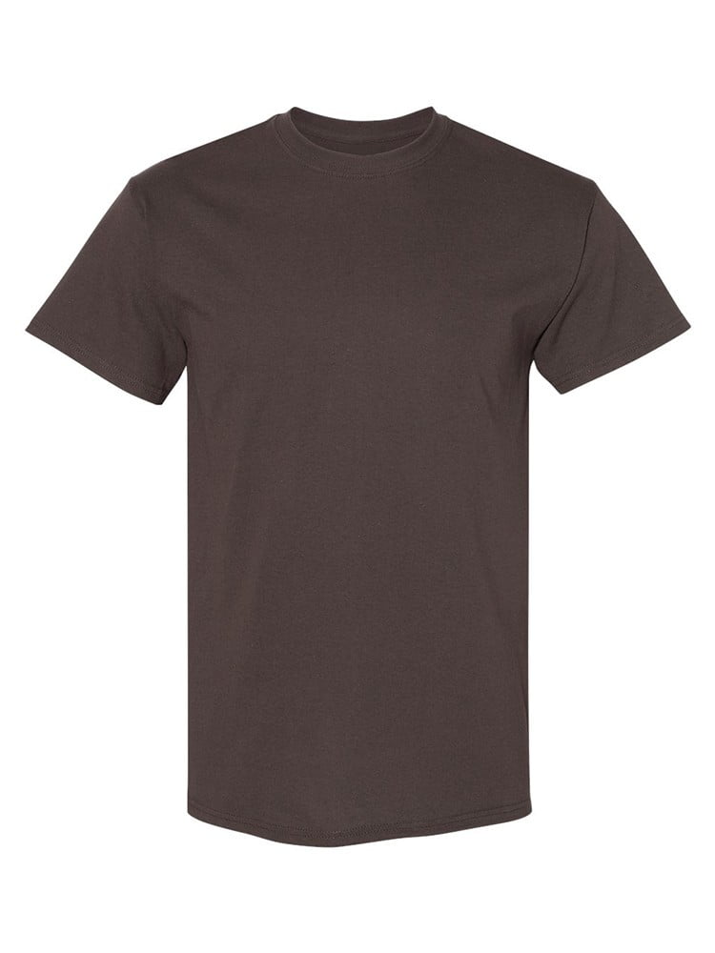
UNGT1E0XL | Gildan - Heavy Cotton Adult T-Shirt | 1 | 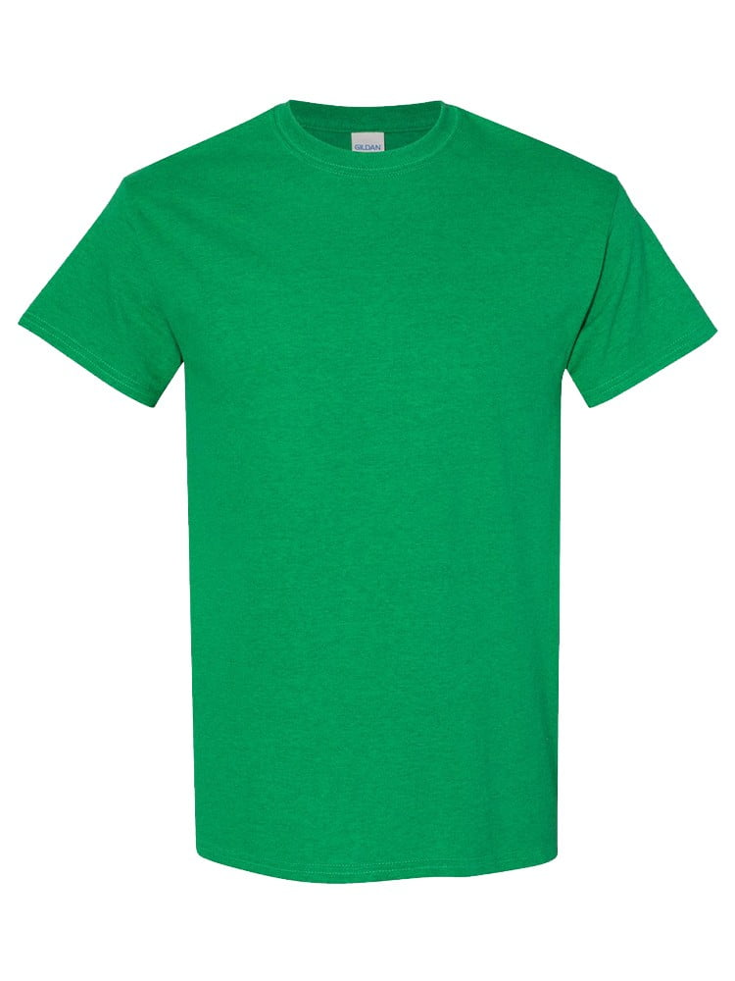
UNGT4G0XL | Gildan - Heavy Cotton Adult T-Shirt | 1 | 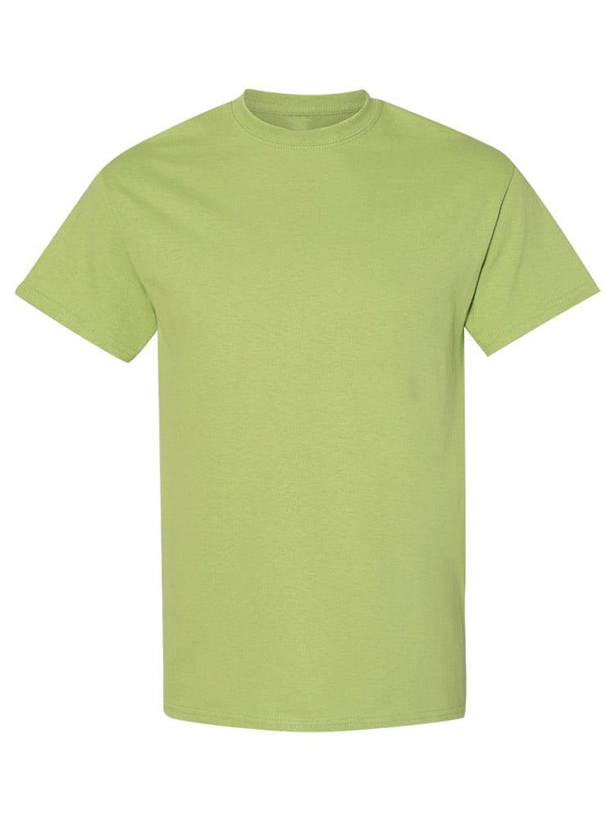
UNGT1M0XL | Gildan - Heavy Cotton Adult T-Shirt | 1

