Top Designs
SKU | Product Name | Quantity Sold | Image
UNGT5P00L | Gildan - Heavy Cotton Adult T-Shirt | 2 | 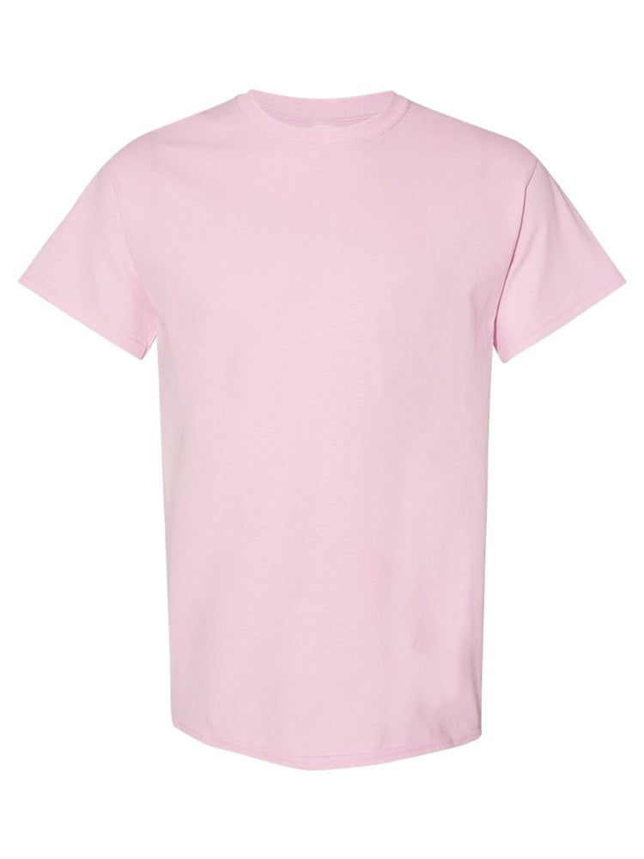
UNGT3W00L06P | Gildan - Heavy Cotton Adult T-Shirt | 2 | 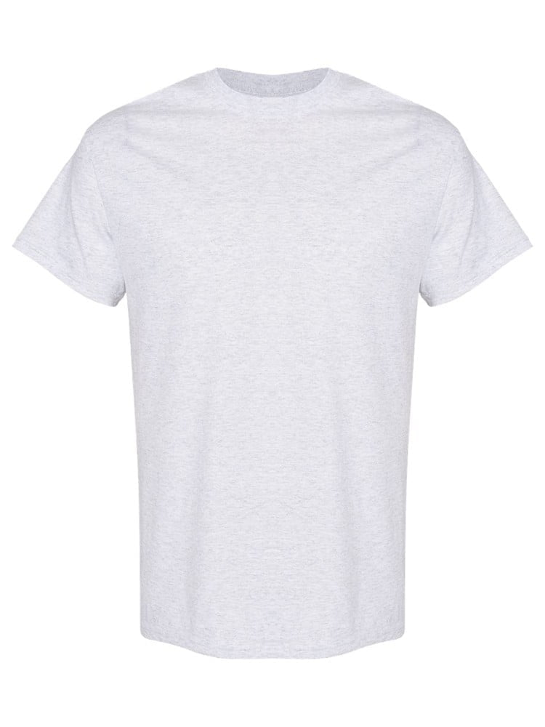
UNGT3O2XL | Gildan - Heavy Cotton Adult T-Shirt | 1 | 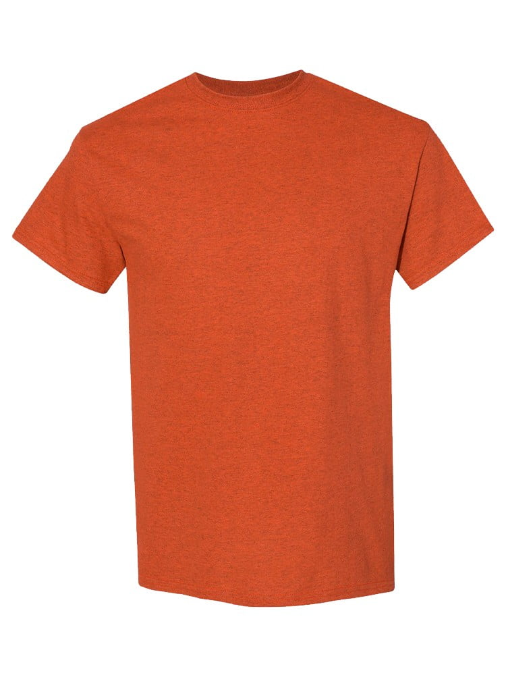
UNGT4G2XL | Gildan - Heavy Cotton Adult T-Shirt | 1 | 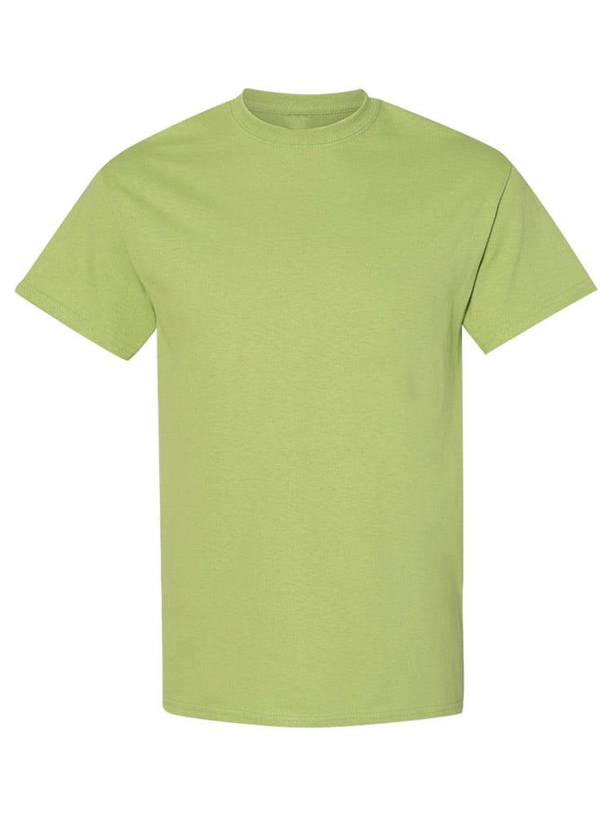
UNGT8P2XL | Gildan - Heavy Cotton Adult T-Shirt | 1 | 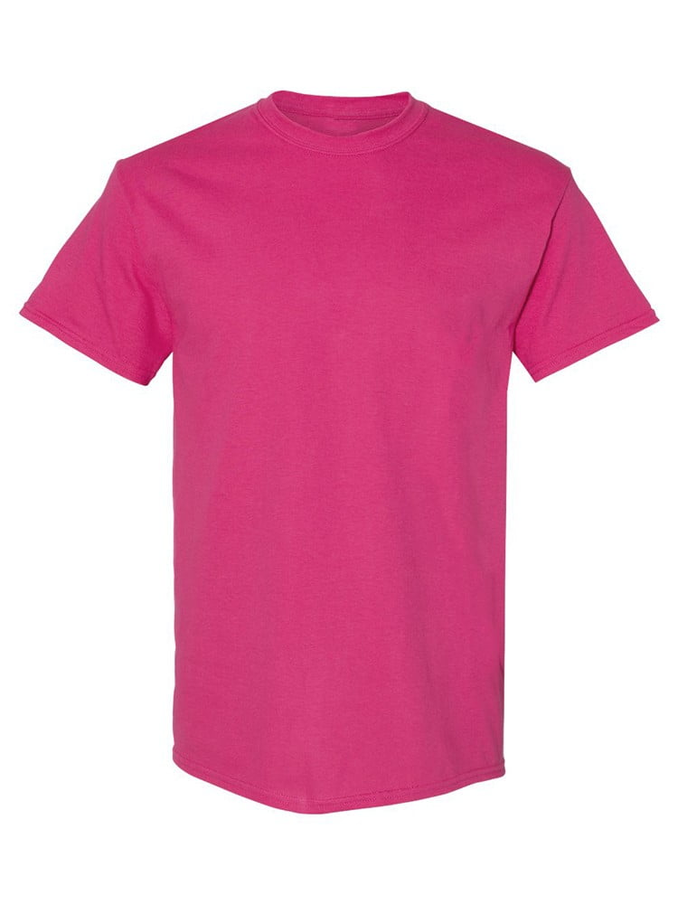
UNGT2Y2XL | Gildan - Heavy Cotton Adult T-Shirt | 1 | 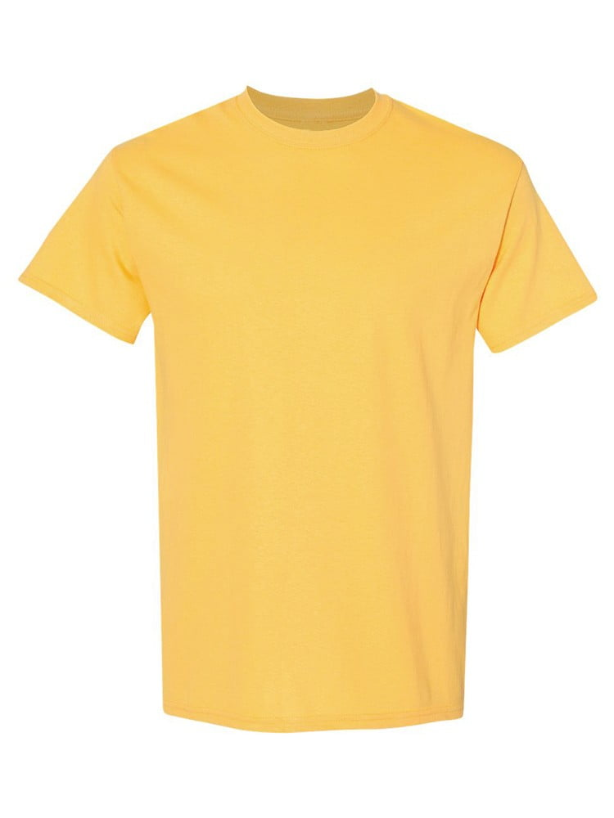
UNGT5E2XL | Gildan - Heavy Cotton Adult T-Shirt | 1 | 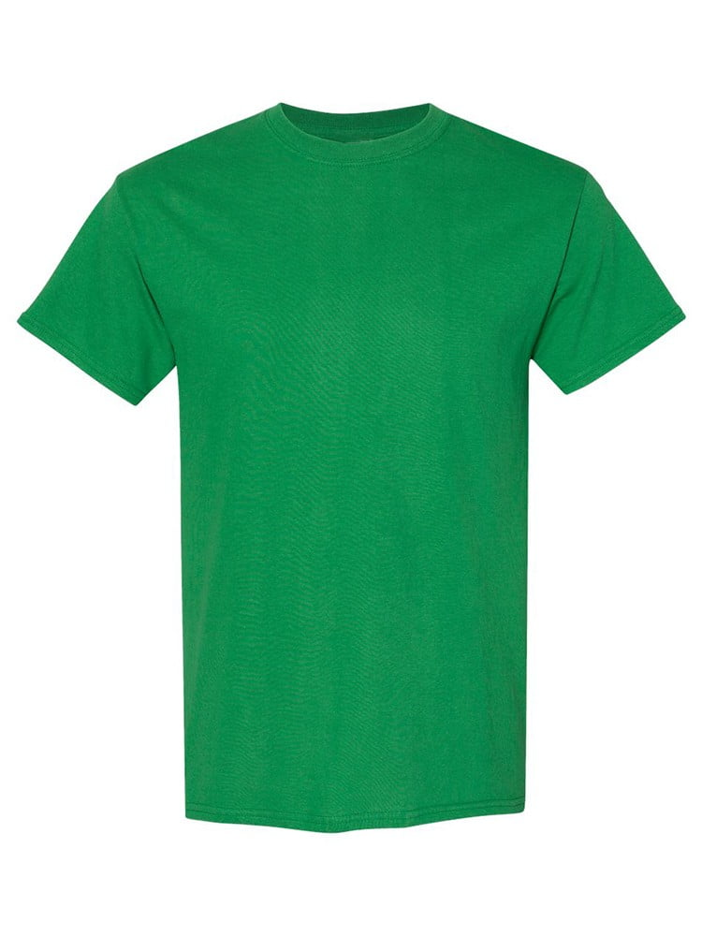
UNGT4Y2XL | Gildan - Heavy Cotton Adult T-Shirt | 1 | 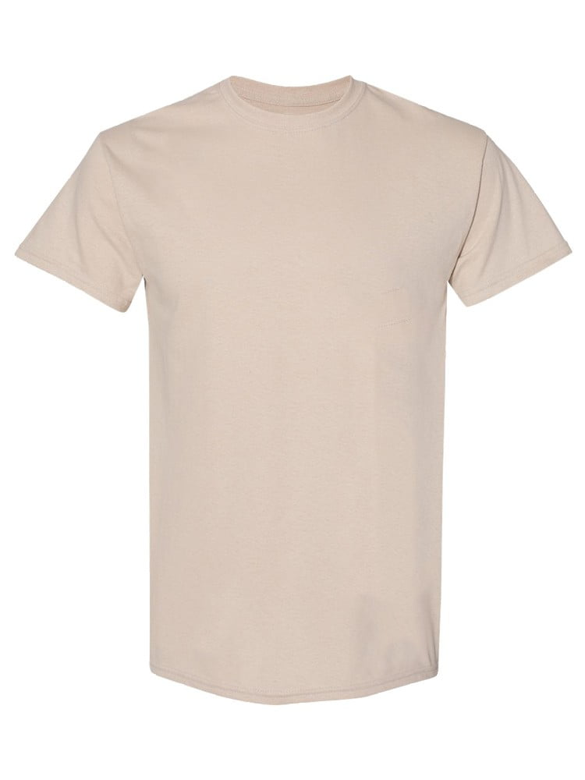
UNGT3Y3XL | Gildan - Heavy Cotton Adult T-Shirt | 1 | 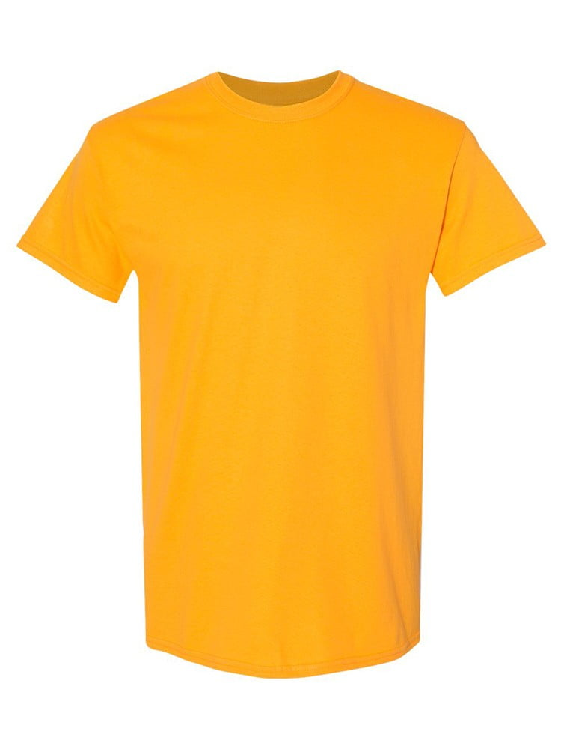
UNGT3D4XL | Gildan - Heavy Cotton Adult T-Shirt | 1 | 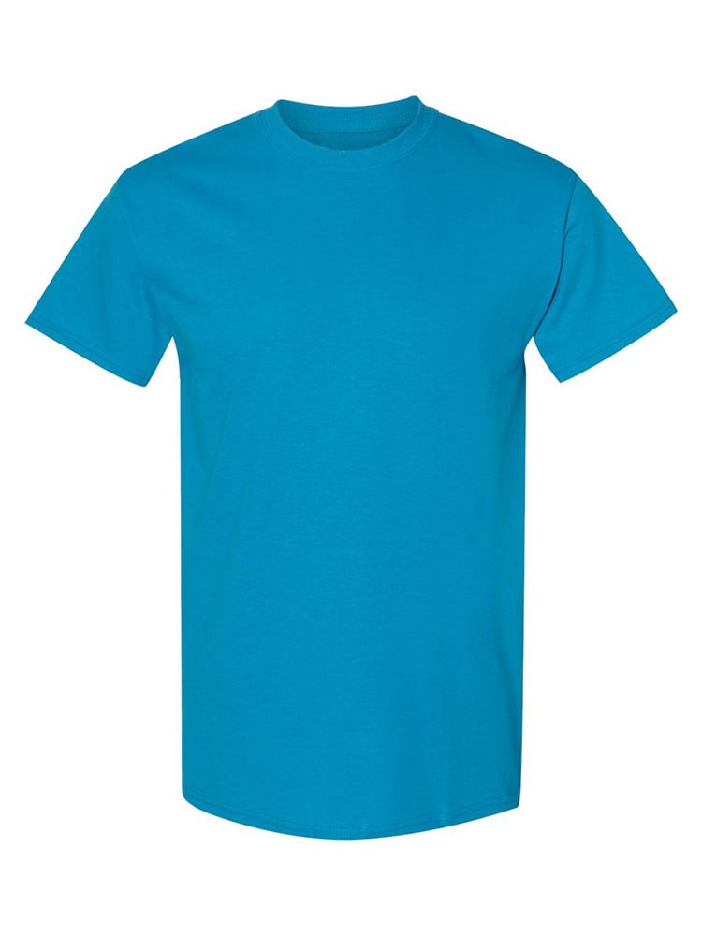
UNGTT24XL | Gildan - Heavy Cotton Adult T-Shirt | 1 | 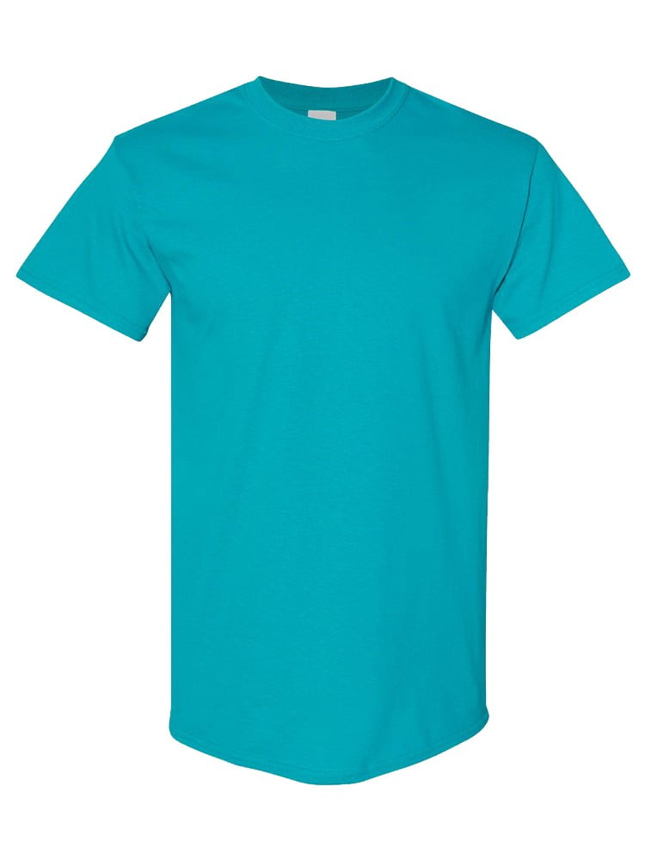
UNGT1B00L | Gildan - Heavy Cotton Adult T-Shirt | 1 | 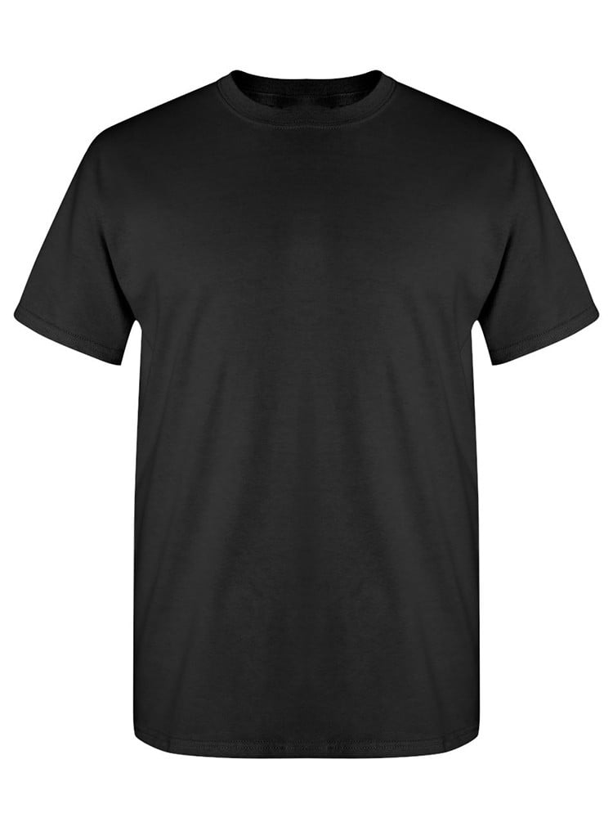
UNGT1B0XL | Gildan - Heavy Cotton Adult T-Shirt | 1
UNGT1N0XL | Gildan - Heavy Cotton Adult T-Shirt | 1 | 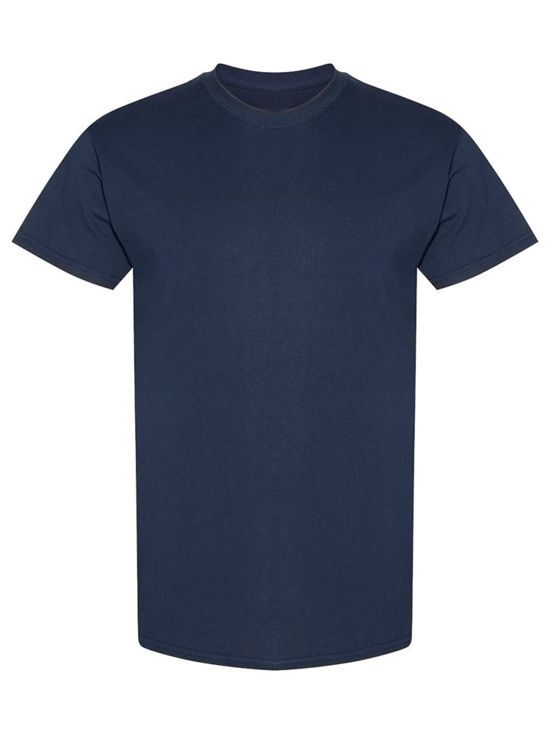
UNGT2K00L | Gildan - Heavy Cotton Adult T-Shirt | 1 | 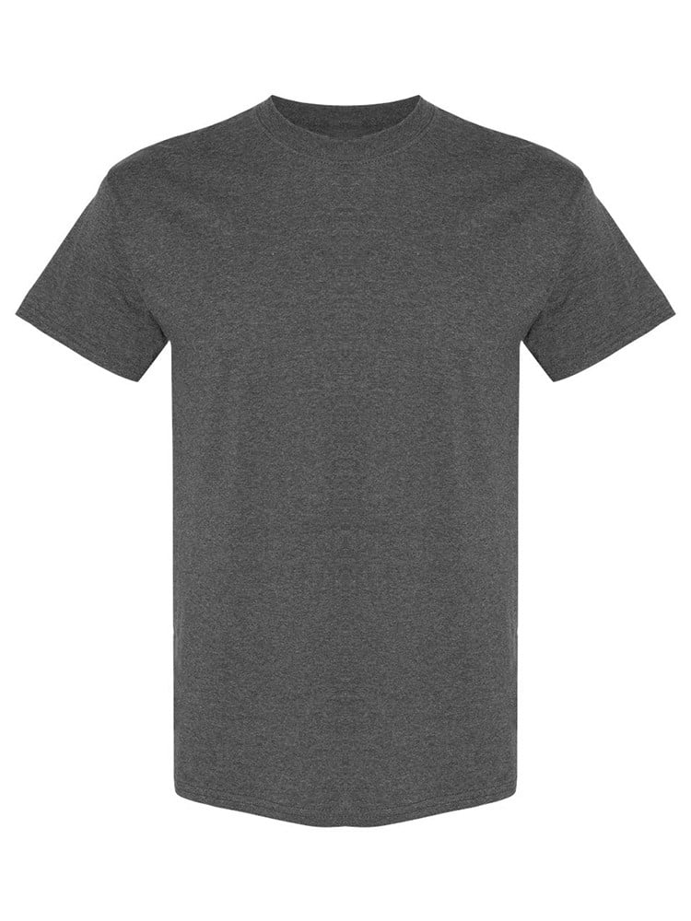
UNGT1M00S | Gildan - Heavy Cotton Adult T-Shirt | 1 | 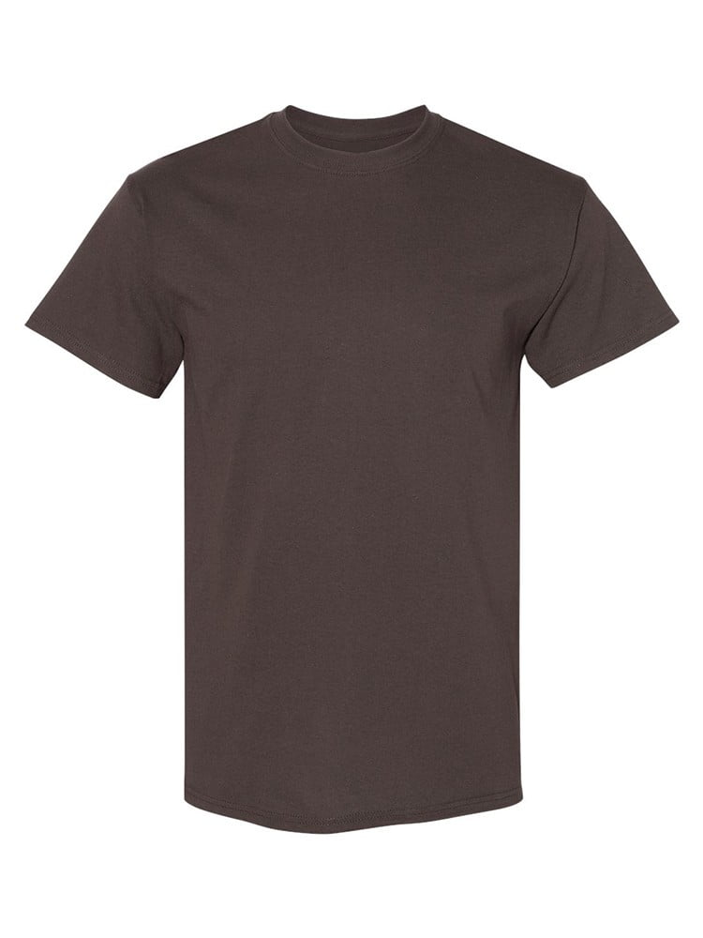
UNGT6P2XL | Gildan - Heavy Cotton Adult T-Shirt | 1 | 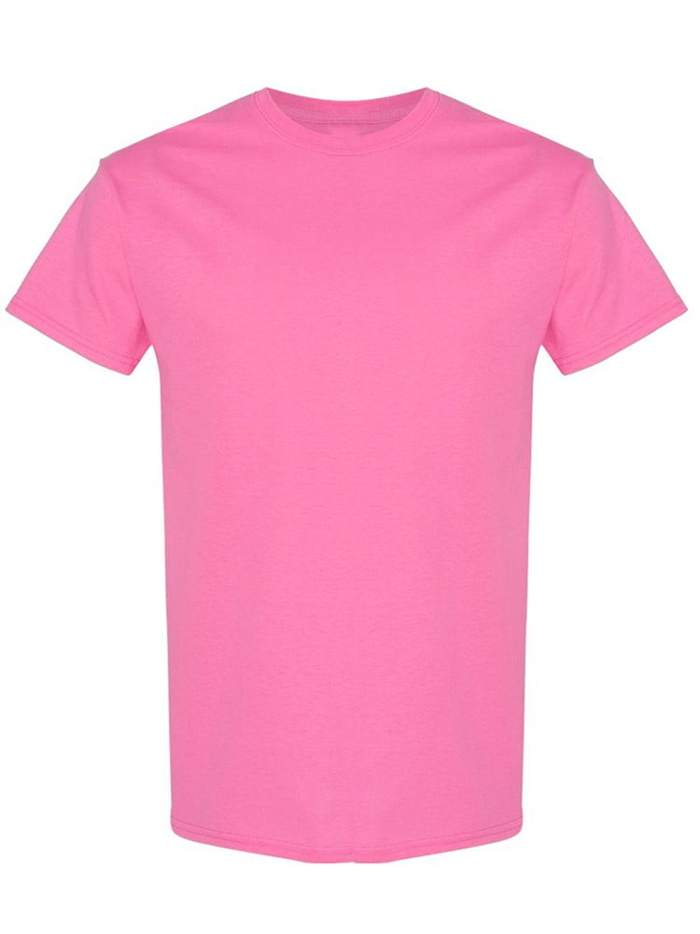
UNGT2S00L | Gildan - Heavy Cotton Adult T-Shirt | 1 | 