Top Designs
SKU | Product Name | Quantity Sold | Image
UNGT1B0XL | Gildan - Heavy Cotton Adult T-Shirt | 4 | 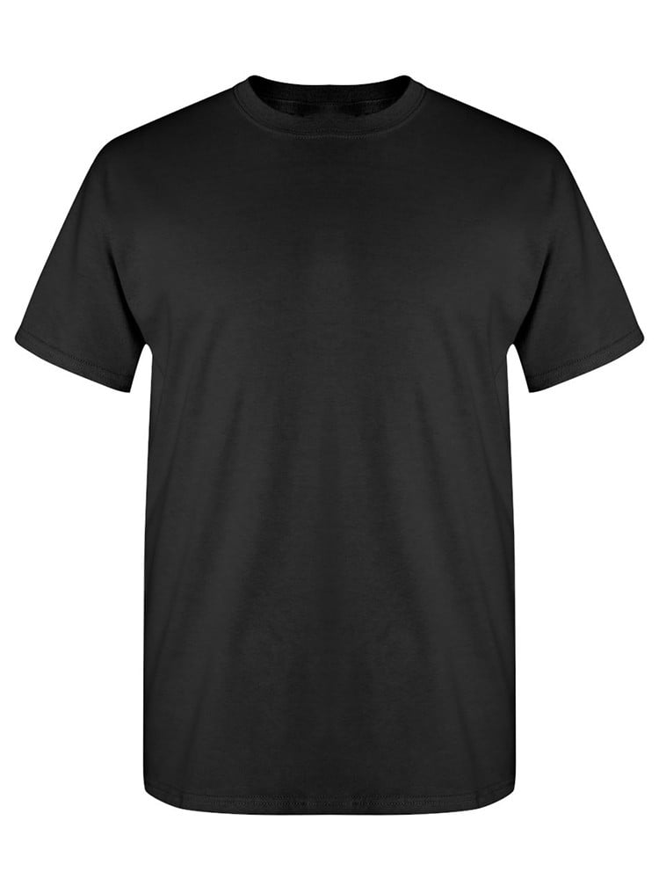
UNGT1B2XL | Gildan - Heavy Cotton Adult T-Shirt | 3
UNGT1B00S | Gildan - Heavy Cotton Adult T-Shirt | 2
UNGT1B00M | Gildan - Heavy Cotton Adult T-Shirt | 2
UNGT3F2XL | Gildan - Heavy Cotton Adult T-Shirt | 1 | 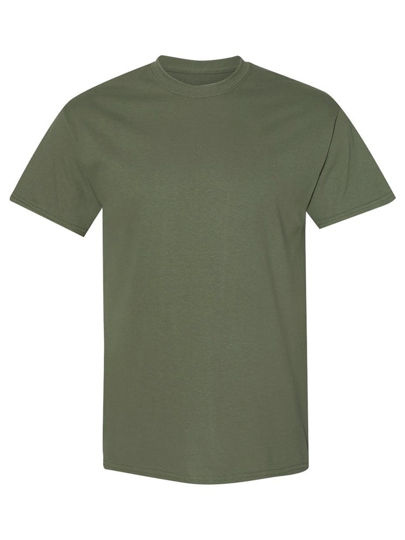
UNGT6P3XL | Gildan - Heavy Cotton Adult T-Shirt | 1 | 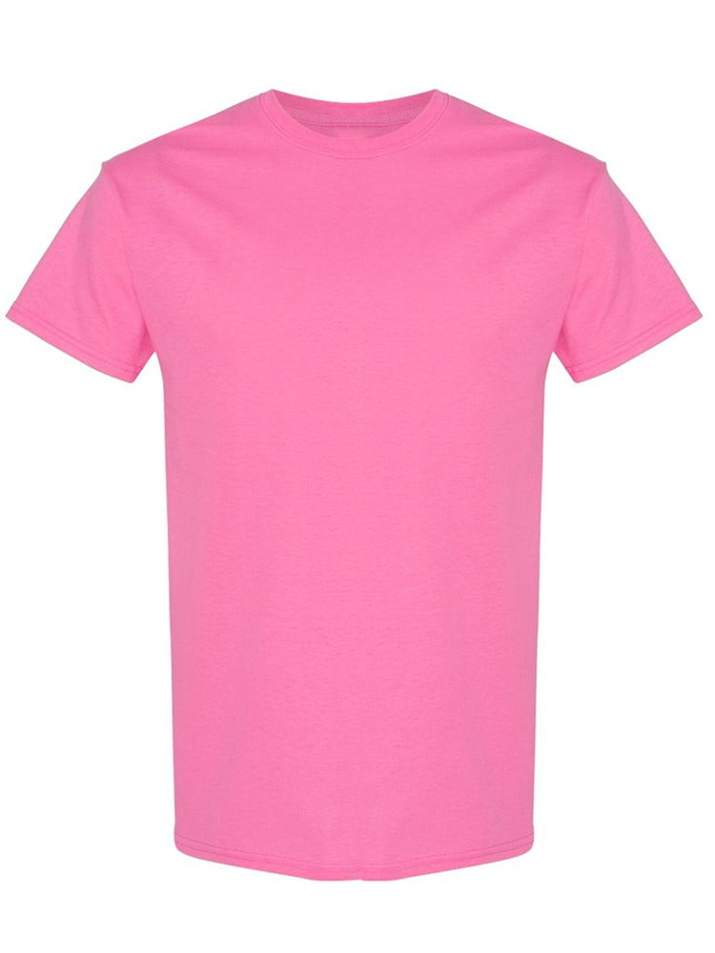
UNGTT23XL | Gildan - Heavy Cotton Adult T-Shirt | 1 | 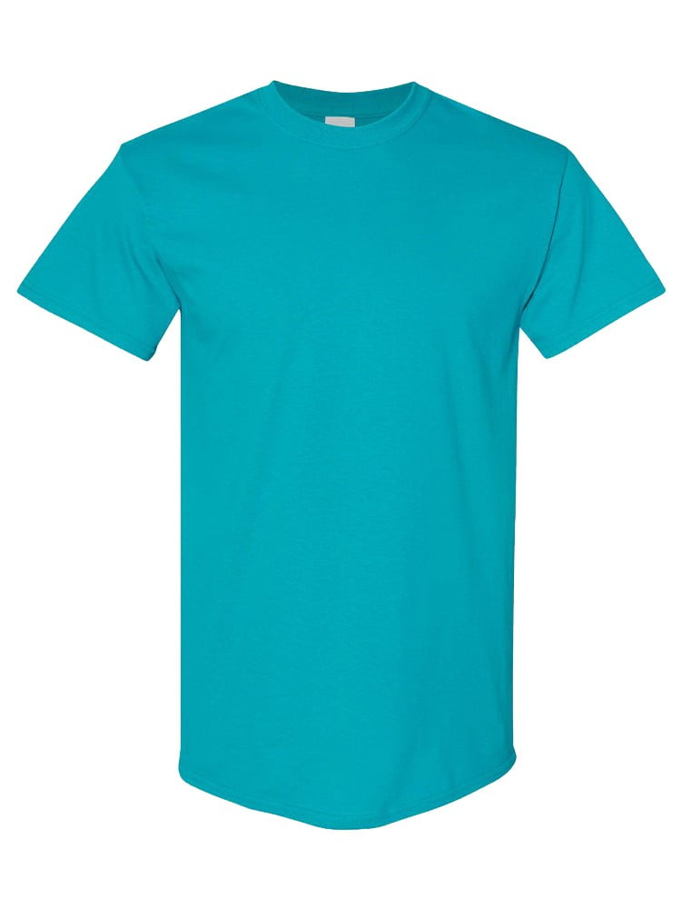
UNGT5N3XL | Gildan - Heavy Cotton Adult T-Shirt | 1 | 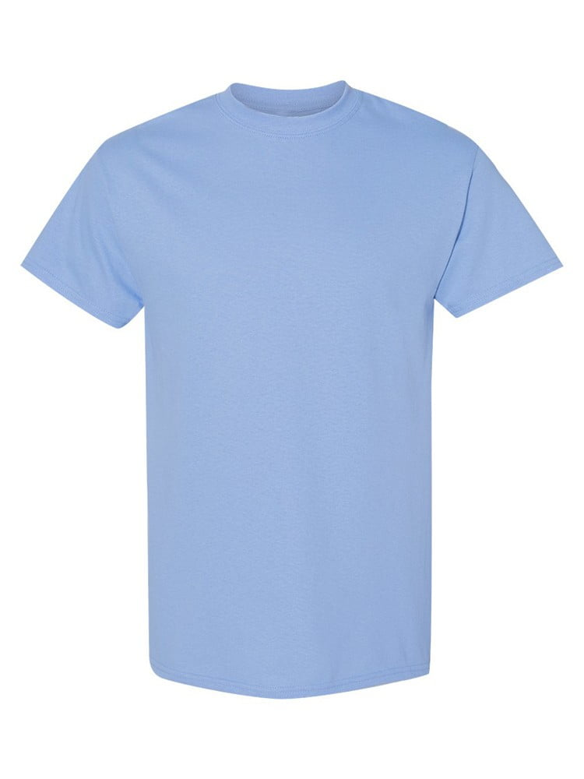
UNGT1B00L | Gildan - Heavy Cotton Adult T-Shirt | 1
UNGT1M00L | Gildan - Heavy Cotton Adult T-Shirt | 1 | 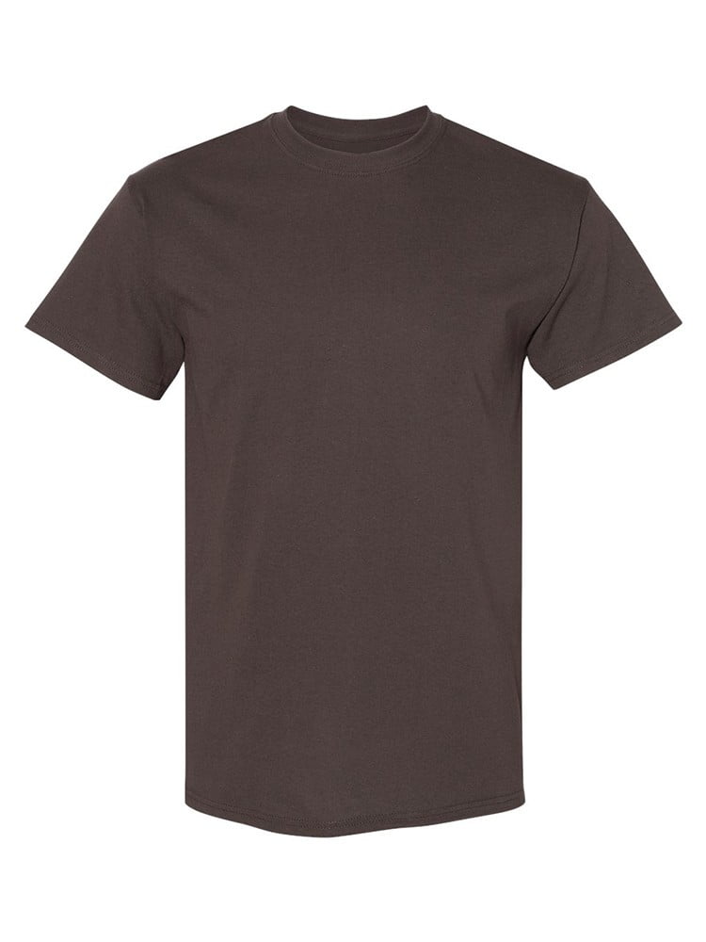
UNGT2K00L | Gildan - Heavy Cotton Adult T-Shirt | 1 | 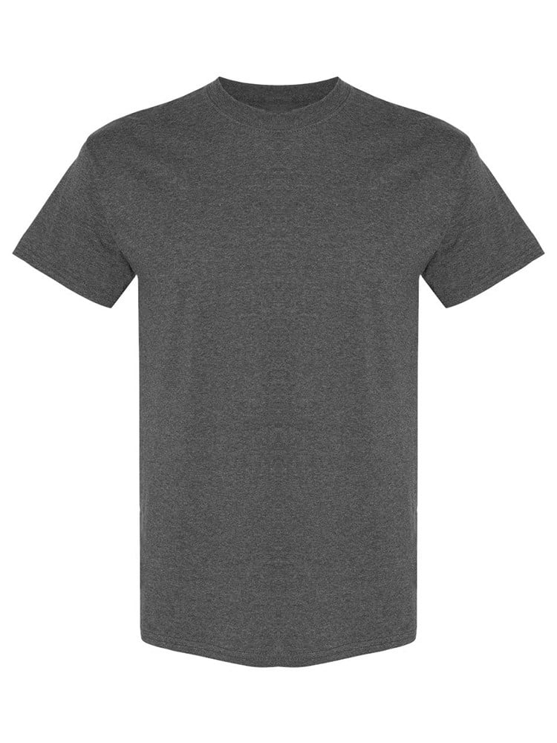
UNGT9N00L | Gildan - Heavy Cotton Adult T-Shirt | 1 | 