Top Designs
SKU | Product Name | Quantity Sold | Image
UNGT1B00M | Gildan - Heavy Cotton Adult T-Shirt | 2 | 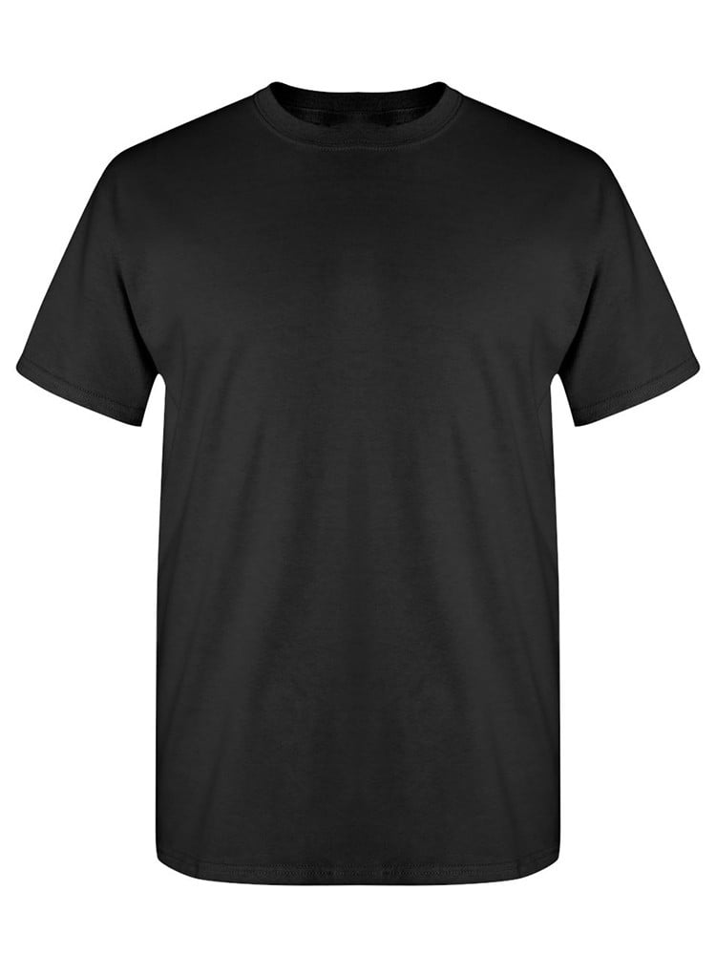
UNGT8C00L | Gildan - Heavy Cotton Adult T-Shirt | 2 | 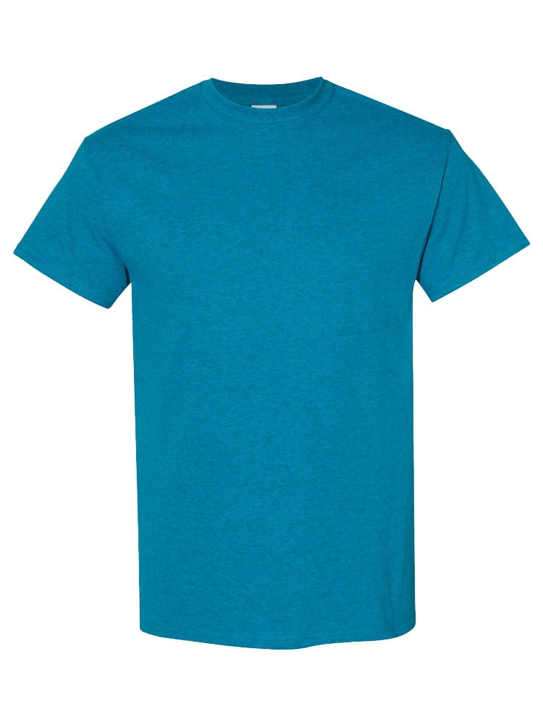
UNGT1M00L | Gildan - Heavy Cotton Adult T-Shirt | 2 | 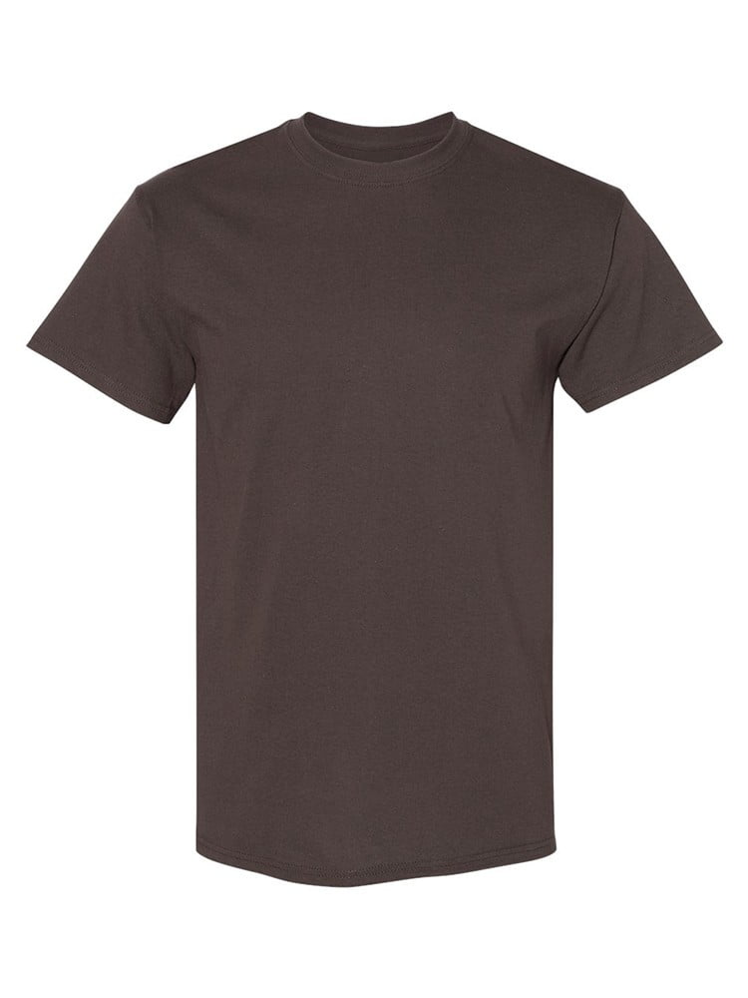
UNGT1M0XL | Gildan - Heavy Cotton Adult T-Shirt | 1
UNGT2K0XL | Gildan - Heavy Cotton Adult T-Shirt | 1 | 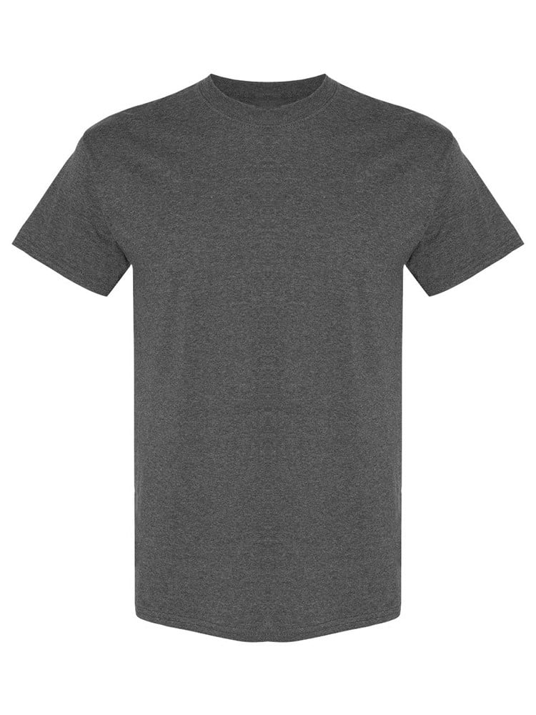
UNGT8C0XL | Gildan - Heavy Cotton Adult T-Shirt | 1
UNGT3O0XL | Gildan - Heavy Cotton Adult T-Shirt | 1 | 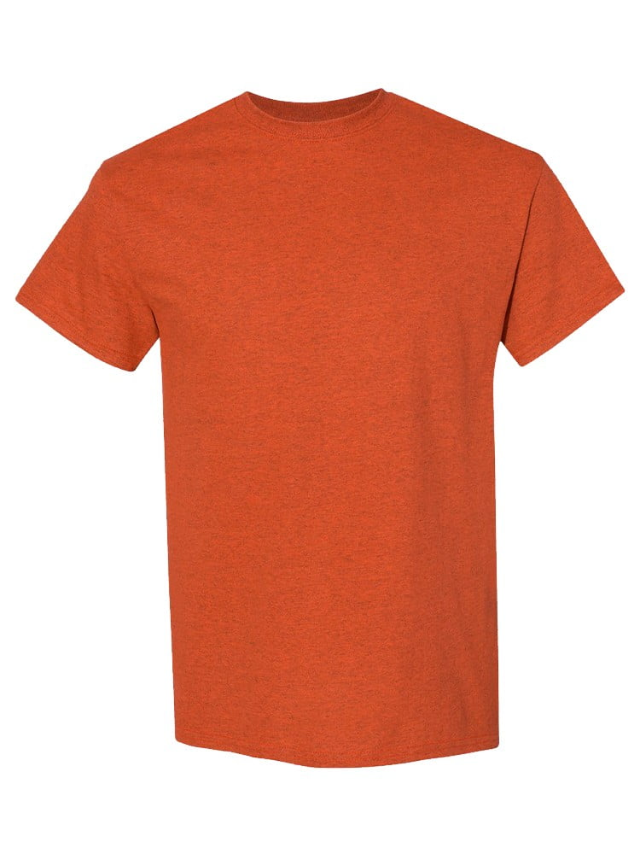
UNGT5N00L | Gildan - Heavy Cotton Adult T-Shirt | 1 | 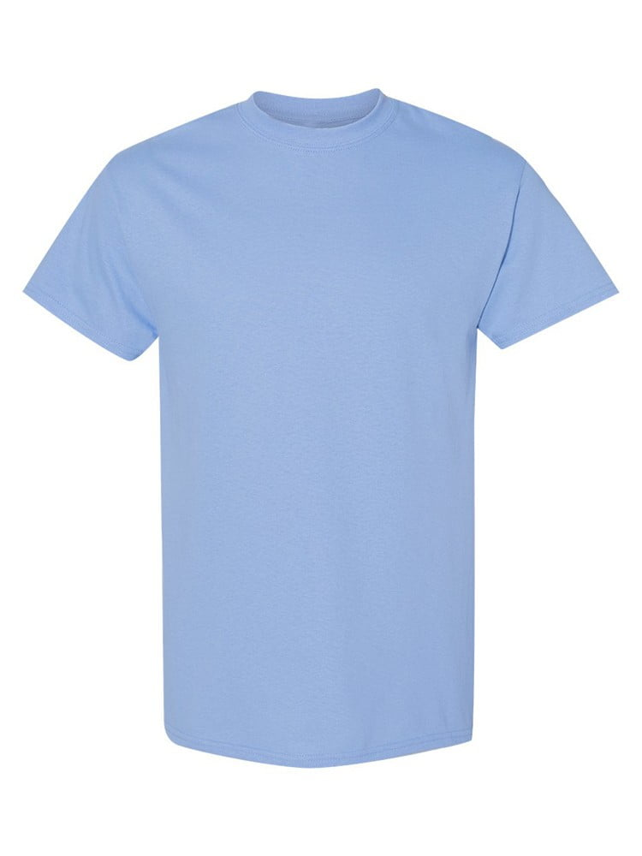
UNGT2S00L | Gildan - Heavy Cotton Adult T-Shirt | 1 | 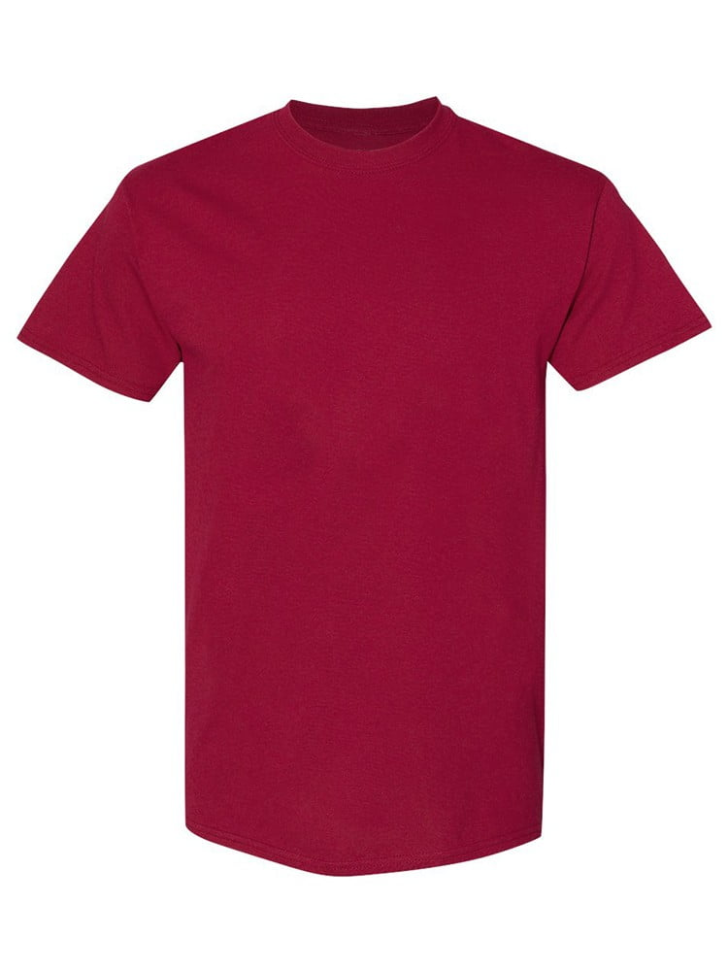
UNGT1N0XL | Gildan - Heavy Cotton Adult T-Shirt | 1 | 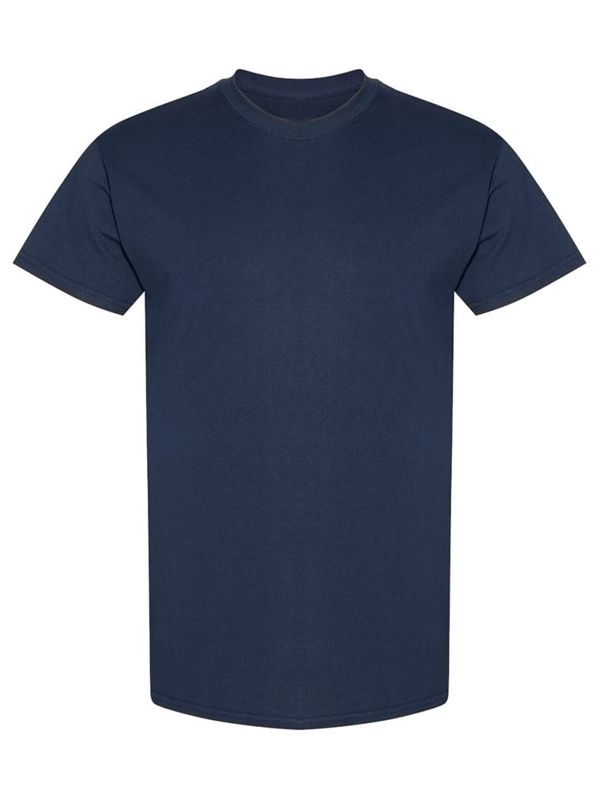
UNGT5R0XL | Gildan - Heavy Cotton Adult T-Shirt | 1 | 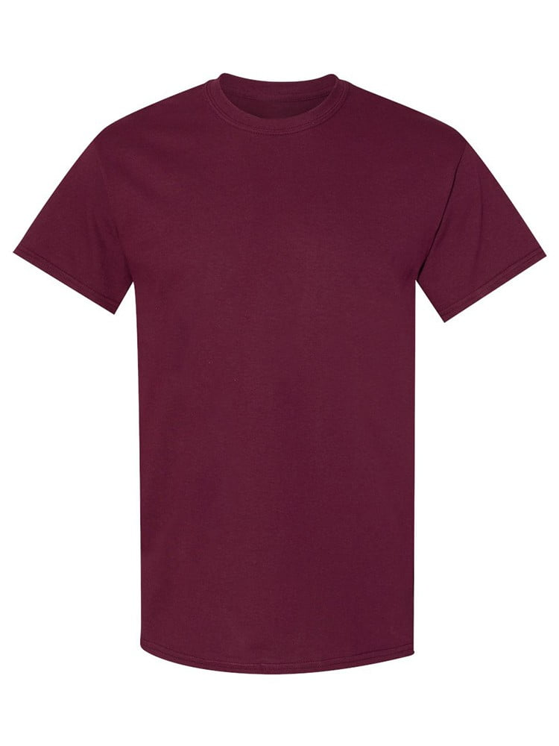
UNGT5P3XL | Gildan - Heavy Cotton Adult T-Shirt | 1 | 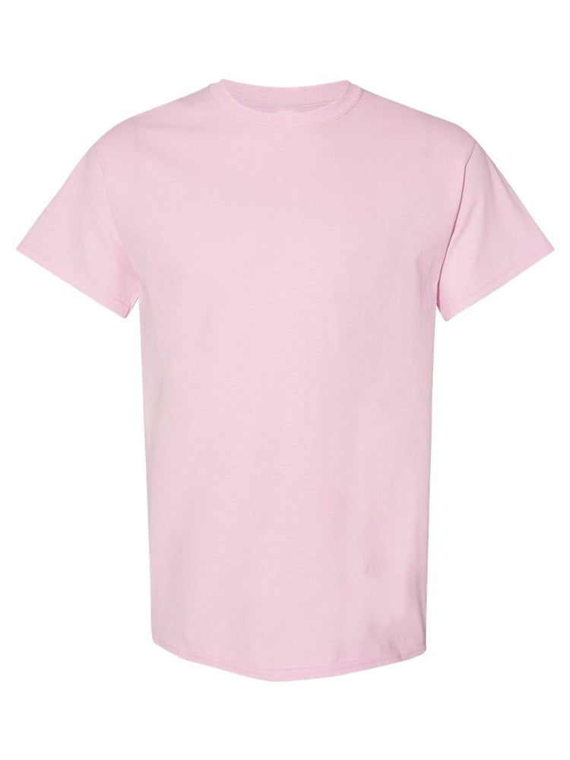
UNGT8P00L | Gildan - Heavy Cotton Adult T-Shirt | 1 | 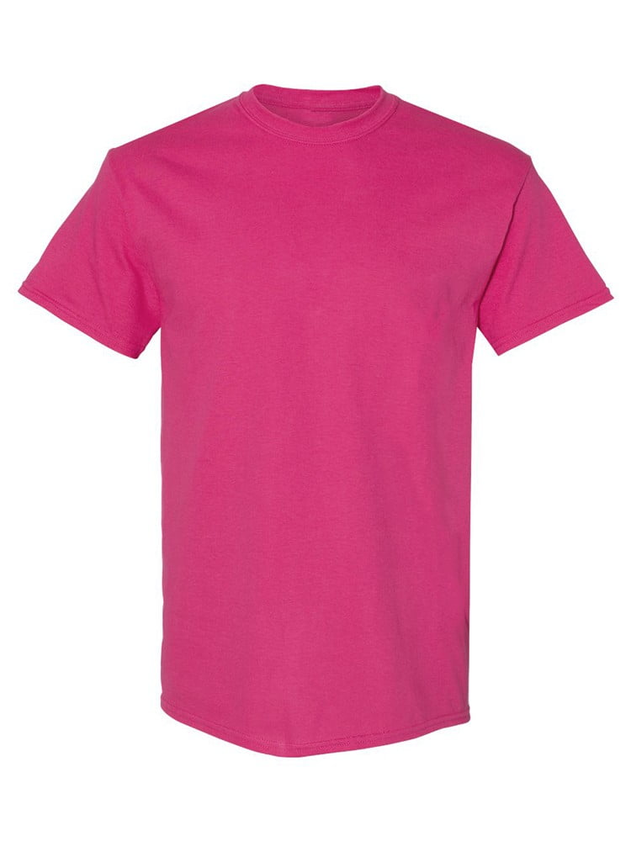
UNGT7Y00L | Gildan - Heavy Cotton Adult T-Shirt | 1 | 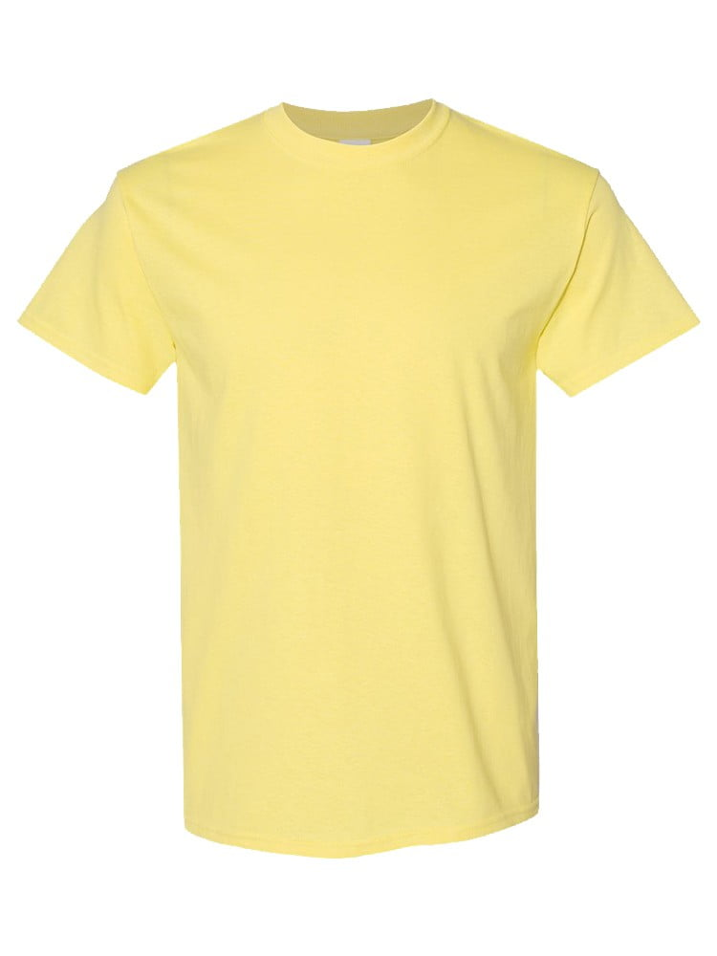
UNGT8K00L | Gildan - Heavy Cotton Adult T-Shirt | 1 | 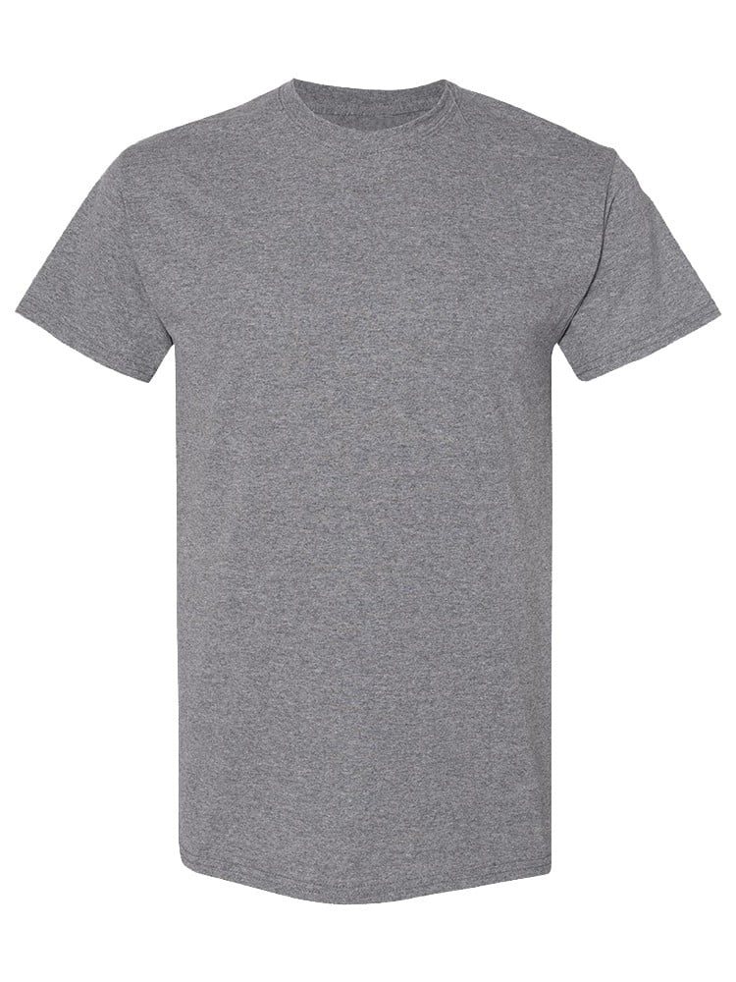
UNGT1E00L | Gildan - Heavy Cotton Adult T-Shirt | 1 | 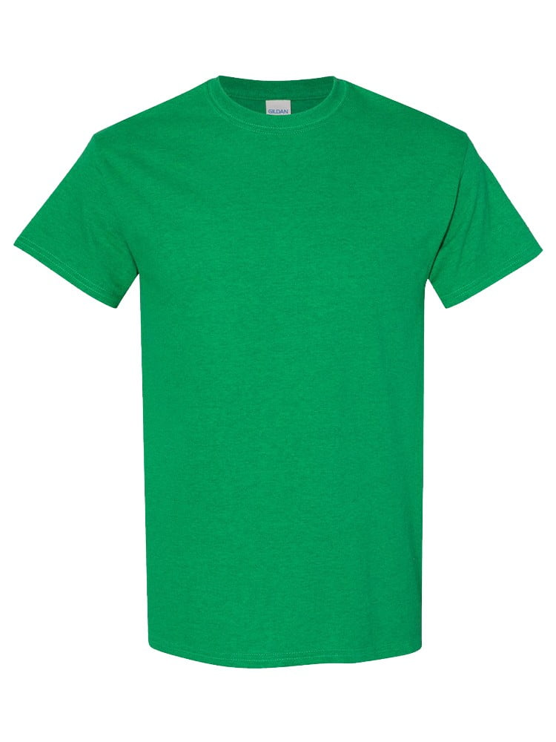
UNGT1B4XL | Gildan - Heavy Cotton Adult T-Shirt | 1

