Top Designs
SKU | Product Name | Quantity Sold | Image
UNGT6P00L | Gildan - Heavy Cotton Adult T-Shirt | 2 | 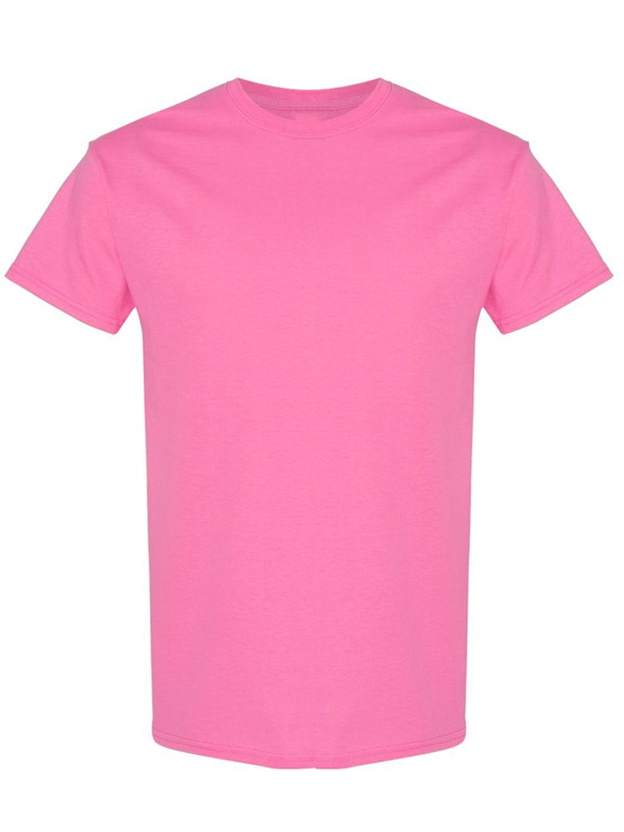
UNGT5N00S | Gildan - Heavy Cotton Adult T-Shirt | 1 | 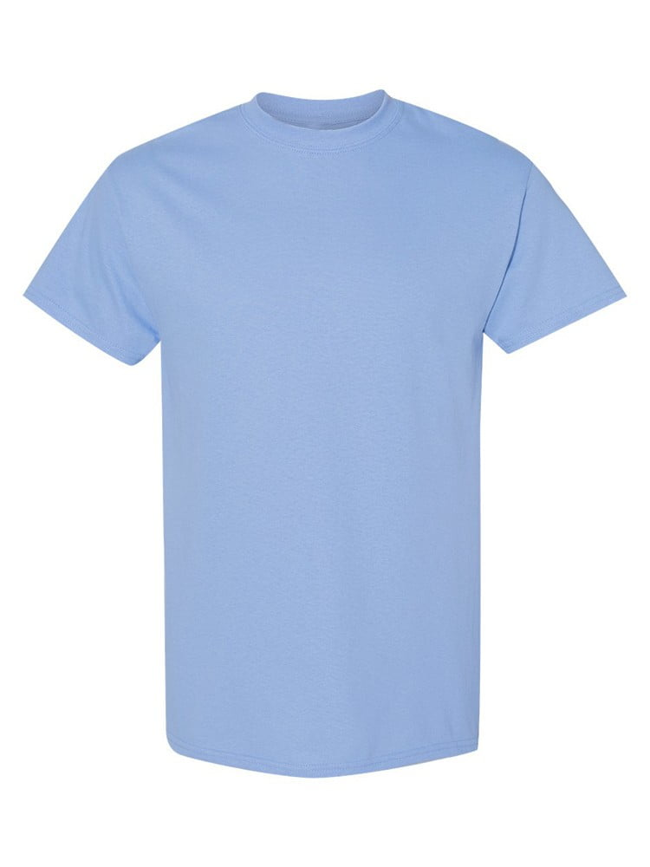
UNGT1Q3XL | Gildan - Heavy Cotton Adult T-Shirt | 1 | 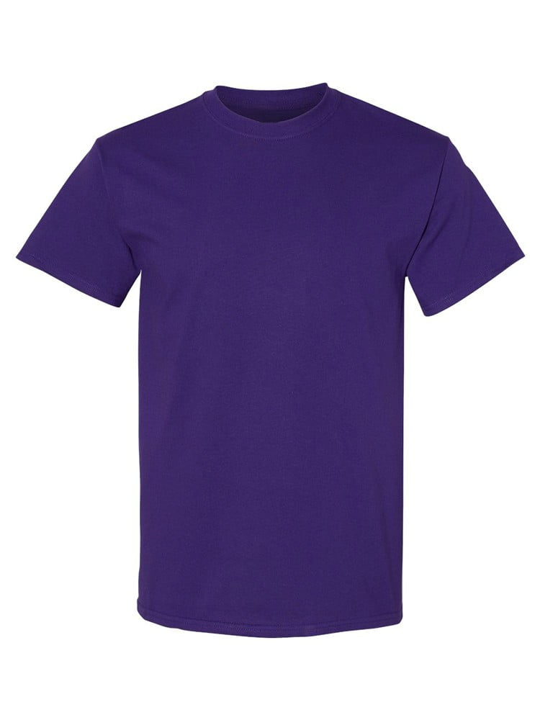
UNGT1W5XL | Gildan - Heavy Cotton Adult T-Shirt | 1 | 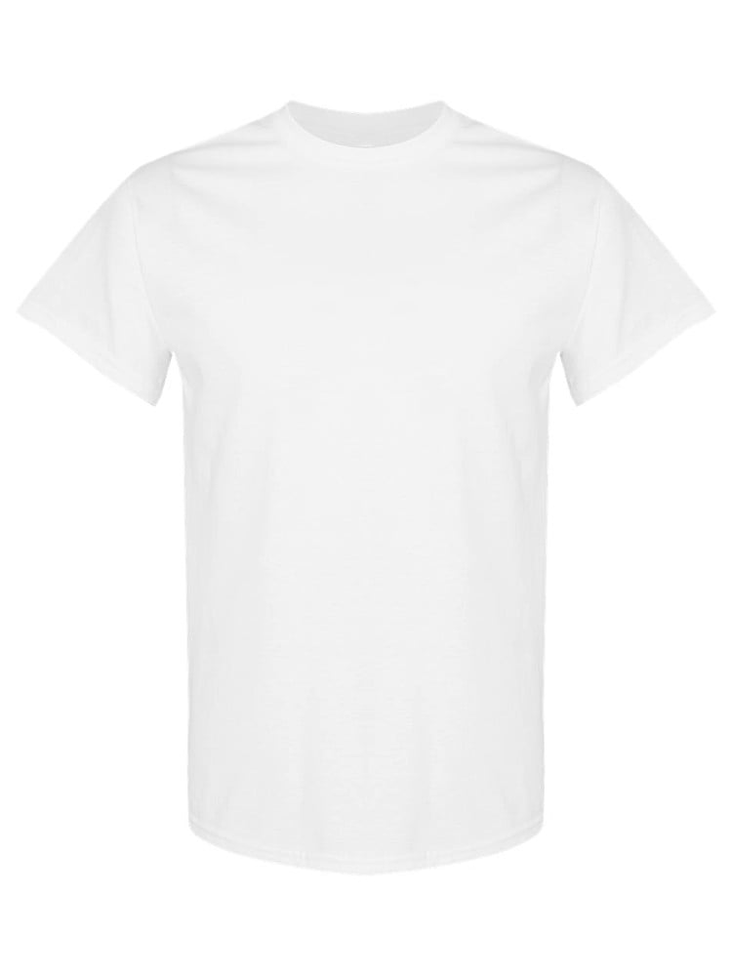
UNGT8C00L | Gildan - Heavy Cotton Adult T-Shirt | 1 | 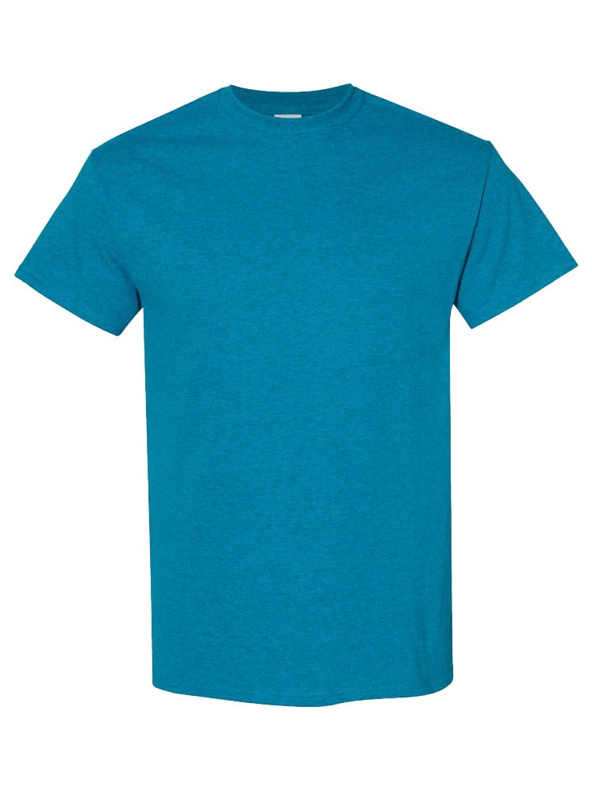
UNGT2S00L | Gildan - Heavy Cotton Adult T-Shirt | 1 | 