Top Designs
SKU | Product Name | Quantity Sold | Image
UNGT1B5XL | Gildan - Heavy Cotton Adult T-Shirt | 2 | 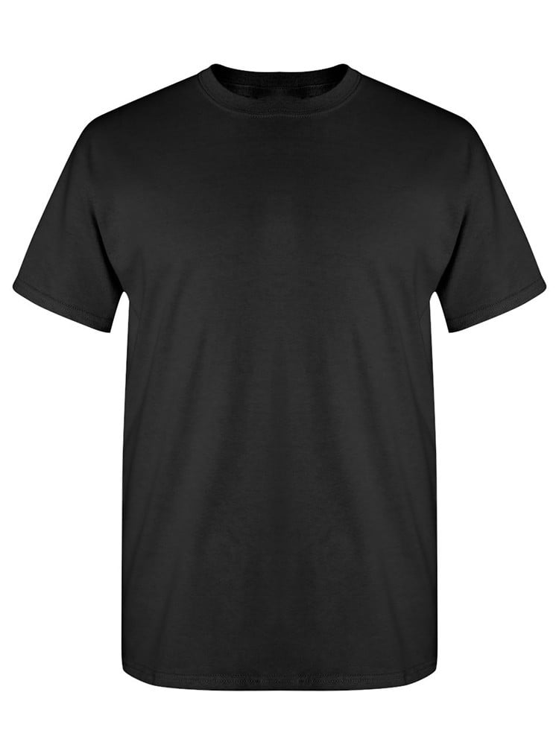
UNGT1N5XL | Gildan - Heavy Cotton Adult T-Shirt | 2 | 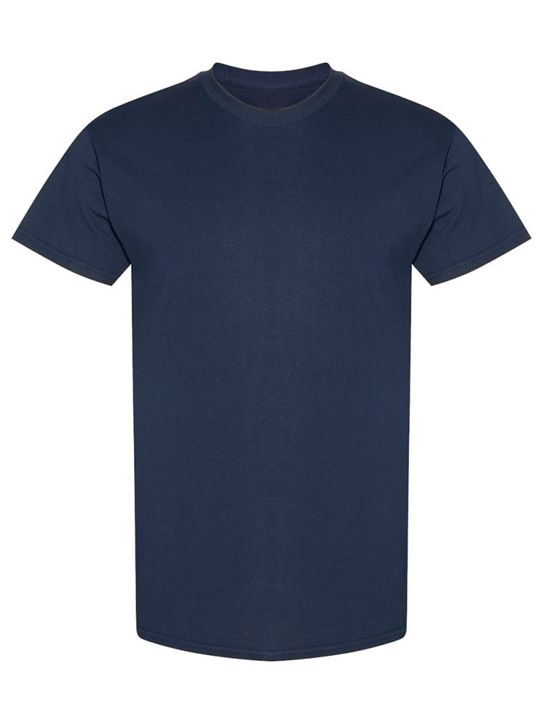
UNGT5N00L | Gildan - Heavy Cotton Adult T-Shirt | 2 | 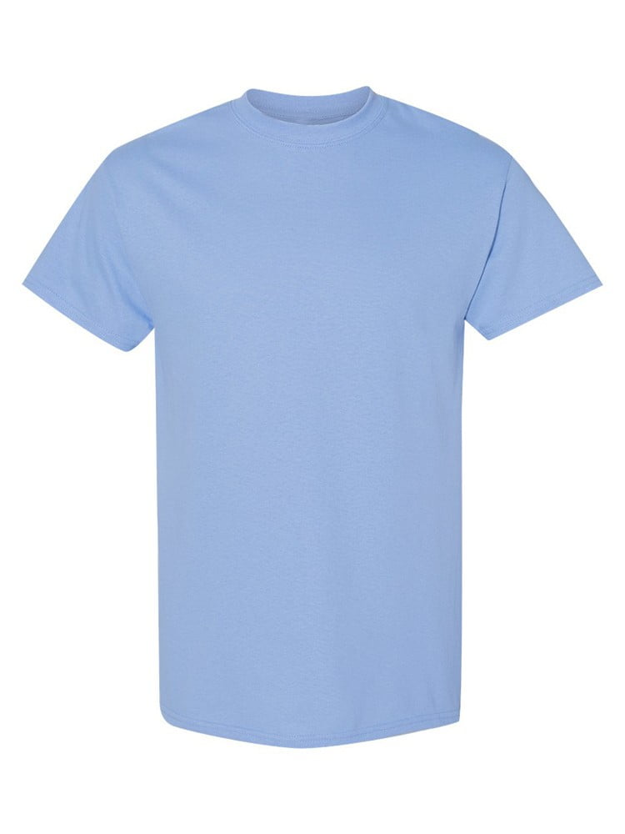
UNGT1B4XL | Gildan - Heavy Cotton Adult T-Shirt | 1
UNGT5P00S | Gildan - Heavy Cotton Adult T-Shirt | 1 | 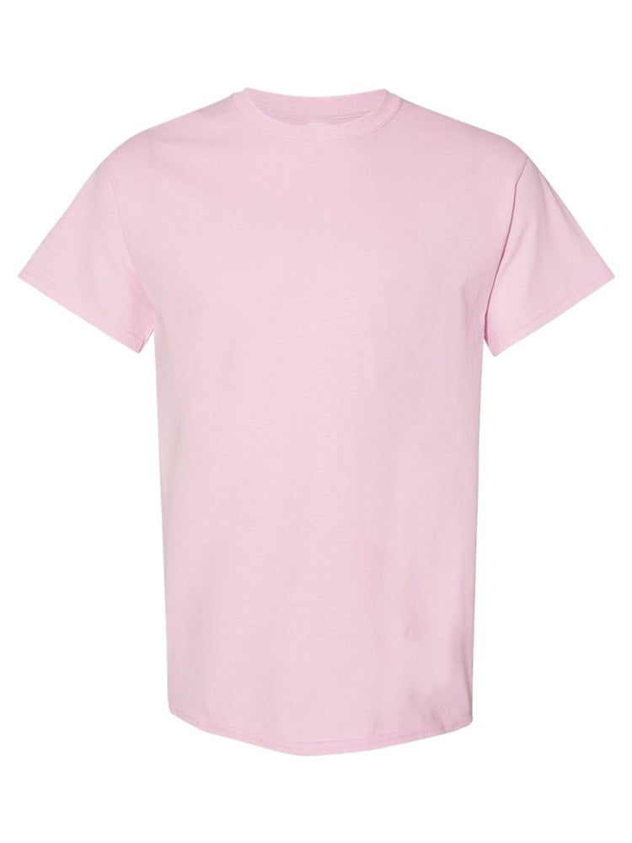
UNGT5P00L | Gildan - Heavy Cotton Adult T-Shirt | 1

