Top Designs
SKU | Product Name | Quantity Sold | Image
UNGT1B4XL | Gildan - Heavy Cotton Adult T-Shirt | 3 | 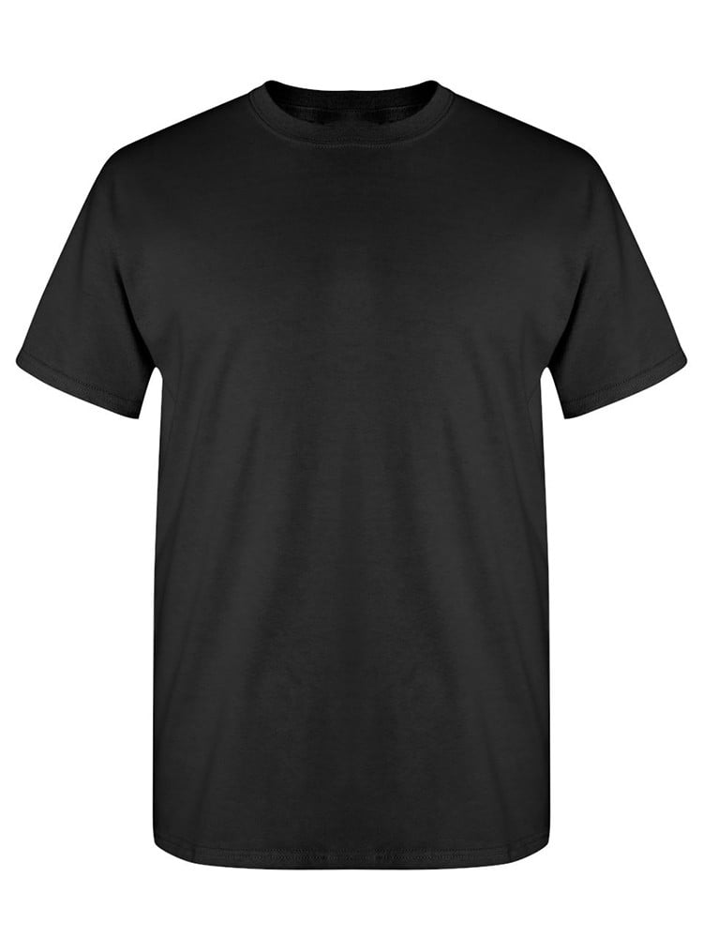
UNGT1Q2XL | Gildan - Heavy Cotton Adult T-Shirt | 3 | 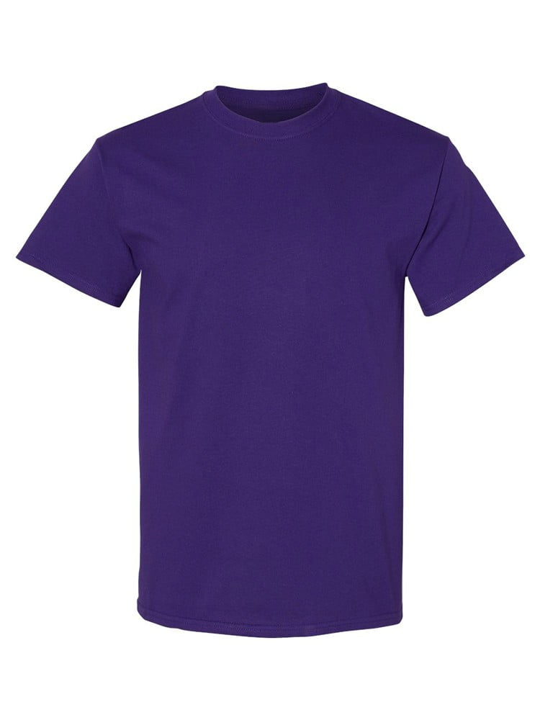
UNGT7Y00M | Gildan - Heavy Cotton Adult T-Shirt | 2 | 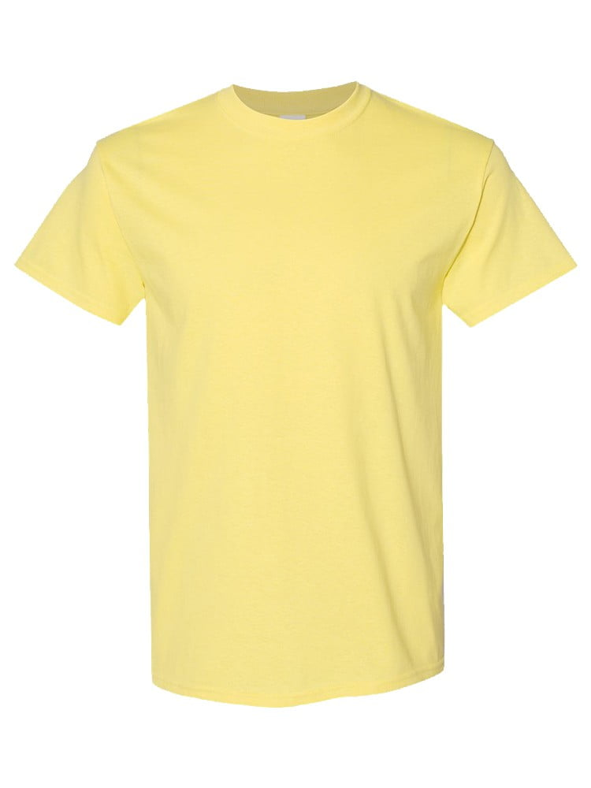
UNGT1M4XL | Gildan - Heavy Cotton Adult T-Shirt | 2 | 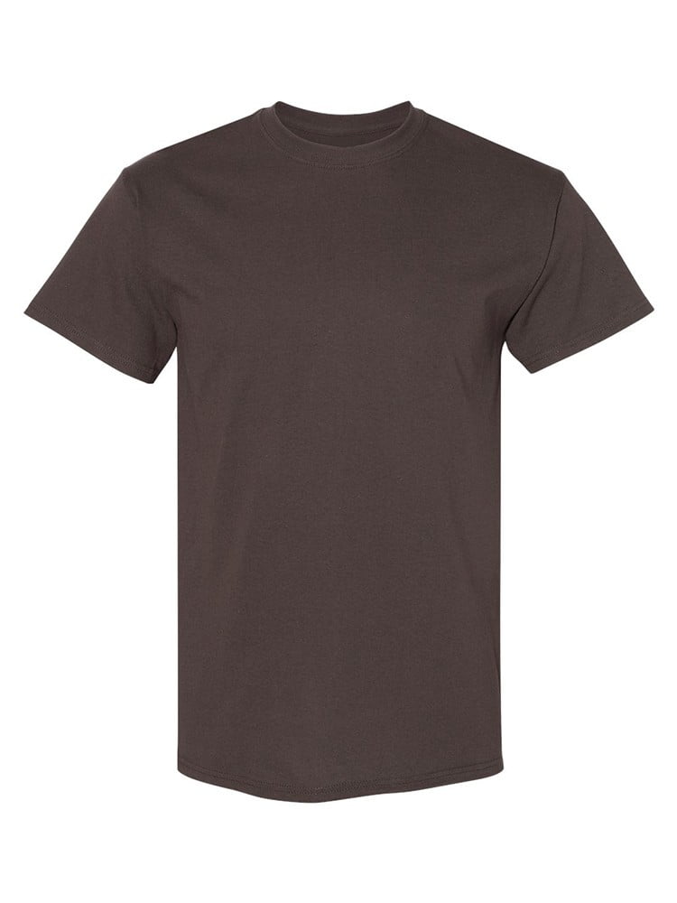
UNGT1W4XL | Gildan - Heavy Cotton Adult T-Shirt | 2 | 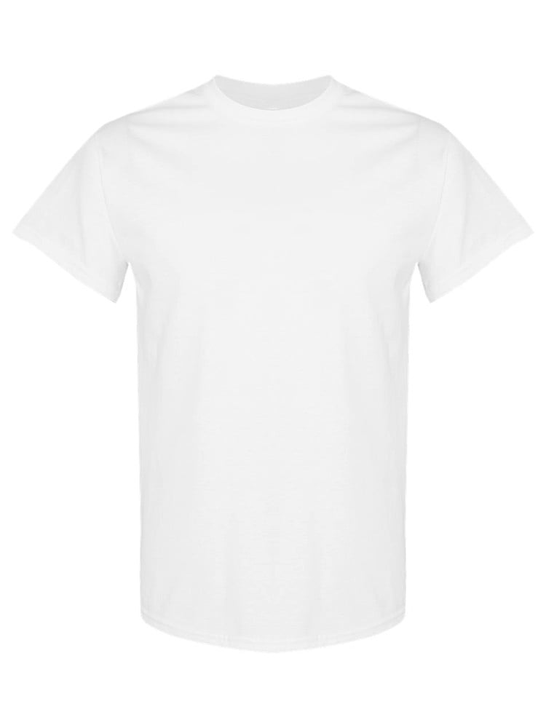
UNGT1N0XL | Gildan - Heavy Cotton Adult T-Shirt | 1 | 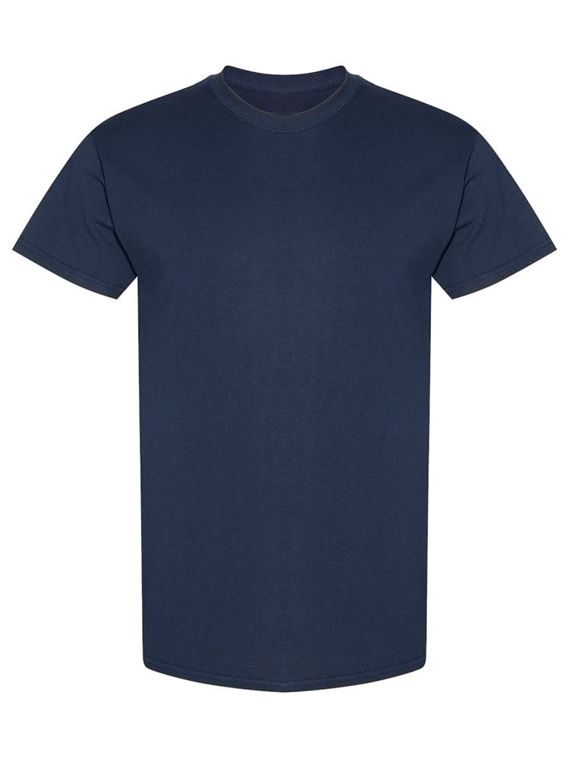
UNGT1Q0XL | Gildan - Heavy Cotton Adult T-Shirt | 1
UNGT1D0XL | Gildan - Heavy Cotton Adult T-Shirt | 1 | 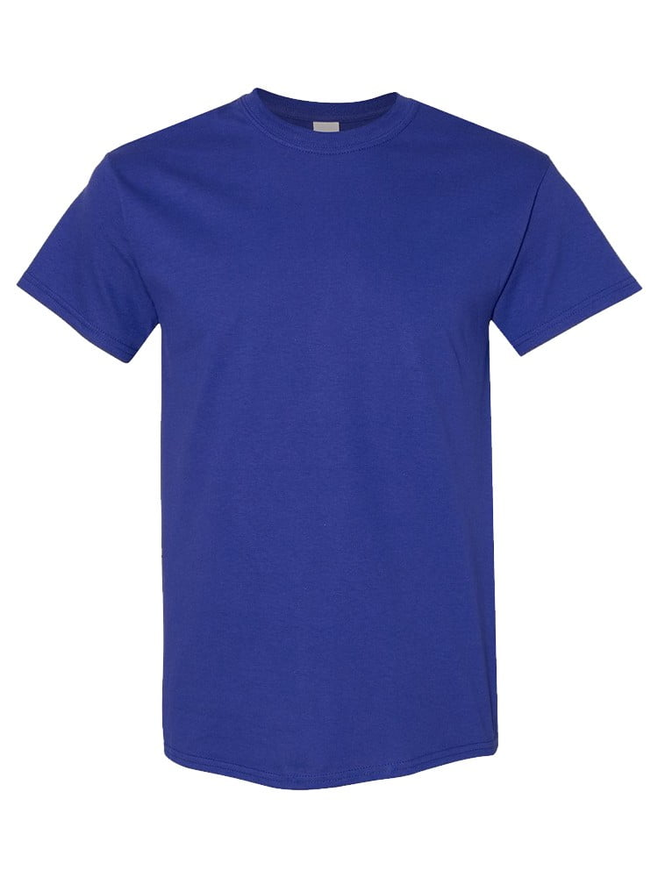
UNGT8C0XL | Gildan - Heavy Cotton Adult T-Shirt | 1 | 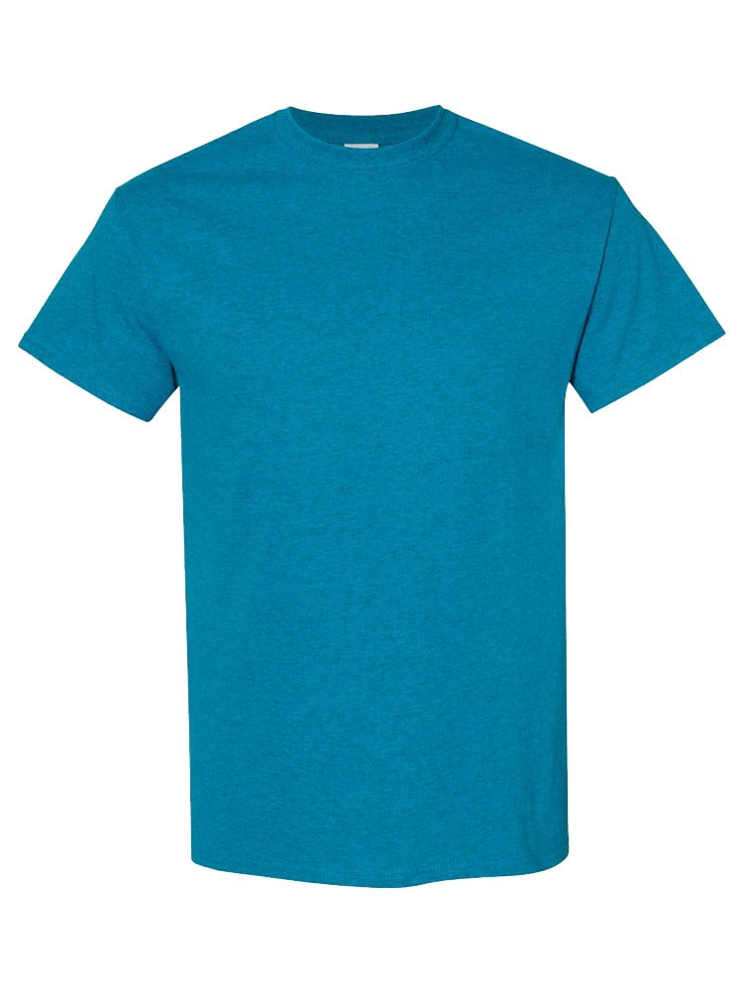
UNGT5R0XL | Gildan - Heavy Cotton Adult T-Shirt | 1 | 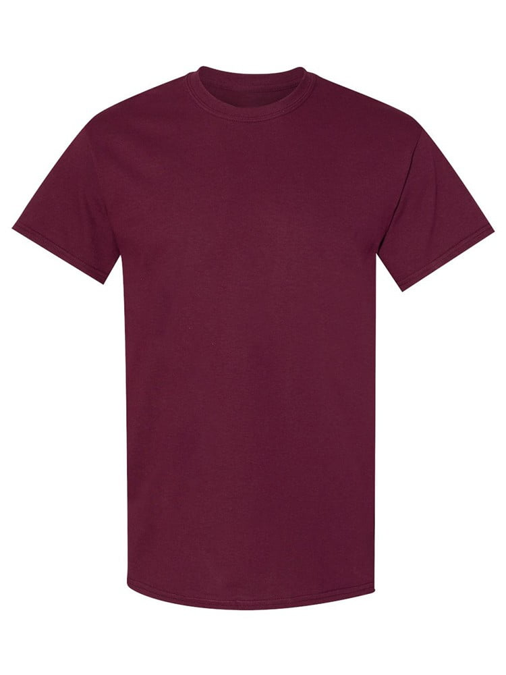
UNGTT20XL | Gildan - Heavy Cotton Adult T-Shirt | 1 | 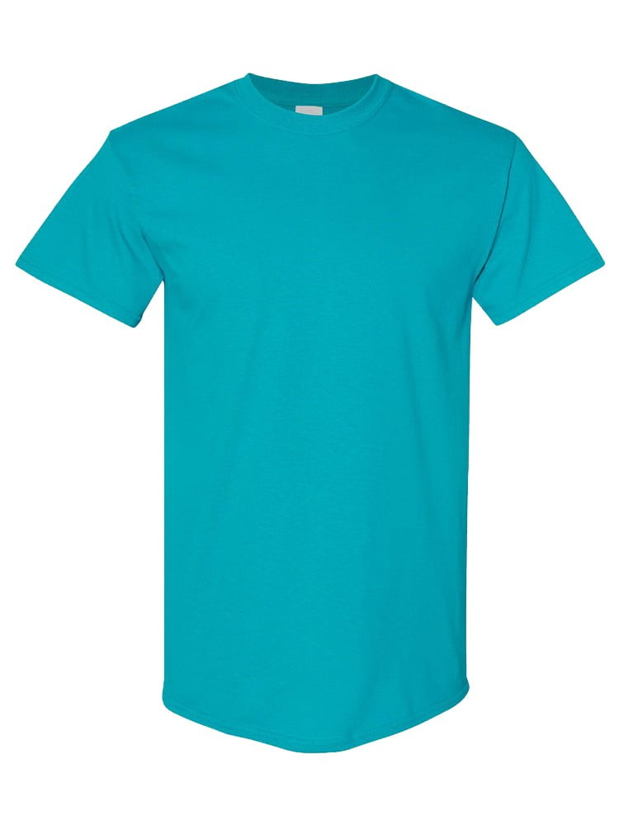
UNGT1R0XL | Gildan - Heavy Cotton Adult T-Shirt | 1 | 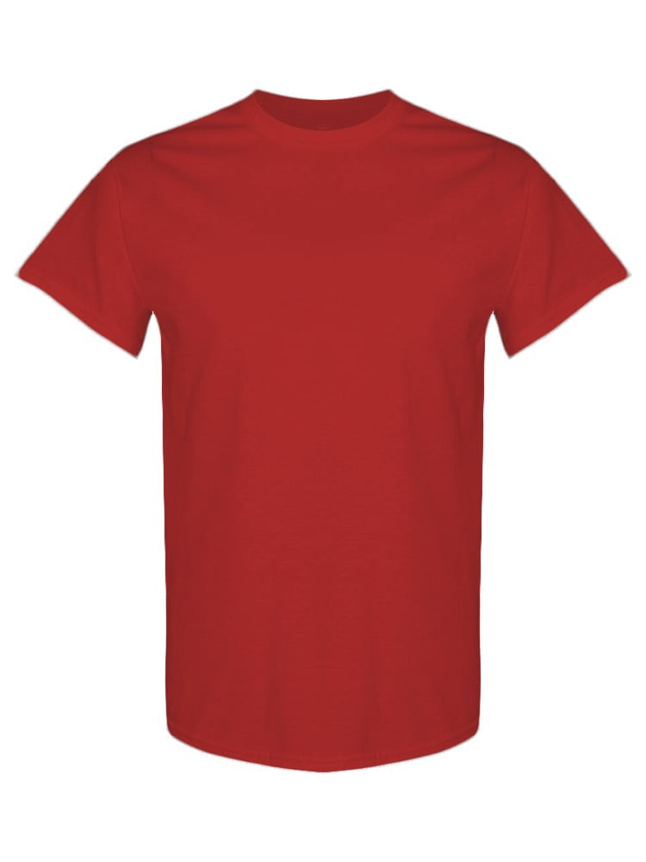
UNGT1N4XL | Gildan - Heavy Cotton Adult T-Shirt | 1
UNGT3F4XL | Gildan - Heavy Cotton Adult T-Shirt | 1 | 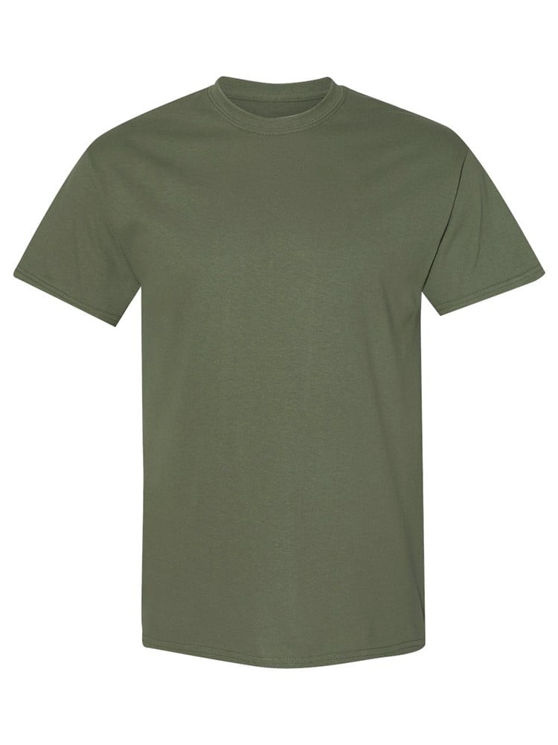
UNGT5B4XL | Gildan - Heavy Cotton Adult T-Shirt | 1 | 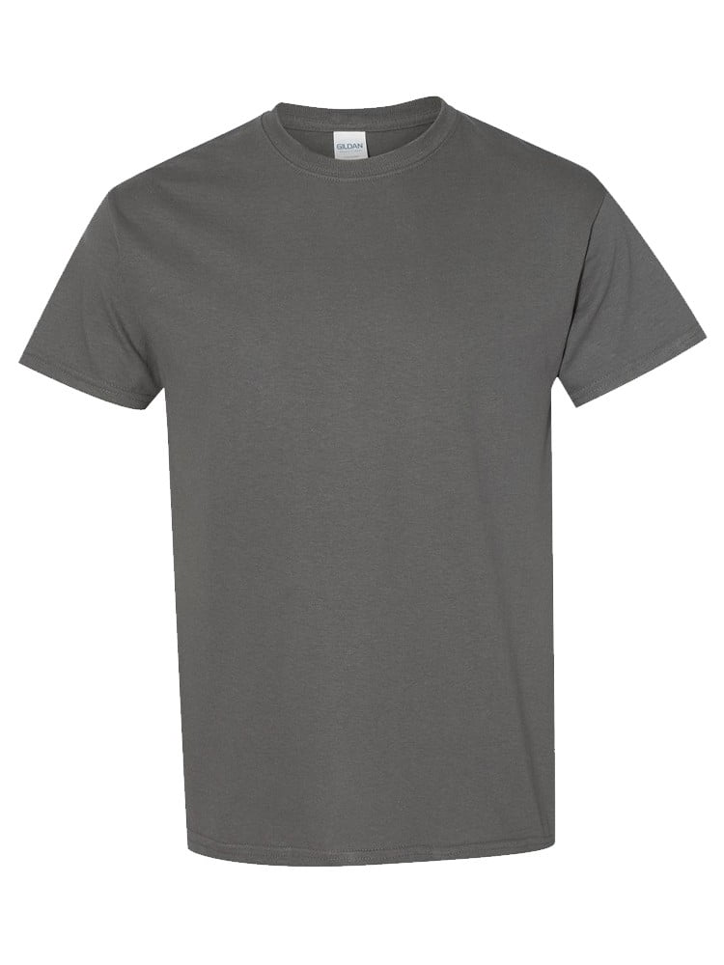
UNGT7Y00L | Gildan - Heavy Cotton Adult T-Shirt | 1
UNGT1D00L | Gildan - Heavy Cotton Adult T-Shirt | 1
UNGT5B00L | Gildan - Heavy Cotton Adult T-Shirt | 1
UNGT2S00L | Gildan - Heavy Cotton Adult T-Shirt | 1 | 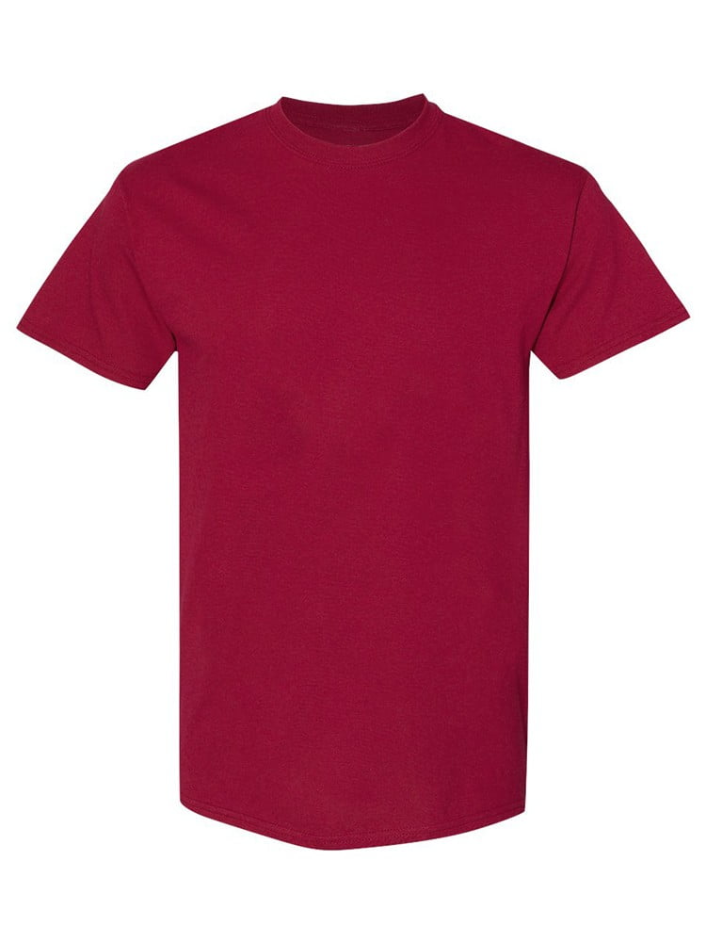
UNGT2K00L | Gildan - Heavy Cotton Adult T-Shirt | 1 | 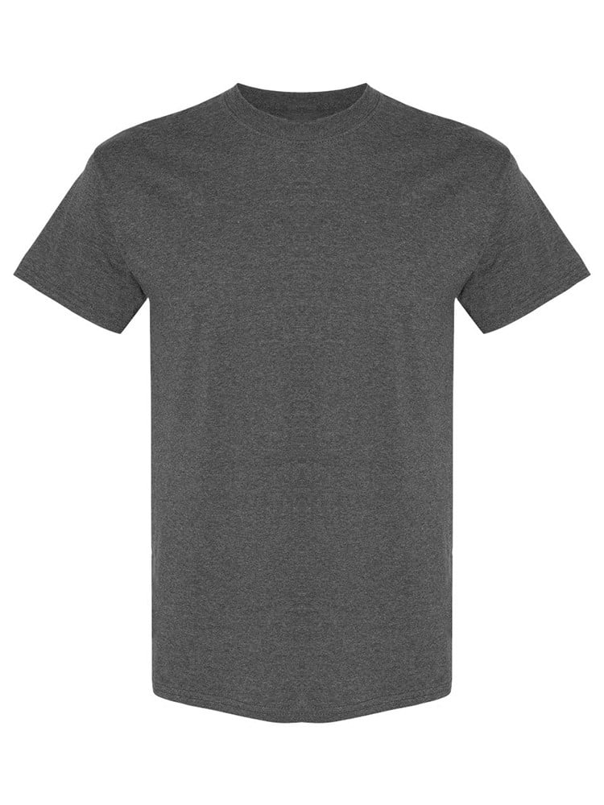
UNGT7C00L | Gildan - Heavy Cotton Adult T-Shirt | 1 | 