Top Designs
SKU | Product Name | Quantity Sold | Image
UNGT2K0XL | Gildan - Heavy Cotton Adult T-Shirt | 1 | 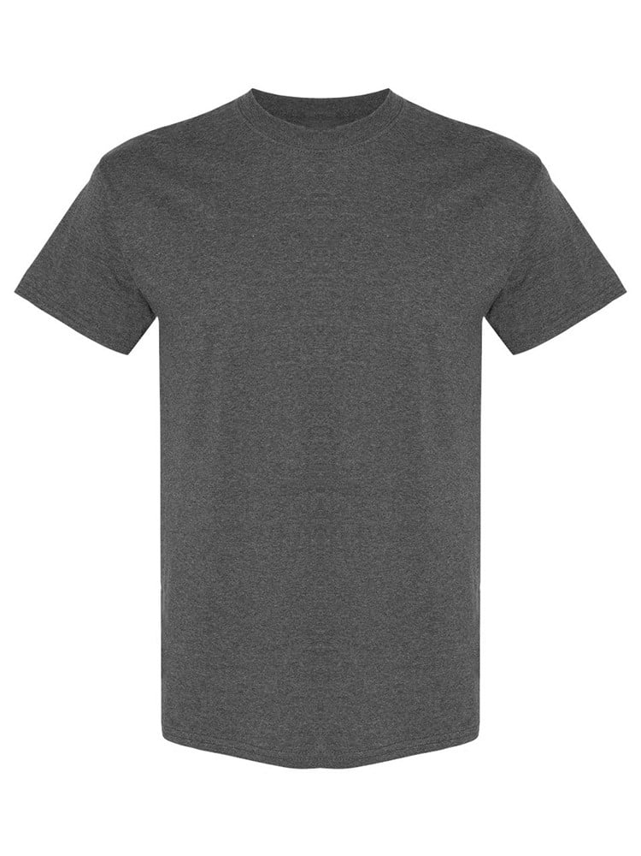
UNGT3G3XL | Gildan - Heavy Cotton Adult T-Shirt | 1 | 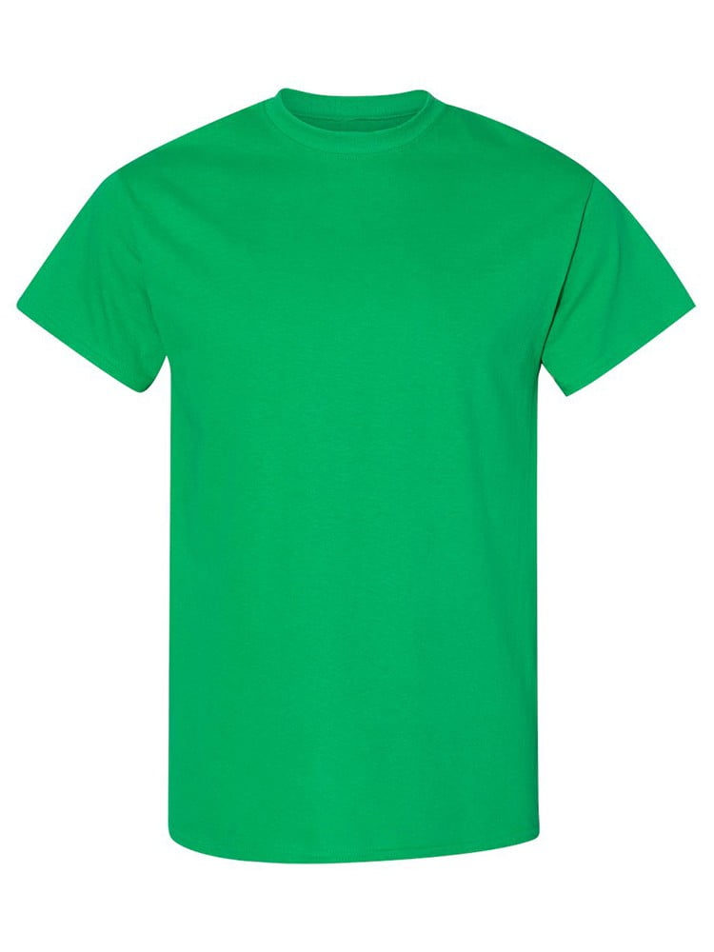
UNGT3O3XL | Gildan - Heavy Cotton Adult T-Shirt | 1 | 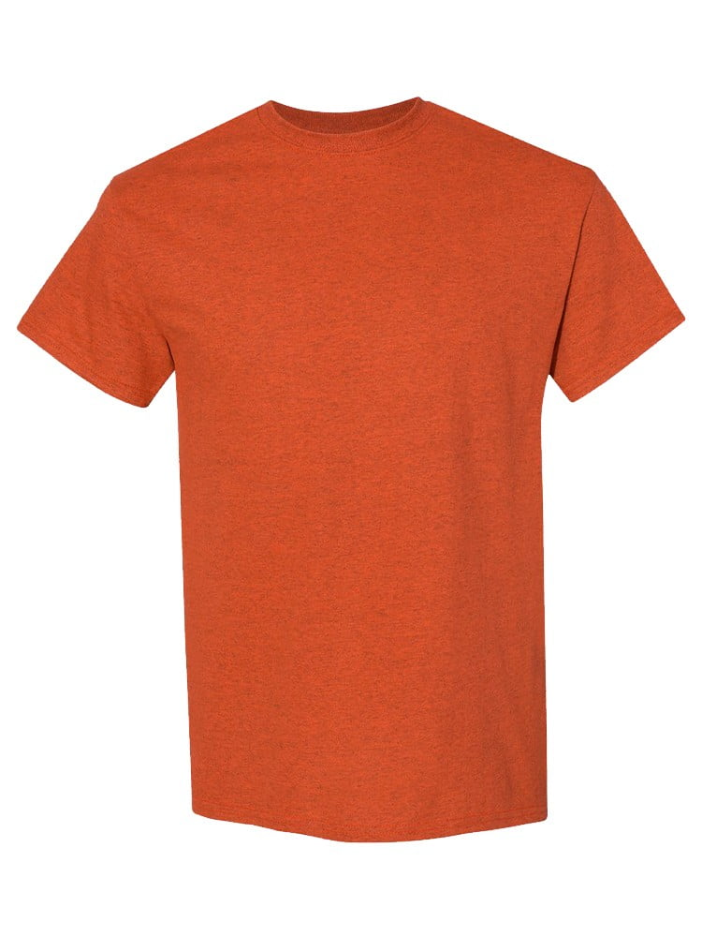
UNGT1E2XL | Gildan - Heavy Cotton Adult T-Shirt | 1 | 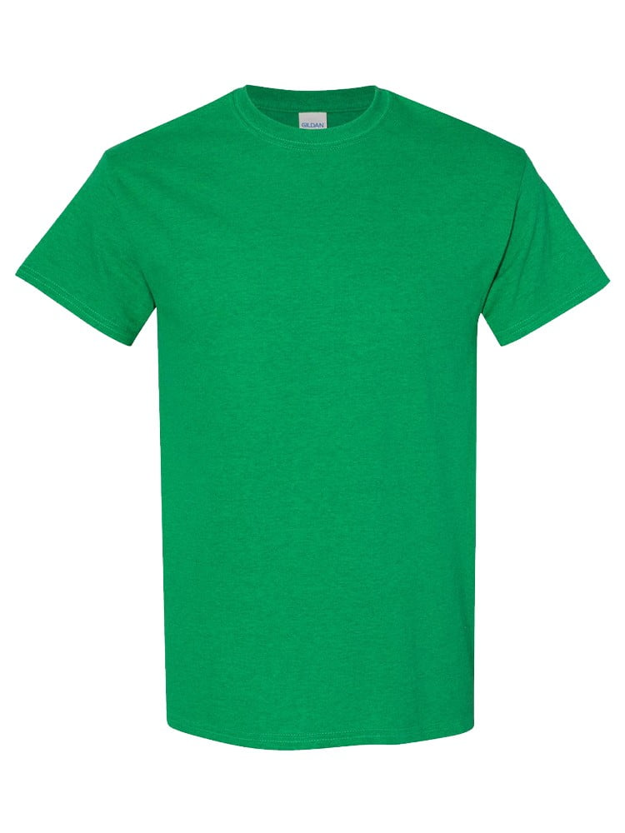
UNGT2S2XL | Gildan - Heavy Cotton Adult T-Shirt | 1 | 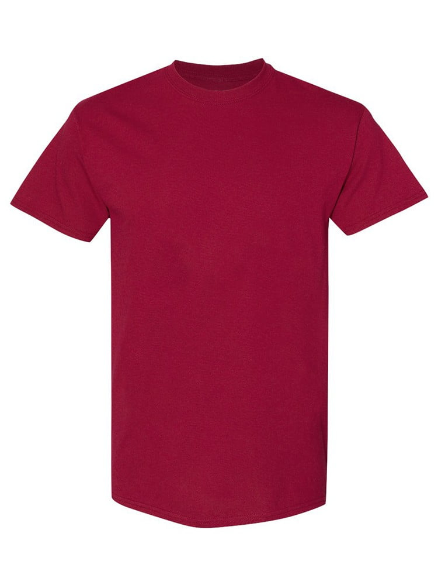
UNGT2S00L | Gildan - Heavy Cotton Adult T-Shirt | 1
UNGT1B00L | Gildan - Heavy Cotton Adult T-Shirt | 1 | 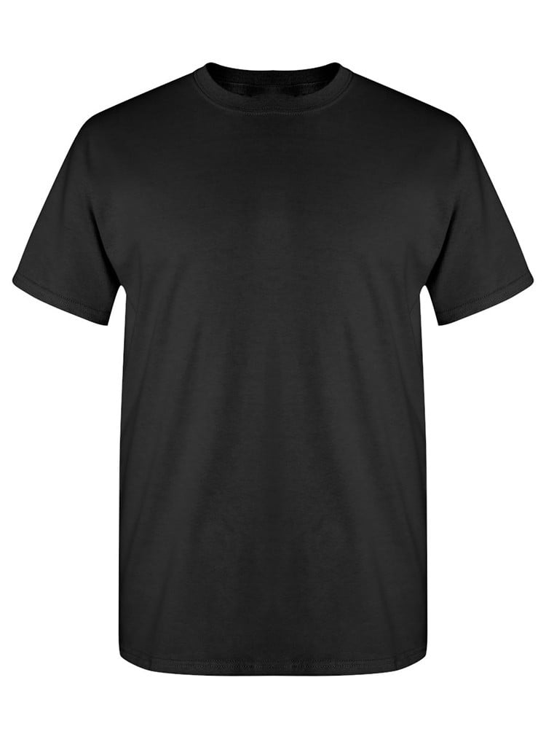
UNGT1M00L | Gildan - Heavy Cotton Adult T-Shirt | 1 | 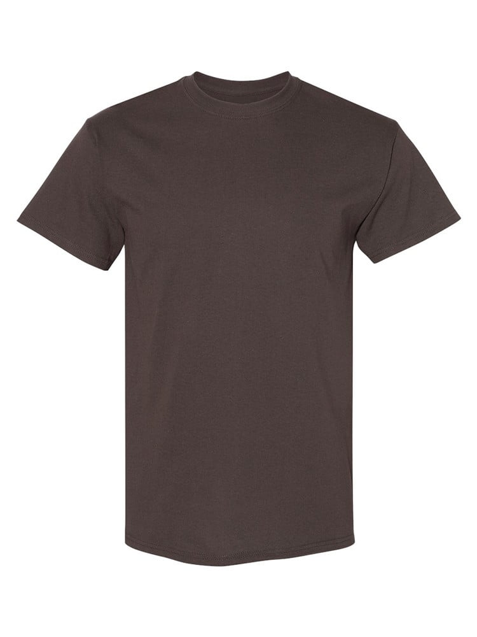
UNGT6P2XL | Gildan - Heavy Cotton Adult T-Shirt | 1 | 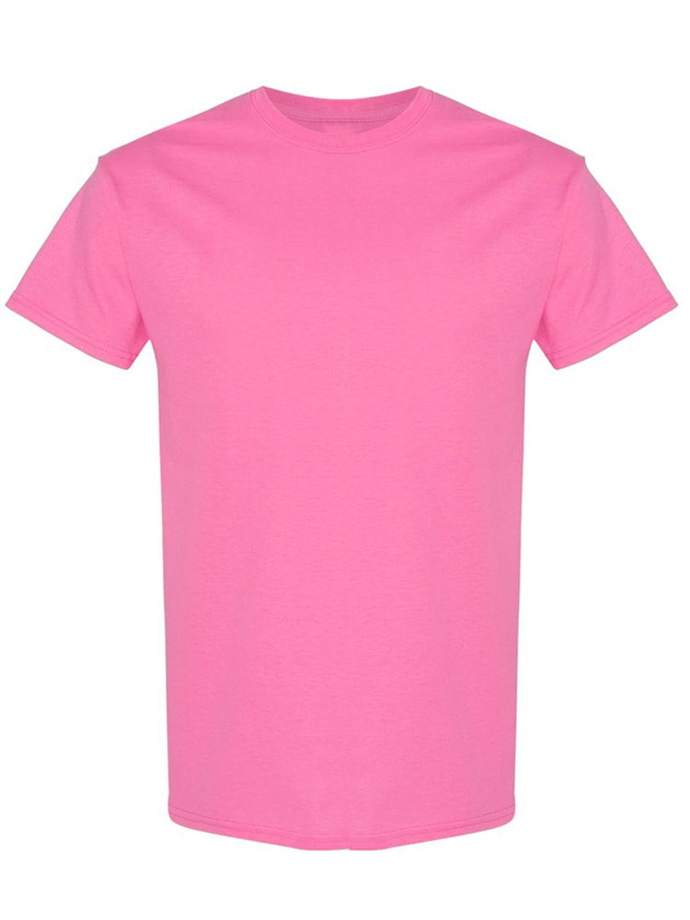
UNGT9N5XL | Gildan - Heavy Cotton Adult T-Shirt | 1 | 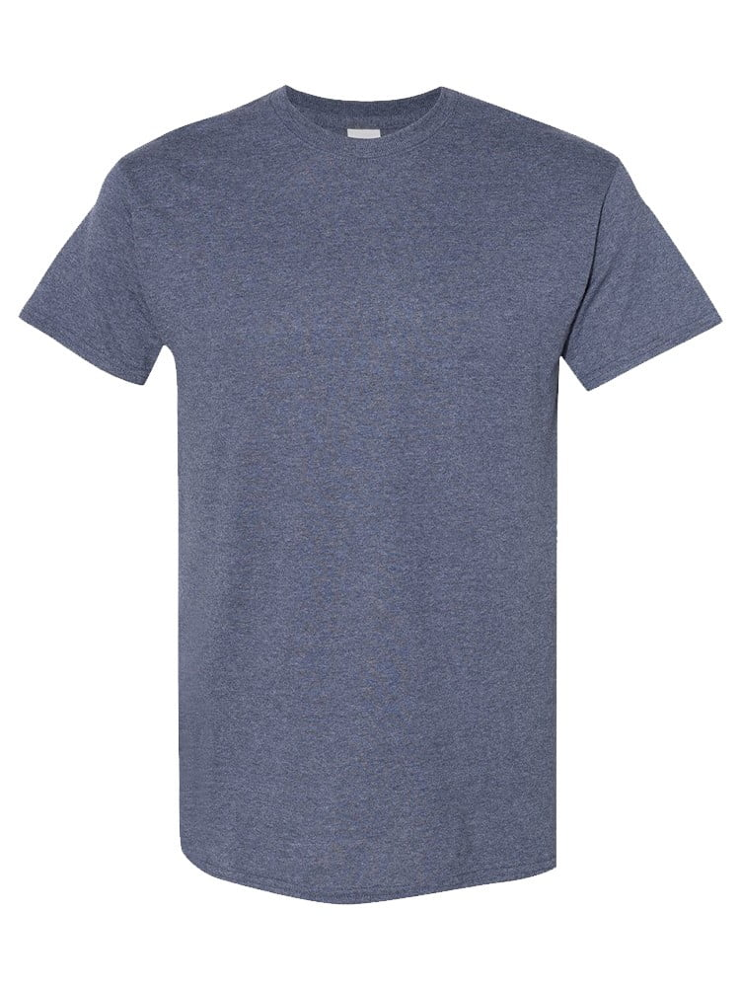
UNGT9N0XL | Gildan - Heavy Cotton Adult T-Shirt | 1
UNGT2K4XL | Gildan - Heavy Cotton Adult T-Shirt | 1
UNGT5N0XL | Gildan - Heavy Cotton Adult T-Shirt | 1 | 