Top Designs
SKU | Product Name | Quantity Sold | Image
UNGT5B3XL | Gildan - Heavy Cotton Adult T-Shirt | 2 | 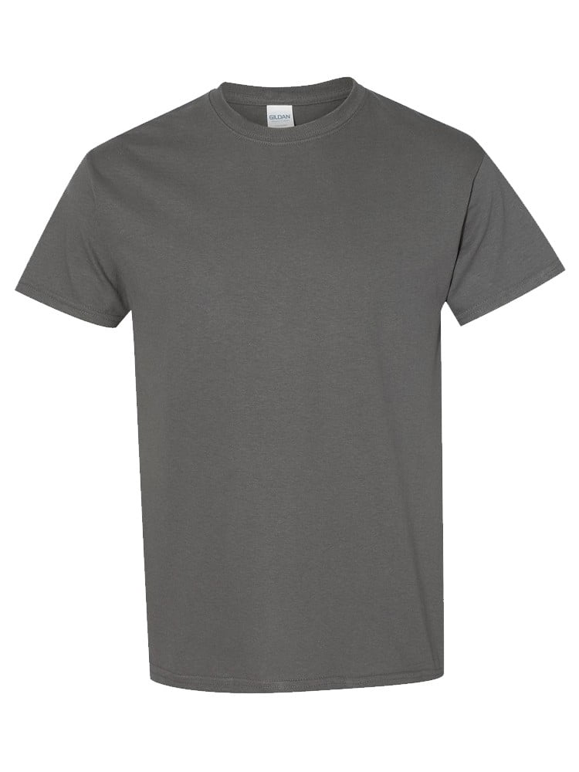
UNGT7C4XL | Gildan - Heavy Cotton Adult T-Shirt | 1 | 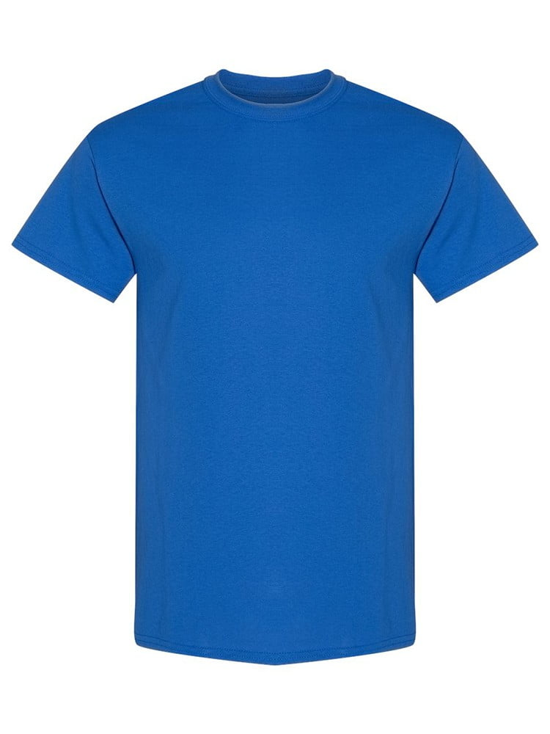
UNGT3F4XL | Gildan - Heavy Cotton Adult T-Shirt | 1 | 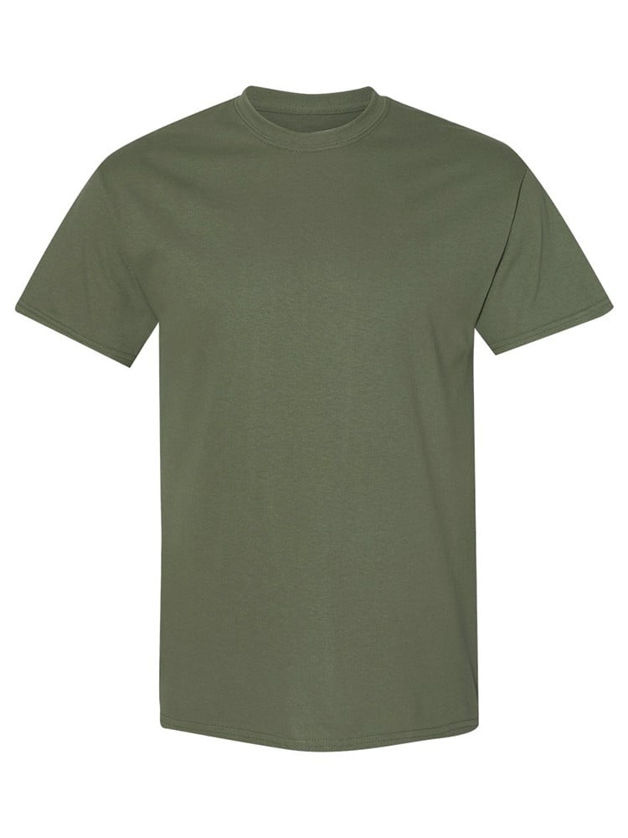
UNGT2S4XL | Gildan - Heavy Cotton Adult T-Shirt | 1 | 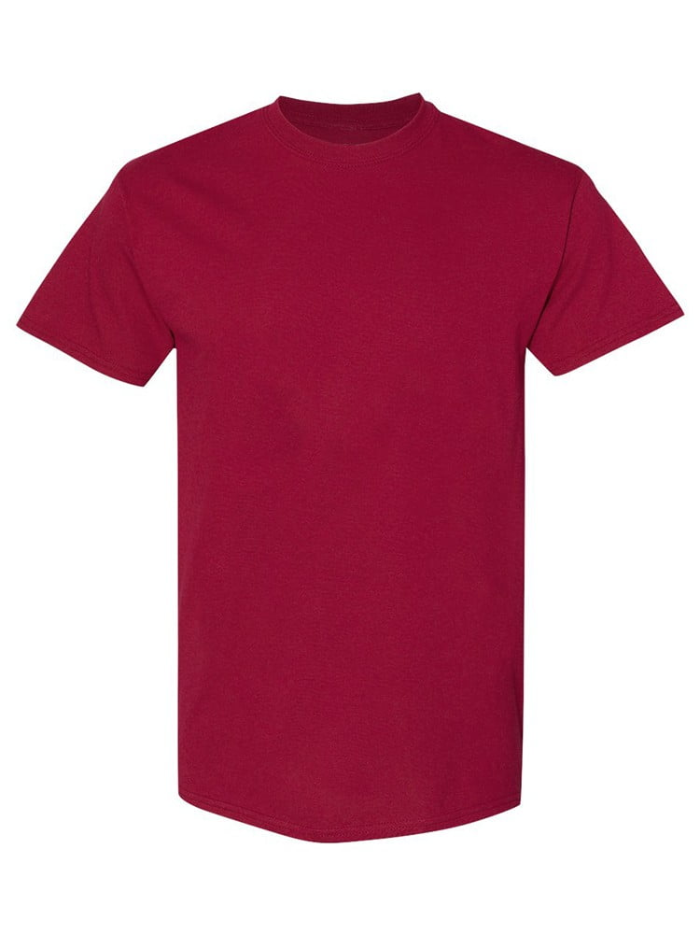
UNGT5N00L | Gildan - Heavy Cotton Adult T-Shirt | 1 | 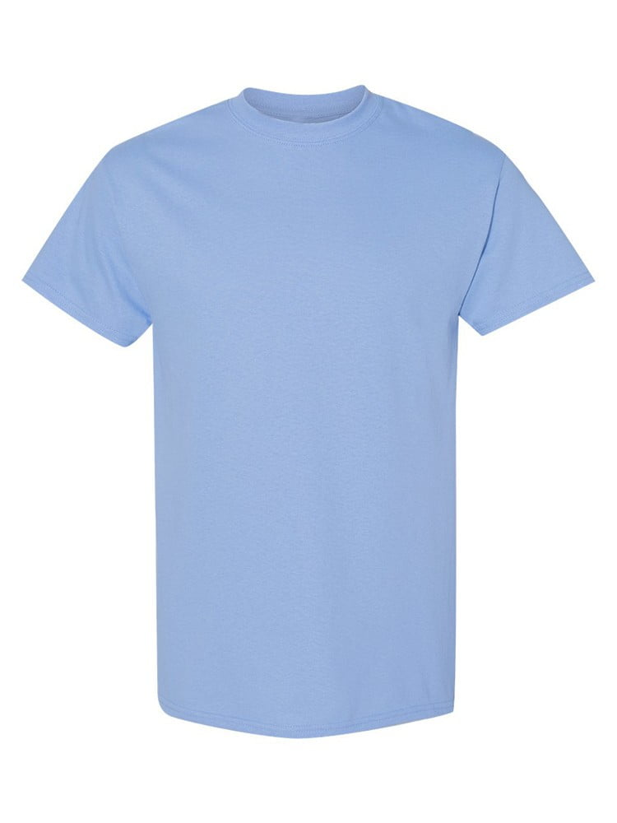
UNGT5P00S | Gildan - Heavy Cotton Adult T-Shirt | 1 | 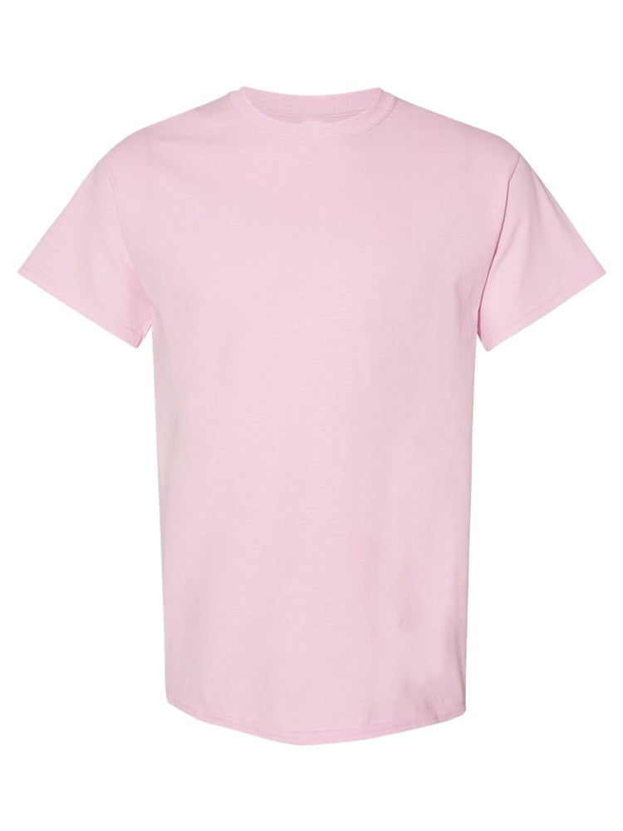
UNGT1B4XL | Gildan - Heavy Cotton Adult T-Shirt | 1 | 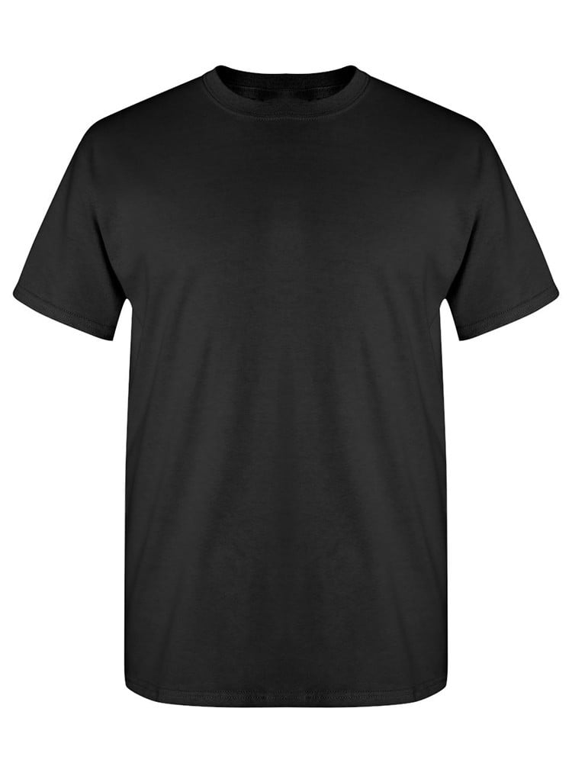
UNGT1B0XL | Gildan - Heavy Cotton Adult T-Shirt | 1
UNGT1D3XL | Gildan - Heavy Cotton Adult T-Shirt | 1 | 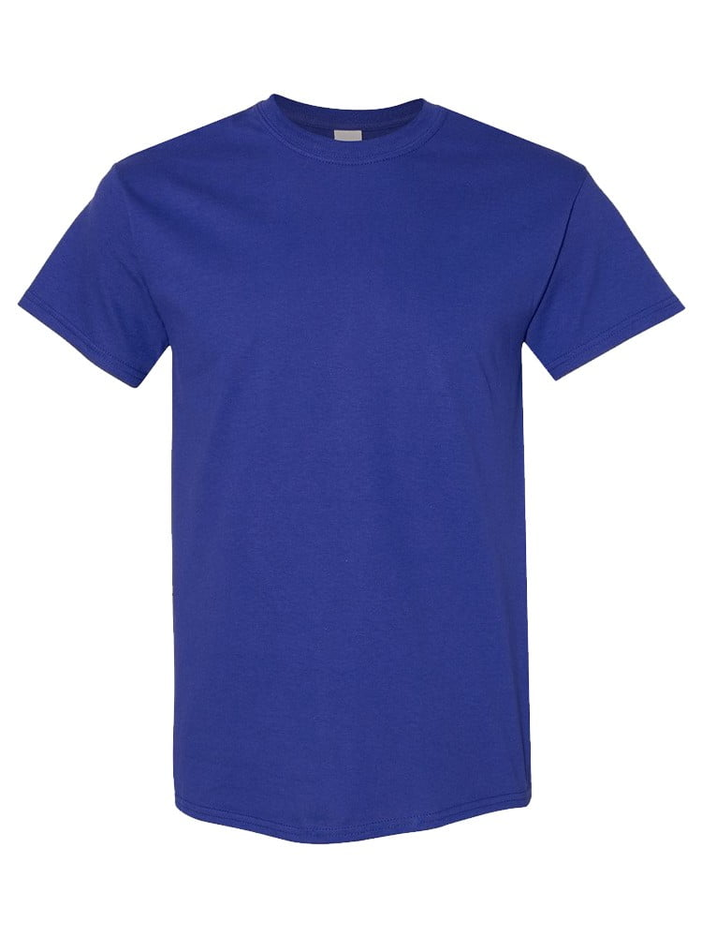
UNGT2R3XL | Gildan - Heavy Cotton Adult T-Shirt | 1 | 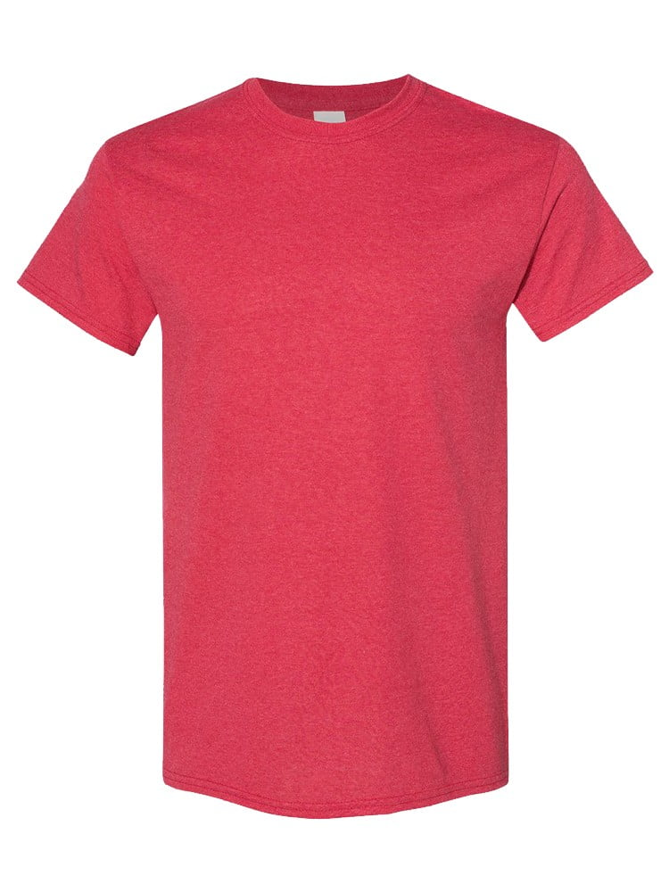
UNGT2S3XL | Gildan - Heavy Cotton Adult T-Shirt | 1

