Top Designs
SKU | Product Name | Quantity Sold | Image
UNGT3W2XL | Gildan - Heavy Cotton Adult T-Shirt | 2 | 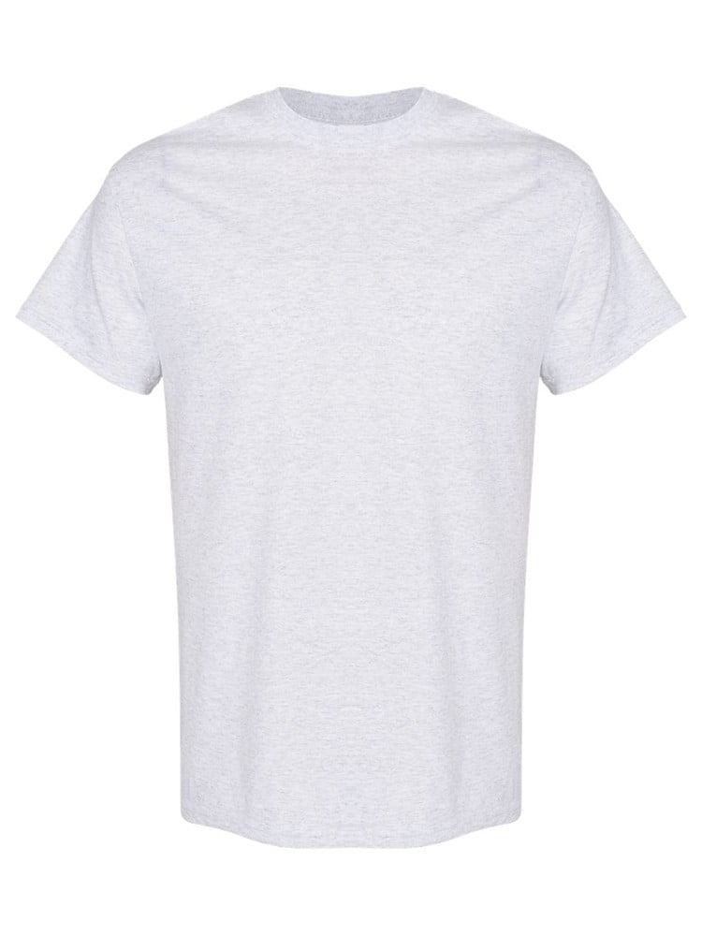
UNGT3W0XL | Gildan - Heavy Cotton Adult T-Shirt | 1
UNGT3W00M | Gildan - Heavy Cotton Adult T-Shirt | 1
UNGT3W00L | Gildan - Heavy Cotton Adult T-Shirt | 1
UNGT4N4XL | Gildan - Heavy Cotton Adult T-Shirt | 1 | 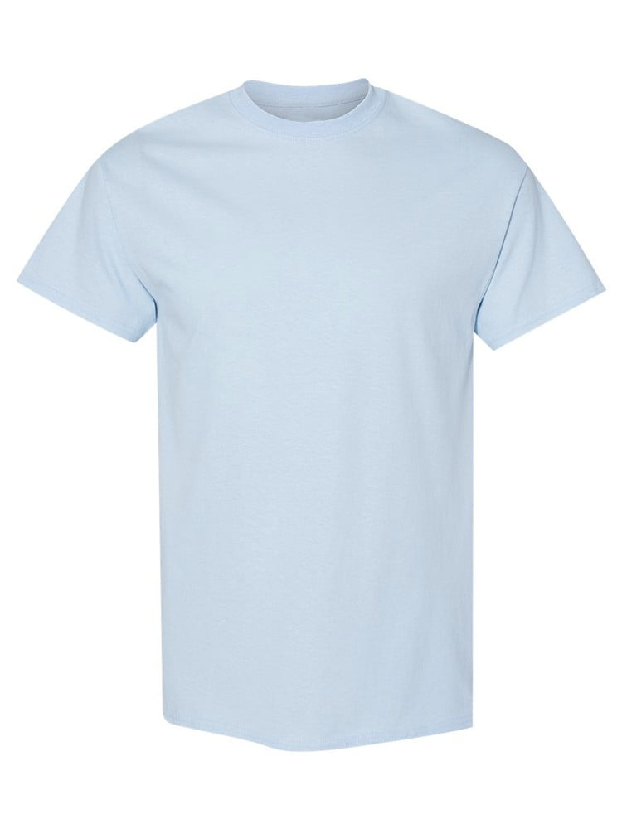
UNGT6P00M | Gildan - Heavy Cotton Adult T-Shirt | 1 | 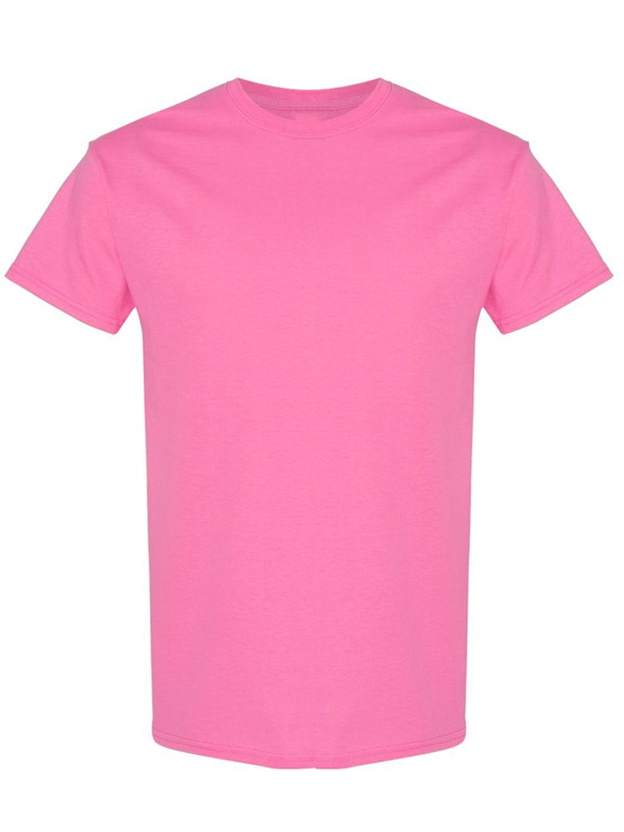
UNGT1M00M | Gildan - Heavy Cotton Adult T-Shirt | 1 | 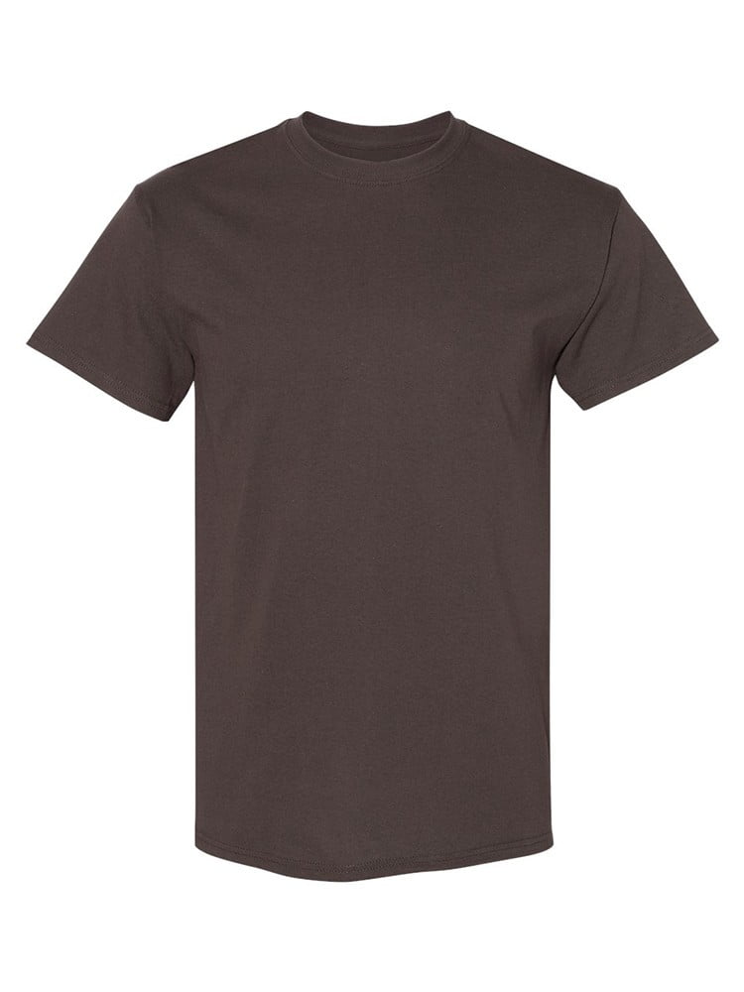
UNGT1W00L | Gildan - Heavy Cotton Adult T-Shirt | 1 | 