Top Designs
SKU | Product Name | Quantity Sold | Image
UNGT1B00M | Gildan - Heavy Cotton Adult T-Shirt | 4 | 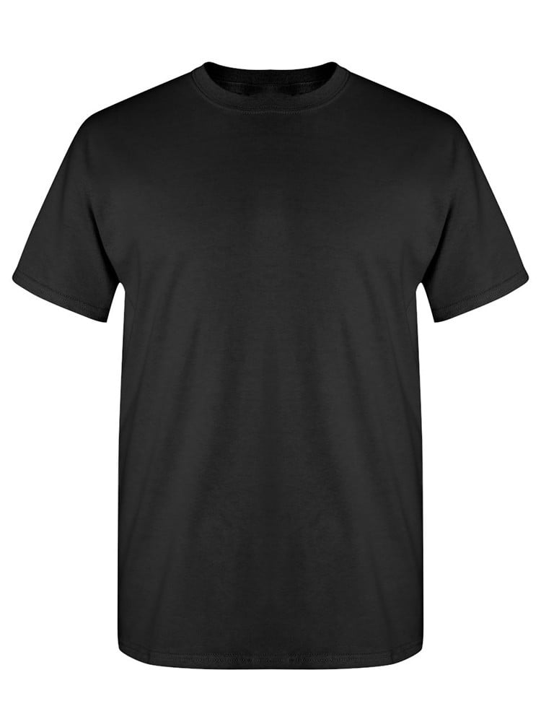
UNGT1Q00L | Gildan - Heavy Cotton Adult T-Shirt | 2 | 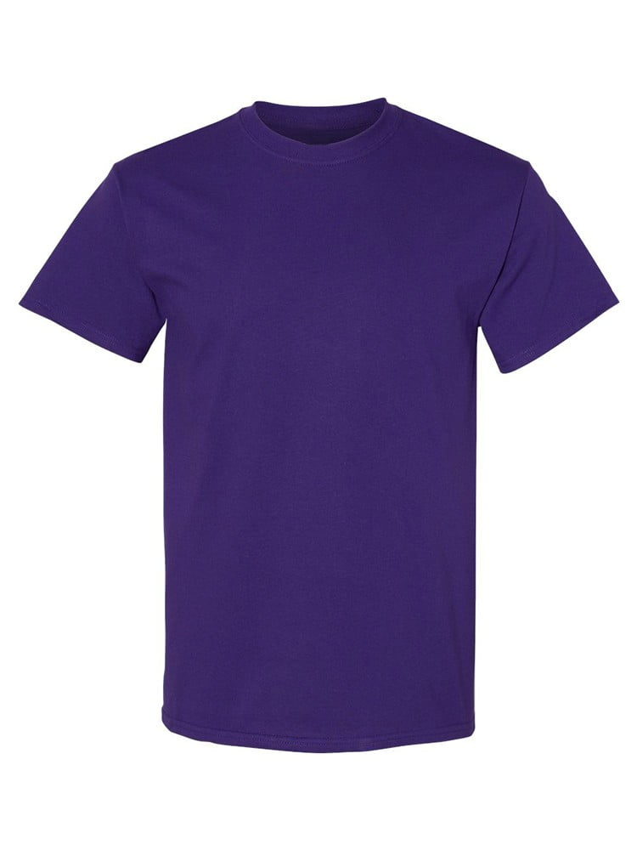
UNGT1Q0XL | Gildan - Heavy Cotton Adult T-Shirt | 2
UNGT1B00L | Gildan - Heavy Cotton Adult T-Shirt | 2
UNGT2F0XL | Gildan - Heavy Cotton Adult T-Shirt | 1 | 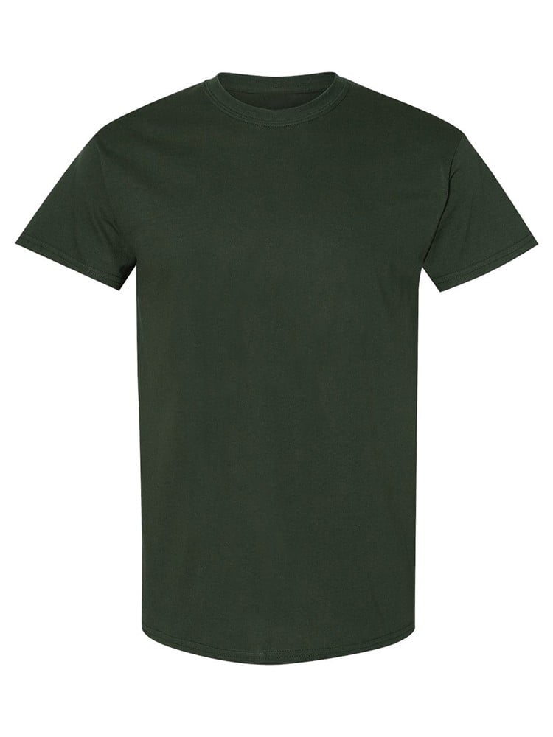
UNGT1M00S | Gildan - Heavy Cotton Adult T-Shirt | 1 | 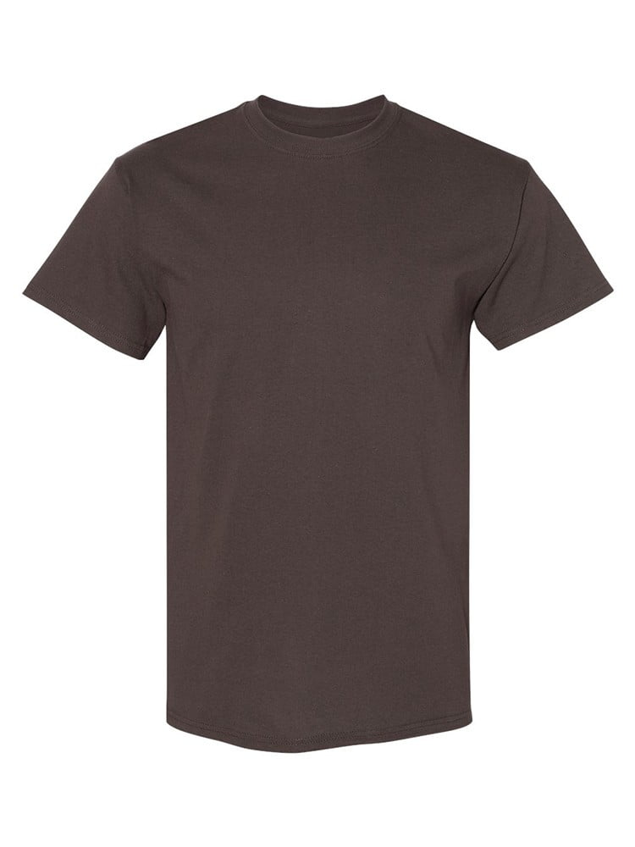
UNGT7C00L | Gildan - Heavy Cotton Adult T-Shirt | 1 | 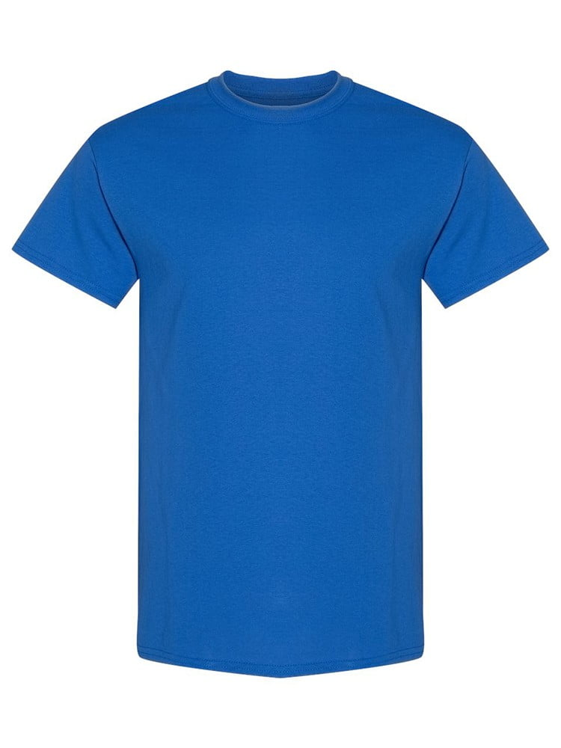
UNGT5B00M | Gildan - Heavy Cotton Adult T-Shirt | 1 | 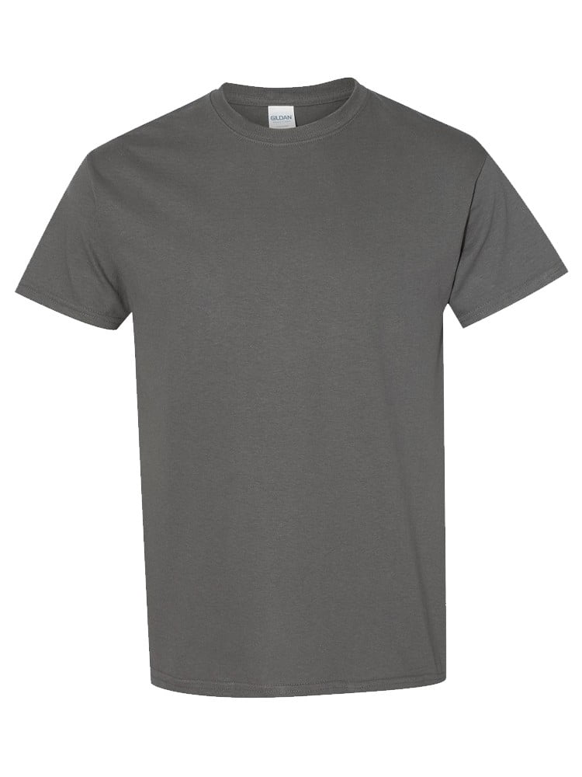
UNGT5N00L | Gildan - Heavy Cotton Adult T-Shirt | 1 | 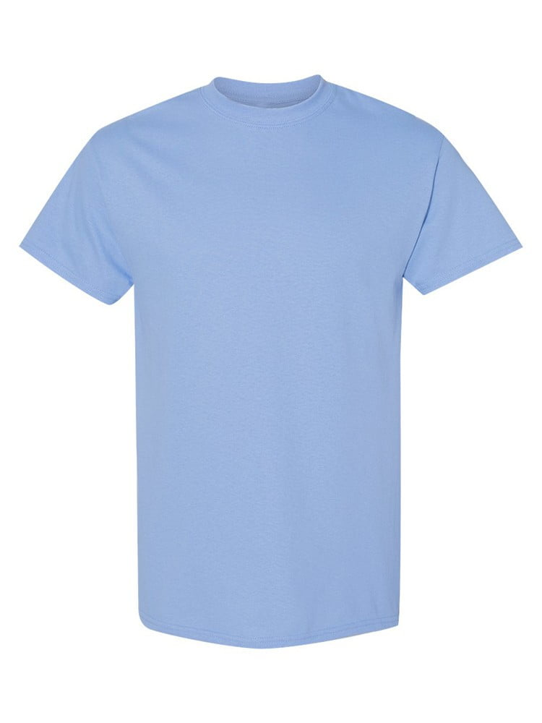
UNGT5B00L | Gildan - Heavy Cotton Adult T-Shirt | 1
UNGT1M00M | Gildan - Heavy Cotton Adult T-Shirt | 1
UNGT1M0XL | Gildan - Heavy Cotton Adult T-Shirt | 1
UNGT1B0XL | Gildan - Heavy Cotton Adult T-Shirt | 1
UNGT1B4XL | Gildan - Heavy Cotton Adult T-Shirt | 1
UNGT3F4XL | Gildan - Heavy Cotton Adult T-Shirt | 1 | 