Top Designs
SKU | Product Name | Quantity Sold | Image
UNGT3W00S | Gildan - Heavy Cotton Adult T-Shirt | 1 | 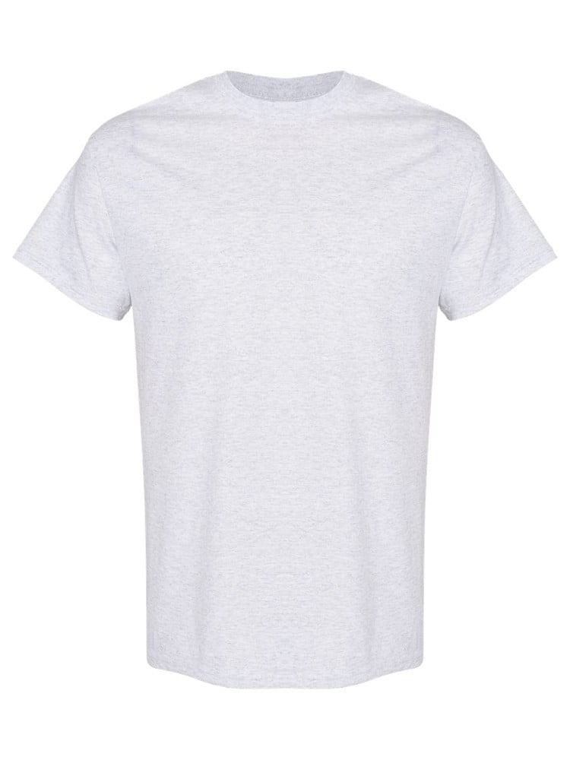
UNGT1Q00M | Gildan - Heavy Cotton Adult T-Shirt | 1 | 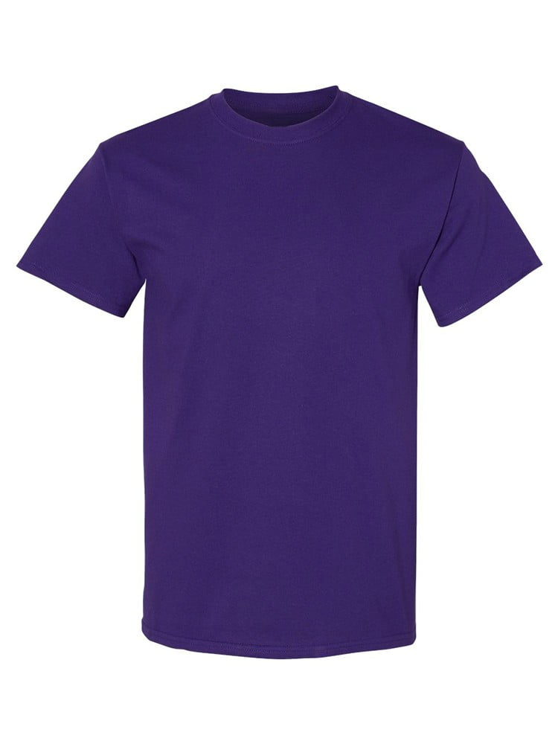
UNGT1B4XL | Gildan - Heavy Cotton Adult T-Shirt | 1 | 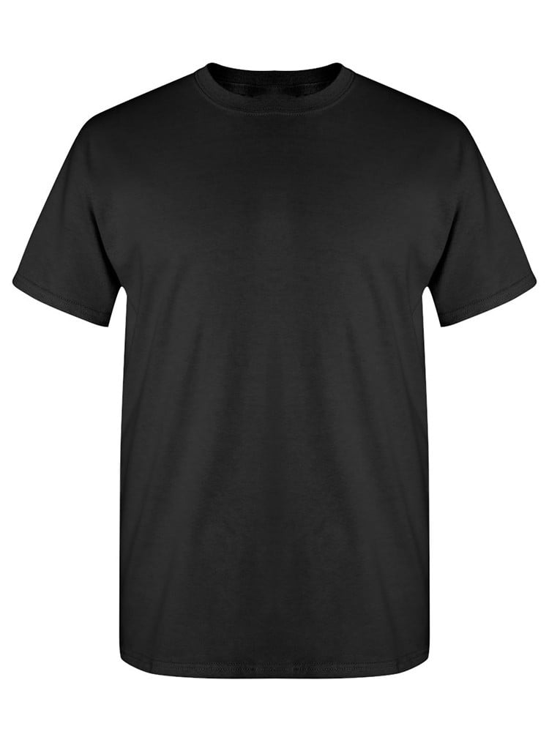
UNGT1B00L | Gildan - Heavy Cotton Adult T-Shirt | 1
UNGT2S00L | Gildan - Heavy Cotton Adult T-Shirt | 1 | 