Top Designs
SKU | Product Name | Quantity Sold | Image
UNGT1B2XL | Gildan - Heavy Cotton Adult T-Shirt | 4 | 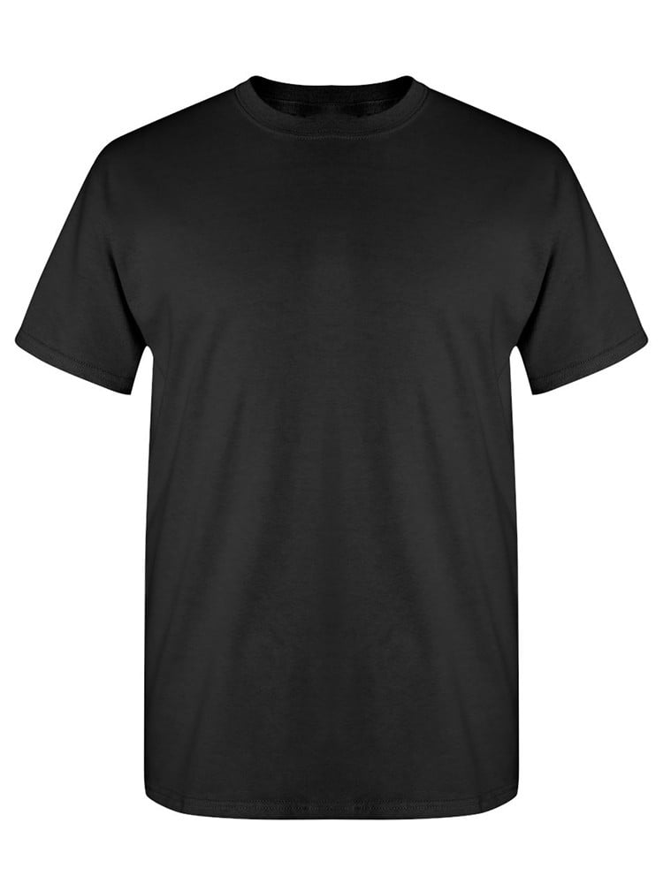
UNGT1W3XL | Gildan - Heavy Cotton Adult T-Shirt | 2 | 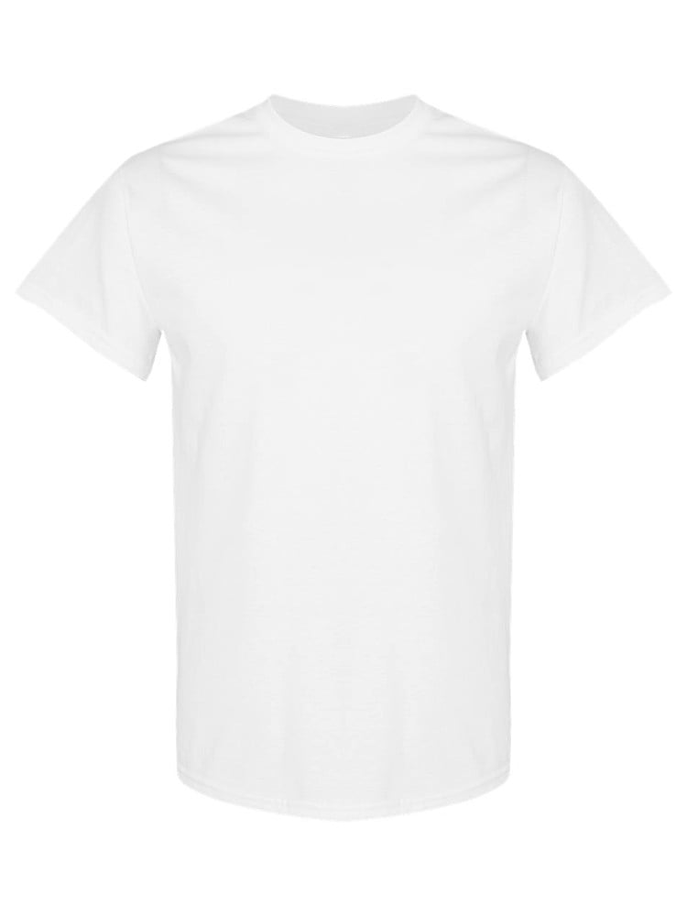
UNGT3W0XL | Gildan - Heavy Cotton Adult T-Shirt | 1 | 