Top Designs
SKU | Product Name | Quantity Sold | Image
UNGT7Y00L | Gildan - Heavy Cotton Adult T-Shirt | 2 | 
UNGT1B3XL | Gildan - Heavy Cotton Adult T-Shirt | 2 | 
UNGT4H3XL | Gildan - Heavy Cotton Adult T-Shirt | 2 | 
UNGT5N3XL | Gildan - Heavy Cotton Adult T-Shirt | 2 | 
UNGT2F3XL | Gildan - Heavy Cotton Adult T-Shirt | 2 | 
UNGT2S3XL | Gildan - Heavy Cotton Adult T-Shirt | 2 | 
UNGT2K3XL | Gildan - Heavy Cotton Adult T-Shirt | 2 | 
UNGT5N2XL | Gildan - Heavy Cotton Adult T-Shirt | 1 | 
UNGT1R00L | Gildan - Heavy Cotton Adult T-Shirt | 1 | 
UNGT2Y00L | Gildan - Heavy Cotton Adult T-Shirt | 1 | 
UNGT3W00M | Gildan - Heavy Cotton Adult T-Shirt | 1 | 
UNGT7Y2XL | Gildan - Heavy Cotton Adult T-Shirt | 1 | 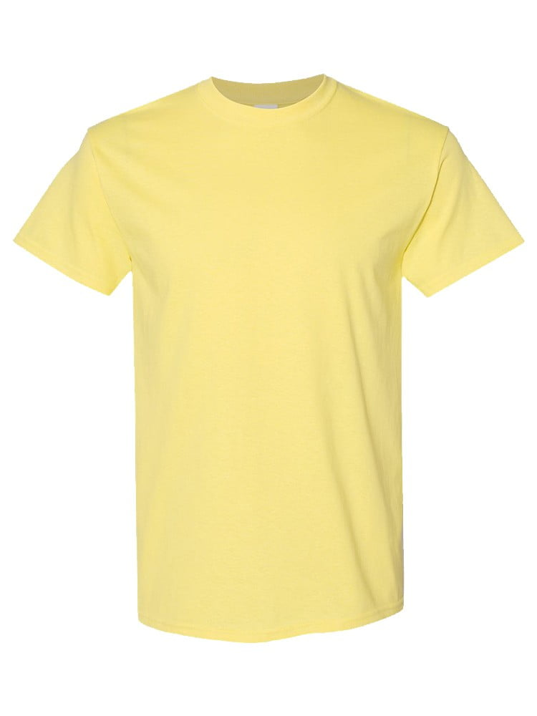
UNGT1M3XL | Gildan - Heavy Cotton Adult T-Shirt | 1 | 

