Top Designs
SKU | Product Name | Quantity Sold | Image
UNGT1E0XL | Gildan - Heavy Cotton Adult T-Shirt | 1 | 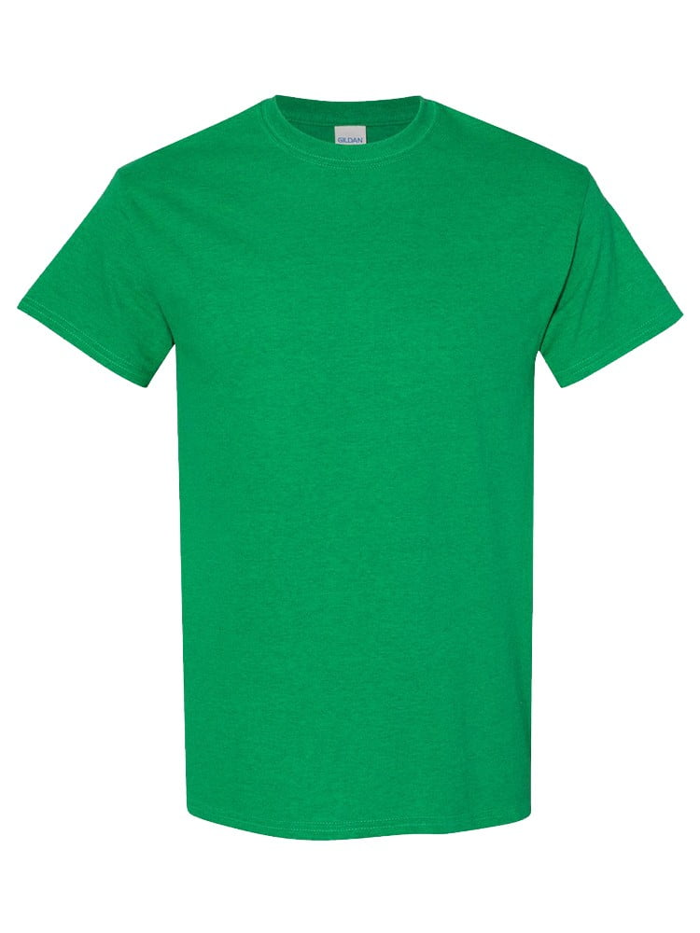
UNGT1E2XL | Gildan - Heavy Cotton Adult T-Shirt | 1
UNGT1W00M | Gildan - Heavy Cotton Adult T-Shirt | 1 | 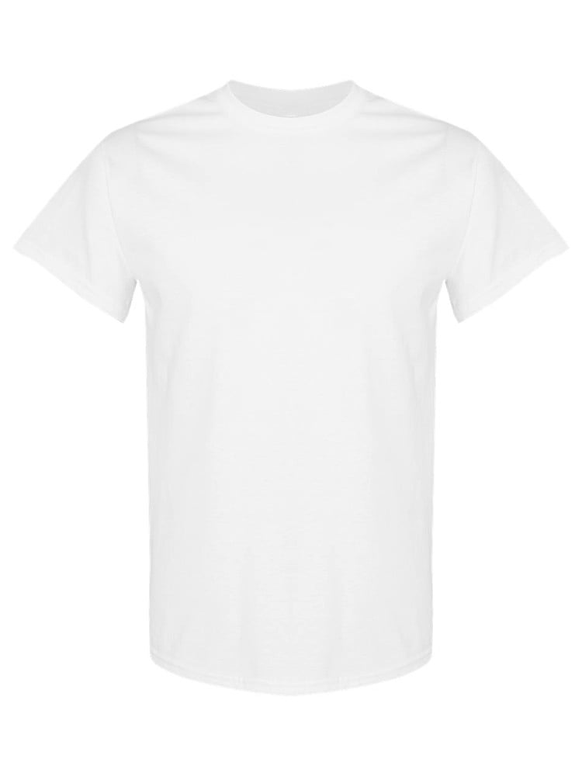
UNGT6P0XL | Gildan - Heavy Cotton Adult T-Shirt | 1 | 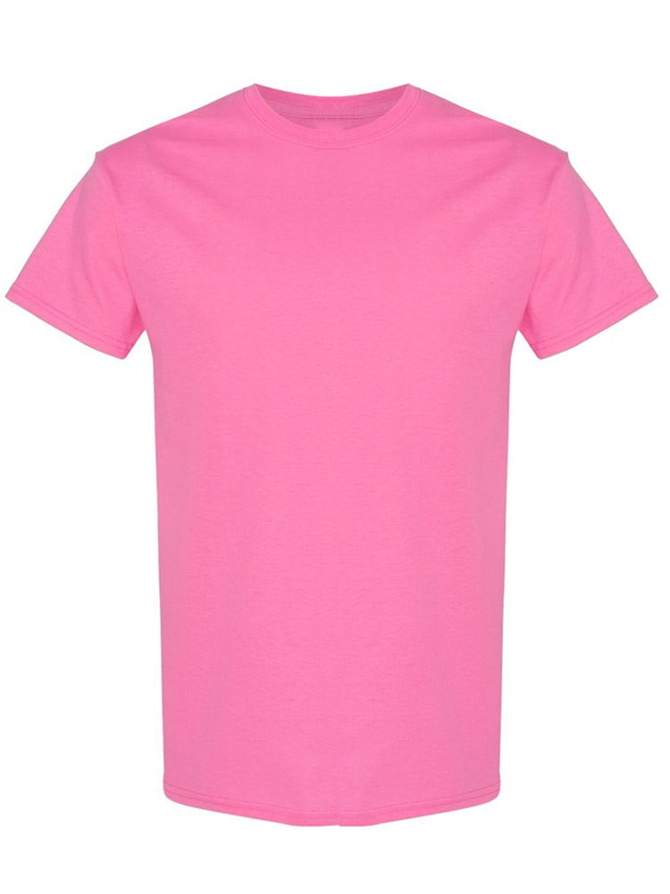
UNGT6G0XL | Gildan - Heavy Cotton Adult T-Shirt | 1 | 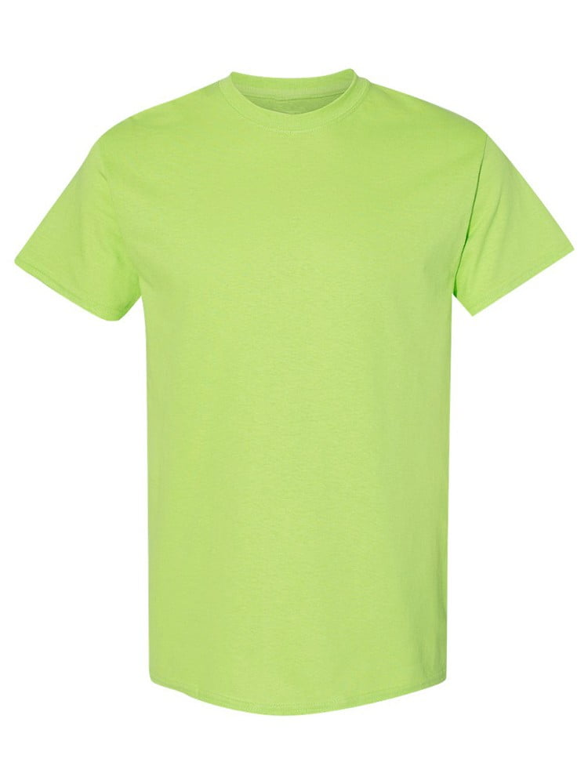
UNGT3O0XL | Gildan - Heavy Cotton Adult T-Shirt | 1 | 
UNGT3Y0XL | Gildan - Heavy Cotton Adult T-Shirt | 1 | 
UNGTT20XL | Gildan - Heavy Cotton Adult T-Shirt | 1 | 
UNGT1R0XL | Gildan - Heavy Cotton Adult T-Shirt | 1 | 
UNGT5E0XL | Gildan - Heavy Cotton Adult T-Shirt | 1 | 
UNGT1Q5XL | Gildan - Heavy Cotton Adult T-Shirt | 1 | 
UNGT1Q4XL | Gildan - Heavy Cotton Adult T-Shirt | 1 | 

