Top Designs
SKU | Product Name | Quantity Sold | Image
UNGT1B3XL | Gildan - Heavy Cotton Adult T-Shirt | 9 | 
UNGT3S0XL | Gildan - Heavy Cotton Adult T-Shirt | 2 | 
UNGT5N0XL | Gildan - Heavy Cotton Adult T-Shirt | 1 | 
UNGT1Q00L | Gildan - Heavy Cotton Adult T-Shirt | 1 | 
UNGT8C0XL | Gildan - Heavy Cotton Adult T-Shirt | 1 | 
UNGT2Y0XL | Gildan - Heavy Cotton Adult T-Shirt | 1 | 
UNGT2S0XL | Gildan - Heavy Cotton Adult T-Shirt | 1 | 
UNPT0F0XL06P | Bella - Unisex Jersey Short Sleeve Tee | 1 | 
UNPT0F00M06P | Bella - Unisex Jersey Short Sleeve Tee | 1
UNPT1W00M06P | Bella - Unisex Jersey Short Sleeve Tee | 1 | 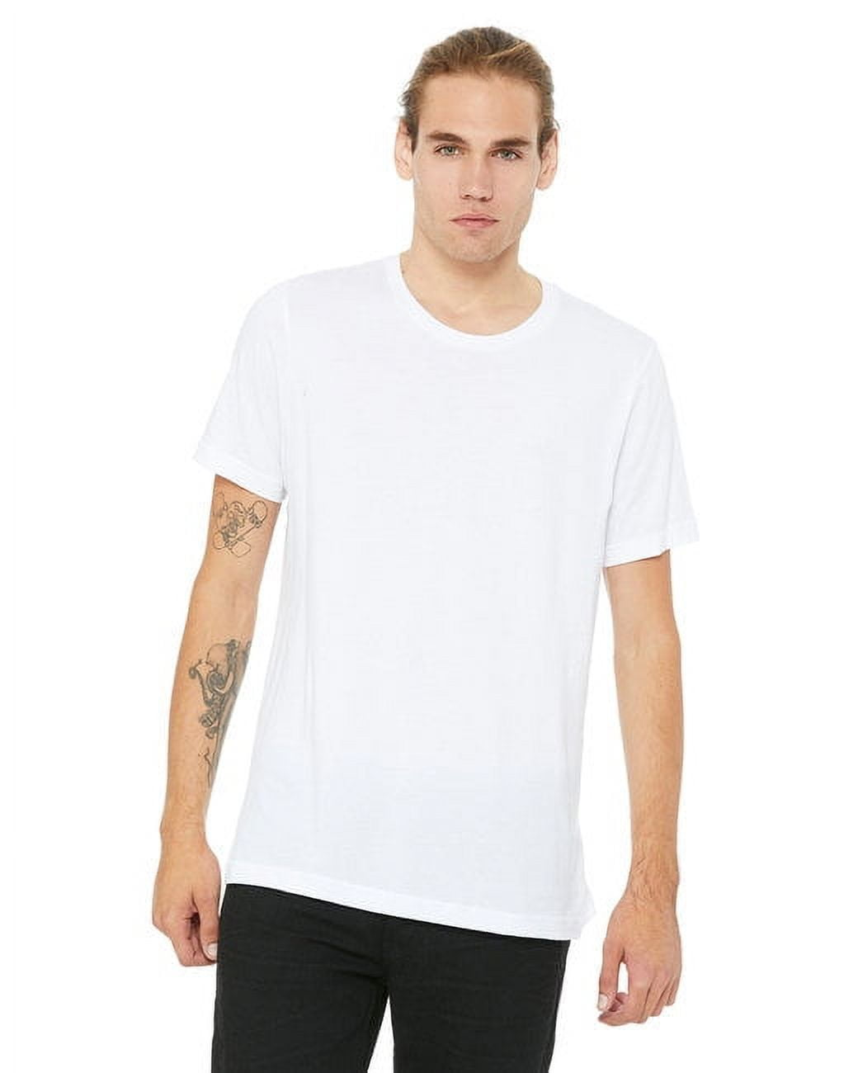
UNGT2F0XL | Gildan - Heavy Cotton Adult T-Shirt | 1 | 
UNGT8P2XL | Gildan - Heavy Cotton Adult T-Shirt | 1 | 
UNGT1B0XL | Gildan - Heavy Cotton Adult T-Shirt | 1
UNGT3F00L | Gildan - Heavy Cotton Adult T-Shirt | 1 | 
UNGT1M00S | Gildan - Heavy Cotton Adult T-Shirt | 1 | 

