Top Designs
SKU | Product Name | Quantity Sold | Image
UNGT5E2XL | Gildan - Heavy Cotton Adult T-Shirt | 1 | 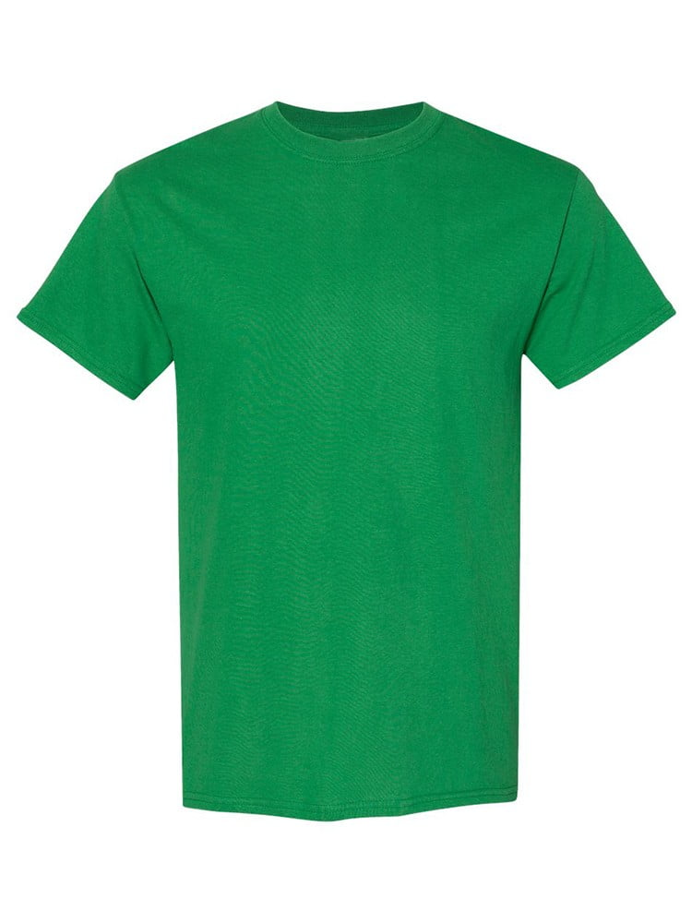
UNGT5E0XL | Gildan - Heavy Cotton Adult T-Shirt | 1
UNGT1M4XL | Gildan - Heavy Cotton Adult T-Shirt | 1 | 
UNGT5N00S | Gildan - Heavy Cotton Adult T-Shirt | 1 | 
UNGT5W00S | Gildan - Heavy Cotton Adult T-Shirt | 1 | 
UNGT1D00S | Gildan - Heavy Cotton Adult T-Shirt | 1 | 
UNGT3W0XL | Gildan - Heavy Cotton Adult T-Shirt | 1 | 
UNGT2S0XL | Gildan - Heavy Cotton Adult T-Shirt | 1 | 
UNGT2F0XL | Gildan - Heavy Cotton Adult T-Shirt | 1 | 
UNGT2R0XL | Gildan - Heavy Cotton Adult T-Shirt | 1 | 
UNGT5B0XL | Gildan - Heavy Cotton Adult T-Shirt | 1 | 
UNGT1D0XL | Gildan - Heavy Cotton Adult T-Shirt | 1 | 

