Variable Actions
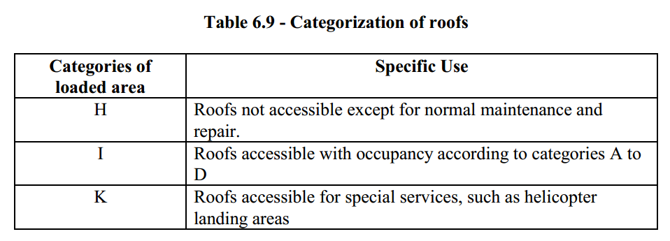
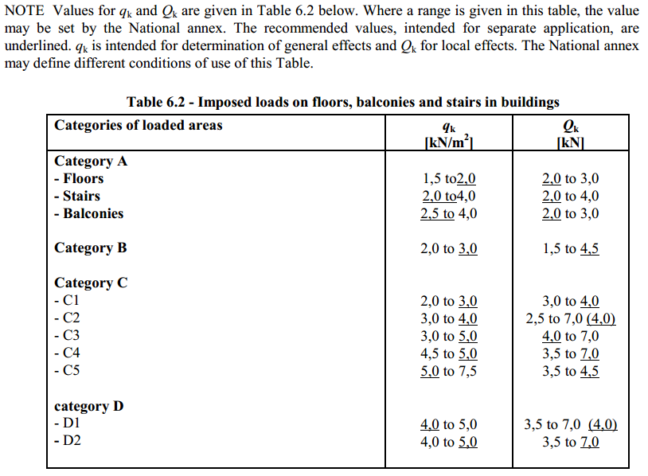
Variable Actions Calculation |  |  |  | Refer EBCS EN 1991 1.1
 |  |  |  | Refer EBCS EN 1990
Parameters to select from |  |  |  | Key
Category | Category A |  |  |  | Filled by the User
Sub class/member | Floors |  |  |  | Programme calculated
Roof category | H |  |  |  | Final result


 | qk | Qk
Live Load on Floor Slab | 2.0 KN/m2 | 2.0 KN
y0 | 0.7
y1 | 0.5
y2 | 0.3
Live Load on Roof | 0.4 KN/m2 | 1.0 KN/m2

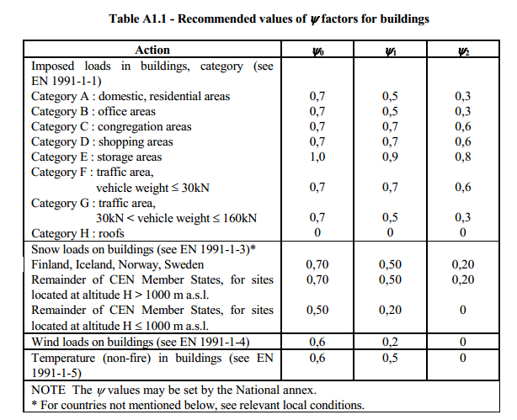
 | Recommended Imposed Load
Category | Sub class/member | qk | Qk
Category A | Floors | 2.0 KN/m2 | 2.0 KN
Category A | Stairs | 2.0 KN/m2 | 2.0 KN
Category A | Balconies | 2.5 KN/m2 | 2.0 KN
Category B | B | 3.0 KN/m2 | 4.5 KN
Category C | C1 | 3.0 KN/m2 | 4.0 KN
Category C | C2 | 4.0 KN/m2 | 4.0 KN
Category C | C3 | 5.0 KN/m2 | 4.0 KN
Category C | C4 | 5.0 KN/m2 | 7.0 KN
Category C | C5 | 5.0 KN/m2 | 4.5 KN
Category D | D1 | 4.0 KN/m2 | 4.0 KN
Category D | D2 | 5.0 KN/m2 | 7.0 KN
Category E | E1 | 7.5 KN/m2 | 7.0 KN
Category F | F | 2.5 KN/m2 | 20.0 KN
Category G | G | 5.0 KN/m2 | 90.0 KN
Category H | H | 0.4 KN/m2 | 1.0 KN

 | Recommended Y Values
 | y0 | y1 | y2
Category A | 0.7 | 0.5 | 0.3
Category B | 0.7 | 0.5 | 0.3
Category C | 0.7 | 0.7 | 0.6
Category D | 0.7 | 0.7 | 0.6
Category E | 1 | 0.9 | 0.8
Category F | 0.7 | 0.7 | 0.6
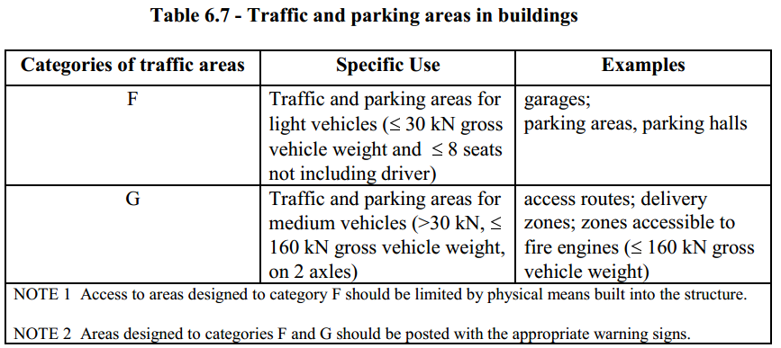
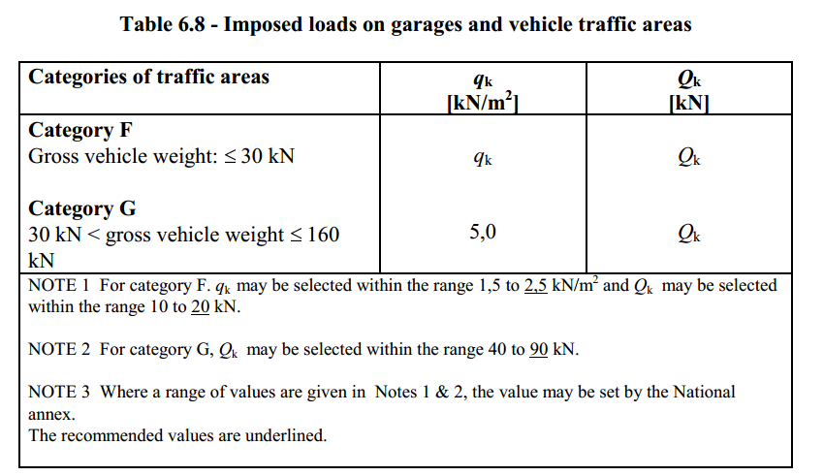
Category G | 0.7 | 0.5 | 0.3
Category H | 0 | 0 | 0

1. New Model
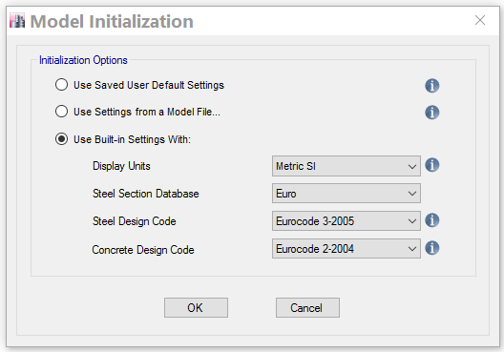
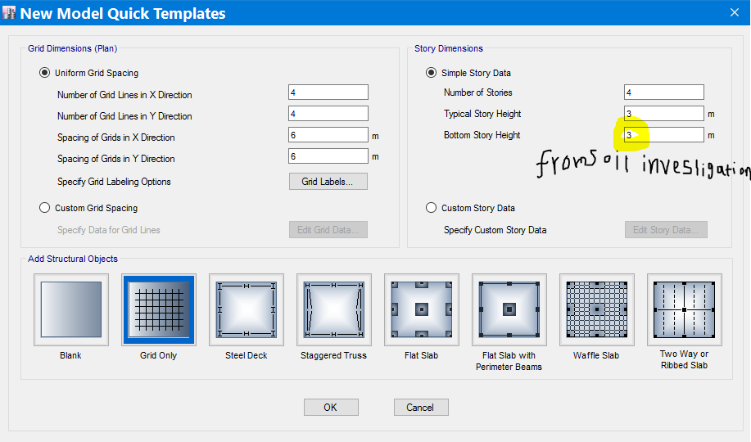
Modelling In ETABS 2017

 | 1 | Create New Model
 |  | File -> New Model or New model icon on the tool bars
 |  | Note | One may choose among the three initialization options for different reasons
 |  |  | The first option may be chose if there is a previously saved user setting. The second if we want to bring Units,Properties,definitions etc from another model which we know contains the required parameters requiredand the third to use built in settings with specified code preferences

2. Define
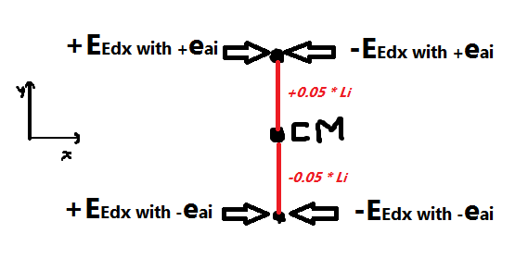
 | 2 | Definitions
 | A) | Material Properties
 |  |  | Concrete
 |  | Define -> Material Properties -> Add New Material ->
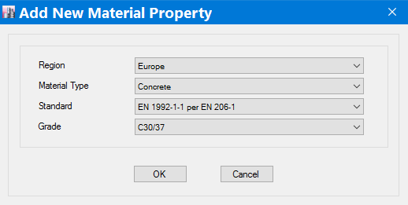

 |  |  | Rebar
 |  | Define -> Material Properties -> Add New Material ->
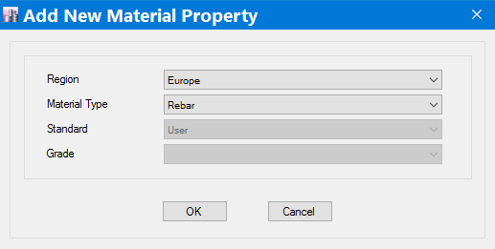

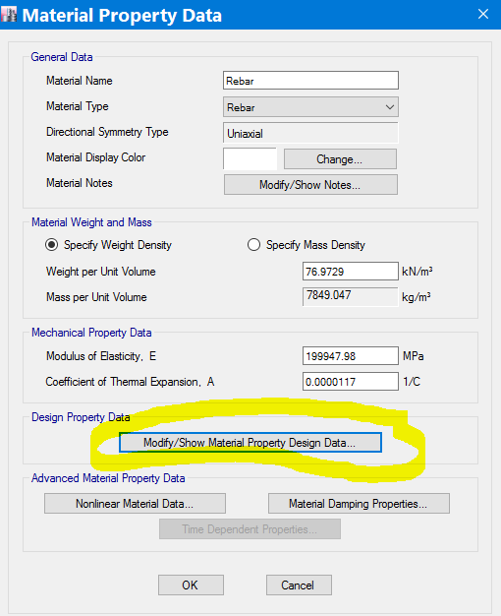

 |  |  |  |  |  |  |  |  | EBCS EN 1992-1-1 Page 28 CL 3.2.7 (3)
 |  |  |  |  |  |  |  | The code recommends 7850Kg/m3 |  |  | "="77.008KN/m3 | The default suffice

 |  |  |  |  |  |  |  |  | EBCS EN 1992-1-1 Page 28 CL 3.2.7 (4)
 |  |  |  |  |  |  |  | The code recommends 200GPa |  |  |  | The default suffice
 |  |  |  |  |  |  |  |  | EBCS EN 1993-1 Page 29 CL 3.2.6 (1)
 |  |  |  |  |  |  |  | The code recommends 12*10-6 |  |  |  | The default suffice

 |  | Modify/Show Material property Design Data…
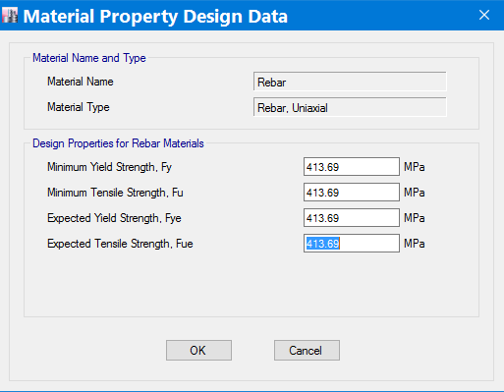

 |  |  |  |  |  |  | EBCS EN 1992-1-1 Page 28 CL 3.2.7 (2)
 |  |  |  |  |  |  | For Normal design the code suggests two types of design strain stress diagrams. The first with k=(Fu/Fy)k >1 with a restriction on eud and the second with Fy=Fu with no restriction on eud. For Seismic design different eud and K=(ft/fy)k values are given in the code.

 |  |  |  |  |  |  | Refer EBCS EN 1992-1-1 Annex C Table C.1

 | B) | Section Properties
 |  |  | Effective Depth, d |  | Template
 | Note: | Depth of Slab and Beam is determined from deflection requirement |  |  |  |  | EBCS EN 1992-1-1, 7.4.2
 |  |  |  | Slab expected to be lightly stressed r = 0.5%
 |  |  |  | Beam expected to be highly stressed r = 1.5%
 |  |  | Nominal cover,cnom = cmin + Dcdev
 | Note: | Three requirment should be accounted
 |  | 1 | Fire design requirement |  | Eurocode 2 Part 1,2 Table 5.5 & 5.6
 |  | 2 | Durability
 |  |  | 2.1 | Environmental Condition (Exposure class)
 |  |  | 2.2 | Concrete quality
 |  | 3 | Bond |  | Eurocode 2 Part 1,2 Table 5.5 & 5.6

 |  |  | Width of Beam, bmin
 | Note: | Three factors affect beam width
 |  | 1 | Formwork dimensions i.e common dimensions should be provided. For example 36cm is not acceptable
 |  | 2 | Architectural Limitation
 |  | 3 | Fire design requirement |  | Eurocode 2 Part 1,2 Table 5.5 & 5.6

 |  |  | Column dimension
 | Note: | Two factors affect column dimensions
 |  | 1 | Fire design requirement |  | Eurocode 2 Part 1,2 Table 5.2a or 5.2b
$$v_{d}=\frac{P}{f_{cd}A_{c}}$$
 |  | 2 | Axial force ratio, νd |  | Ductility class | νd,lim | Reference
 |  |  |  |  | DCL | 0.75
 |  |  |  |  | DCM | 0.65 | EBCS EN 1998 Page 90 CL 5.4.3.2.1 (3)
 |  |  |  |  | DCH | 0.55 | EBCS EN 1998 Page 90 CL 5.5.3.2.1 (3)

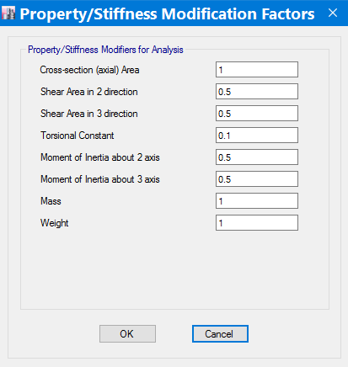

 |  |  |  |  | For Beam and Column elastic flexural and shear stiffness use 50%
 |  |  |  |  |  | EBCS EN 1998 Page 37 CL 4.3.1 (7)

 |  |  |  |  | For slab flexural and shear stiffness use 5%
 |  |  |  |  |  | Modelling slabs with the frame is not recommended for capacity design rule. Therefore, if we want to model slabs with the frame, we should assign the flexural and shear stiffness modifiers as low value as possible but not zero. A senior structural engineer's recommendation is between 5% and 20%

 |  |  |  |  | For Torsional stiffness use 10% (page 31/32)
 |  |  |  |  |  | From Literature EC8 Seismic Design of Buildings Worked examples

 | C) | Diaphragms
 |  |  | A slab should should be considered as Rigid diaphragm if it has a thickness of not less than 7cm |  |  |  |  |  | EBCS EN 1998 Page 105 CL 5.10 (1)

 | D) | Functions (for Seismic analysis after the structural members are drawn and all permanent and variable actions are assigned to define the Mass source)
 |  |  | Since we represent Seismic action by Response Spectrum function(envelope of time histories) lets discuss how we may define it in Etabs
 |  |  | Define -> Functions -> Response Spectrum
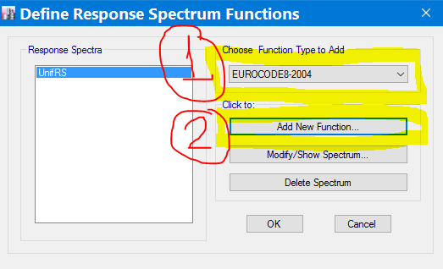

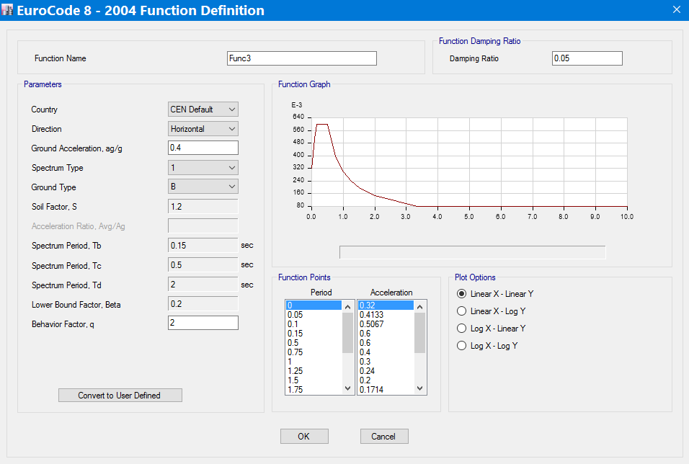

 |  |  | Parameters to be inserted/chosen

 |  | Country | Use the Default
 |  | Direction | The horizontal direction is the common direction where earthquack is expected to affect buildings more since in the vertical direction the weight of the building is favourable in action/stress reduction. However, in some rare cases (very long cantilevers, very large span beams etc.) where the effect of vertical earthquack is significant response spectrum in the vertical direction should be defined

 |  | Ground Acceleration, ag/g | Refer Probabilistic Seismic Hazard Zonation Of Ethiopia |  |  |  |  |  | EBCS EN 1998 ANNEX D
 |  | Spectrum Type | Type 1 is recommended. May be found in Soil investigation report
 |  | Ground Type | EBCS EN 1998 Page 18 CL 3.1.2 (1) |  |  | Should be found in Soil investigation report
 |  | Behaviour factor,q | Depends on three factors
 |  |  | 1, Ductility class
 |  |  | 2, regularity in elevation and plan
 |  |  | 3, The type of structural system |  |  | EBCS EN 1998 Page 59-61 CL 5.1.2(1)

 |  |  | 1, Ductility class |  | EBCS EN 1998 Page 59-61 CL 5.2.1(1)

In case of Very Low seismicity, where ag £ 0.04g or agS £ 0.05g, the provisions of EBSC-8 need not be observed |  |  |  |  |  |  |  |  |  |  |  | EBCS EN 1998 Page 20 CL 3.2.1(5)

In case of Low seismicity, where ag £ 0.08g or agS £ 0.1g, a behaviour factor of upto 1.5 may be taken regardless of structural system and the regularity in elevation |  |  |  |  |  |  |  |  |  |  |  | EBCS EN 1998 Page 68 CL 5.3.3(1)

For the cases other than the above two, structures should be designed as dissipative structures (DCM or DCH depending on their hysteretic dissipation capacity)

 |  |  | 2, Regularity in elevation and plan
 | 2.1 Regularity in plan |  |  | EBCS EN 1998 Page 33 CL 4.2.3.2(1)
 |  | Among the criteria listed on the code lets see how criteria(6) is checked

(6) | 4.1a | eox £ 0.3.rx |  | for direction of analysis y |  |  | Where | eox,i=XCM,i- XCR,i
 |  | eoy £ 0.3.rY |  | for direction of analysis x |  |  |  | eoy,i=YCM,i- YCR,i

 | 4.1b | rx ³ ls |  | for direction of analysis y
 |  | ry ³ ls |  | for direction of analysis x

 | 2.1.a | Determination of the structural eccentricity (e0X and e0Y)
1) | Analyze -> Set Load Cases to Run
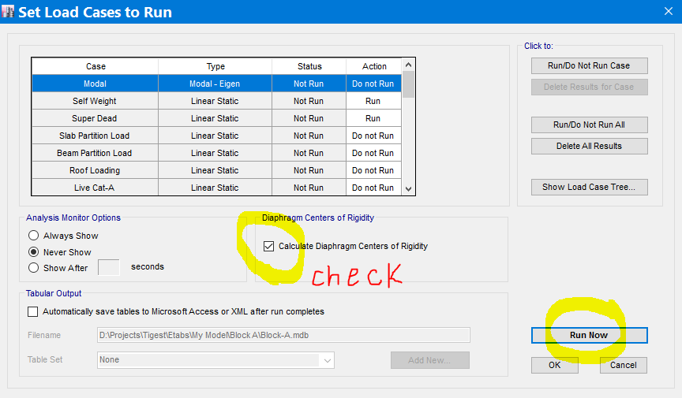

2) | Display -> Show Tables…
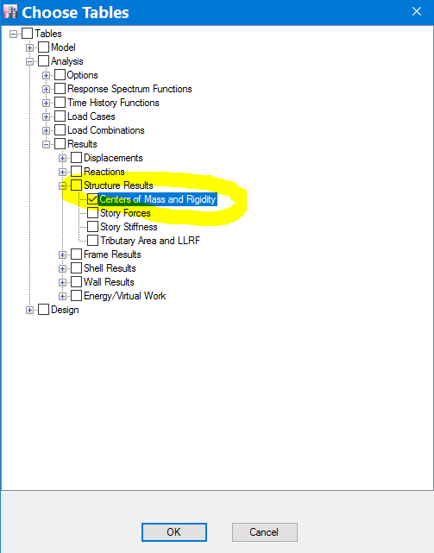

3) | Right click inside the table and click "Export to excel". Then use the above formula to determine the structural eccentricity
Example
TABLE: Centers of Mass and Rigidity |  |  |  |  |  |  |  |  |  |  |  | eoX | eoY
Story | Diaphragm | Mass X | Mass Y | XCM | YCM | Cumulative X | Cumulative Y | XCCM | YCCM | XCR | YCR | XCM,i- XCR,i | YCM,i- YCR,i
 |  | kg | kg | m | m | kg | kg | m | m | m | m | m | m
Story1 | D1 | 446280.65 | 446280.65 | 11.5865 | 11.7933 | 446280.65 | 446280.65 | 11.5865 | 11.7933 | 4.0085 | 11.4724 | 7.578 | 0.3209
Story2 | D2 | 446280.65 | 446280.65 | 11.5865 | 11.7933 | 446280.65 | 446280.65 | 11.5865 | 11.7933 | 4.0389 | 11.7825 | 7.5476 | 0.0108
Story3 | D3 | 446280.65 | 446280.65 | 11.5865 | 11.7933 | 446280.65 | 446280.65 | 11.5865 | 11.7933 | 4.0644 | 11.8094 | 7.5221 | 0.0161
Story4 | D4 | 428980.7 | 428980.7 | 11.7849 | 11.8925 | 428980.7 | 428980.7 | 11.7849 | 11.8925 | 4.0819 | 11.7925 | 7.703 | 0.1

 | 2.2.a | Determination of the torsional radius (rX and rY)

1) | Define UNIT Load patterns/cases for each story for the three degrees of freedom(translation In X, translation In Y & Rotation about Z) to be applied at Centre of Stiffnes/rigidity
 | Eg | 106 KN for the unit forces and 106 KNM for the unit moment

A) | Define -> Load Patterns

B) | Modify Lateral Load…
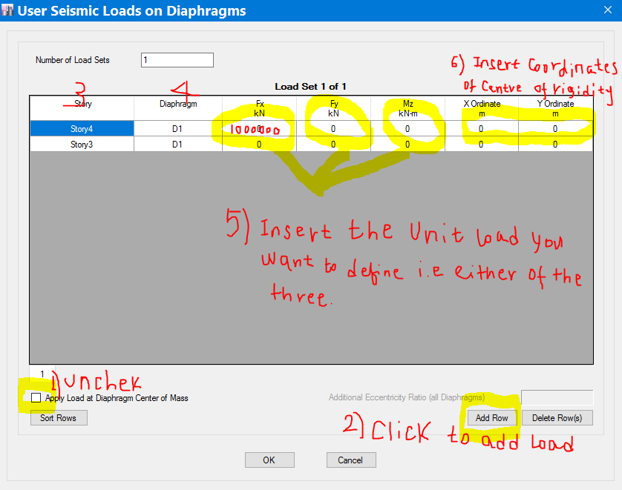

2) | Run the analysis and Display the deformations (Displacements and Rotations) for the unit load cases defined
A) | Analyze -> Set Load Cases to Run…
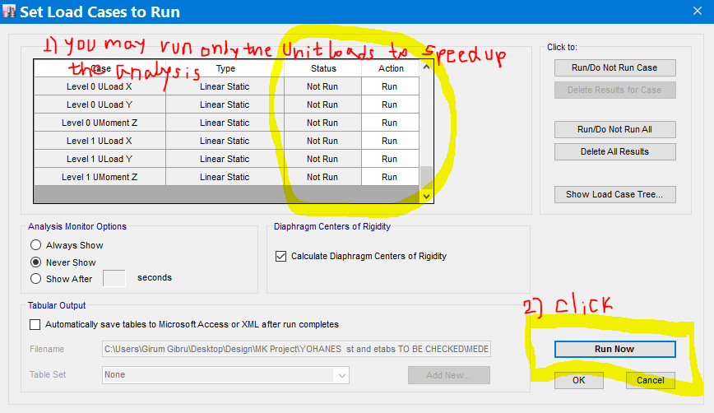

B) | Display -> Show Tables -> Analysis -> Results -> Displacements -> Diaphragm Center of Mass Displacements -> OK
 | Example:- | This is a calculation of torsional radius for Story2 of a structure. An engineer is not forced to prepare separate tables for each storey. He may use his MS-excel skill to extract all the values required and manipulate in a single table. Caution should be took when using the formula that a certain stiffness type corresponds to the load in the direction the stiffness is calculated i.e to determine KFX take UX due to the FX (Level 2 ULoad X in the example)

Mind the Units
 | Note | The unit load assigned is 1,000,000 KN |  |  | Refer the above Formula
 | TABLE: Diaphragm Center of Mass Displacements
 | Story | Diaphragm | Load Case/Combo | UX | UY | RZ | KFX | KFY | KMZ | rX | rY
 |  |  |  | mm | mm | rad | KN/m | KN/m | KNm/rad | m | m
 | Story2 | D2 | Level 2 ULoad X | 131804.853 | 1.832E-08 | 5.77E-12 | 7586.9740547 |  |  | 15.652080192 | 11.463361457
 | Story2 | D2 | Level 2 ULoad Y | 1.832E-08 | 245726.252 | -1.825E-12 |  | 4069.5692538
 | Story2 | D2 | Level 2 UMoment Z | 5.77E-09 | -1.825E-09 | 1.003015 |  |  | 996994.0629

 | 2.2.c | Determination of the radius of gyration of the floor mass in plan (ls)
 | Definition | Radius of gyration the square root of the ratio of the polar moment of inertia of the floor mass in plane to the floor mass
 |  | For uniform floor mass distribution it is the same as the radius of gyration of floor area. For Example for rectangular floor

 |  |  | Where | Ip | Polar Moment of Inertia of the floor mass
 |  |  |  | m | Floor Mass

 | Note | While using ETABs, it can be determined as follows

Mind the Units
A) | Assign all Actions(Loads) and define the mass source
B) | Run the Analysis
C) | Display -> Show Tables -> Model -> Structural Data -> Mass Summary -> Mass Summary by Diaphragm -> OK
 | You will get this type of table
 | TABLE: Mass Summary by Diaphragm
 | Story | Diaphragm | Mass X | Mass Y | Mass Moment of Inertia | X Mass Center | Y Mass Center | ls
 |  |  | kg | kg | ton-m² | m | m | m
 | Story4 | D4 | 229493.32 | 229493.32 | 28117.4523 | 12 | 12 | 11.068861648
 | Story3 | D3 | 235259.97 | 235259.97 | 29040.1158 | 12 | 12 | 11.110283815
 | Story2 | D2 | 423214.06 | 423214.06 | 51093.3956 | 12 | 12 | 10.987587319
 | Story1 | D1 | 235259.97 | 235259.97 | 29040.1158 | 12 | 12 | 11.110283815

 | At this stage we will have all the parameters required to check whether Eqn 4.1a and 4.1b are fulfilled or not

 |  |  | 3, The type of structural system
A) | Prior to any further steps to determine the structural system, we need to check whether the system have the minimum torsional rigidity i.e whether the system satisfies equation 4.1b in both Horizontal directions. If not, it is catagorized as Torsionally Flexible System

 | EBCS EN 1998 Page 62 CL 5.2.2.1(4)

B) | If the structural system has the minimum torsional rigidity required, we may determine the structural system type as follows:
Note: | A structural system may be classified as different systems in the two horizontal directions except for torsinally flexible systems
 | The structural system classification is based on the comparision between the base shear resisted by the frame system and the wall system
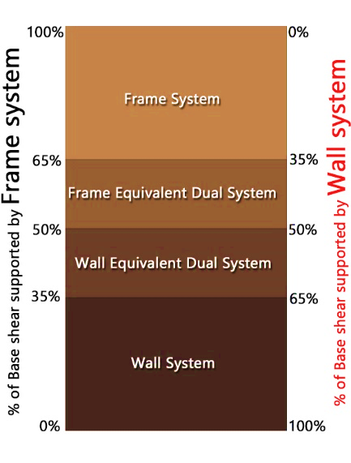

 | B.1) | Define A known load which is applied at Center of Rigidity on a story (We may use one of the unit loads defined for determining the torsional radii)

 | B.2) | Analyze -> Run Analysis

Filter One Known load case only
Filter the Positive values only
 | B.3) | Display -> Show Tables… -> Analysis -> Results -> Frame Results -> Frame Element Joint Forces -> Ok
Filter the columns only

Filter the bottom story only
 |  | TABLE: Frame Element Joint Forces
 |  | Story | Frame Object | Unique Name | Frame Element | Joint | Load Case/Combo | F1 | F2 | F3 | M1 | M2 | M3
 |  |  |  |  |  |  |  | kN | kN | kN | kN-m | kN-m | kN-m
 |  | Story1 | C1 | 100 | 100 | 7 | Level 2 ULoad X | 48610.2638 | 10.5393 | 42727.7067 | 8.5184 | -32560.027 | -1.1014
 |  | Story1 | C2 | 104 | 104 | 8 | Level 2 ULoad X | 39161.6261 | 10.3109 | 20314.6384 | 8.0597 | -13399.6771 | -1.1014
 |  | Story1 | C3 | 108 | 108 | 12 | Level 2 ULoad X | 38361.2675 | 10.321 | 8545.9641 | 8.0799 | -11720.3821 | -1.1014
 |  | Story1 | C4 | 112 | 112 | 16 | Level 2 ULoad X | 47661.8513 | 23.8419 | 39316.207 | 35.2345 | -30458.4586 | -1.1014
 |  | Story1 | C5 | 116 | 116 | 23 | Level 2 ULoad X | 47350.1634 | -10.1564 | -5649.6786 | -9.0206 | -30012.9439 | -1.1014
 |  | Story1 | C6 | 120 | 120 | 24 | Level 2 ULoad X | 47942.2994 | -10.2039 | 2527.5794 | -9.1161 | -31148.3447 | -1.1014
 |  | Story1 | C7 | 124 | 124 | 28 | Level 2 ULoad X | 63129.1898 | -19.0452 | -5768.1159 | -26.8724 | -61784.6091 | -1.1014
 |  | Story1 | C8 | 128 | 128 | 32 | Level 2 ULoad X | 62638.5197 | -12.5253 | -3550.167 | -13.7782 | -60731.2978 | -1.1014
 |  | Story1 | C9 | 132 | 132 | 39 | Level 2 ULoad X | 63404.4307 | -41.5309 | -119.5009 | -48.0064 | -62463.9696 | -1.1014
 |  | Story1 | C10 | 136 | 136 | 40 | Level 2 ULoad X | 63433.4474 | -51.002 | 22.8046 | -67.0274 | -62461.1185 | -1.1014
Total Lateral Load supported by the Frame (column)
 |  | Story1 | C11 | 140 | 140 | 44 | Level 2 ULoad X | 62531.4049 | -51.1063 | 3647.5536 | -67.2369 | -60576.2864 | -1.1014
 |  | Story1 | C12 | 144 | 144 | 48 | Level 2 ULoad X | 62634.0664 | -41.596 | 3556.4281 | -48.1371 | -60722.2962 | -1.1014
 |  | Story1 | C13 | 148 | 148 | 55 | Level 2 ULoad X | 47452.0688 | -69.6239 | -39166.2516 | -80.4016 | -30218.9287 | -1.1014
 |  | Story1 | C14 | 152 | 152 | 56 | Level 2 ULoad X | 47512.1905 | -86.7902 | -39159.1815 | -114.8774 | -30278.9512 | -1.1014
 |  | Story1 | C15 | 156 | 156 | 60 | Level 2 ULoad X | 47641.1119 | -86.7883 | -39371.4355 | -114.8734 | -30478.0409 | -1.1014
 |  | Story1 | C16 | 160 | 160 | 64 | Level 2 ULoad X | 47695.565 | -69.6213 | -39351.5576 | -80.3963 | -30526.6052 | -1.1014
 |  |  |  |  |  |  | Sum | 837159.4666
 |  |  |  |  |  |  | Total Load | 1000000
 |  |  |  |  |  |  | % Resisted by Frame | 84% |  | Frame System

 | After acquiring the above three informations about the building, we may determine the behavior factor as follows

1) | Determine the basic value of the behavior factor, qo |  |  |  | EBCS EN 1998 Page 62-64 CL 5.2.2.1(1-10)
a) | For buildings Regular in Elevation

 | STRUCTURAL TYPE |  |  | DCM | DCH
 | Frame system, dual system, coupled wall system |  |  | 3.0αu/α1 | 4.5αu/α1
 | Uncoupled wall system |  |  | 3 | 4.0αu/α1
 | Torsionally flexible system |  |  | 2 | 3
 | Inverted pendulum system |  |  | 1.5 | 2

b) | For buildings Not Regular in Elevation, multiply values in the above table by 80%

2) | Determine the multiplication factor αu/α1
a) | For buildings Regular in Plane
 | Structural System |  |  |  |  | αu/α1
 | Frames or frame-equivalent dual systems.
 |  | One-storey buildings: |  |  |  | 1.1
 |  | multistorey, one-bay frames: |  |  |  | 1.2
 |  | multistorey, multi-bay frames or frame-equivalent dual structures: |  |  |  | 1.3
 | Wall- or wall-equivalent dual systems.
 |  | wall systems with only two uncoupled walls per horizontal direction: |  |  |  | 1
 |  | other uncoupled wall systems: |  |  |  | 1.1
 |  | wall-equivalent dual, or coupled wall systems: |  |  |  | 1.2

b) | For buildings Not Regular in Plane, take the average of 1.0 and value from the above table

3) | Determine the failure mode factor kw
 | Structural System |  |  |  | kw
 | frame and frame − equivalent dual systems |  |  |  | 1
 | wall, wall -equivalent and torsionally flexible systems |  |  |  | 0.5 ≤ (1+αo )/3 ≤ 1

 | where αo is the prevailing aspect ratio of the walls of the structural system.

 | where hwi is the height of wall i; and lwi is the length of the section of wall i.

4) | Determine the behavior factor, q

 | q = qokw ≥1.5

 | E) | Mass Source…
 |  | Note: | This is to define the seismic mass which ETABS uses to generate the seismic actions
 |  |  |  | Seismic mass = |  |  | Eqn 3.17

 |  |  |  | Where |  |  | Eqn 4.2
 |  |  | Table 4.2: Values of ϕ for calculating ψEi
 |  |  | Type of variable action |  | Storey | ϕ
 |  |  | Categories A-C* |  | Roof | 1
 |  |  |  |  | Storeys with correlated occupancies | 0.8 | EBCS EN 1998 Page 36 CL 4.2.4(2)P
 |  |  |  |  | Independently occupied storeys | 0.5
 |  |  | Categories D-F* and Archives |  |  | 1

 | A) | Define->Mass Source…
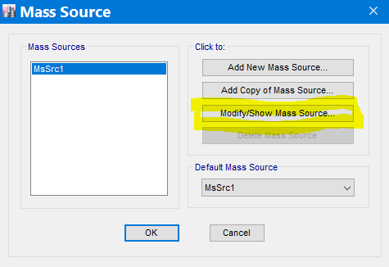

 | B) | Modify/Show Mass Source…

 |  |  | Example for Category C Storeys with Correlated Occupancies
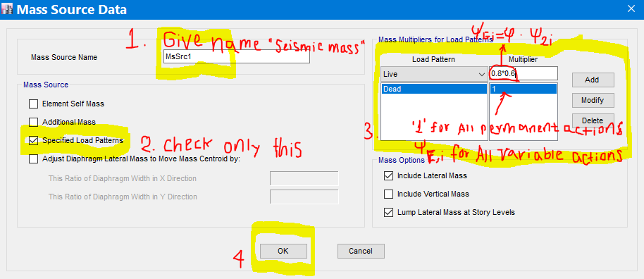

 | C) | OK -> OK

 | F) | P-Delta Options
 |  | Define-> P-Delta Options
 | Note | Second order effect are considered when the interstorey drift sensitivity ratio is greater than 0.1 which is discussed in the Display Sheet |  |  |  |  |  |  |  | Link
 |  | However, to start with we should not consider the P-D effect
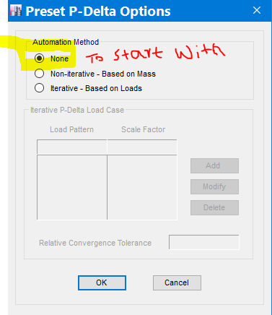

 | Note | When q > 0.1 iterative P-delta option based on Loads should be considered.
 |  | All permanent gravity loads with a scale factor 1 and variable loads with a scale factor of the coresponding y2 values should be added(Defined)

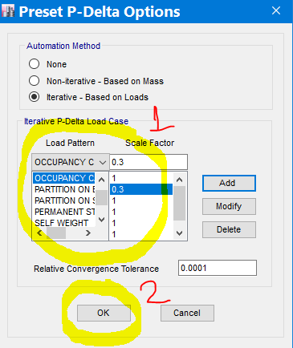

 | G) | Modal Cases
 |  | Define->Modal Cases…
 |  | Note: | The response of all modes of vibration contributing significantly to the global response shall be taken into account. |  |  |  |  |  |  |  | EBCS EN 1998 Page 42 CL 4.3.3.3(2)P, (3)
 |  |  | In order to fulfil this requirment, we may set the "Maximum Number of Modes" to be three times the number of stories present. i.e. three degrees of freedom per story are considered, two translational and one rotational

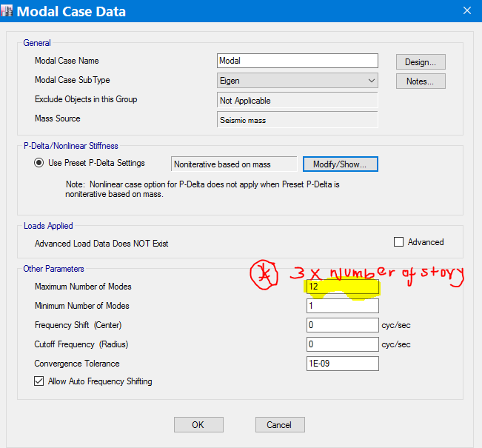

 | H) | Load Patterns…
 |  | H.1 | Variable and Permanent Actions
 |  | Recommendations: | 1) Define the common permanent and variable actions separately so that if any ammendment on an action is required, there will not be recalculations of all the loads
 |  |  | 2) If we have independent occupancies case, it will be convinient to define the variable actions based on the functions of the areas present
 |  |  | Note: | In fact we may define as much number of loads as we know and use the definitions to initialize other models from.
 |  | Define-> Load Patterns…
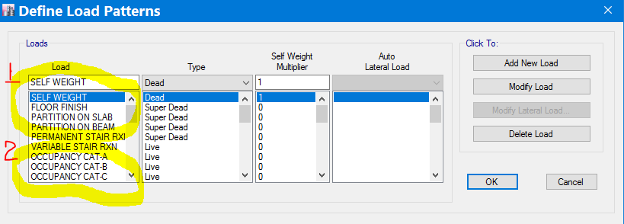

 |  | H.2 | Earthquack lateral force
 |  | Note: | 1) This is the lateral seismic force calculated from the fundamental period of oscillation
 |  |  | 2) In Modal response spectrum analysis(RSA), this is also defined for comparision of the base shear forces resulted from the lateral force method and the RSA method.

 | A) | Define-> Load Patterns…
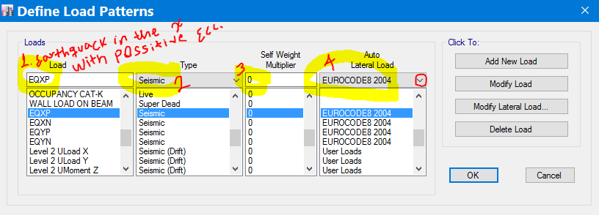

 | B) | Modify Lateral Load…
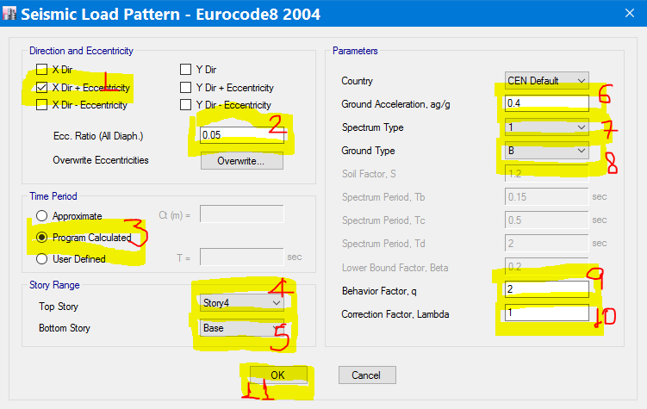

 |  |  |  |  |  |  | 1 | Check the direction of the seismic action we want to define with one of the eccentricity type.

 |  |  |  |  |  |  | 2 | Accidental torsional eccentricity considering the uncertainity in the location of masses and in the spatial variation of the seismic motion |  |  |  |  | EBCS EN 1998 Page 38 CL 4.3.2(1)P

 |  |  |  |  |  |  | 3 | The basic formula for Natural period |  |  |  | Where | m is mass of the building
 |  |  |  |  |  |  |  |  |  |  |  |  | k is the stiffness

 |  |  |  |  |  |  |  | EBCS provides approximation fomula |  |  |  | T1 = Ct ⋅ H3/4

 |  |  |  |  |  |  |  | To be accurate and avoid calculations let the program calculates it
 |  |  |  |  |  |  | 4 | Choose the top most seismic resistant story
 |  |  |  |  |  |  | 5 | Choose the base or a rigid basement if any
 |  |  |  |  |  |  | 6 | Refer
 |  |  |  |  |  |  | 7 | Refer
 |  |  |  |  |  |  | 8 | Refer
 |  |  |  |  |  |  | 9 | Refer
 |  |  |  |  |  |  | 10 | l= | 0.85 | if T1 £ 2Tc and there are more than two storeys
 |  |  |  |  |  |  |  |  | 1 | otherwise
 |  |  |  |  |  |  | 11 | OK

 |  | H.3 | Unit lateral Loads
 |  |  | Refer

 | I) | Load Cases…
 |  | Note: | We access this option basically to define the response spectrum acceleration function as load because by now the software recognizes the function only as acceleration not as a force

 | A) | Define-> Load Cases…

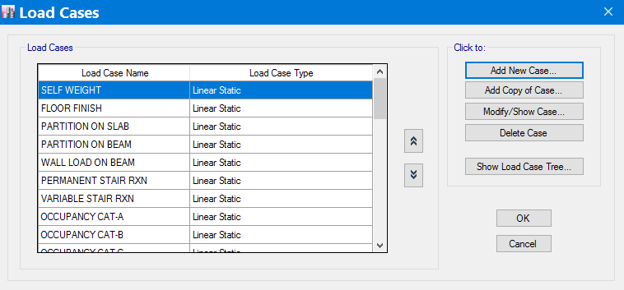

 | B) | Add New Case… |  |  |  | 1 | Give the load case an name. For example RSXP is to mean a Response Spectrum load case in the X direction with positive eccentricity in the y direction

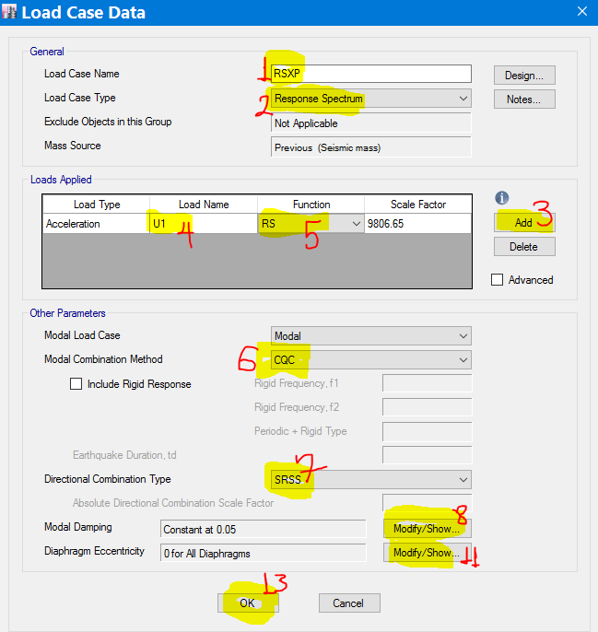
 |  |  |  |  |  | 2 | Tell ETABS the load case type is response spectrum. Immediately after you change the type to response spectrum the other informations will unfold

 |  |  |  |  |  | 3 | Click Add to define the loads(accelerations) to be applied
 |  |  |  |  |  | 4 | Choose the direction of the load application
 |  |  |  |  |  | 5 | Choose the function you defined
 |  |  |  |  |  | 6 | In order to get a more accurate result, EBCS recommends CQC method. Otherwise, we need to show all relevant modal responses may be regarded as independent of eachother
 |  |  |  |  |  |  |  |  |  |  |  |  | EBCS EN 1998 Page 43 CL 4.3.3.3.2
 |  |  |  |  |  | 7 | Because we can not define two eccentricities(eai = ± 0.05 Li) in a load case, we can not put the accelerations in the two horizontal directions together and leave the software do the combination by SRSS method (Recommended by the Code). Rather , we define four load cases in the two horizontal directions to be applied at positive and negative eccentricities and combine them with the alternative way. Therfore, leave this as it is.

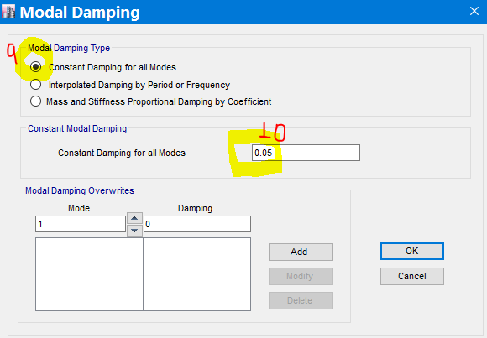
 |  |  |  |  |  | 8 | Modify/Show…
 |  |  |  |  |  | 9 | Leave the default
 |  |  |  |  |  | 10 | Reccomended

 |  |  |  |  |  | 11 | Modify/Show…
 |  |  |  |  |  | 12 | Put -0.05 or +0.05 based on the direction of the eccentricity. For example for our case since we are defining a load case with positive ecc. put +0.05

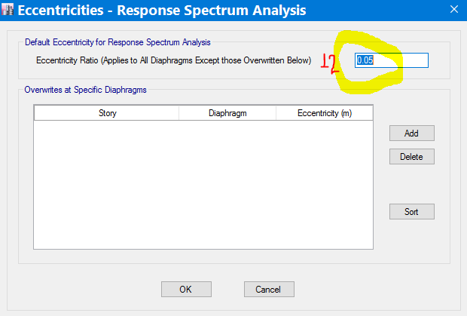

 | J) | Load Combination…
 | Note: | Common load combinations to be defined include

 | S/N | Combination Name |  | Formula |  |  | Reason to define |  | Number of Combinations |  | Subtotal
 | 1 | Serviceability limit state |  | 1.0*SGk "+" 1.0* Qk,1 "+" 1.0*Sy0,i*Qk,i |  |  | To Check serviciability requiments |  | 1 |  | 1 | EN 1990:2002, 6.5.2
 | 2 | Ultimate Limit State
 |  | 2.1) Persistent or transient design situation(fundamental combination) |  | 1.35*SGk "+" 1.5* Qk,1 "+" 1.5*Sy0,i*Qk,i |  |  | To design |  | 1 |  | 1 | EN 1990:2002, 6.4.3.2
 |  | 2.2) Seismic design situations (Lateral Force Method of Analysis) |  | 1.0*SGk "+" 1.0*Sy2,i*Qk "+" EEdx "+" 0.3EEdy |  |  | To design |  | 1 X4 X4 |  | 16 | EN 1990:2002, 6.4.3.4
 |  | >> |  | 1.0*SGk "+" 1.0*Sy2,i*Qk "+" 0.3EEdx "+" EEdy |  |  | To design |  | 1 X4 X4 |  | 16
 |  | 2.3) Seismic design situations (Modal Response Spectrum Analysis /RSA) |  | 1.0*SGk "+" 1.0*Sy2,i*Qk "+" EEdx "+" 0.3EEdy |  |  | To design |  | 1 X4 X4 |  | 16
 |  | >> |  | 1.0*SGk "+" 1.0*Sy2,i*Qk "+" 0.3EEdx "+" EEdy |  |  | To design |  | 1 X4 X4 |  | 16
 | 3 | Seismic Mass |  | 1.0*SGk "+" 1.0*Sy2,i*Qk,i |  |  | To Check whether P-D effect should be considered |  | 1 |  | 1
 | Where: Gk = Permanent Actions, Qk = Variable Actions, EEDx= the seismic Actions in the horizontal X direction with possitive and negative signs each may have torsional eccentricities in the positive and the negative Y direction (a total of Four types) and EEDy is the vice versal. See the below illustration |  |  |  |  |  |  |  | Grand Total |  | 67

3. Assign
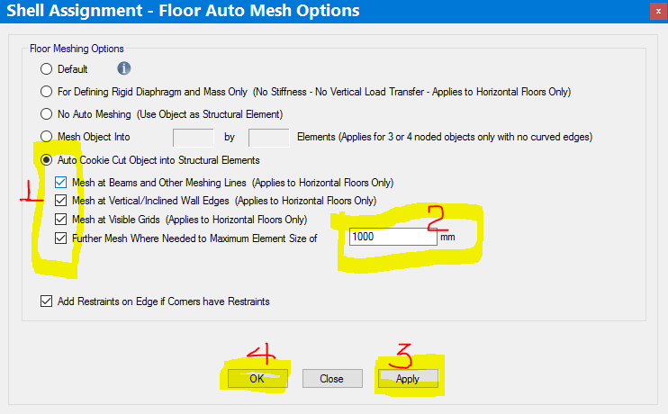
 | 3 | Assign
Note: | Keep in mind that before the assign menu is accessed, the appropriate object is selected
 | A) | Joint
 |  | Assign -> Joint
 |  |  | Restraints… | (for base joints)
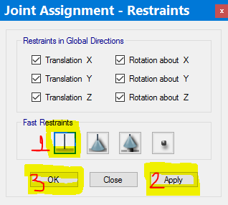

 |  |  | Diaphragms… |  | (for floor joints with slab h³7cm provision)
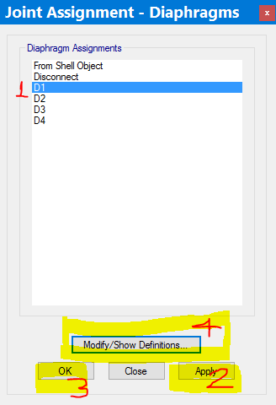

 | B) | Floor Mesh
 |  | Assign -> Shell -> Floor Auto Mesh Options…

4. Analysis
4 | Analysis
 | A) | Check Model…
 | Note:- | This check is necessary to check errors related to drawing the members
 | Analyze -> Check Model…
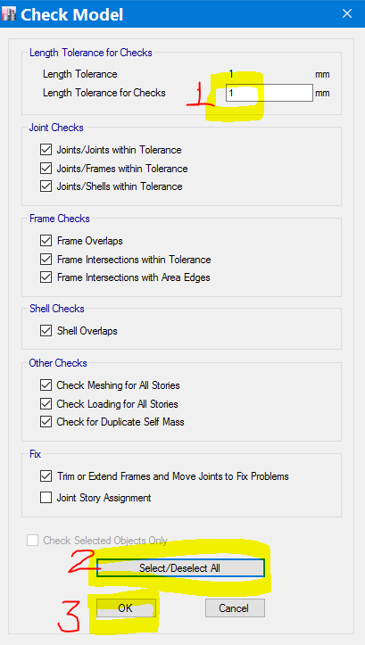

 | B) | Set Active Degrees of freedom…
 | Note:- | The type of the model (Spatial or Planar) to be used for analysis depends on the Plan regularity of the building | EBCS EN 1998 Page 32 Table 4.1
 |  | However, Spatial models may be handy when the analysis is done manually. Therefore, a Full 3D model is recommended while modelling with ETABs
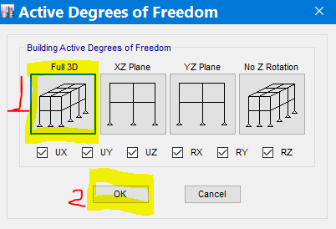

 | C) | Set Load Cases To Run…
 | Note:- | We might select only the load cases we want to run or run all the cases if we don't mind the time it takes for the analysis
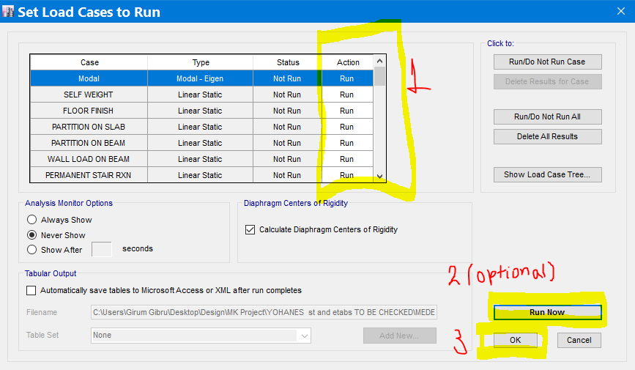

 | D) | Advanced SAPFire Options...
 | Note:- | To be certain about whether any instability problem does not exist, we should run the analysis either the Standard or Advanced solver option.
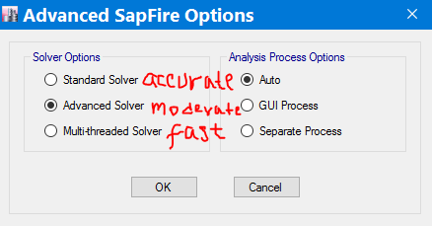

 | E) | Run Analysis

5. Display
 | 5 | Display
 | Note:- | In addition to the reasons we have accessed the display menu such as while we were defining the behavior factor, the below major checks need to be carried out after the analysis using the display menu.

1 | Modal mass participation
Note | EBCS EN 1998 Page 42 CL 4.3.3.3.1
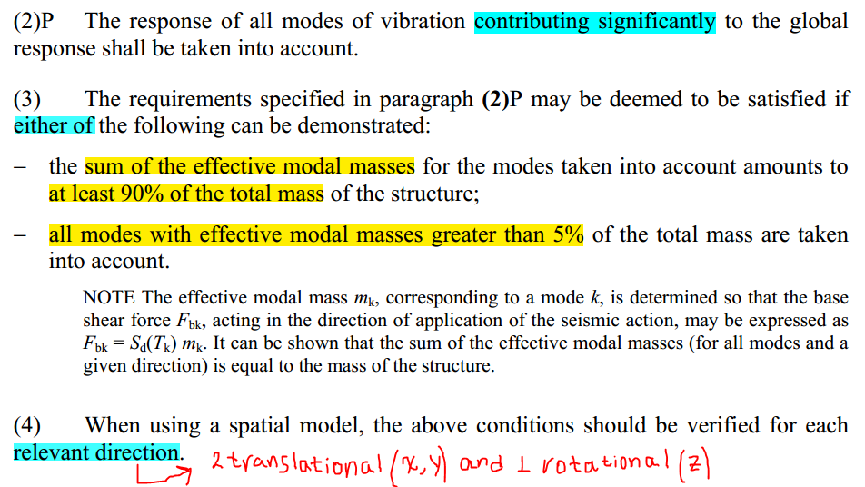

 | Display -> Show Tables -> Analysis -> Results -> Modal Results -> Modal Participating Mass Ratios
 | TABLE: Modal Participating Mass Ratios
 | Case | Mode | Period | UX | UY | UZ | Sum UX | Sum UY | Sum UZ | RX | RY | RZ | Sum RX | Sum RY | Sum RZ
 |  |  | sec
 | Modal | 1 | 0.895 | 0 | 0.8533 | 0 | 0 | 0.8533 | 0 | 0.1844 | 0 | 0 | 0.1844 | 0 | 0
 | Modal | 2 | 0.743 | 0 | 0 | 0 | 0 | 0.8533 | 0 | 0 | 0 | 0.8369 | 0.1844 | 0 | 0.8369
 | Modal | 3 | 0.719 | 0.8276 | 0 | 0 | 0.8276 | 0.8533 | 0 | 0 | 0.2137 | 0 | 0.1844 | 0.2137 | 0.8369
 | Modal | 4 | 0.286 | 0 | 0.1017 | 0 | 0.8276 | 0.955 | 0 | 0.6895 | 0 | 0 | 0.8739 | 0.2137 | 0.8369
 | Modal | 5 | 0.231 | 0 | 0 | 0 | 0.8276 | 0.955 | 0 | 0 | 0 | 0.1087 | 0.8739 | 0.2137 | 0.9456
 | Modal | 6 | 0.218 | 0.1134 | 0 | 0 | 0.941 | 0.955 | 0 | 0 | 0.625 | 0 | 0.8739 | 0.8387 | 0.9456
 | Modal | 7 | 0.167 | 0 | 0.0352 | 0 | 0.941 | 0.9902 | 0 | 0.0808 | 0 | 0 | 0.9547 | 0.8387 | 0.9456
 | Modal | 8 | 0.127 | 0 | 0 | 0 | 0.941 | 0.9902 | 0 | 0 | 0 | 0.0415 | 0.9547 | 0.8387 | 0.9871
 | Modal | 9 | 0.122 | 0 | 0.0098 | 0 | 0.941 | 1 | 0 | 0.0453 | 0 | 0 | 1 | 0.8387 | 0.9871
 | Modal | 10 | 0.116 | 0.0448 | 0 | 0 | 0.9858 | 1 | 0 | 0 | 0.1058 | 0 | 1 | 0.9445 | 0.9871
 | Modal | 11 | 0.089 | 0 | 0 | 0 | 0.9858 | 1 | 0 | 0 | 0 | 0.0129 | 1 | 0.9445 | 1
 | Modal | 12 | 0.079 | 0.0142 | 0 | 0 | 1 | 1 | 0 | 0 | 0.0555 | 0 | 1 | 1 | 1
 | We may observe from the table that the first 6 modes might have been enough to satisfy the above participating mass requirment i.e (2)p

2 | Base Shear comparision against the lower and upper bound values
Note | A Quick check for the value of the base shear against an upper and lower is necessary.
 | Upper bound |  | Total mass X Sd(T1)
 | Lower bound |  | Effective mass for the relevant fundamental mode X Sd(T1)
2.1 | Determine the total mass of the building
 | Display -> Show Tables -> Model -> Structural data -> Mass Summary -> Mass Summary by Story
 | TABLE: Mass Summary by Story
 | Story | UX | UY | UZ
 |  | kg | kg | kg
 | Story4 | 50025.66 | 50025.66 | 0
 | Story3 | 55792.31 | 55792.31 | 0
 | Story2 | 55792.31 | 55792.31 | 0
 | Story1 | 55792.31 | 55792.31 | 0
 | Base | 5766.65 | 5766.65 | 0
 | Total | 223169.24
2.2 | Determine the relevant(governing) directions for the fundamental modes
 | Display -> Show Tables -> Analysis -> Results -> Modal Results -> Modal Direction Factors
 | TABLE: Modal Direction Factors
 | Case | Mode | Period | UX | UY | UZ | RZ
 |  |  | sec
 | Modal | 1 | 0.895 | 0 | 1 | 0 | 0 | Fundamental Mode of Translation in Y direction
 | Modal | 2 | 0.743 | 0 | 0 | 0 | 1 | Fundamental Mode of Rotation in the Z direction
 | Modal | 3 | 0.719 | 1 | 0 | 0 | 0 | Fundamental Mode of Translation in X direction
 | Modal | 4 | 0.286 | 0 | 1 | 0 | 0
 | Modal | 5 | 0.231 | 0 | 0 | 0 | 1
 | Modal | 6 | 0.218 | 1 | 0 | 0 | 0
 | Modal | 7 | 0.167 | 0 | 1 | 0 | 0
 | Modal | 8 | 0.127 | 0 | 0 | 0 | 1
 | Modal | 9 | 0.122 | 0 | 1 | 0 | 0
 | Modal | 10 | 0.116 | 1 | 0 | 0 | 0
 | Modal | 11 | 0.089 | 0 | 0 | 0 | 1
 | Modal | 12 | 0.079 | 1 | 0 | 0 | 0

2.3 | Determine the design RS accelerations for the fundamental modes
Note | This may be determined either from the design RS formula or from Etabs.
 | Lets leave the formula and discuss how it is determined from Etabs
 | Display -> Show Tables -> Analysis -> Results -> Modal Results -> Response Spectrum Modal Information
 | TABLE: Response Spectrum Modal Information
 | Response Spectrum Case | Modal case | Mode | Period | Damping Ratio | U1 Acceleration | U2 Acceleration | U3 Acceleration | U1 Amplitude | U2 Amplitude | U3 Amplitude
 |  |  |  | sec |  | mm/sec² | mm/sec² | mm/sec² | mm | mm | mm
 | RSXP | Modal | 1 | 0.895 | 0.05 | 3352.62 | 0 | 0 | 0 | 0 | 0 | Sd(T1) in the Y direction
 | RSXP | Modal | 2 | 0.743 | 0.05 | 3978.08 | 0 | 0 | 7.12E-12 | 0 | 0
 | RSXP | Modal | 3 | 0.719 | 0.05 | 4164.85 | 0 | 0 | -731.802 | 0 | 0 | Sd(T1) in the X direction
 | RSXP | Modal | 4 | 0.286 | 0.05 | 5883.99 | 0 | 0 | 0 | 0 | 0
 | RSXP | Modal | 5 | 0.231 | 0.05 | 5883.99 | 0 | 0 | 0 | 0 | 0
 | RSXP | Modal | 6 | 0.218 | 0.05 | 5883.99 | 0 | 0 | -35.199 | 0 | 0
 | RSXP | Modal | 7 | 0.167 | 0.05 | 5883.99 | 0 | 0 | 0 | 0 | 0
 | RSXP | Modal | 8 | 0.127 | 0.05 | 5464.98 | 0 | 0 | 0 | 0 | 0
 | RSXP | Modal | 9 | 0.122 | 0.05 | 5377.01 | 0 | 0 | 0 | 0 | 0
 | RSXP | Modal | 10 | 0.116 | 0.05 | 5265.48 | 0 | 0 | -5.622 | 0 | 0
 | RSXP | Modal | 11 | 0.089 | 0.05 | 4766.88 | 0 | 0 | 0 | 0 | 0
 | RSXP | Modal | 12 | 0.079 | 0.05 | 4590.89 | 0 | 0 | -1.288 | 0 | 0

 | Therefore, the upper bound base shear force may be determined as
 | In X Direction | "= 223169.2 x 4164.85 X 10-6" |  |  | 929.46640921 | KN
 | In Y Direction | "= 223169.2 x 3352.62 X 10-6" |  |  | 748.20165741 | KN

2.4 | Determine the effective modal mass participations for the fundamental modes
 | Display -> Show Tables -> Analysis -> Results -> Modal Results -> Modal Participating Mass Ratios
 | TABLE: Modal Participating Mass Ratios
 | Case | Mode | Period | UX | UY | UZ | Sum UX | Sum UY | Sum UZ | RX | RY | RZ | Sum RX | Sum RY | Sum RZ
 |  |  | sec
 | Modal | 1 | 0.895 | 0 | 0.8533 | 0 | 0 | 0.8533 | 0 | 0.1844 | 0 | 0 | 0.1844 | 0 | 0
 | Modal | 2 | 0.743 | 0 | 0 | 0 | 0 | 0.8533 | 0 | 0 | 0 | 0.8369 | 0.1844 | 0 | 0.8369
 | Modal | 3 | 0.719 | 0.8276 | 0 | 0 | 0.8276 | 0.8533 | 0 | 0 | 0.2137 | 0 | 0.1844 | 0.2137 | 0.8369
 | Modal | 4 | 0.286 | 0 | 0.1017 | 0 | 0.8276 | 0.955 | 0 | 0.6895 | 0 | 0 | 0.8739 | 0.2137 | 0.8369
 | Modal | 5 | 0.231 | 0 | 0 | 0 | 0.8276 | 0.955 | 0 | 0 | 0 | 0.1087 | 0.8739 | 0.2137 | 0.9456
 | Modal | 6 | 0.218 | 0.1134 | 0 | 0 | 0.941 | 0.955 | 0 | 0 | 0.625 | 0 | 0.8739 | 0.8387 | 0.9456
 | Modal | 7 | 0.167 | 0 | 0.0352 | 0 | 0.941 | 0.9902 | 0 | 0.0808 | 0 | 0 | 0.9547 | 0.8387 | 0.9456
 | Modal | 8 | 0.127 | 0 | 0 | 0 | 0.941 | 0.9902 | 0 | 0 | 0 | 0.0415 | 0.9547 | 0.8387 | 0.9871
 | Modal | 9 | 0.122 | 0 | 0.0098 | 0 | 0.941 | 1 | 0 | 0.0453 | 0 | 0 | 1 | 0.8387 | 0.9871
 | Modal | 10 | 0.116 | 0.0448 | 0 | 0 | 0.9858 | 1 | 0 | 0 | 0.1058 | 0 | 1 | 0.9445 | 0.9871
 | Modal | 11 | 0.089 | 0 | 0 | 0 | 0.9858 | 1 | 0 | 0 | 0 | 0.0129 | 1 | 0.9445 | 1
 | Modal | 12 | 0.079 | 0.0142 | 0 | 0 | 1 | 1 | 0 | 0 | 0.0555 | 0 | 1 | 1 | 1

 | Therefore, the lower bound base shear force may be determined as
 | In X Direction | "= 0.8276 x 223169.2 x 4164.85 X 10-6" |  |  | 769.22640027 | KN
 | In Y Direction | "= 223169.2 x 3352.62 X 10-6" |  |  | 638.44047427 | KN

2.5 | Check the baseshear result from the analysis against the limits
 | Display -> Show Tables -> Analysis -> Results -> Structure Results -> Story forces
Note | Filter the RS results for the bottom story only then find a table similar to this…
 | TABLE: Story Forces
 | Story | Load Case/Combo | Location | P | VX | VY | T | MX | MY
 |  |  |  | kN | kN | kN | kN-m | kN-m | kN-m
 | Story1 | RSXP Max | Bottom | 0 | 778.9021 | 0 | 10298.7501 | 0 | 6749.9491
 | Story1 | RSXN Max | Bottom | 0 | 778.9021 | 0 | 10298.7501 | 0 | 6749.9491
 | Story1 | RSYP Max | Bottom | 0 | 0 | 655.0607 | 8661.134 | 5558.7026 | 0
 | Story1 | RSYN Max | Bottom | 0 | 0 | 655.0607 | 8661.134 | 5558.7026 | 0

 | Therefore, | In the X Direction |  | 769.22640027 | < | 778.9021 | < | 929.46640921 | OK!!!
 |  | In the Y Direction |  | 638.44047427 | < | 655.0607 | < | 748.20165741 | OK!!!

3 | P-Delta Effect(Interstory drift sensitivity ratio, 𝜃) |  |  |  |  | EBCS EN 1998 Page 54 CL 4.4.2.2(2) |  |  |  | Template
$$θ=\frac{P_{tot}.d_{r}}{V_{tot} . h}$$

 | Where
 |  | Ptot | is the total gravity load at and above the storey considered in the seismic design situation
 |  | Vtot | is the total seismic storey shear obtained by modal response spectrum analysis
 |  | dr | is the design interstorey drift, evaluated as the difference of the average lateral displacements ds at the top and bottom of the storey under consideration
$$d_{s}= q_{d}d_{e}$$
 |  |  | However |  |  | EBCS EN 1998 Page 49 CL 4.3.4(1)
 |  |  |  |  | where
 |  |  |  |  | ds is the displacement of a point of the structural system induced by the design seismic action;
 |  |  |  |  | qd is the displacement behaviour factor, assumed equal to q unless otherwise specified;
 |  |  |  |  | de is the displacement of the same point of the structural system, as determined by a linear analysis based on the design response spectrum
 |  | h | is the storey height

3.1 | Determine Ptot for each story
 | Display -> Show Tables -> Analysis -> Results -> Structure Results -> Story forces
Note | Filter the Seismic Mass Case results for all stories at the bottom and display the necessary columns then find a table similar to this…
 | TABLE: Story Forces
 | Story | Load Case/Combo | P
 |  |  | kN
 | Story4 | Seismic mass | 547.1357
 | Story3 | Seismic mass | 1094.2714
 | Story2 | Seismic mass | 1641.4071
 | Story1 | Seismic mass | 2188.5427

3.2 | Determine Vtot for each story
 | Display -> Show Tables -> Analysis -> Results -> Structure Results -> Story forces
Note | Filter the RS Case results in the two principal directions for all stories at the bottom and display the necessary columns then find a table similar to these…
 | We may use the load cases either the ones with positive or negative eccentricities
 | In the X direction |  |  |  | In the Y direction
 | TABLE: Story Forces |  |  |  | TABLE: Story Forces
 | Story | Load Case/Combo | VX |  | Story | Load Case/Combo | VY
 |  |  | kN |  |  |  | kN
 | Story4 | RSXP Max | 299.5814 |  | Story4 | RSYP Max | 247.8795
 | Story3 | RSXP Max | 531.7434 |  | Story3 | RSYP Max | 434.9678
 | Story2 | RSXP Max | 692.4966 |  | Story2 | RSYP Max | 567.9346
 | Story1 | RSXP Max | 773.1223 |  | Story1 | RSYP Max | 645.2385

3.3 | Determine dr/h (Drift as per ETABS) for each story
 | Display -> Show Tables -> Analysis -> Results -> Displacements -> Story Drifts
Note | Filter the RS Case results for all stories in the two principal directions and display the necessary columns then find a table similar to these…
 | In the X direction |  |  |  |  |  | In the Y direction
 | TABLE: Story Drifts |  |  |  |  |  | TABLE: Story Drifts
 | Story | Load Case/Combo | Direction | Drift |  |  | Story | Load Case/Combo | Direction | Drift
 |  |  |  | dr/h | dr/h*q |  |  |  |  | dr/h | dr/h*q
 | Story4 | RSXP Max | X | 0.00445 | 0.0089 |  | Story4 | RSYP Max | Y | 0.004724 | 0.009448
 | Story3 | RSXP Max | X | 0.007206 | 0.014412 |  | Story3 | RSYP Max | Y | 0.0081 | 0.0162
 | Story2 | RSXP Max | X | 0.008682 | 0.017364 |  | Story2 | RSYP Max | Y | 0.010313 | 0.020626
 | Story1 | RSXP Max | X | 0.005774 | 0.011548 |  | Story1 | RSYP Max | Y | 0.008102 | 0.016204

3.4 | Determine interstory drift sensitivity coefficients, q
Note | Using the above tables prepare the following table
 | Story | Ptot(KN) | Vtot(KN) |  | dr/h*q |  | q
 |  |  | Dir. X | Dir. Y | Dir. X | Dir. Y | Dir. X | Dir. Y
 | Story4 | 547.1357 | 299.5814 | 247.8795 | 0.0089 | 0.009448 | 0.016254372701 | 0.020854238021
 | Story3 | 1094.2714 | 531.7434 | 434.9678 | 0.014412 | 0.0162 | 0.029658364197 | 0.040755193097
 | Story2 | 1641.4071 | 692.4966 | 567.9346 | 0.017364 | 0.020626 | 0.041157448115 | 0.059611903984
 | Story1 | 2188.5427 | 773.1223 | 645.2385 | 0.011548 | 0.016204 | 0.032689900549 | 0.054961298668
 |  |  |  |  |  | Maximum | 0.041157448115 | 0.059611903984
 |  |  |  |  |  | < 0.1 | OK | OK
 |  |  |  |  |  | Remark | No need to consider second order effect
Note | Had the q value been greater than 0.1, we would have been required to take account of second order effects
 | The code allows us an approximation for the action effects when 0.1 < q < 0.2. This is done by multiplying the seismic actions by 1/(1-q) using scale factor.
 | However, a simpler way might be defining an iterative P-delta effect based on loads. |  |  |  |  |  | Link

4 | Damage Limitation (Interstorey drift) |  |  |  | EBCS EN 1998 Page 57-8 CL 4.4.3 |  |  |  | Template
$$\frac{d_{r}}{h}≤\frac{α}{v}$$
 |  | Where, | a | is a factor which takes into account the type of the non-structural elements and their arrangements into the structure
 |  |  |  | 0.005 | for buildings having brittle non-structural elements
 |  |  |  | 0.0075 | for buildings having ductile non-structural elements
 |  |  |  | 0.01 | for buildings having non-structural elements fixed in a way so as not to interfere with structural deformations, or without non-structural elements

 |  |  | n | is the reduction factor which takes into account the lower return period of the seismic action associated with the damage limitation requirement
 |  |  |  | n | Importance Class
 |  |  |  | 0.5 | I,II
 |  |  |  | 0.4 | III, IV
Note | Let's assume the building has brittle non structural elements and it is important class I

 | Story | dr/h*q
 |  | Dir. X | Dir. Y |  | a/n = | 0.01
 | Story4 | 0.0089 | 0.009448
 | Story3 | 0.014412 | 0.0162
 | Story2 | 0.017364 | 0.020626
 | Story1 | 0.011548 | 0.016204

Remark | All Values for the three bottom stories fail the requirment therefore we need to increase the lateral stiffness of the building by increasing the column sections , if worse provide shear wall

6. Design
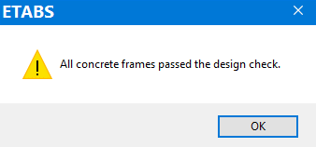
 | 6 | Design

 | 1 | Design Code Preference
 | Design -> Concrete Frame Design -> View/Revise Preference…
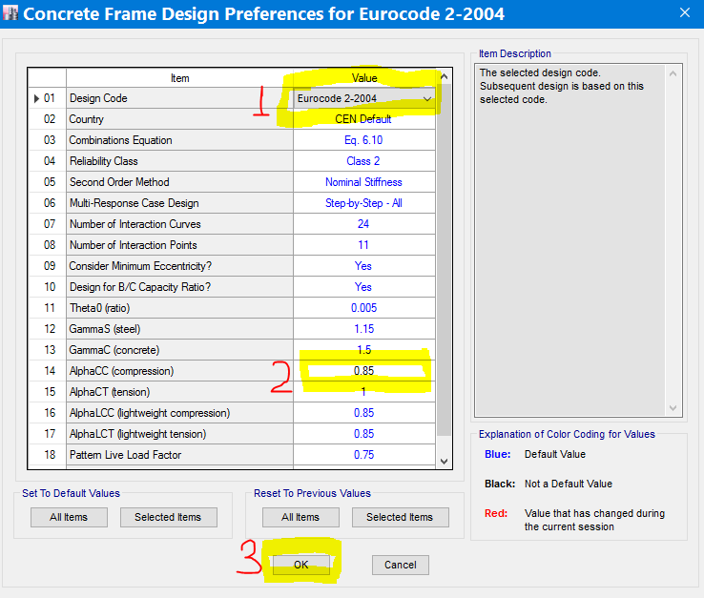

 |  |  | EBCS EN 1992-1-1, 3.1.6 CL(1)P, Page 21

 | 2 | Setting Ductility Class
 | CTRL+A -> Design -> Concrete Frame Design -> View/Revise Overwrites…

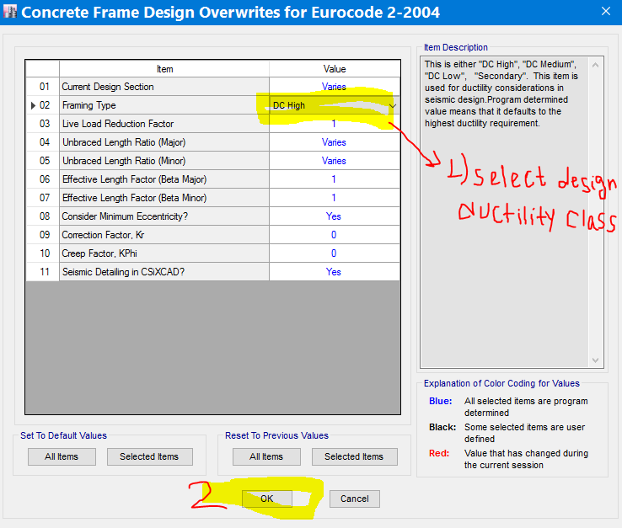

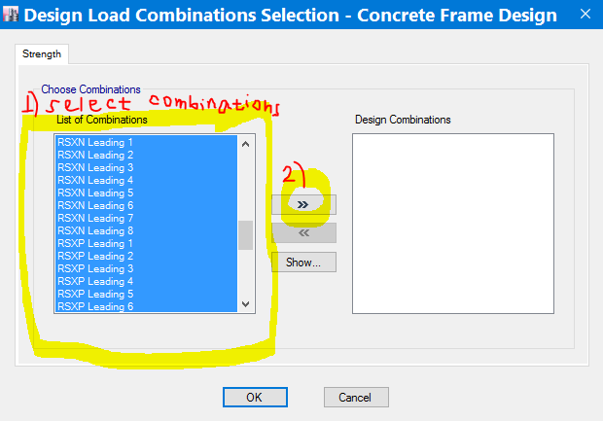
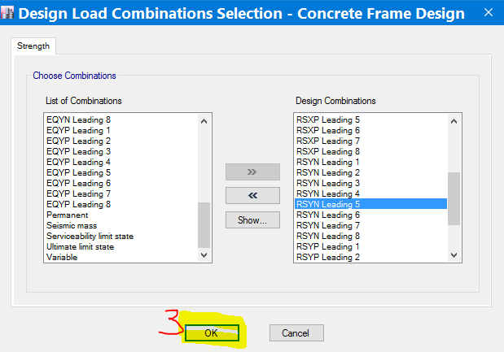
 | 3 | Setting Design combinations
 | Design -> Concrete Frame Design -> Select Design Combinations…

 | 4 | Start Design/Check
 | Design -> Concrete Frame Design -> Start Design/Check

 | 5 | Verify all member sections are adequate
 | Design -> Concrete Frame Design -> Verify All Members Passed..
Note: | If all sections provided are adequate you will get this message

