Annotation
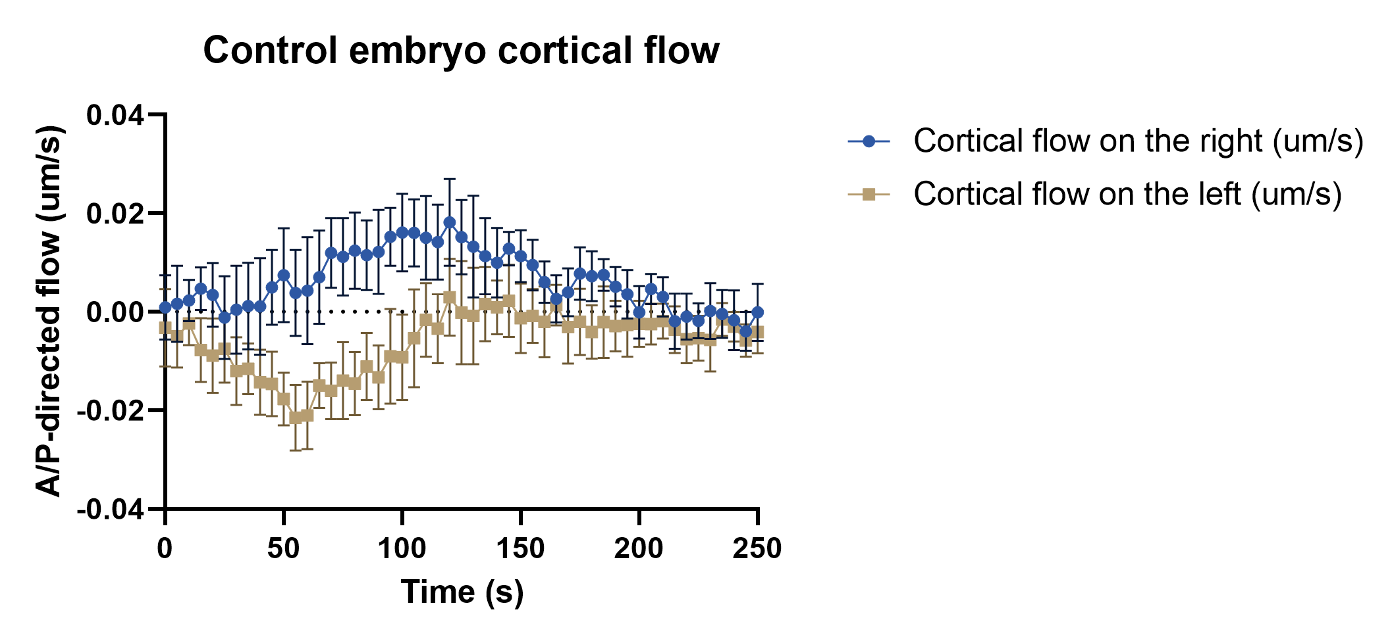
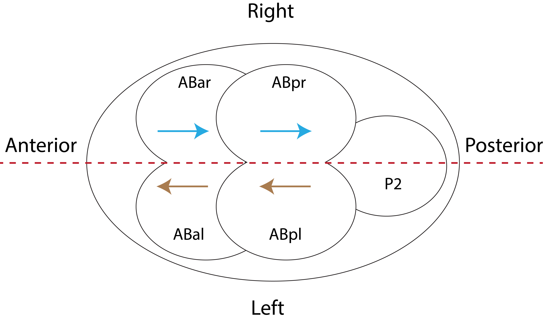
Wildtype

arrows indicate cortical flow direction

*Cortical flow data are obtained from the dorsal view
Each column represents cortical flow in um/s on the right/left side of one embryo from 0s to 250s
N = 10

A positive value means cortical flow is directed towards the posterior
A negative value means cortical flow is directed towards the anterior

