Risk Framework
Time Trust Decay Weighing & Convexity Explained
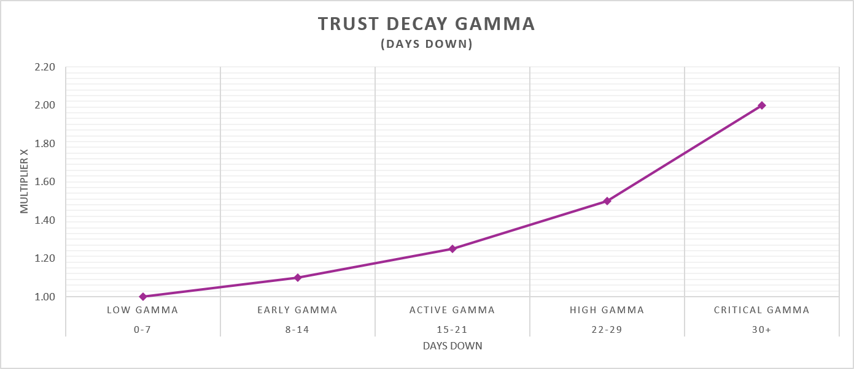

Time Decay | Risk Acceleration | Likelihood Factor
Days Down | Risk Behavior | Multiplier
0-7 | Normal service friction | 1.00
8-14 | Customer patience starts decaying | 1.10
15-21 | Escalation probability rises | 1.25
22-29 | Trust breakdown accelerates | 1.50
30+ | Risk compounds rapidly | 2.00

Sample Risk Driver

Risk Driver | Idiosyncratic Risk Weighting: 0.30 | Likelihood Factor | Time Trust Decay Factor
Repeat Repair | Risk Behavior | Base Risk | 0-7 | 8-14 | 15-21 | 22-29 | 30+
0-1 | Normal service friction | 1.00 | 1 | 1.10 | 1.25 | 1.50 | 2.00
2 | Customer inconvenience escalates | 1.15 | 1.15 | 1.27 | 1.44 | 1.72 | 2.30
3 | Customer begins researrching non-factory resolution | 1.30 | 1.3 | 1.43 | 1.63 | 1.95 | 2.60
4 | Repurchase/legal risk expands | 1.45 | 1.45 | 1.60 | 1.81 | 2.18 | 2.90

Sample VIN

Risk Driver Layers |  | Multiplier | Output
Mobility |  | 1.6 | 1.6
Repeat Repair |  | 1.3 | 1.3
Missed Callbacks |  | 1.75 | 1.75
Call Transfers |  | 3.25 | 3.25
Idiosyncratic Risk |  | ((0.35×1.60)+(0.65×1.30)) × ((0.60×1.75)+(0.40×3.25)) | 3.3
Dealer NPS Multiplier |  | 1.25 | 1.25
Dealer RR Multiplier |  | 1.1 | 1.1
Training Multiplier |  | 1.3 | 1.3
Systemic Risk |  | (0.45×1.25)+(0.35×1.10)+(0.20×1.30) | 1.19
Time Decay / Gamma |  | 30 Days Down | 2
Final Risk Score |  | 3.30 × 1.19 × 2.00 | 7.85

