Product Burndown
Time |  | Tasks
Day | Date | Planned | Actual
Wed | 2023-11-22 | 25 | 25 | Bold = completed.
Thu | 2023-11-23 | 24 | 24
Fri | 2023-11-24 | 24 | 24
Sat | 2023-11-25 | 23 | 23
Sun | 2023-11-26 | 23 | 23
Mon | 2023-11-27 | 22 | 22
Tue | 2023-11-28 | 22 | 22
Wed | 2023-11-29 | 22 | 22
Thu | 2023-11-30 | 22 | 22
Fri | 2023-12-01 | 22 | 22
Sat | 2023-12-02 | 21 | 21
Sun | 2023-12-03 | 21 | 21
Mon | 2023-12-04 | 21 | 21
Tue | 2023-12-05 | 20 | 20
Wed | 2023-12-06 | 20 | 20
Thu | 2023-12-07 | 19 | 20
Fri | 2023-12-08 | 18 | 18
Sat | 2023-12-09 | 18 | 18
Sun | 2023-12-10 | 18 | 18
Mon | 2023-12-11 | 17 | 17
Tue | 2023-12-12 | 16 | 17
Wed | 2023-12-13 | 15 | 17
Thu | 2023-12-14 | 14 | 17
Fri | 2023-12-15 | 13 | 16
Sat | 2023-12-16 | 13 | 16
Sun | 2023-12-17 | 13 | 16
Mon | 2023-12-18 | 13 | 15
Tue | 2023-12-19 | 13 | 14
Wed | 2023-12-27 | 13 | 14
Thu | 2023-12-28 | 12 | 13
Fri | 2023-12-29 | 11 | 11
Sat | 2023-12-30 | 11 | 10
Sun | 2023-12-31 | 11 | 10
Mon | 2024-01-01 | 10 | 10
Tue | 2024-01-02 | 9 | 8
Wed | 2024-01-03 | 8 | 7
Thu | 2024-01-04 | 7 | 7
Fri | 2024-01-05 | 6 | 7
Sat | 2024-01-06 | 5 | 7
Sun | 2024-01-07 | 5 | 6
Mon | 2024-01-08 | 4 | 5
Tue | 2024-01-09 | 4 | 4
Wed | 2024-01-03 | 4 | 4
Thu | 2024-01-04 | 3 | 4
Fri | 2024-01-05 | 2 | 4
Sat | 2024-01-06 | 2 | 3
Sun | 2024-01-07 | 1 | 3
Mon | 2024-01-08 | 1 | 2
Tue | 2024-01-09 | 0 | 0

Sprint 1 Burndown
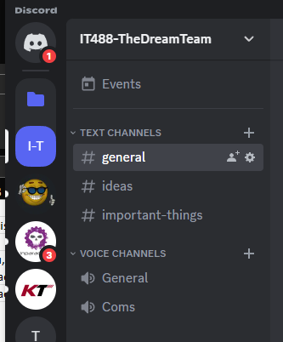
Burndown Chart
Time |  | Tasks
Day | Date | Planned | Actual
Wed | 2023-11-22 | 5 | 5
Thurs | 2023-11-23 | 4 | 4
Fri | 2023-11-24 | 4 | 4
Sat | 2023-11-25 | 3 | 3
Sun | 2023-11-26 | 3 | 3
Mon | 2023-11-27 | 2 | 2
Tues | 2023-11-28 | 1 | 1
Wed | 2023-11-29 | 1 | 1
Thurs | 2023-11-30 | 1 | 1
Fri | 2023-12-01 | 1 | 1
Sat | 2023-12-02 | 1 | 1
Sun | 2023-12-03 | 1 | 1
Mon | 2023-12-04 | 1 | 1
Tues | 2023-12-05 | 0 | 0

 | Bold = completed

Velocity 5 tasks assigned and 5 completed.
Tasks 5 - 5 completed. Picture validation below.

Testing
5 completed tasks fully tested and passed.
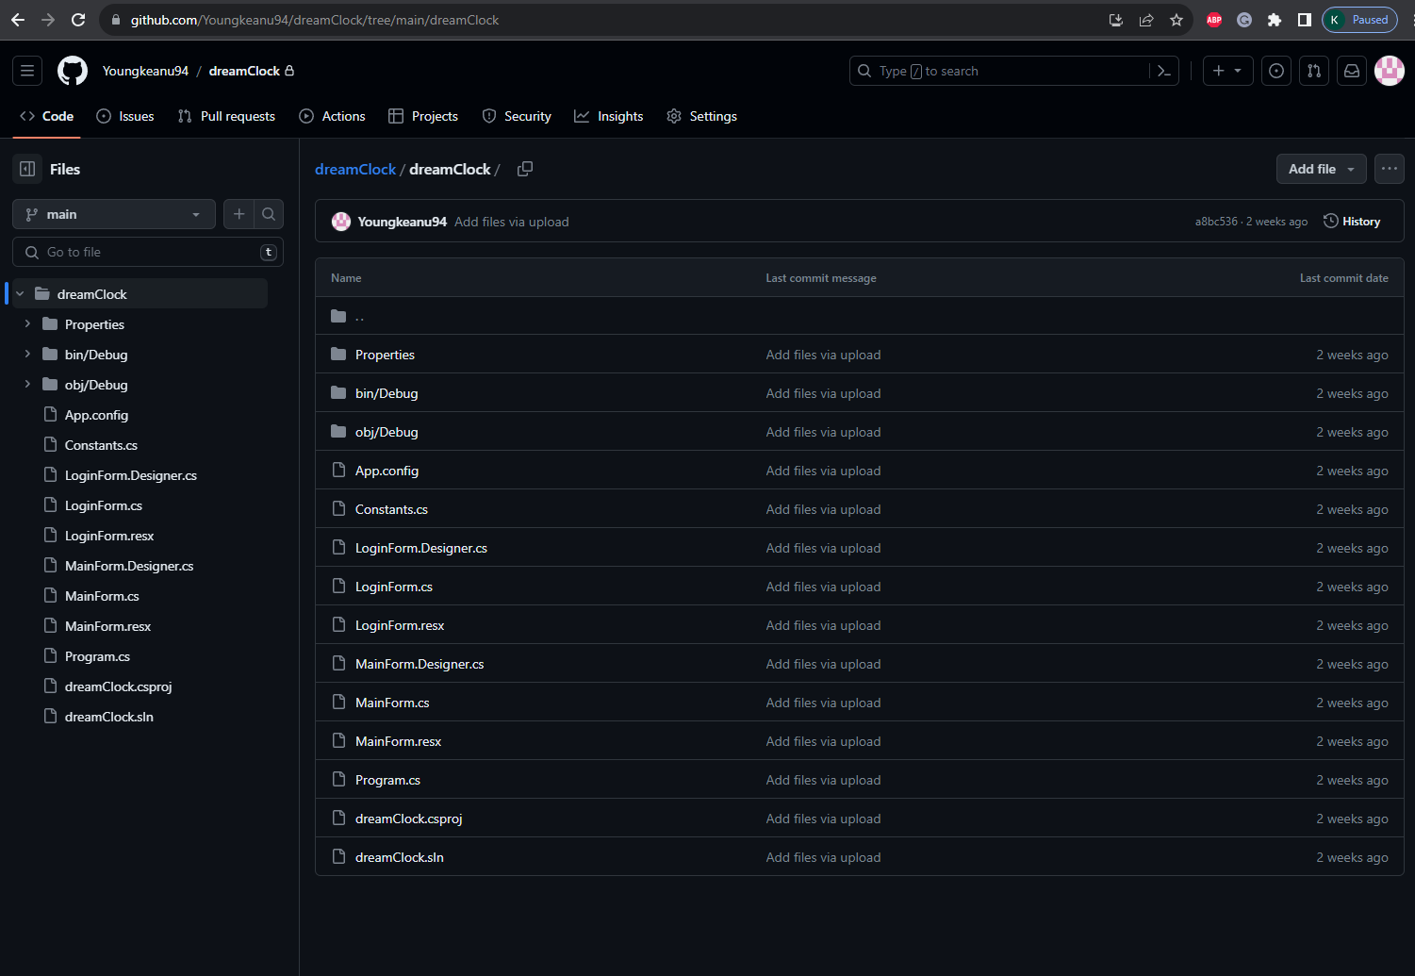
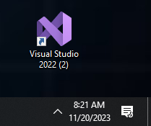
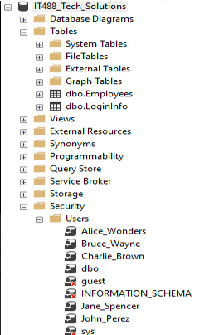
Screenshots------------------>

Sprint 1 Demo
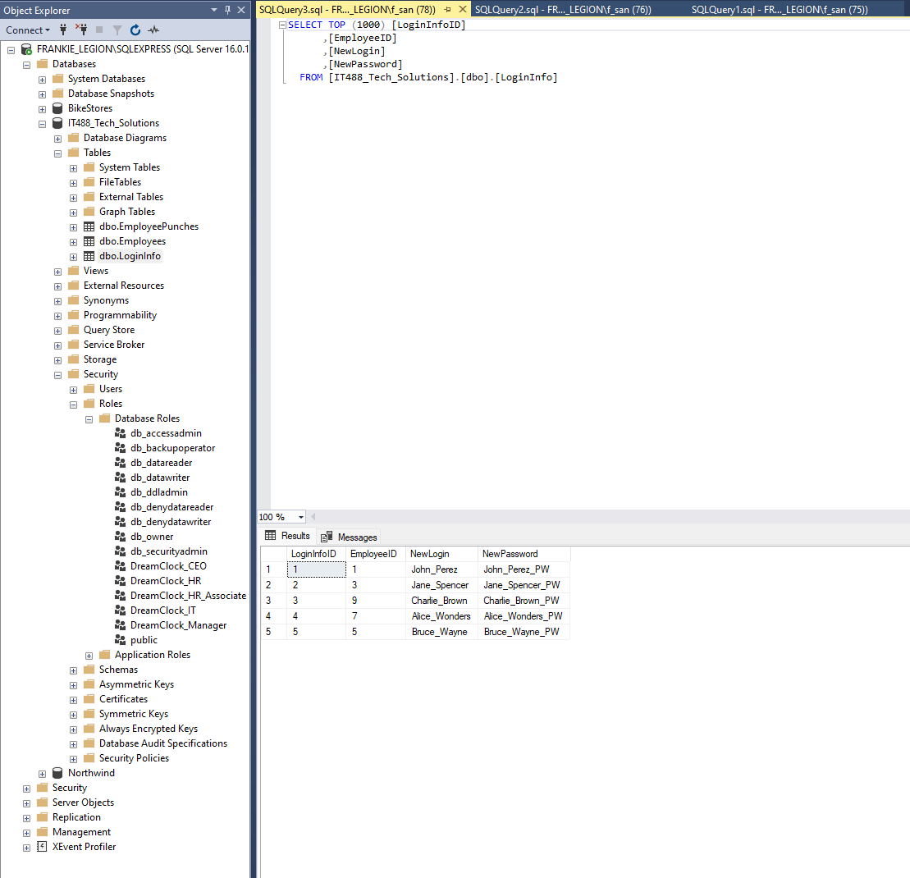
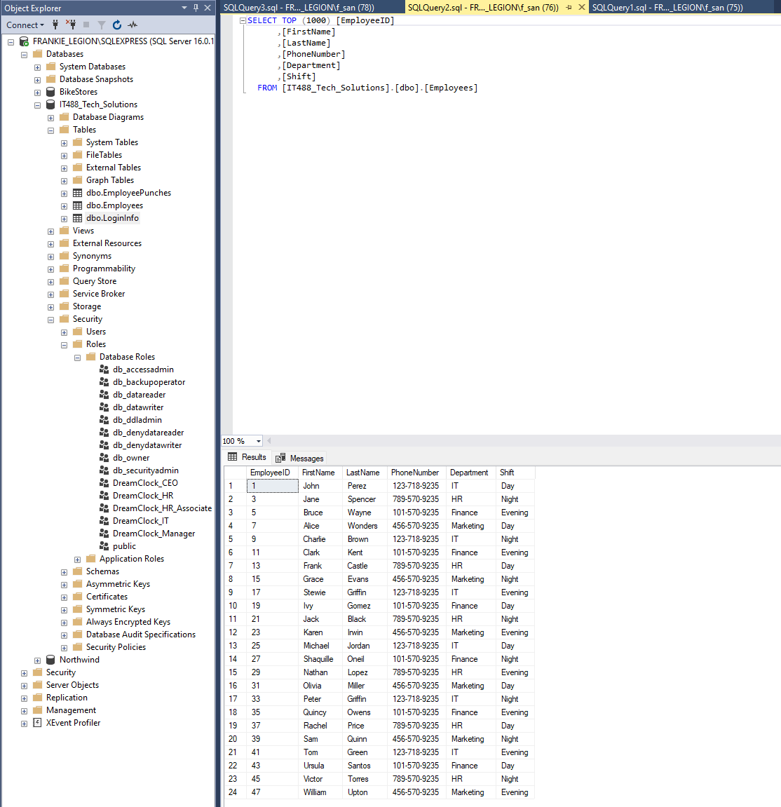
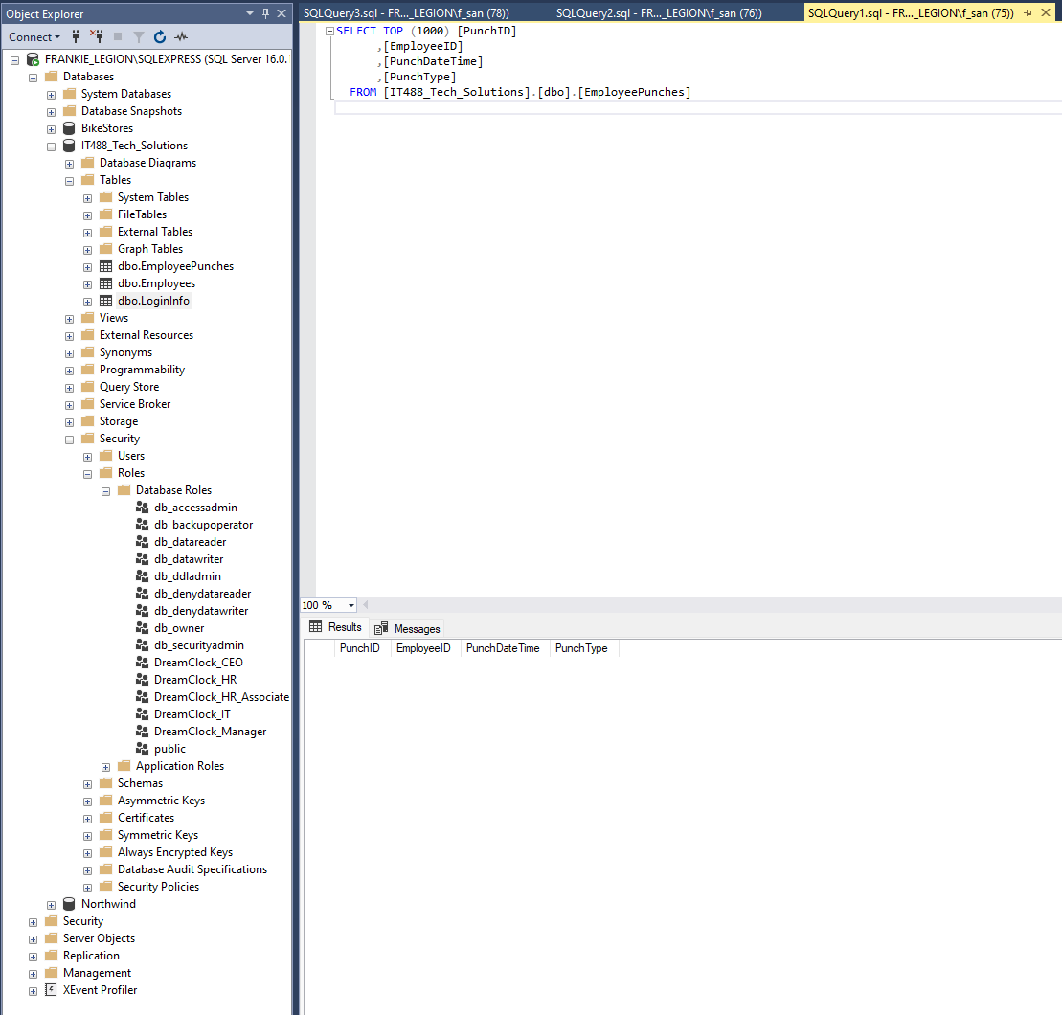
Task | By | Accepted | Notes
Create DB environment | Francisco, Tyler | Yes
Download Visual studio | All | Yes
Begin project | Amsu, Michael | Yes
Create repository and upload all source code and database on GitHub | Michael | Yes
Create Discord (CMS) for new communication, ideas, bugs and possible features | Michael | Yes | Daily meetings at 9am (EST) and brain storming

Demo screenshots here

Sprint 1 Review
Done | Updated | Notes
2023-11-21 | Product backlog updated for new design concepts. | Database is still being created.
2023-12-04 | Sprint one burndown, planning backlog, review, and retrospective. | Database has been completed, uploaded to server and sprint 1 is officially complete.

Velocity

Velocity consisted of 5 tasks assigned and 5 tasks completed. |  |  | Tasks Assigned | Tasks Completed
 |  |  | 5 | 5

Testing

Screenshots

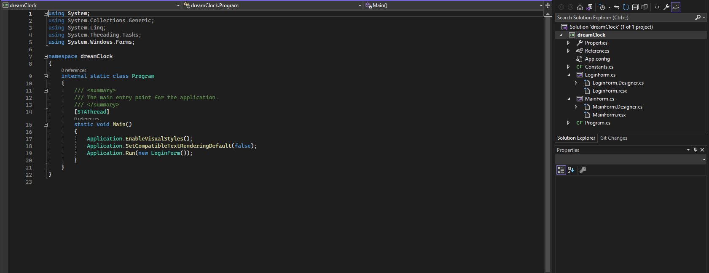
Code
Completed | https://github.com/Youngkeanu94/dreamClock/tree/main/dreamClock

Review of sprint and product |  | The DreamClock is capable of tracking employees' worked hours.The purpose of this sprint was to get that initial project process started. The main five tasks aim to do exactly that as the next sprint the team will add some unique features to the application.

Sprint 2 Burndown
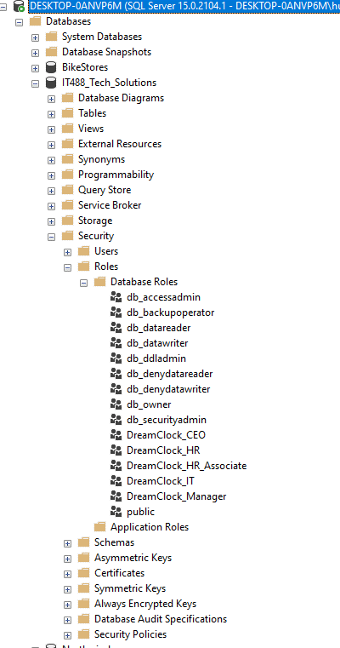
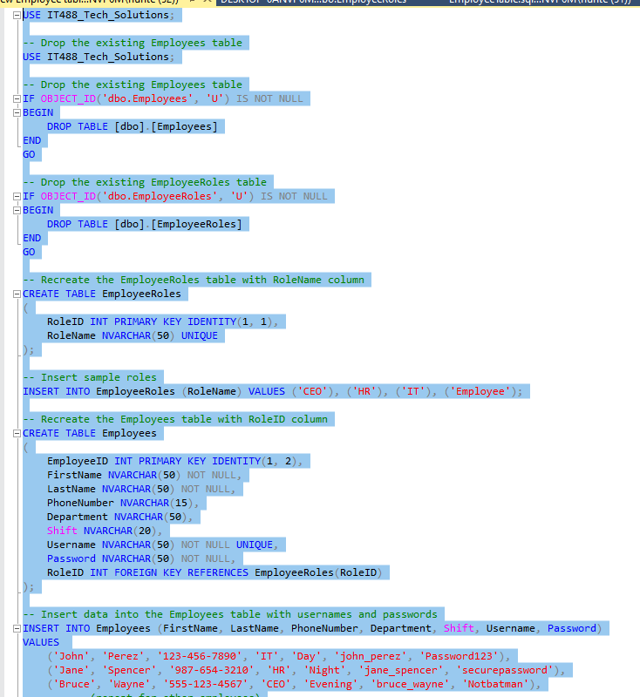
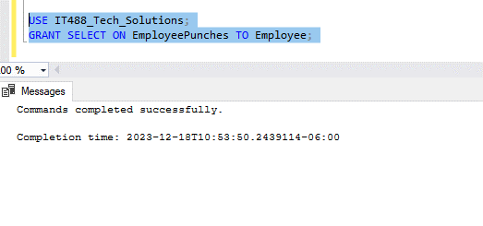
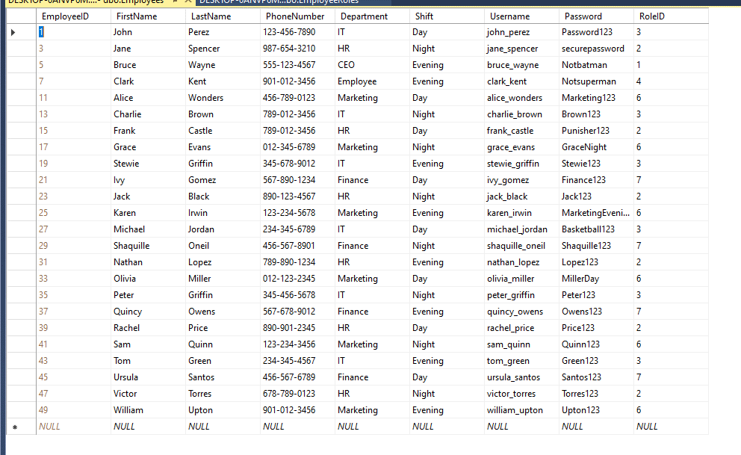
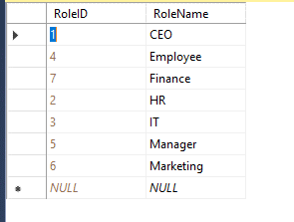
Burndown Chart
Time |  | Tasks
Day | Date | Planned | Actual
Wed | 2023-12-06 | 7 | 7
Thurs | 2023-12-07 | 6 | 7
Fri | 2023-12-08 | 5 | 5
Sat | 2023-12-09 | 5 | 5
Sun | 2023-12-10 | 5 | 5
Mon | 2023-12-11 | 4 | 4
Tues | 2023-12-12 | 3 | 4
Wed | 2023-12-13 | 2 | 3
Thurs | 2023-12-14 | 1 | 3
Fri | 2023-12-15 | 0 | 2
Sat | 2023-12-16 | 0 | 2
Sun | 2023-12-17 | 0 | 2
Mon | 2023-12-18 | 0 | 1
Tues | 2023-12-19 | 0 | 0

 | Bold = completed

Velocity 7 tasks assigned and 3 completed.
Tasks 7 - 7 completed. Picture validation below.
Code | https://github.com/Youngkeanu94/dreamClock
Testing
Task 7 of 7 completed and fully tested. Picture validation below.

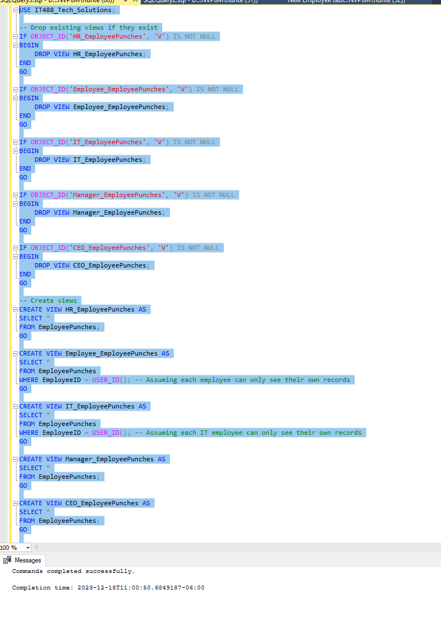
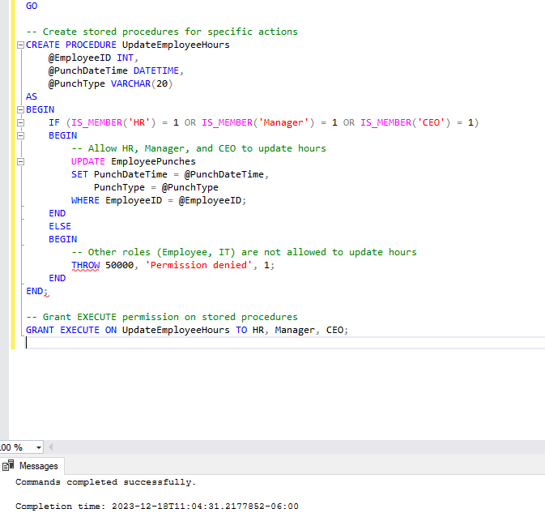
Screenshots------------------>

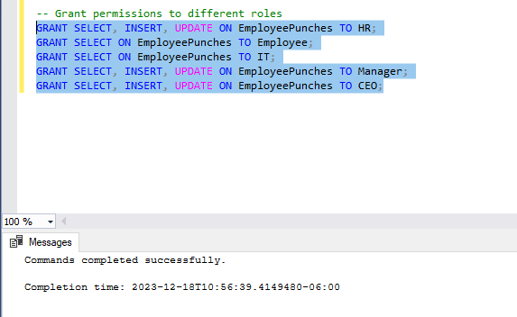
LoginForm Testing/Demo found here ->https://youtu.be/0YCS_pOBO40

Sprint 2 Demo
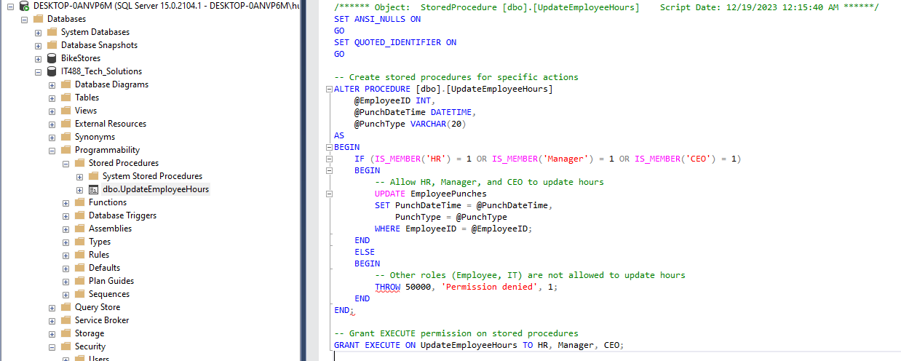
Task | By | Accepted | Notes
Create a database table used for tracking the amount of hours employees have worked | Tyler & Francisco | Yes
Come up with company standard roles for the database. Such as CEO, HR, Sales, etc. | Tyler & Francisco & Amsu | Yes
Create basic login GUI called LoginForm | Michael | Yes
Give the GUI the appropriate buttons, text boxes and labels. | Amsu | Yes
Create unique permissions for each unique role in database | Tyler & Francisco | Yes
Create login and cancel button on the LoginForm | Michael | Yes | Demo found here (same as testing video) --------------> | https://youtu.be/0YCS_pOBO40
Upload new code to repository | Michael | Yes

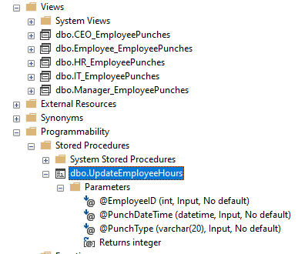
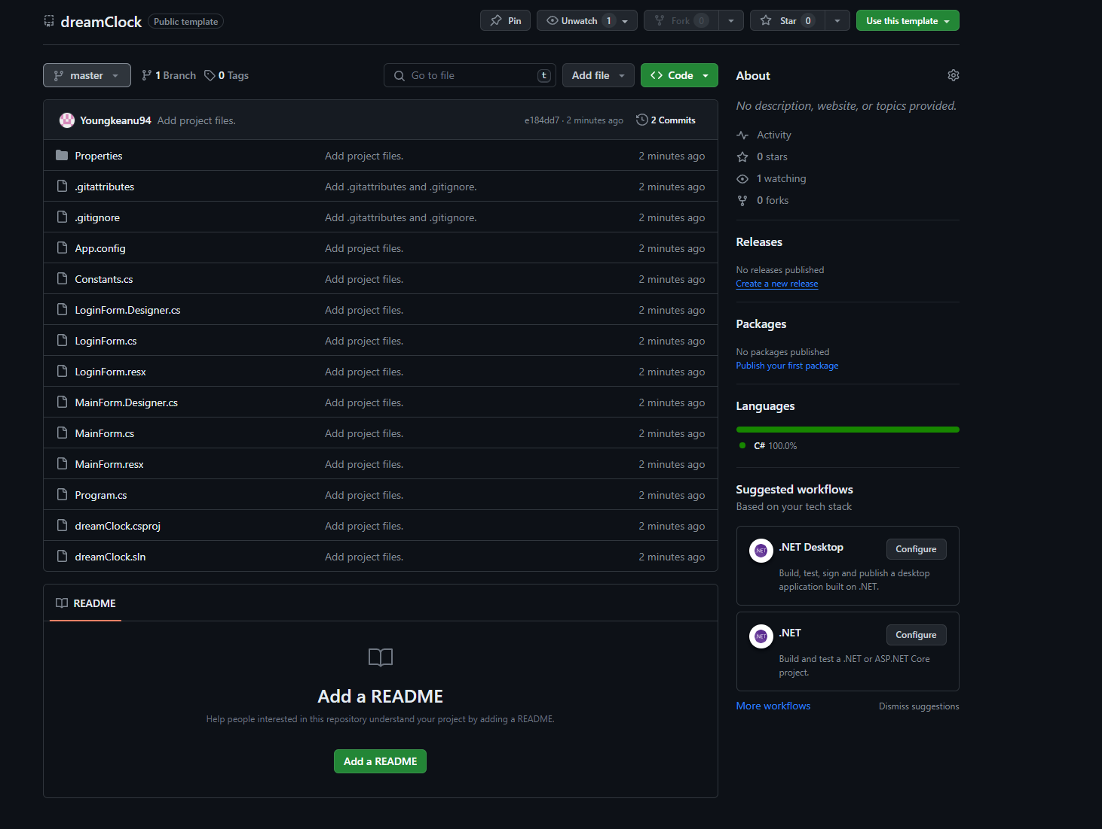
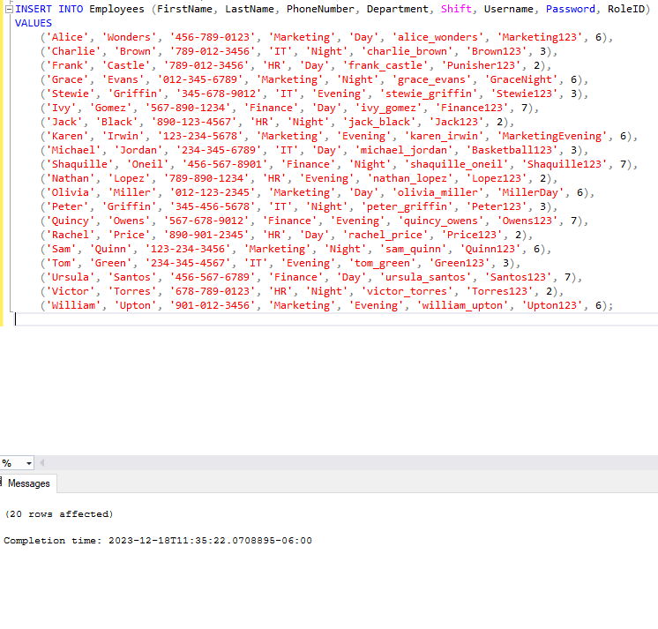
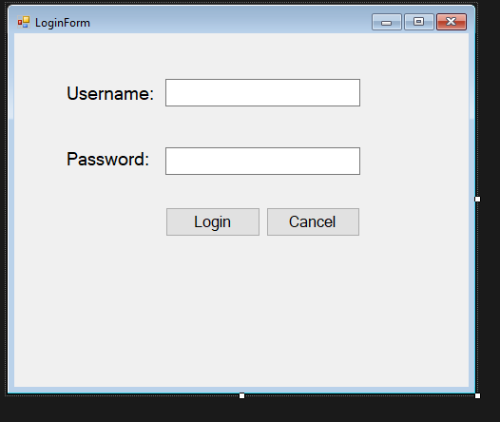
Demo screenshots here

Sprint 2 Review
Done | Updated | Notes
2023-11-21 | Product backlog updated for new design concepts. | Database is still being created.
2023-12-04 | Sprint one burndown, planning backlog, review, and retrospective. | Database has been completed, uploaded to server and sprint 1 is officially complete.
2023-12-19 | Sprint 2 planning backlog, burndown, demo, and review | We ran into technical issues when making the GUI and the database. Issues have been resolved but it took more time than expected.
Velocity

Velocity consisted of 7 tasks assigned and 7 tasks completed. |  |  | Tasks Assigned | Tasks Completed
 |  |  | 7 | 7

Testing: All tasks were successfully tested ~ See Sprint burndown 2 for confirmation

Screenshots

Code
Completed | https://github.com/Youngkeanu94/dreamClock

Review of sprint and product |  | This sprint was focused on establishing the application's GUI as well as creating unique roles in the database and permissions for those roles.

Sprint 3 Burndown
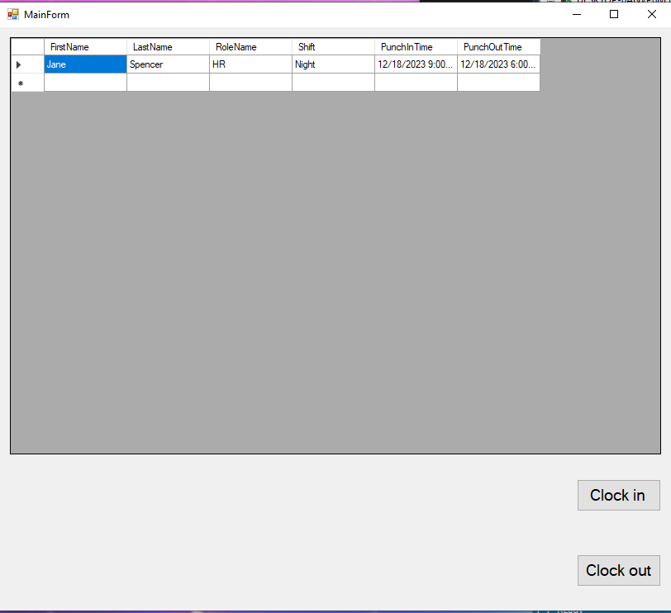
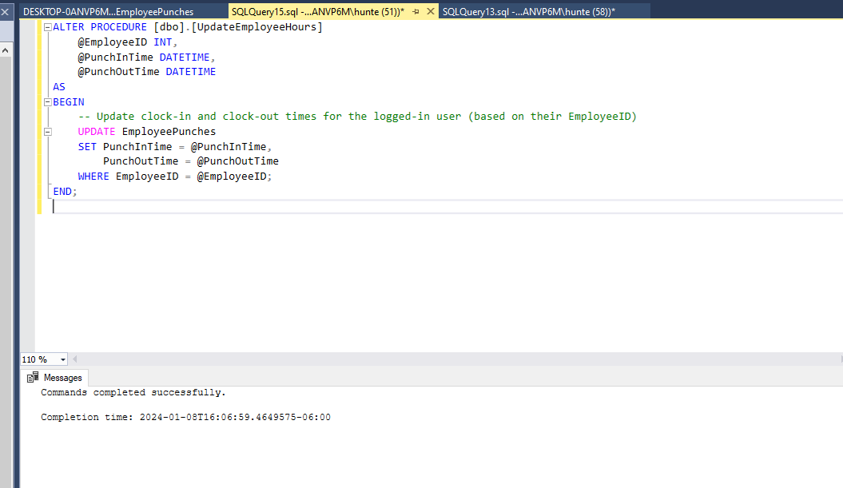
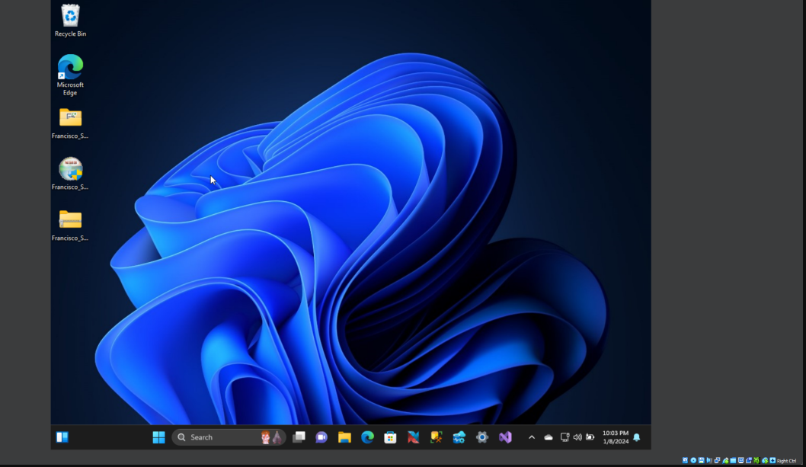
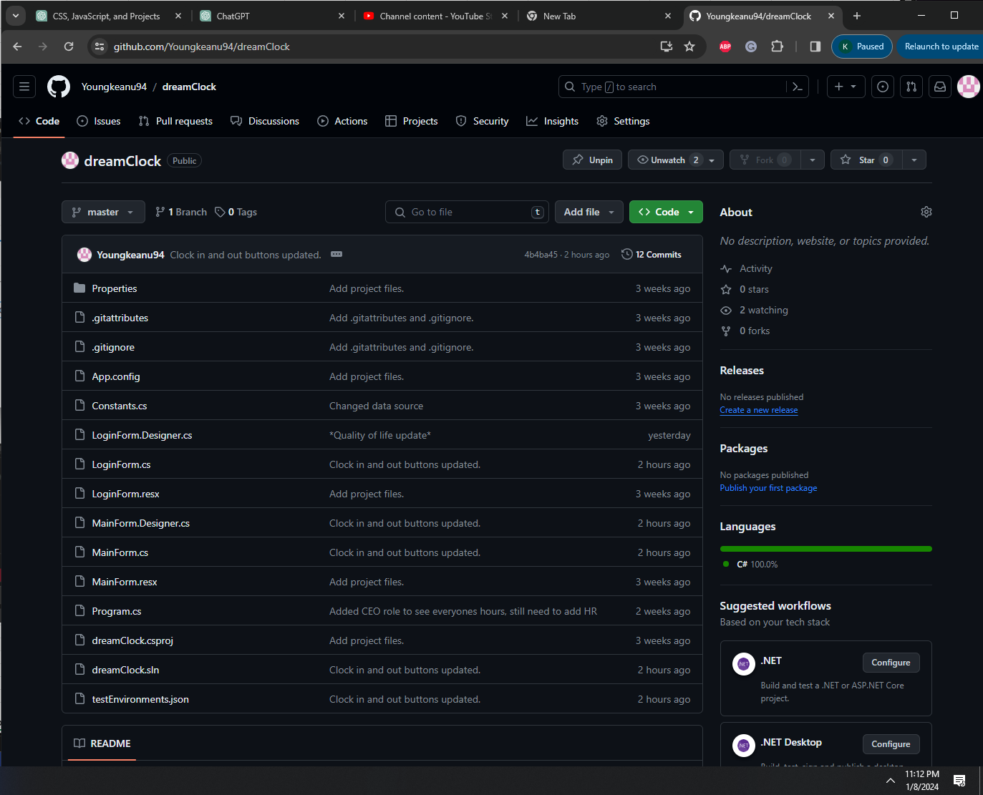
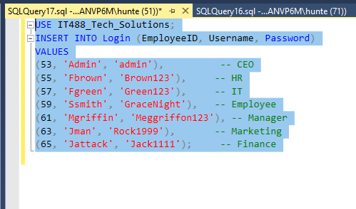
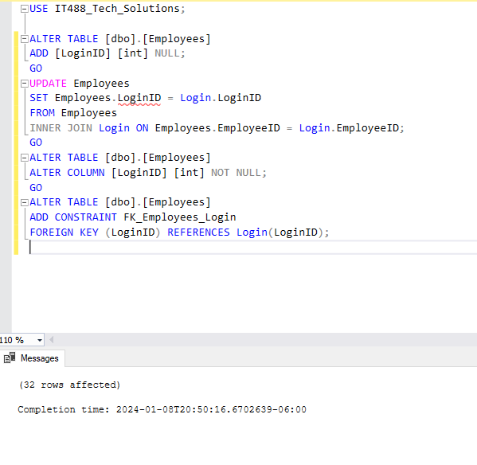
Burndown Chart
Time |  | Tasks
Day | Date | Planned | Actual
Wed | 2023-12-27 | 9 | 9
Thurs | 2023-12-28 | 8 | 8
Fri | 2023-12-29 | 7 | 6
Sat | 2023-12-30 | 7 | 5
Sun | 2023-12-31 | 7 | 5
Mon | 2024-01-01 | 6 | 5
Tues | 2024-01-02 | 5 | 3
Wed | 2024-01-03 | 4 | 3
Thurs | 2024-01-04 | 3 | 3
Fri | 2024-01-05 | 2 | 3
Sat | 2024-01-06 | 2 | 3
Sun | 2024-01-07 | 2 | 2
Mon | 2024-01-08 | 1 | 1
Tues | 2024-01-09 | 1 | 1

 | Bold = completed

Estimated velocity: 9 tasks. Completed 12 tasks. Adjusting the next sprint's velocity estimate based on this sprint's performance.
Tasks 11 - 9 completed. .
Code | https://github.com/Youngkeanu94/dreamClock
Testing
8 of 9 completed tasks fully tested and passed.

Screenshots------------------> |  |  | Video testing found here:https://www.youtube.com/watch?v=WqNXKBLOFz4

Sprint 3 Demo
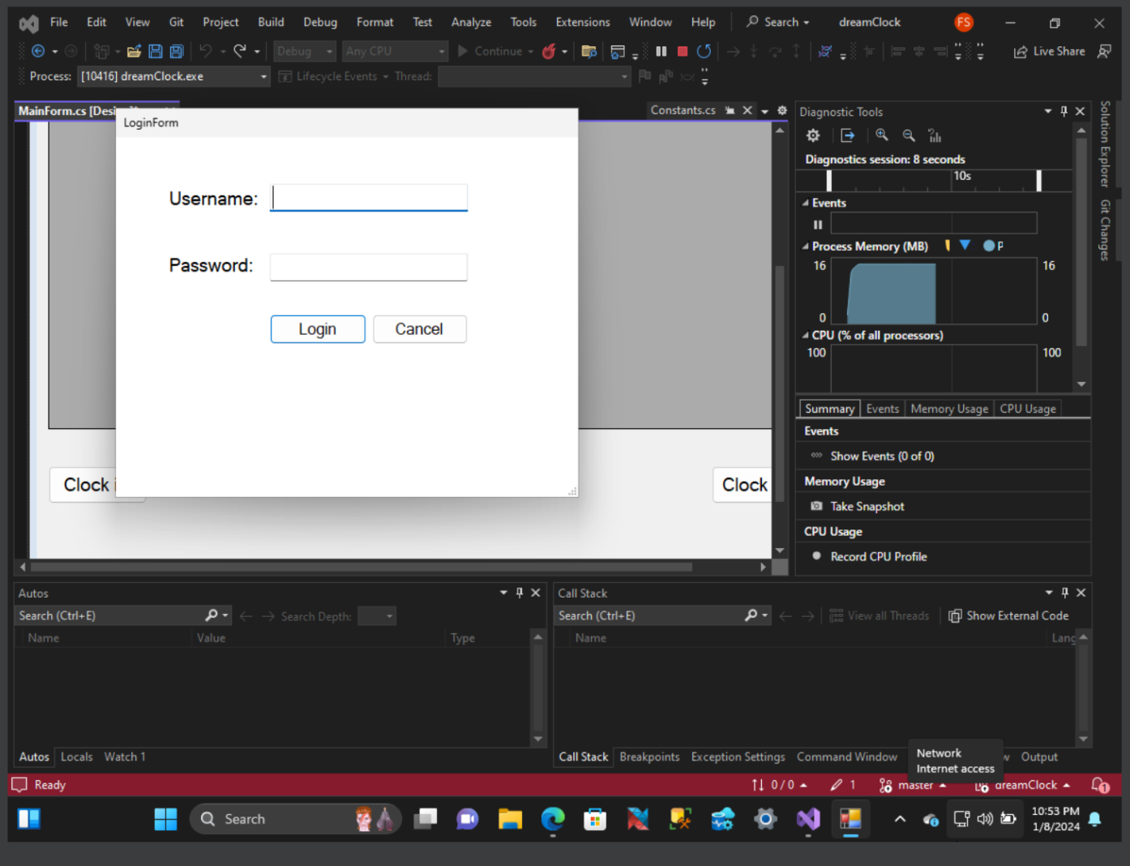
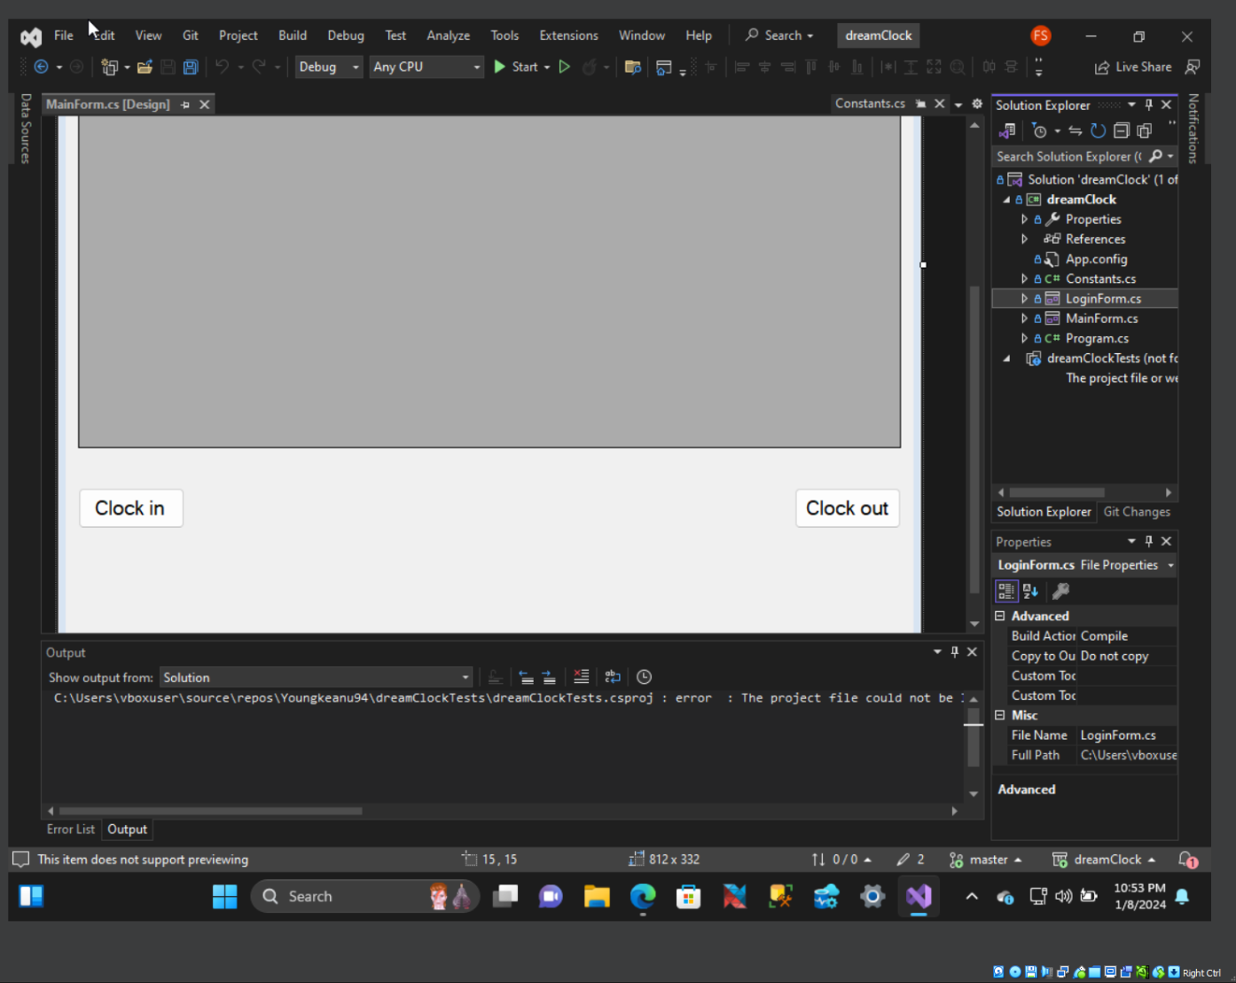
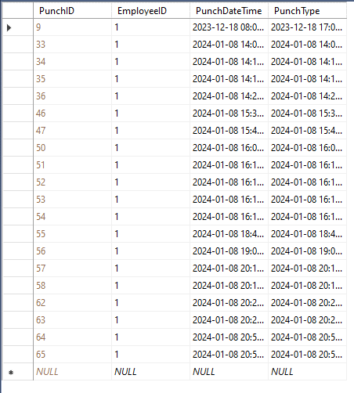
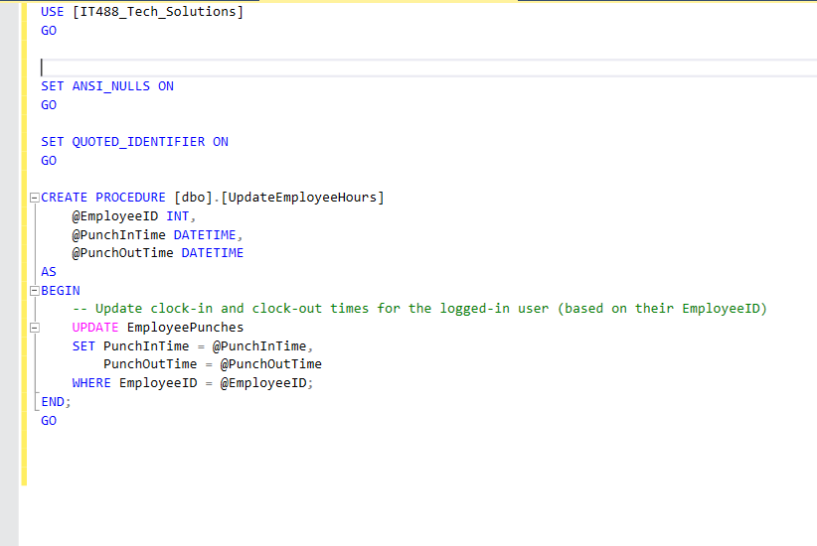
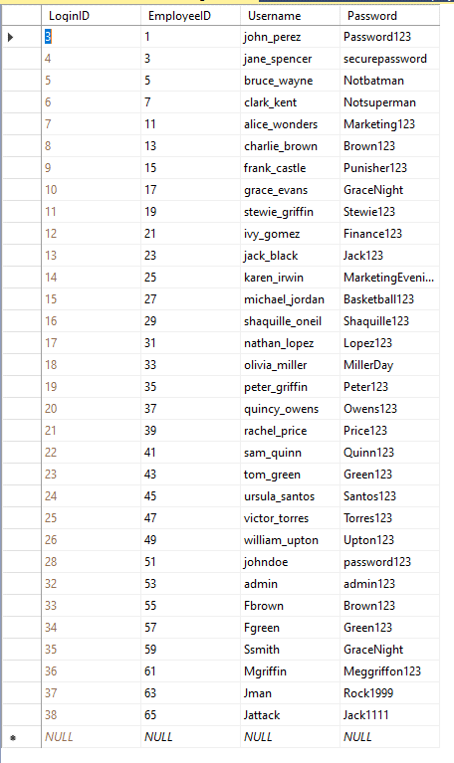
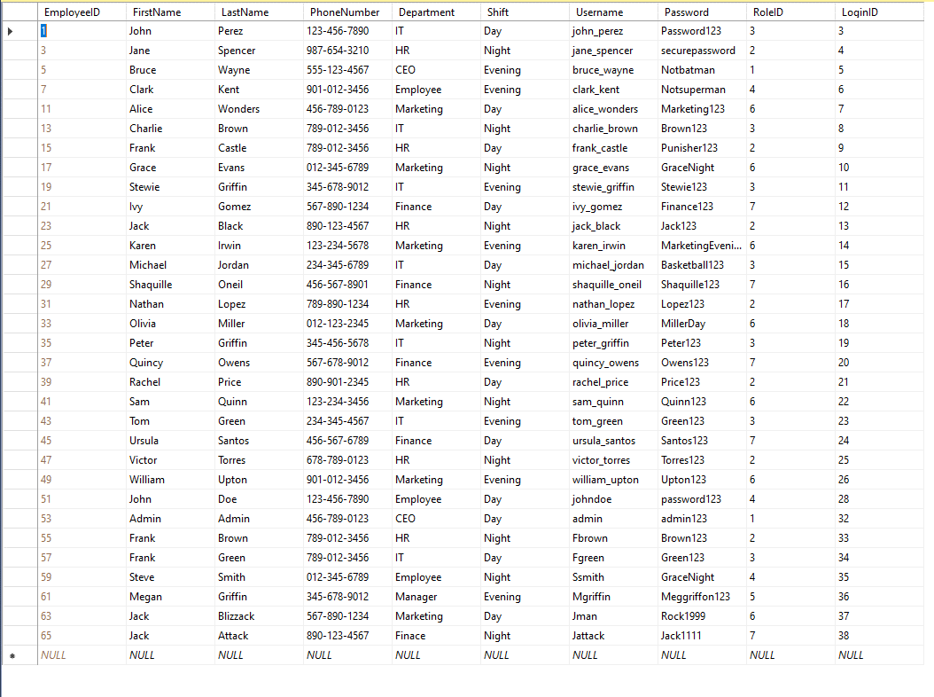
Task | By | Accepted | Notes
Create login method for text box 1 & 2 | Michael | Yes
Connect the application to the database. | tyler | Yes
Add MainForm for users to be directed to after successful login | Fransisco, Tyler | Yes
QA for coding and DB | Fransisco, Michael, Amsu, Tyler | Yes
Give the MainForm a datagrid to display data. | Michael | Yes
Add Clock in & Clock out button on the MainForm | Tyler | Yes
Give the input buttons functionality (Login/Cancel) | Amsu | Yes
Give Clock in & Clock out buttons functionality | Fransisco, Amsu, Michael | yes
Conduct unit/integration testing on the Clock in & Clock out buttons | Amsu | no | Had a hard time referencing the projects solution in MSTest and Nunit frameworks.
Upload new code to repository | Amsu/Mike | yes | Done twice over the two weeks
Debug Application/Database | Tyler, Francisco | no | This task ended up being a nightmare for the team. First encountering SSL errors
Install/ configure Virtual Machine | Amsu | yes | First two screenshots is our product running on a VM.

Demo found here (same as testing video) --------------> | https://www.youtube.com/watch?v=WqNXKBLOFz4

Sprint 3 Review
Done | Updated | Notes
2023-11-21 | Product backlog updated for new design concepts. | Database is still being created.
2023-12-04 | Sprint one burndown, planning backlog, review, and retrospective. | Database has been completed, uploaded to server and sprint 1 is officially complete.
2023-12-19 | Sprint 2 planning backlog, burndown, demo, and review. | We ran into technical issues when making the GUI and the database. Issues have been resolved but it took more time than expected.
Velocity
2024-01-01 | Sprint 3 planning backlog, burndown, demo, and review. | There were some issues getting the clock-in/out function to sync with the DB. Additional tasks added.
2024-01-09 | Sprint 3 burndown, review, retrospective, and the product burndown. | Still having trouble with the clock-in/out button functionality. The problem remains unclear and the team is still searching for a solution. This sprint was the hardest one yet for our team as we encountered underlying issues with the application and the database. This ultimately led to a crazy amount of hours over the sprint.

Estimated Velocity consisted of 9 tasks assigned, 11 tasks were completed and 1 failed. |  |  | Tasks Assigned | Tasks Completed
 |  |  | 9 | 11

Testing: 8 tasks successfully tested 1 failed ~ See Sprint burndown 3 for confirmation

Screenshots

Code
Completed | https://github.com/Youngkeanu94/dreamClock

Review of sprint and product |  | This sprint focused on the core functionality of our product. Such as logging in, clocking in/out, and updating to show those new hours by employees. This sprint also brought unexpected trouble for the team as we had to take on more than expected tasks during this sprint. This was arguably the most difficult sprint for us.

Sprint 4 Burndown
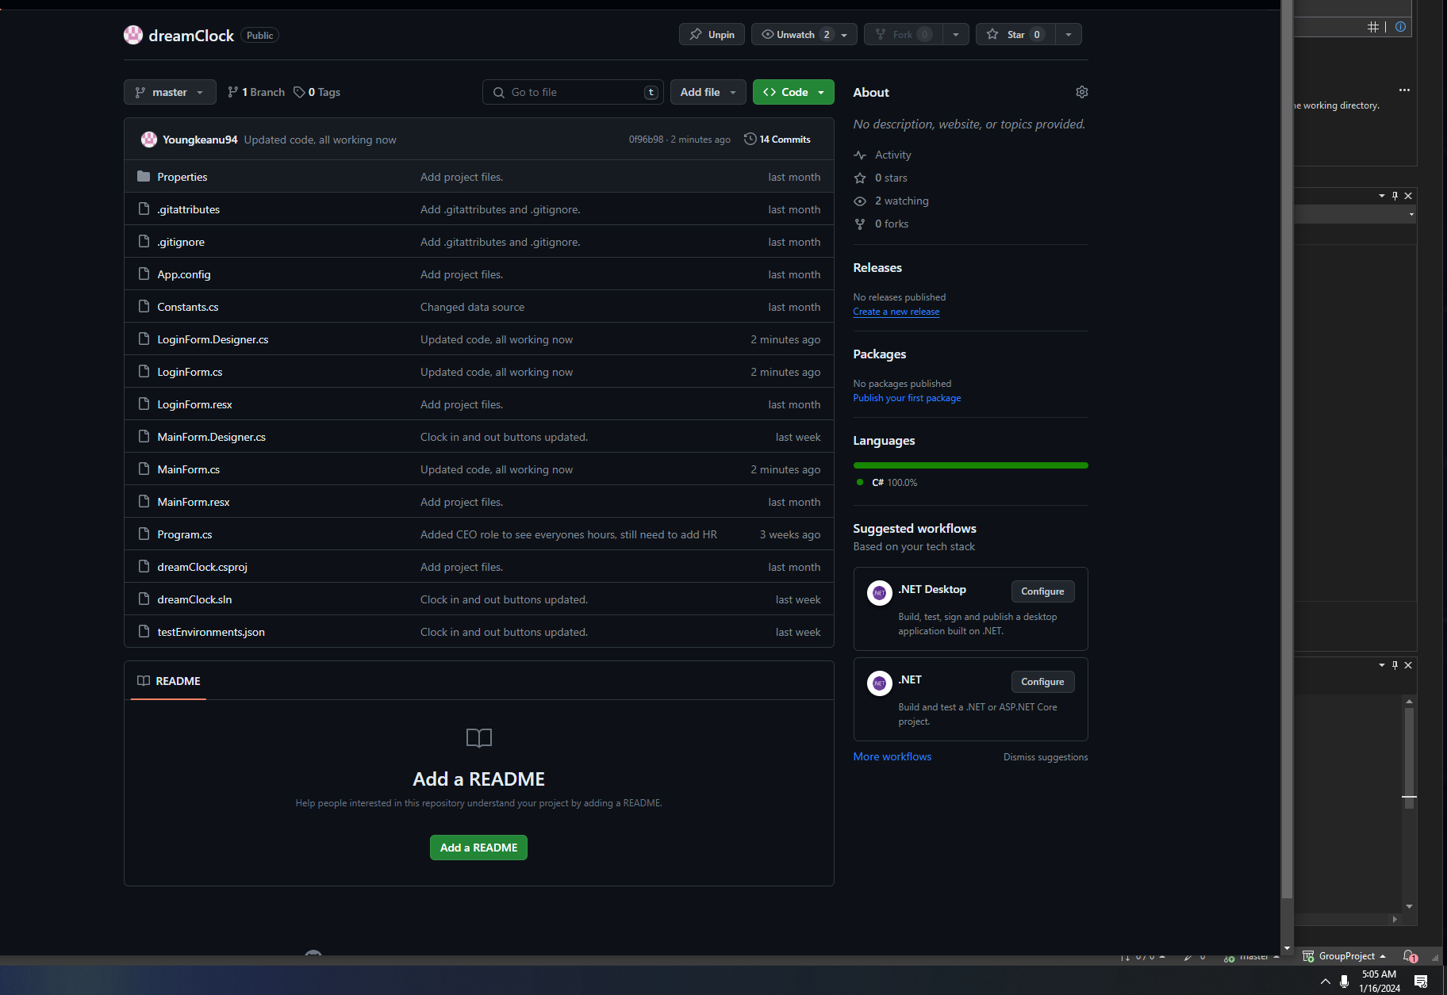
Burndown Chart
 | Planned | Actual
 | 4 | 4
 | 3 | 4
 | 2 | 4
 | 2 | 3
 | 1 | 3
 | 1 | 2
 | 0 | 0
Time |  | Tasks
Day | Date | Planned | Actual
Wed | 2024-01-03 | 4 | 4
Thurs | 2024-01-04 | 3 | 4
Fri | 2024-01-05 | 2 | 4
Sat | 2024-01-06 | 2 | 3
Sun | 2024-01-07 | 1 | 3
Mon | 2024-01-08 | 1 | 2
Tues | 2024-01-09 | 0 | 0

 | Bold = completed

Velocity 4 tasks assigned and 4 completed.
Tasks 4 - 4 completed.
Code > https://github.com/Youngkeanu94/dreamClock
Testing
4 completed tasks fully tested and passed. |  |  |  | Video testing/demo > https://www.youtube.com/watch?v=7m4dp_Myxeo

Screenshots------------------>

Sprint 4 Demo
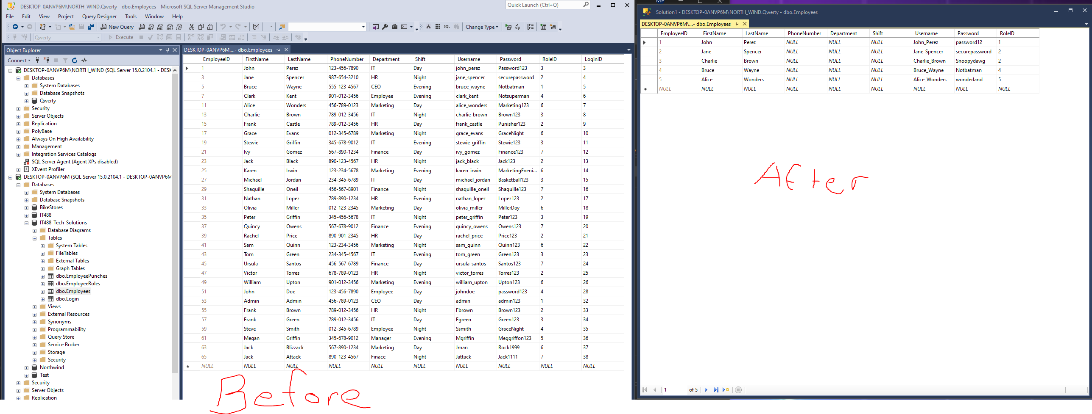
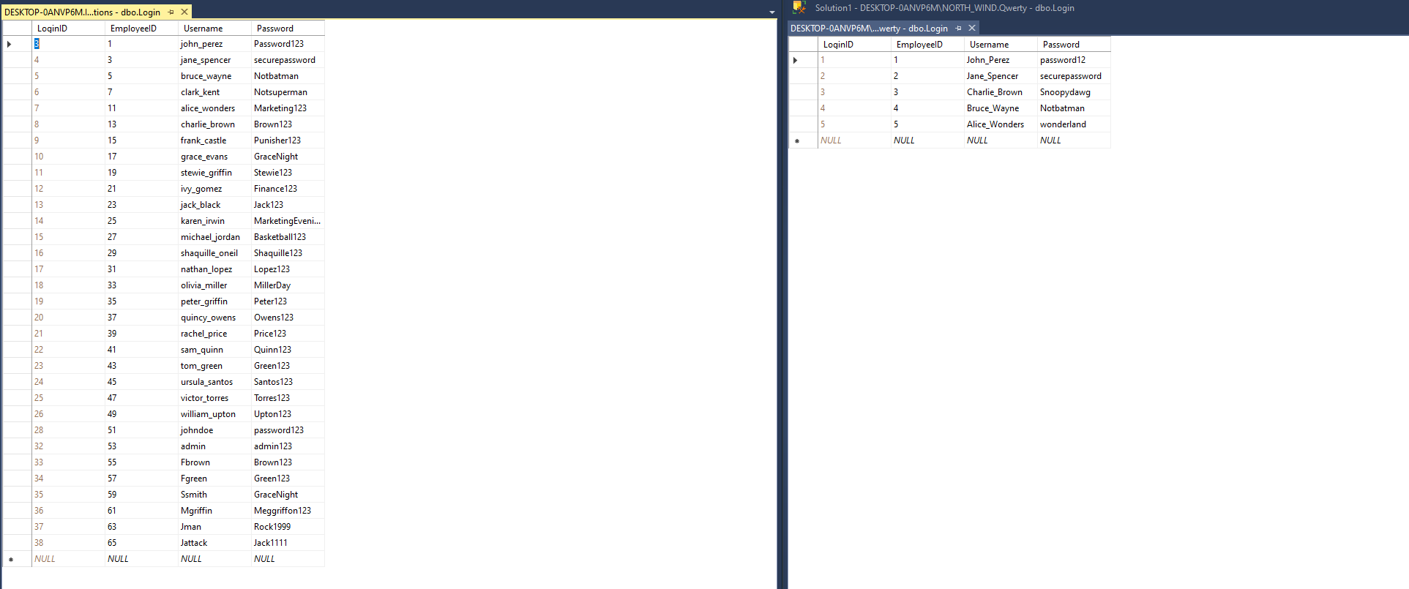
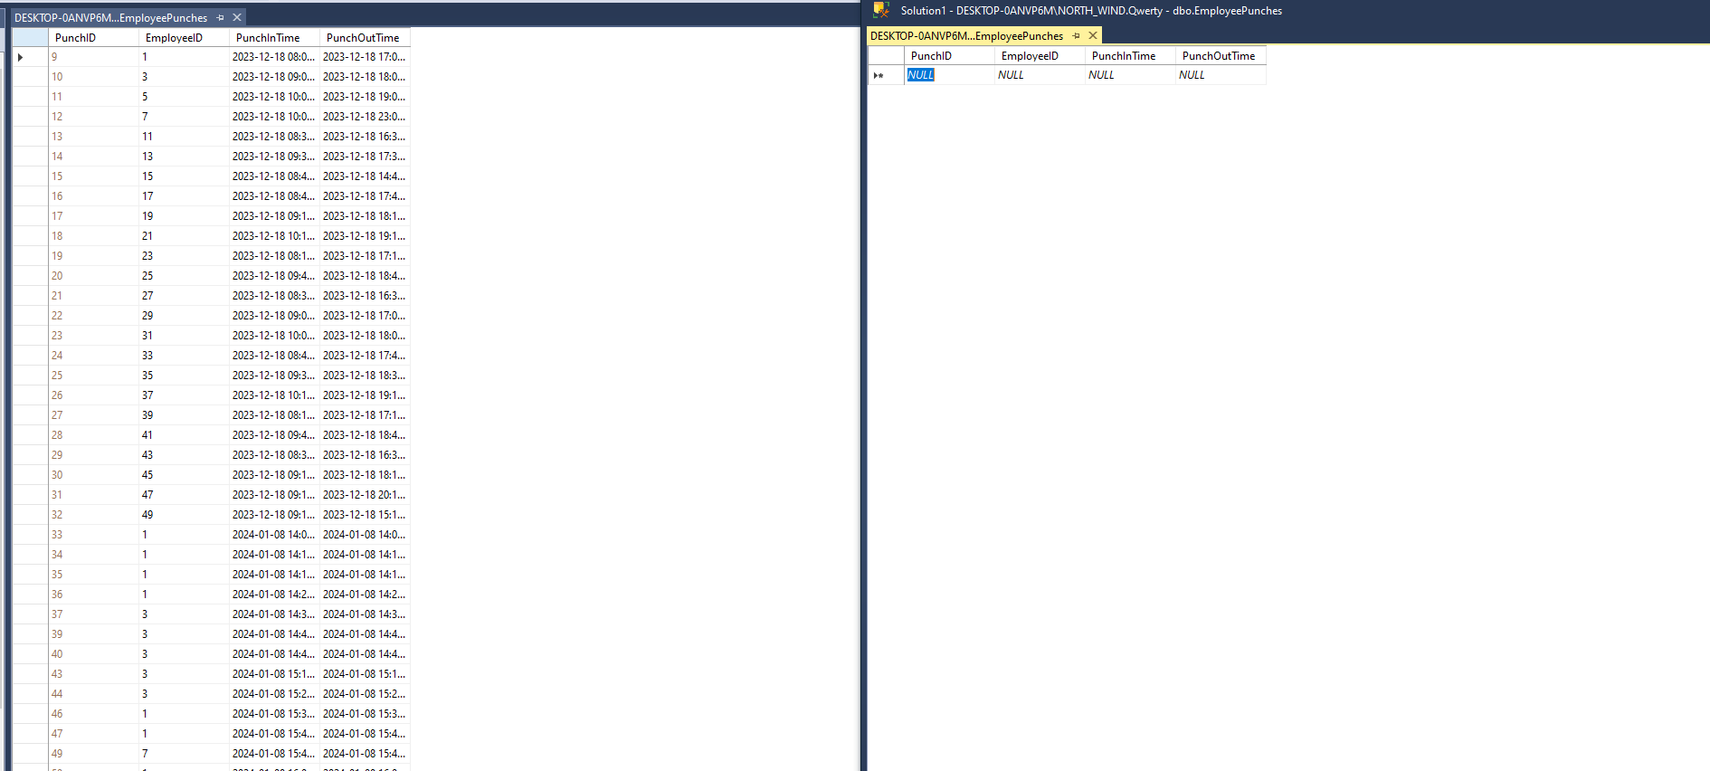
Task | By | Accepted | Notes
Test overall functionality of the application | Tyler | Yes
Revise/Refine the applications code | Amsu | Yes
Debug | Michael, Tyler, Francisco | Yes | Became more of a team effort and took longer than anticipated
Upload code to repository | Tyler | Yes
 |  |  | Daily meetings at 9am (EST) and brain storming

https://www.youtube.com/watch?v=7m4dp_Myxeo | <-- Same video on burndown

Demo screenshots here

Sprint 4 Review
Done | Updated | Notes
2023-11-21 | Product backlog updated for new design concepts. | Database is still being created.
2023-12-04 | Sprint one burndown, planning backlog, review, and retrospective. | Database has been completed, uploaded to server and sprint 1 is officially complete.
2023-12-19 | Sprint 2 planning backlog, burndown, demo, and review. | We ran into technical issues when making the GUI and the database. Issues have been resolved but it took more time than expected.
2024-01-01 | Sprint 3 planning backlog, burndown, demo, and review. | There were some issues getting the clock-in/out function to sync with the DB. Additional tasks added.
Velocity
2024-01-09 | Sprint 3 burndown, review, retrospective, and the product burndown. | Still having trouble with the clock-in/out button functionality. The problem remains unclear and the team is still searching for a solution. This sprint was the hardest one yet for our team as we encountered underlying issues with the application and the database. This ultimately led to a crazy amount of hours over the sprint.
2024-01-16 | Sprint 4 burndown, review, demo retrospective, and the product burndown. | The code was revised/refined. Debugging was a challenge. Overall, successful sprint

Estimated Velocity consisted of 4 tasks assigned, 4 tasks were completed |  |  |  | Tasks Assigned | Tasks Completed
 |  |  |  | 4 | 4

Testing: 4 tasks successfully tested ~ See Sprint burndown 4 for confirmation

Screenshots

Code
Completed | https://github.com/Youngkeanu94/dreamClock | Application Demo/testing > https://www.youtube.com/watch?v=7m4dp_Myxeo | Database Review> https://youtu.be/6e9O7untWck
Review of sprint and product |  | The final sprint's main focus was putting the finishing touches on the application and working out some know bugs for optimal performance

