JTAG conn
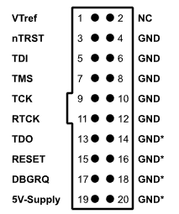
JLINK | JLINK | cable | cable | ESP32 | ESP32 | huzzah | aligned with>
pin | name | color | color 2 | pin | signal |  | esp docs:
1 | Vcc | red | red | 2 |  | 3V |  | ESP32 Pin | JTAG Signal
4 | GND | black | brown | 1 | GND | GND | 1 | CHIP_PU | TRST_N
5 | TDI | white | black | 14 | IO12 | 12 | 2 | MTDO / GPIO15 | TDO
7 | TMS | grey | white | 13 | IO14 | 14 | 3 | MTDI / GPIO12 | TDI
9 | TCK | purple | grey | 16 | IO13 | 13 | 4 | MTCK / GPIO13 | TCK
13 | TDO | blue | blue | 23 | IO15 | 15 | 5 | MTMS / GPIO14 | TMS
15 | nRST | green | green | 3 | EN | RST | 6 | GND | GND
3 | nTRST |  | maroon |  |  |  | https://docs.espressif.com/projects/esp-idf/en/latest/api-guides/jtag-debugging/configure-other-jtag.html

