SPI ETH ESP32
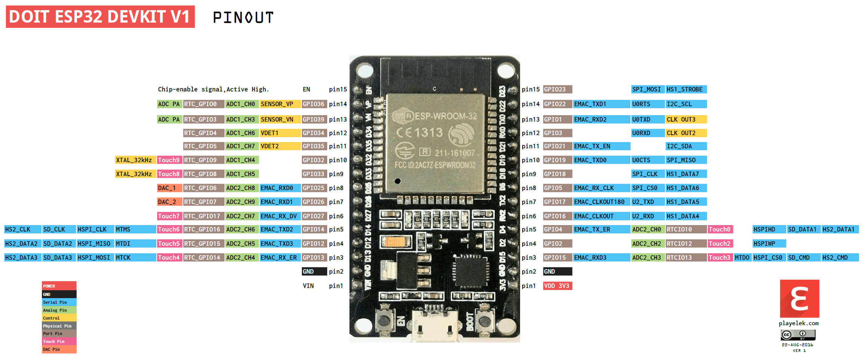
Contents!A1
ESP32 pin | ESP32 | Huzzah | cable | datasheet | meas on | ETH DEEK | brown | 3v3 | IO
VSPI | IO | pin |  | ESP marking | cables | pin conn
29 | IO5 | SCK/5 | y-purple | CS | SCK | 13 | black | GND
37 | IO23 | SDA/23 | y-grey | MOSI | highZ?CS | 10 | red | ETH_RST | 4
31 | IO19 | MISO/19 | y-white | MISO | highZ?MISO | 12 | orange | SD_CS | 17
30 | IO18 | MOSI/18 | grey | SCK | MOSI | 11 | yellow | SCK | 5
 |  | GND | white |  | 0 | GND | green | MOSI | 18
 |  | USB | purple |  | 5V | 5V | white | MISO | 19
 |  |  |  |  |  |  | grey | CS_ETH | 23

JTAG conn
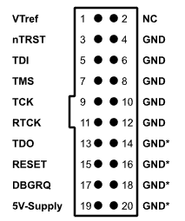
Contents!A1

JLINK | JLINK | cable | cable | ESP32 | ESP32 | huzzah | aligned with>
pin | name | color | color 2 | pin | signal |  | esp docs:
1 | Vcc | red | red | 2 |  | 3V |  | ESP32 Pin | JTAG Signal
4 | GND | black | brown | 1 | GND | GND | 1 | CHIP_PU | TRST_N
5 | TDI | white | black | 14 | IO12 | 12 | 2 | MTDO / GPIO15 | TDO
7 | TMS | grey | white | 13 | IO14 | 14 | 3 | MTDI / GPIO12 | TDI
9 | TCK | purple | grey | 16 | IO13 | 13 | 4 | MTCK / GPIO13 | TCK
13 | TDO | blue | blue | 23 | IO15 | 15 | 5 | MTMS / GPIO14 | TMS
15 | nRST | green | green | 3 | EN | RST | 6 | GND | GND
3 | nTRST |  | maroon |  |  |  | https://docs.espressif.com/projects/esp-idf/en/latest/api-guides/jtag-debugging/configure-other-jtag.html

El-chem debugging
 | Contents!A1

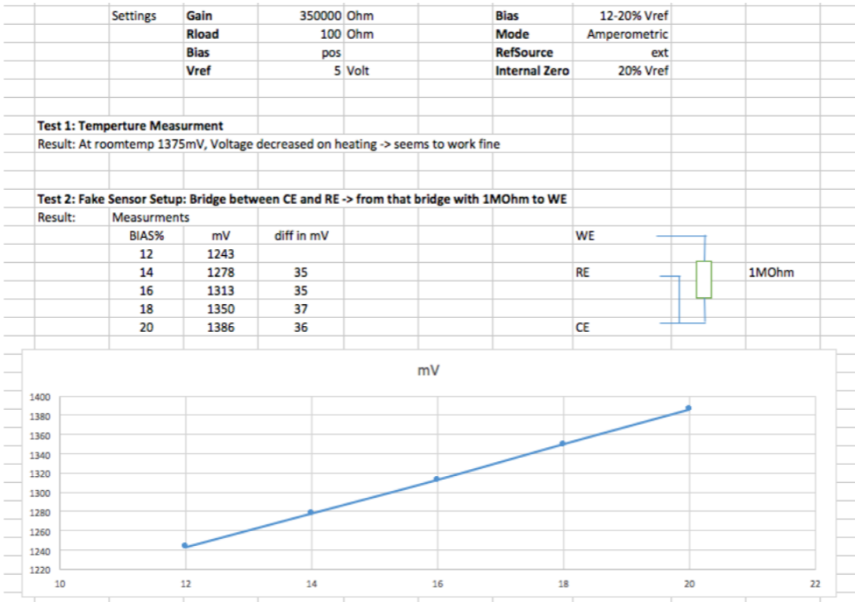
 | TIACN | 0b00010111 | 35k |  |  |  |  | 100ohm |  |  |  |  |  |  | https://www.zimmerpeacocktech.com/knowledge-base/faq/lmp91000-trouble-shooting/
 | REFCN | changing
 | MODECN | 0b00000011 | 3-lead amperometric
Vout=f(bias)
 | RefSource | Int

 |  |  | mV | mV
 |  |  | A2.0 | A2.2
REFCN | REFCN | Bias% | board1 35k | board2 35k
0x11 |  | 1 | 998.1 | 997.4 | 0.00175
0x14 |  | 6 | 1006.7 | 1006.15 | 0.0105
0x17 | 0b0001 0111 | 12 | 1017 | 1016.55 | 0.021
0x18 | 0b0001 1000 | 14 | 1020.45 | 1020 | 0.0245
0x19 | 0b0001 1001 | 16 | 1023.55 | 1023.9 | 0.028
0x1A | 0b0001 1010 | 18 | 1027.3 | 1027 | 0.0315
0x1B | 0b0001 1011 | 20 | 1030.7 | 1030.4 | 0.035
0x1D | 0b0001 1101 | 24 | 1030.7 | 1030.37 | 0.042

 | diff 20-12 | 8 | 13.7 | 1.7125 | mV/%
 |  |  |  | 171.25 | 100%

Bias is applied between WE and RE. Calculated as x% from source referece, so 5V*1%=50mV. In this test, 1M resistor was from RE+CE to WE, so 50mV/1M=50nA. Ouptut is (current * TIA gain), so 50nA*35kohm=1.75mV

 |  |  | board1 350k | board2 350k
0x14 |  | 6 | 1099.4 | 1099.9
0x19 |  | 16 | 1271.25 | 1273.7
0x1B |  | 20 | 1339 | 1342.3

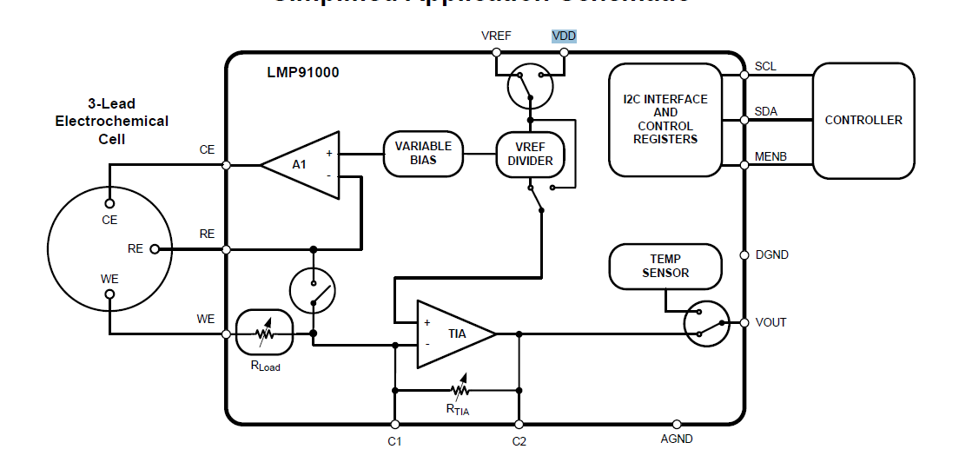
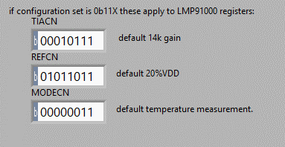
INT_Z | 67%
TIA | 35k
 |  |  |  |  | VDD | 5 | V
 |  |  |  |  | Int zero67% | 3.35 | V
 |  |  |  |  | 20% bias | 1 | V |  | VDD | 5 | V
 |  |  |  |  | R RE,CE to WE | 1.00E+06 | ohm |  | INT zero 20% | 1 | V
 |  |  |  |  | I_WE | 1.00E-06 | A |  | 20% bias | 1 | V
 |  |  |  |  |  | 1.00E+00 | uA |  | R RE,CE to WE | 1.00E+06 | ohm
 |  |  |  |  | R TIA gain | 35000 |  |  | I_WE | 1.00E-06 | A
 |  |  |  |  | Out volt | 3.39E+00 | V |  |  | 1.00E+00 | uA
0x1B | 0b0001 1011 | 20 | 3379 | 3380 |  | 3385.00 | mV |  | R TIA gain | 350000
 |  |  |  |  |  |  |  |  | Out volt | 1.35E+00 | V
 |  |  |  |  |  |  |  |  |  | 1350.00 | mV

Measuring BIAS
 |  |  |  | TIACN | REFCN | MODECN | TIACN | REFCN | MODECN
 |  |  |  | 0b00010101 | 0b00100111 | 0b00000011 | 0x15 | 0x27 | 0x03 |  | 35k | 33R | VDD | 50% | NEG | 12% | 3-lead amperometric
 |  |  | NO-AE plugged | 0b00010101 | 0b0XXXXXXX | 0b00000011
 |  |  | intZ | 50%VDD | 50%VDD | 50%VDD | 50%VDD | 20%VDD | 50%VDD | 50%VDD | 50%VDD | 20%VDD
 |  |  | Bias polarity | neg | neg | neg | neg | neg | pos | pos | pos | pos
 |  |  | Bias setting | -12% | 0% | -1% | -2% | -2% | 2% | 10% | 6% | 6%
 |  |  | WE to RE voltage | -1.002 | -0.122 | -0.192 | -0.259 | -0.255 | 0.03 | 0.638 | 0.347 | 0.402
 |  |  | WE to CE voltage |  |  |  | -0.099 | -0.099 | 0.1 | 0.498 | 0.299 | 0.299

Time budget
 | Contents!A1
 | bytes | time [us]
Sending UDP | 1 | 284 |  | SD logging
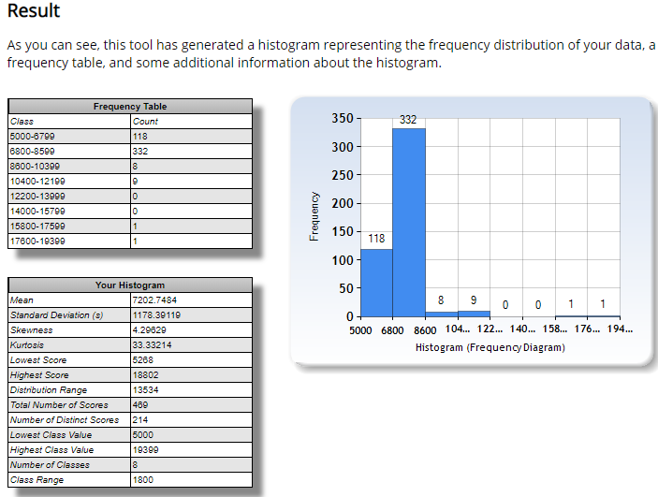
Sending UDP | 8 | 300
Writing to SD | 68 | 9000 | 20MHz SPI

I2C ADC
I2C speed | 400 | kHz
time to get one bit | 0.0025 | ms
2 bytes / one reading | 0.04 | ms
9 sensors | 0.36 | ms

