SPI ETH ESP32
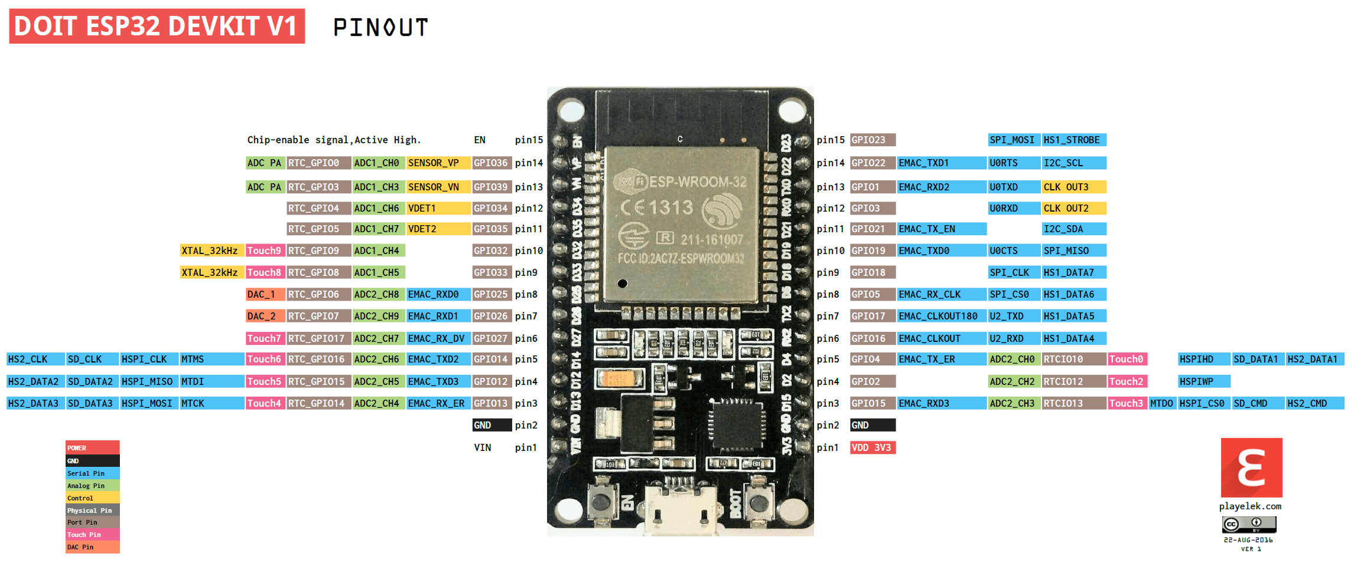
Contents!A1
ESP32 pin | ESP32 | Huzzah | cable | datasheet | meas on | ETH DEEK | brown | 3v3 | IO
VSPI | IO | pin |  | ESP marking | cables | pin conn
29 | IO5 | SCK/5 | y-purple | CS | SCK | 13 | black | GND
37 | IO23 | SDA/23 | y-grey | MOSI | highZ?CS | 10 | red | ETH_RST | 4
31 | IO19 | MISO/19 | y-white | MISO | highZ?MISO | 12 | orange | SD_CS | 17
30 | IO18 | MOSI/18 | grey | SCK | MOSI | 11 | yellow | SCK | 5
 |  | GND | white |  | 0 | GND | green | MOSI | 18
 |  | USB | purple |  | 5V | 5V | white | MISO | 19
 |  |  |  |  |  |  | grey | CS_ETH | 23

JTAG conn
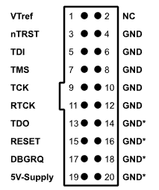
Contents!A1

JLINK | JLINK | cable | cable | ESP32 | ESP32 | huzzah | aligned with>
pin | name | color | color 2 | pin | signal |  | esp docs:
1 | Vcc | red | red | 2 |  | 3V |  | ESP32 Pin | JTAG Signal
4 | GND | black | brown | 1 | GND | GND | 1 | CHIP_PU | TRST_N
5 | TDI | white | black | 14 | IO12 | 12 | 2 | MTDO / GPIO15 | TDO
7 | TMS | grey | white | 13 | IO14 | 14 | 3 | MTDI / GPIO12 | TDI
9 | TCK | purple | grey | 16 | IO13 | 13 | 4 | MTCK / GPIO13 | TCK
13 | TDO | blue | blue | 23 | IO15 | 15 | 5 | MTMS / GPIO14 | TMS
15 | nRST | green | green | 3 | EN | RST | 6 | GND | GND
3 | nTRST |  | maroon |  |  |  | https://docs.espressif.com/projects/esp-idf/en/latest/api-guides/jtag-debugging/configure-other-jtag.html

Time budget
 | Contents!A1
 | bytes | time [us]
Sending UDP | 1 | 284 |  | SD logging
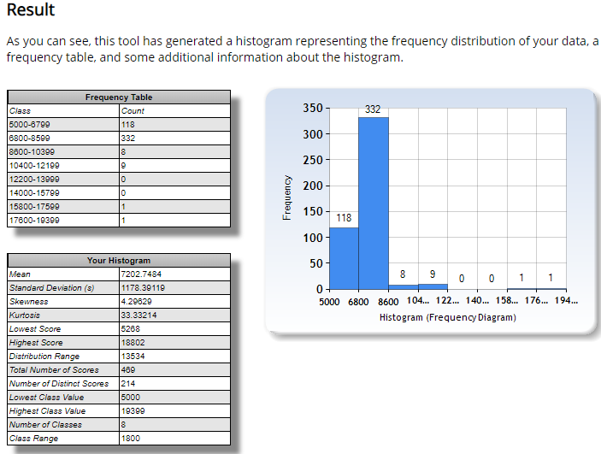
Sending UDP | 8 | 300
Writing to SD | 68 | 9000 | 20MHz SPI

I2C ADC
I2C speed | 400 | kHz
time to get one bit | 0.0025 | ms
2 bytes / one reading | 0.04 | ms
9 sensors | 0.36 | ms

