Hárok1
 |  |  |  | 8000 ppm Methane | 20000 PPM Methane |  | 2000 ppm CO2 | 6000 ppm CO2 | 10000 ppm CO2 |  | 110 ppm amonia | 280 ppm amonia
AI | Sensor | Gas | Baseline mV air | mV |  | Air |  |  |  | air
A2.0 | TGS5042 | CO | 984 | 1000 | 1000 | 1000 | 1000
A2.1 | 4P50 | Methane | 2037 | 2000 | 1950 | 2038 | 2038
A2.2 | TGS2611 | Methane | 485 | 3798 | 4239 | 350 | 380
A2.3 | MG-812 | CO2 | 260 | 340 | 340 | 382 | 248.8 | 216 | 201.7
A3.1 | O2-AE | Oxygen | 1950 | 1940 | 1960 | 1925 | 1925
A3.2 | TGS2444 | Amonia | 510 | 250 | 225 | 200 | 160 |  |  | 700 | 2800 | 3835
RH |  |  | 43% | -2 | -2.5
C |  |  | 28d C | 29 | 29

TGS2611 Rs |  |  | 47477.319588 | 1614.0600316 | 915.56970984
R in 5000ppm Methane guess | 1880 |  | 0.039597854646 | 1.164764608 | 2.0533663137
 |  |  | 1.2934603623 | 8036.3791203 | 34759.060582

 |  |  |  |  |  | CO2 mV diff | -133.2 | -166 | -180.3
 |  |  |  |  |  | Co2 ppm | 2029.9027279 | 6191.5649551 | 10068.259731

 |  |  |  |  |  |  |  |  | Rs amonia | 31328.571429 | 4007.1428571 | 1549.2829205

 | NO-AE | NO-AE | RE and CE switched. |  |  |  |  | sampling 1s
 |  | settings
 |  | Gain | Load R | Reference | Internal zero | Polarity bias | bias | mode
 |  | 35k | 33R | VDD | 50% | POS | 0.06 | 3-lead amperometric
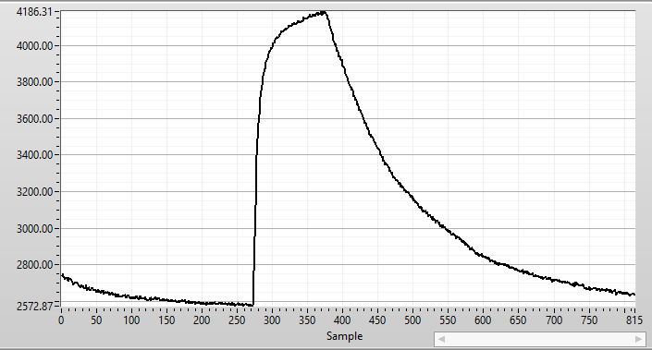
 |  | NO-AE | mV | at sample
 |  | air | 2573 | to 260
 |  | 1000ppm NO | 4155 | 270-370
 |  | gas off, hose kept on sensor |  | from 370

 |  | expected at 1000ppm - datasheet | 0.00006 | A
 |  | expected rise with gain 35k | 2.1 | V

 |  | measured rise | 1.582 | V
 |  | measured sensor current | 0.0000452 | A
 |  | measured sensoitivity | 4.52E-08 | A/ppmNO

 |  | NO-AE | RE and CE switched. |  |  |  |  | sampling 1s
 |  | settings
 |  | Gain | Load R | Reference | Internal zero | Polarity bias | bias | mode
 |  | 35k | 33R | VDD | 20% | POS | 6% | 3-lead amperometric
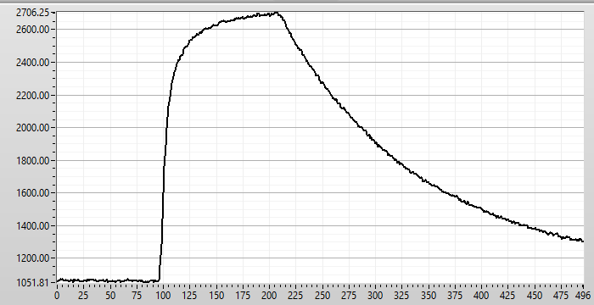
 |  | NO-AE | mV
 |  | air | 1062
 |  | 1000ppm NO | 2699
 |  | gas off, hose kept on sensor

 |  | expected at 1000ppm - datasheet | 0.00006 | A
 |  | expected rise with gain 35k | 2.1 | V

 |  | measured rise | 1.637 | V
 |  | measured sensor current | 4.6771428571E-05 | A
 |  | measured sensoitivity | 4.6771428571E-08 | A/ppmNO

 |  | NO-AE | RE and CE switched. |  |  |  |  | sampling 1s
 |  | settings
 |  | Gain | Load R | Reference | Internal zero | Polarity bias | bias | mode
 |  | 14k | 33R | VDD | 20% | POS | 0.06 | 3-lead amperometric
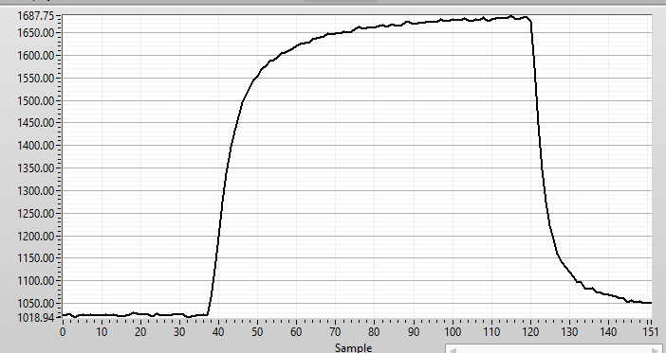
 |  | NO-AE | mV
 |  | air | 1024 | to 37
 |  | 1000ppm NO | 1674 | 37-120
 |  | gas off, hose off the sensor |  | from120

 |  | expected at 1000ppm - datasheet | 0.00006 | A
 |  | expected rise with gain 14k | 0.84 | V

 |  | measured rise | 0.65 | V
 |  | measured sensor current | 4.6428571429E-05 | A
 |  | measured sensitivity | 4.6428571429E-08 | A/ppmNO
 |  | THIS IS FINAL SETTING! Verified on 2 boards

 |  | max measureable current till saturation | 0.00028571428571 | A
 |  | corresponds to ppm NO - max measurable | 6153.8461538 | ppm CO
 |  | re-measured with final settings |  |  |  |  |  | 1s sampling
 |  | Sensor inserted correctly
 |  | settings
 |  | Gain | Load R | Reference | Internal zero | Polarity bias | bias | mode
 |  | 14k | 33R | VDD | 20% | POS | 0.06 | 3-lead amperometric
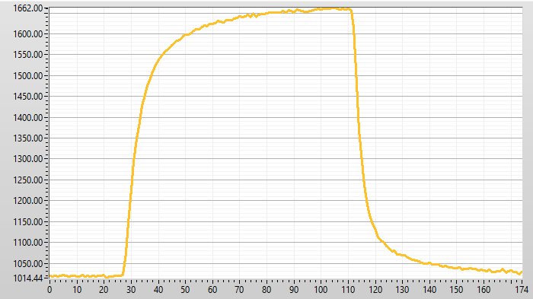
 |  | air | 1016
 |  | 1000ppm NO | 1659
 |  | gas off, hose off the sensor

 |  | expected at 1000ppm - datasheet | 0.00006 | A
 |  | expected rise with gain 14k | 0.84 | V

 |  | measured rise | 0.643 | V
 |  | measured sensor current | 4.5928571429E-05 | A
 |  | measured sensitivity | 4.5928571429E-08 | A/ppmNO

 | NO2-AE | NO2-AE | RE and CE switched.
 |  | middle sensitivity - datasheet | -120 | nA/ppm NO2 | -70 to -170 nA/ppm
 |  |  | -0.00000012 | A/ppm NO2

 |  | exposed by 200ppm, expected current | -0.000024 | A
 |  | settings
 |  | Gain | Load R | Reference | Internal zero | Polarity bias | bias | mode
 |  | 3.50E+04 | 33R | VDD | 20% | NEG | 0 | 3-lead amperometric

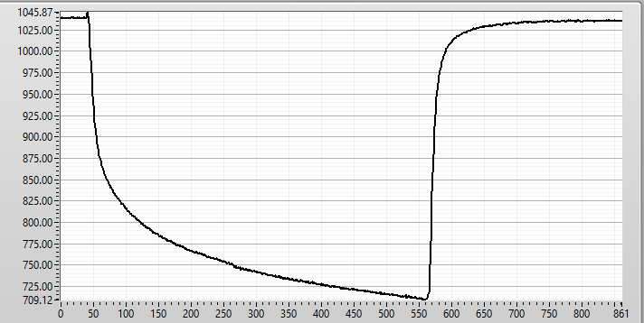
 |  | expected output at 200ppm NO2 | -8.40E-01 | V |  |  | 1s sampling
 |  |  |  | sample
 |  | Output on air in mV | 1039 | to 40
 |  | 200ppm NO2 outuput in mV | 710 | 40-560
 |  | gas off |  | from 560

 |  | measured rise (V) | -0.329 | V
 |  | measured sensor current | -9.40E-06 | A
 |  | measured sensoitivity on 200ppm | -4.70E-08 | A/ppmNO2
 |  | measured sensoitivity on 200ppm | -47.00 | nA/ppmNO2

 |  | NO2-AE | RE and CE switched.
 |  | settings
 |  | Gain | Load R | Reference | Internal zero | Polarity bias | bias | mode
 |  | 3.50E+04 | 33R | VDD | 67% | NEG | 0 | 3-lead amperometric
 |  |  |  |  | 1s sampling
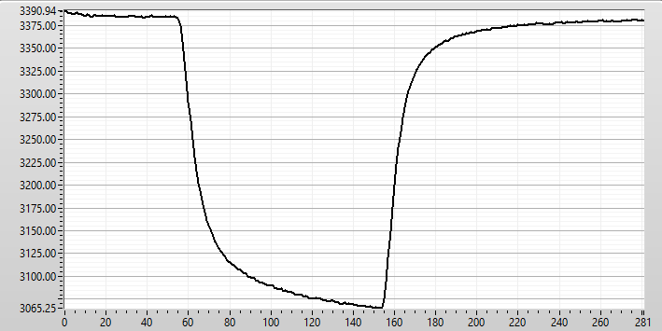
 |  |  |  | sample
 |  | Output on air in mV | 3385 | to 55
 |  | 200ppm NO2 outuput in mV | 3065 | 55-155
 |  | gas off |  | from 155

 |  | measured rise (V) | -0.32 | V
 |  | measured sensor current | -9.14E-06 | A
 |  | measured sensitivity on 200ppm | -4.57E-08 | A/ppmNO2
 |  | measured sensitivity on 200ppm | -45.71 | nA/ppmNO2
 |  | THIS IS FINAL SETTING! Verified on 2 boards

 |  | max measureable current till saturation | -9.57E-05 | A
 |  | corresponds to ppm NO - max measurable | 2094 | ppm CO

 | HCL-A1 | HCL-A1 | RE and CE insterted correctly
 |  | middle sensitivity - datasheet | 105 | nA/ppm HCL | 80 to 130 nA/ppm
 |  |  | 0.000000105 | A/ppm HCL

 |  | exposed by 25ppm, expected current | 2.62E-06 | A
 |  | settings
 |  | Gain | Load R | Reference | Internal zero from 2.5V ref | Polarity bias | bias | mode
 |  | 3.50E+04 | 33R | VDD | 20% | NEG | 0 | 3-lead amperometric
 |  |  |  |  | 294.4
 |  | expected output at 25ppm HCL | 0.09 | V | 391.78

 |  | air | 294.4 | mV
 |  | exposed by 25ppm | 391.78 | mV

 |  | measured rise (V) | 0.09738 | V
 |  | measured sensor current | 2.78E-06 | A
 |  | measured sensitivity on 25ppm | 1.11E-07 | A/ppmHCL
 |  | measured sensitivity on 25ppm | 111.29 | nA/ppmHCL

 |  | settings | RE and CE insterted correctly
 |  | Gain | Load R | Reference | Internal zero from 2.5V ref | Polarity bias | bias | mode
 |  | 1.40E+04 | 10R | VDD | 50% | NEG | 0 | 3-lead amperometric
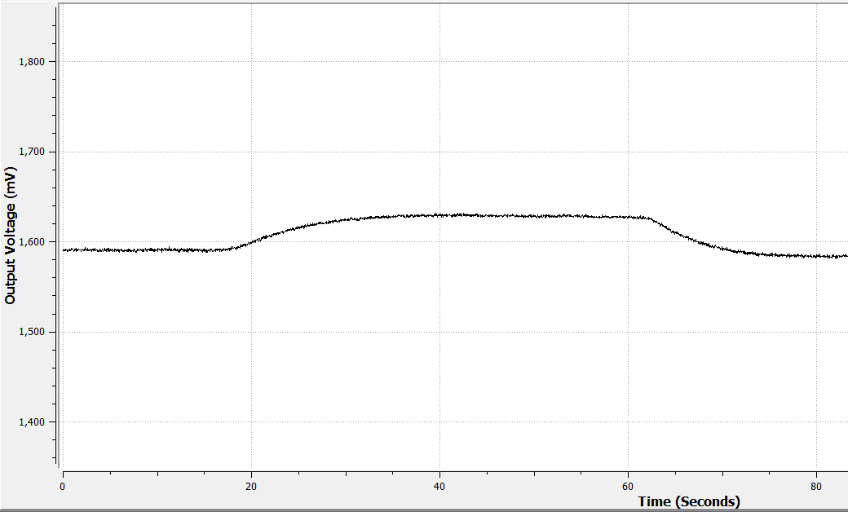
 |  | expected output | 0.04 | V

 |  | air | 1590 | mV
 |  | exposed by 25ppm | 1629 | mV

 |  | measured rise (V) | 0.039 | V
 |  | measured sensor current | 2.79E-06 | A
 |  | measured sensitivity on 25ppm | 1.11E-07 | A/ppmHCL
 |  | measured sensitivity on 25ppm | 111.43 | nA/ppmHCL

 |  | settings | RE and CE insterted correctly
 |  | Gain | Load R | Reference | Internal zero from 3.3V ref | Polarity bias | bias | mode
 |  | 3.50E+04 | 10R | VDD | 67% | NEG | 0 | 3-lead amperometric
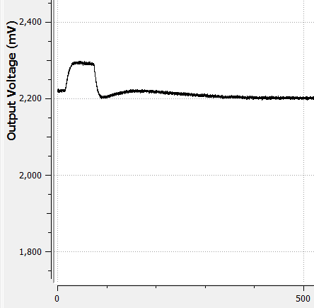
 |  | expected output | 0.09 | V
 |  | air | 2220 | mV
 |  | exposed by 25ppm | 2292 | mV

 |  | measured rise (V) | 0.072 | V
 |  | measured sensor current | 2.06E-06 | A
 |  | measured sensitivity on 25ppm | 8.23E-08 | A/ppmHCL
 |  | measured sensitivity on 25ppm | 82.29 | nA/ppmHCL

 |  | settings | RE and CE insterted correctly
 |  | Gain | Load R | Reference | Internal zero from 5V VDD | Polarity bias | bias | mode
 |  | 1.20E+05 | 33R | VDD | 20% | NEG | 0 | 3-lead amperometric
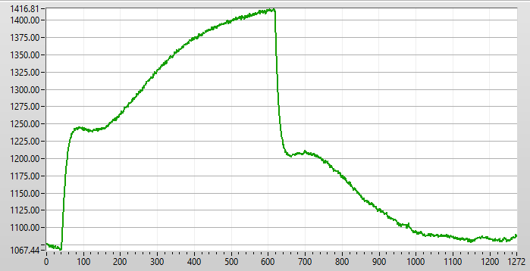
exposed to 25ppm / 10.5min
 |  | expected output | 0.32 | V
 |  | air | 1070 | mV
 |  | exposed by 25ppm | 1416 | mV

 |  | measured rise (V) | 0.346 | V
 |  | measured sensor current | 2.88E-06 | A
 |  | measured sensitivity on 25ppm | 1.15E-07 | A/ppmHCL
 |  | measured sensitivity on 25ppm | 115.33 | nA/ppmHCL
 |  | THIS IS FINAL SETTING! Verified on 1 board

 |  | max measureable current till saturation | 3.33E-05 | A
 |  | corresponds to ppm HCL - max measurable | 289 | ppm HCL

 | HCN-A1 | HCN-A1 | RE and CE switched. |  |  |  | 1s sampling
 |  | middle sensitivity - datasheet | 70 | nA/ppm HCN | 55 to 85 nA/ppm
 |  |  | 0.00000007 | A/ppm HCN

 |  | exposed by 50ppm, expected current | 3.50E-06 | A
 |  | settings
 |  | Gain | Load R | Reference | Internal zero | Polarity bias | bias | mode
 |  | 1.20E+05 | 33R | VDD | 20% | NEG | 0 | 3-lead amperometric
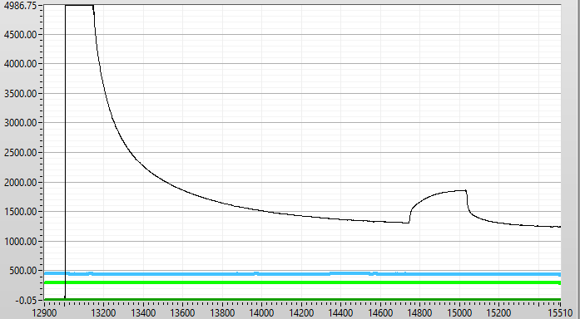
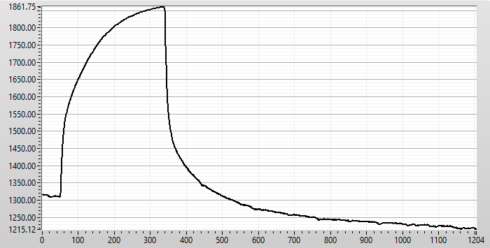
ca. 30 min
 |  | expected output at 50ppm HCN | 0.42 | V
 |  |  |  | sample
 |  | air mV, slow stabilization, would be lower | 1309 | to 50-340
 |  | 50ppm HCN outuput in mV | 1861 | from 340

 |  | measured rise (V) | 0.552 | V
 |  | measured sensor current | 4.60E-06 | A
 |  | measured sensitivity on 50ppm | 9.20E-08 | A/ppmHCN
 |  | measured sensitivity on 50ppm | 92.00 | nA/ppmHCN

 |  | THIS IS FINAL SETTING! Verified on 1 board

 |  | max measureable current till saturation | 3.33E-05 | A
 |  | corresponds to ppm NO - max measurable | 362 | ppm HCN

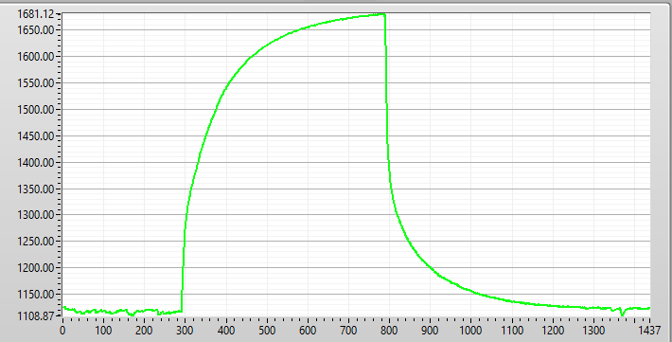
 |  | repeated measurement with long stabilization on air (overnight)

 |  | air | 1116 | mV
 |  | 50ppm HCN outuput in mV | 1681 | mV | sample 300-800

 |  | measured rise (V) | 0.565 | V
 |  | measured sensor current | 4.71E-06 | A
 |  | measured sensitivity on 50ppm | 9.42E-08 | A/ppmHCN
 |  | measured sensitivity on 50ppm | 94.17 | nA/ppmHCN

