Dash_Board
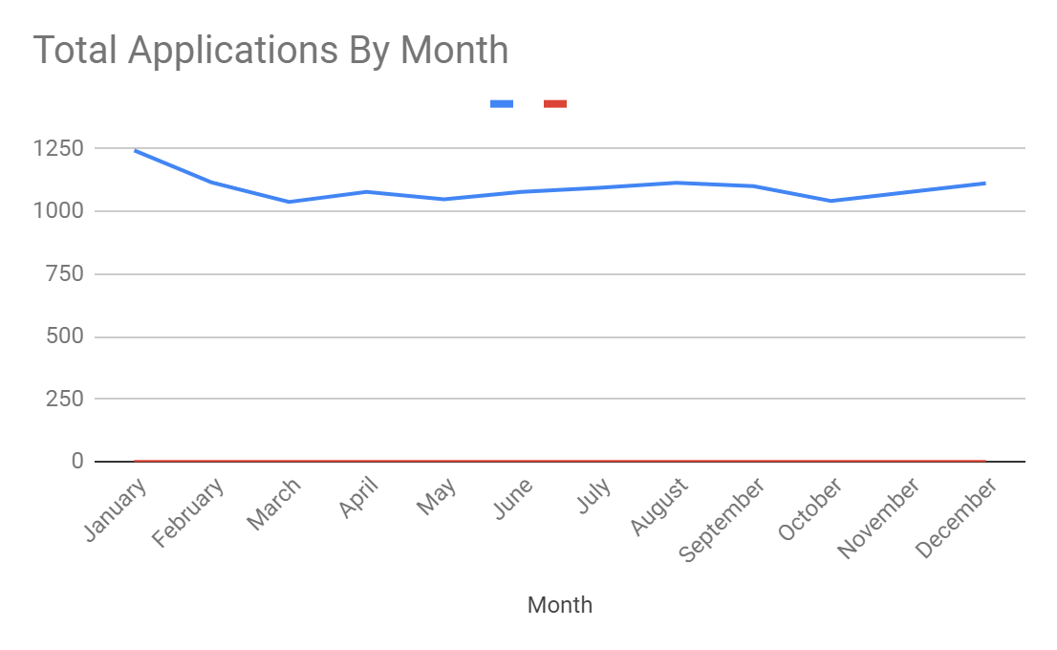
Job Title | Hired | Easy Apply | Month | Applicants | Percentage
BIOINFORMATICS DATA ANALYST | 0.04% | 0.00% | January | 1242 | 9.46%
BUSINESS DATA ANALYST | 10.31% | 5.58% | February | 1115 | 8.49%
CLAIMS DATA ANALYST | 0.00% | 0.10% | March | 1037 | 7.90%
CLINICAL DATA ANALYST | 0.85% | 0.48% | April | 1077 | 8.20%
CREDIT DATA ANALYST | 1.42% | 0.00% | May | 1047 | 7.97%
DATA ENGINEER ANALYST | 0.50% | 0.00% | June | 1077 | 8.20%
DATA GOVERNANCE ANALYST | 1.32% | 0.19% | July | 1093 | 8.33%
DATA QUALITY ANALYST | 18.28% | 54.29% | August | 1113 | 8.48%
DATA SCIENTIST | 0.04% | 0.24% | September | 1100 | 8.38%
DIGITAL MARKETING DATA ANALYST | 26.74% | 0.00% | October | 1041 | 7.93%
ECOMMERCE DATA ANALYST | 2.77% | 7.86% | November | 1076 | 8.20%
FINANCE ANALYST | 0.11% | 0.14% | December | 1111 | 8.46%
FRAUD DATA ANALYST | 0.25% | 0.43% | Total | 13129 | 100.00%
LOAN DATA ANALYST | 7.86% | 0.05%
MANUFACTURING DATA ANALYST | 6.83% | 13.58% |  | Monthly Applicants | Month
NETWORK DATA ANALYST | 0.00% | 0.00% | Min | 1037 | March
OPERATIONS RESEARCH DATA ANALYST | 0.28% | 2.96% | Max | 1242 | January
PHARMACEUTICAL DATA ANALYST | 0.21% | 0.10% | Average | 1094.08 | November
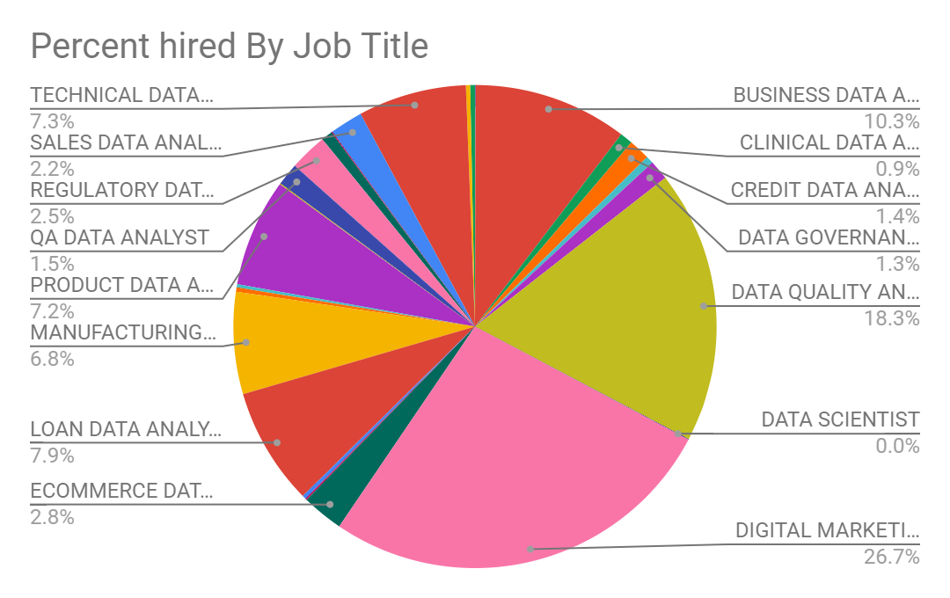
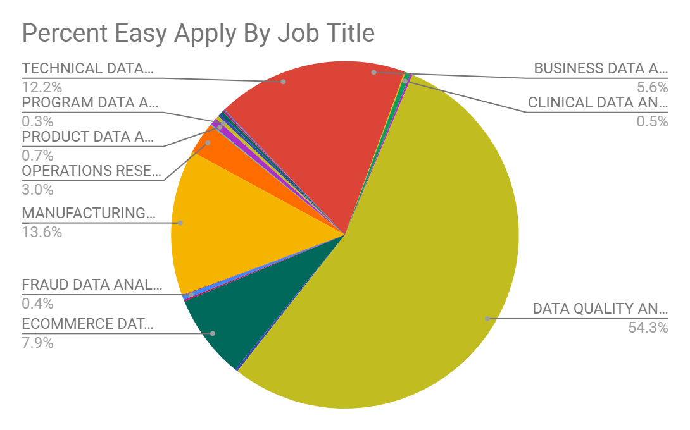
PRODUCT DATA ANALYST | 7.22% | 0.67%
PROGRAM DATA ANALYST | 0.07% | 0.33%
QA DATA ANALYST | 1.49% | 0.29%
REGULATORY DATA ANALYST | 2.52% | 0.00%
RESEARCH DATA ANALYST | 0.75% | 0.29%
RISK DATA ANALYST | 0.07% | 0.14%
SALES DATA ANALYST | 2.20% | 0.10%
TECHNICAL DATA ANALYST | 7.25% | 12.20%
TRANSPORTATION ANALYST | 0.28% | 0.00%
UNDERWRITING ANALYST | 0.32% | 0.00%
Grand Total | 100.00% | 100.00%

