Dashboard
arms_category | percentage |  | age groups | percentage
Guns | 56.14% |  | 0-12 | 0.07%
Sharp objects | 16.77% |  | 12-17 | 1.92%
Unknown | 8.85% |  | 18-24 | 15.44%
Unarmed | 7.21% |  | 25-39 | 47.64%
Other unusual objects | 4.05% |  | 40-59 | 29.48%
Blunt instruments | 2.57% |  | 60-74 | 4.84%
Vehicles | 2.19% |  | 75+ | 0.60%
Multiple | 1.11%
Piercing objects | 0.60% |  | race | percentage
Electrical devices | 0.42% |  | White | 2282
Explosives | 0.09% |  | Black | 1195
Hand tools | 0.02% |  | Hispanic | 839
 |  |  | Asian | 85
year | year_shot |  | Native | 75
2015 | 965 |  | Other | 45
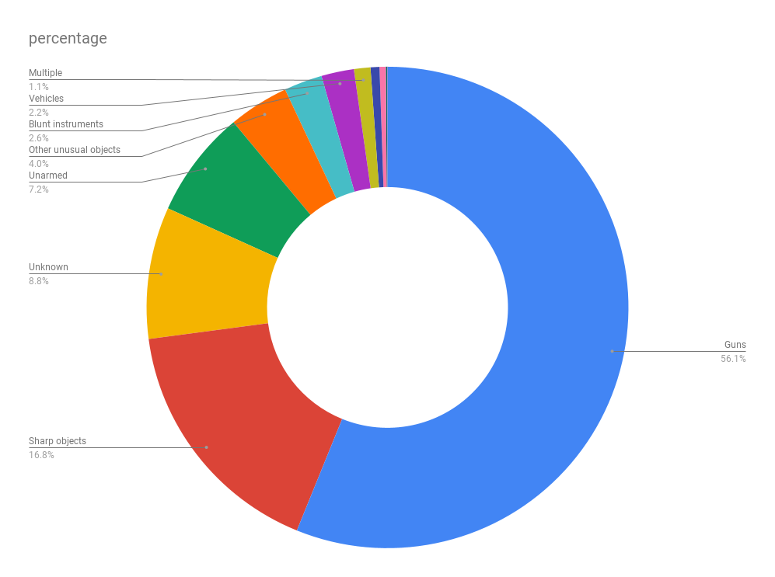
2016 | 904
2017 | 906 |  | gender | gender_shot
2018 | 888 |  | M | 95.42%
2019 | 858 |  | F | 4.58%

season | season_shot |  | signs_of_mental_illness | percentage
Winter | 1208 |  | TRUE | 1058
Spring | 1119 |  | FALSE | 3463
Summer | 1149
Fall | 1045

 | state | percentage
max | CA | 659
min | RI | 4

state | num
WA | 116
OR | 71
KS | 46
CA | 659
CO | 150
OK | 140
AZ | 206
IA | 29
PA | 89
TX | 393
OH | 140
LA | 96
MT | 26
UT | 54
AR | 64
IL | 96
NV | 73
NM | 89
MN | 57
MO | 115
VA | 84
NJ | 57
IN | 82
KY | 81
MA | 30
NH | 11
FL | 291
ID | 36
MD | 68
NE | 22
MI | 69
GA | 146
TN | 118
NC | 132
AK | 30
NY | 82
ME | 18
AL | 84
MS | 58
WI | 79
SC | 74
DE | 9
DC | 13
WV | 46
HI | 28
WY | 13
ND | 9
CT | 16
SD | 14
VT | 8
RI | 4

