rating
Average of Job Satisfaction
3.92

average rating | balance rating
3.92 | 0.08
0.98 | 0.02 | percentage

gender
Row Labels | Count of Employee Number
Female | 8
Male | 19
Grand Total | 27

 |  |  | percentage
 | female | 8 | 30%
 | male | 19 | 70%

Education by attriation
Row Labels | Sum of CF_attrition count
Doctoral Degree | 5
High School | 31
Associates Degree | 44
Master's Degree | 58
Bachelor's Degree | 99
Grand Total | 237

dept wise Attrition
Row Labels | Sum of CF_attrition count
HR | 100.00%
Grand Total | 100.00%

Attrition by Age Group
Row Labels | Sum of CF_attrition count
25 - 34 | 5
Under 25 | 1
35 - 44 | 1
Over 55 | 0
45 - 54 | 0
Grand Total | 7

Dashboard
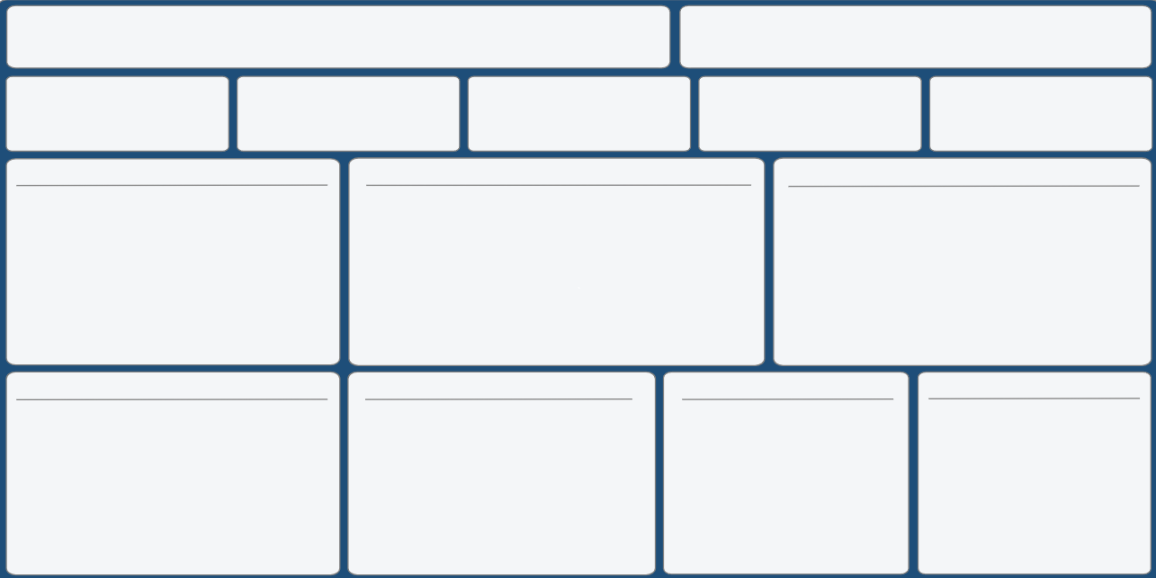
HR Analytics Dashboard
Job Satsifiction Rating
 | 0.98
 | 0.02
 | 3.92 | 0.08
3.92

Total Employess
Attiration
Active Employess
Attiration Age
Attrition Rate
27
7
20
37.04
25.93%

Total Employess by Gender
 | Total
Doctoral Degree | 5
High School | 31
Associates Degree | 44
Master's Degree | 58
Bachelor's Degree | 99
Education by Attriation
Attriation by job role

 | 30%
 | 70%
 | 30%
 | 70%

19
8

Department wise Attrition
Attriation by age Group
Attriation by Material Status
 | Total
HR | 100.00%
 | Total
25 - 34 | 5
Under 25 | 1
35 - 44 | 1
Over 55 | 0
45 - 54 | 0

