Sheet1
COMPONENT | PRICE | SNAP
KIT | 145 | 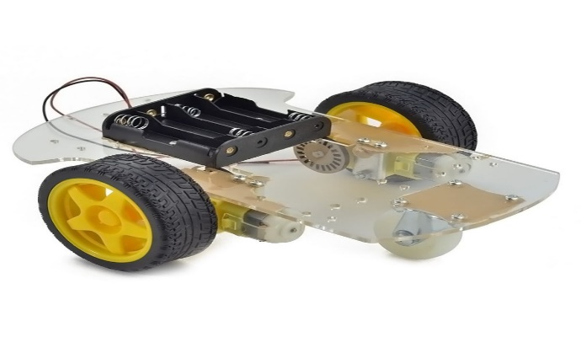
AVR (ATMEGA32) | 60
AVR PRORAMMER | 60 | 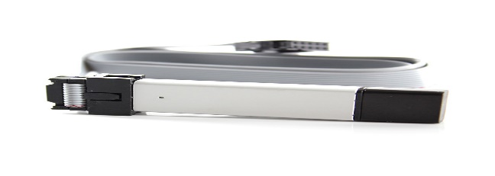
ULTRASONIC | 35 | 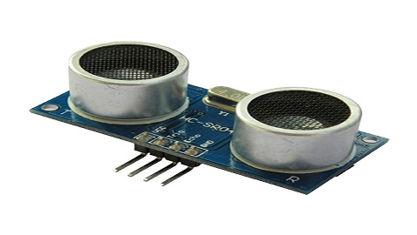
WIRES | 5
BOARD | 10 | 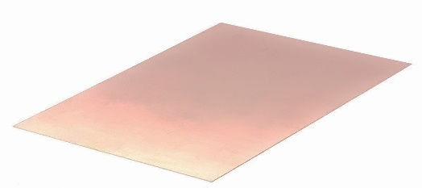
TOTAL | 315

