DATA
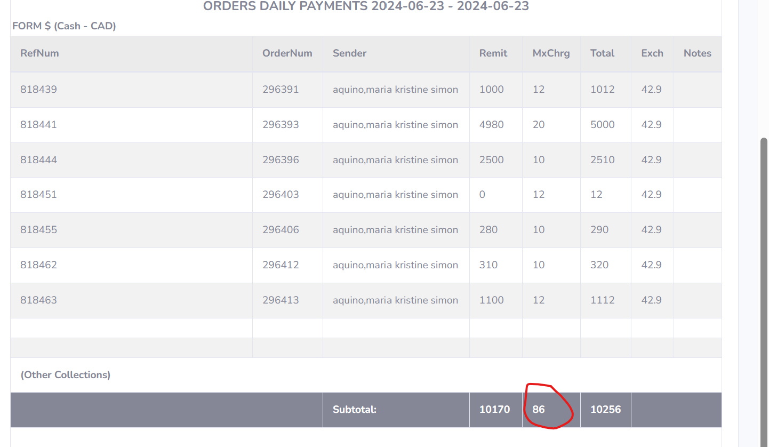
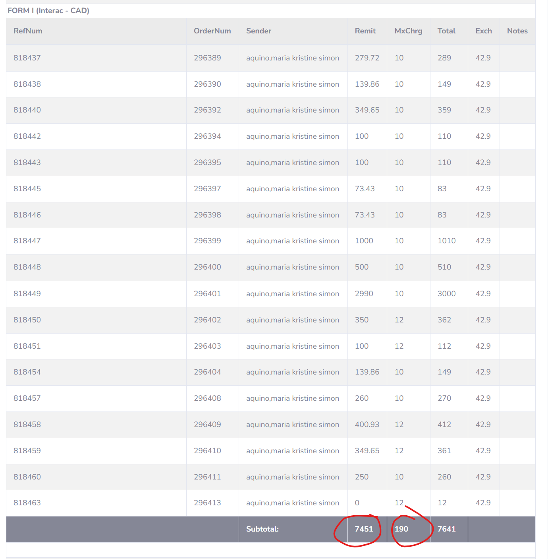
AGENT | AGENTREF | ORDERNUM | CLNAME | FUND | PVALUE | CHARGEF | CHARGE | PAYMTHD | PSVCCHG | PCASH | PCHECK | PINTER | PETRNSFR | PCARDTYP | PCARDAMT | PCARDCHG | RATE | NOTES
E-M | 818437 | 296389 | aquino,maria kristine simon | C | 279.72 | C | 10 | I | I | 0 | 0 | 279.72 | 0 |  | 0 | 0 | 42.9
E-M | 818438 | 296390 | aquino,maria kristine simon | C | 139.86 | C | 10 | I | I | 0 | 0 | 139.86 | 0 |  | 0 | 0 | 42.9
E-M | 818439 | 296391 | aquino,maria kristine simon | C | 1000 | C | 12 | C | C | 1000 | 0 | 0 | 0 |  | 0 | 0 | 42.9
E-M | 818440 | 296392 | aquino,maria kristine simon | C | 349.65 | C | 10 | I | I | 0 | 0 | 349.65 | 0 |  | 0 | 0 | 42.9
E-M | 818441 | 296393 | aquino,maria kristine simon | C | 4980 | C | 20 | C | C | 4980 | 0 | 0 | 0 |  | 0 | 0 | 42.9
E-M | 818442 | 296394 | aquino,maria kristine simon | C | 100 | C | 10 | I | I | 0 | 0 | 100 | 0 |  | 0 | 0 | 42.9
E-M | 818443 | 296395 | aquino,maria kristine simon | C | 100 | C | 10 | I | I | 0 | 0 | 100 | 0 |  | 0 | 0 | 42.9
E-M | 818444 | 296396 | aquino,maria kristine simon | C | 2500 | C | 10 | C | C | 2500 | 0 | 0 | 0 |  | 0 | 0 | 42.9
E-M | 818445 | 296397 | aquino,maria kristine simon | C | 73.43 | C | 10 | I | I | 0 | 0 | 73.43 | 0 |  | 0 | 0 | 42.9
E-M | 818446 | 296398 | aquino,maria kristine simon | C | 73.43 | C | 10 | I | I | 0 | 0 | 73.43 | 0 |  | 0 | 0 | 42.9
E-M | 818447 | 296399 | aquino,maria kristine simon | C | 1000 | C | 10 | I | I | 0 | 0 | 1000 | 0 |  | 0 | 0 | 42.9
E-M | 818448 | 296400 | aquino,maria kristine simon | C | 500 | C | 10 | I | I | 0 | 0 | 500 | 0 |  | 0 | 0 | 42.9
E-M | 818449 | 296401 | aquino,maria kristine simon | C | 2990 | C | 10 | I | I | 0 | 0 | 2990 | 0 |  | 0 | 0 | 42.9
E-M | 818450 | 296402 | aquino,maria kristine simon | C | 350 | C | 12 | I | I | 0 | 0 | 350 | 0 |  | 0 | 0 | 42.9
E-M | 818451 | 296403 | aquino,maria kristine simon | C | 100 | C | 12 | I | C | 0 | 0 | 100 | 0 |  | 0 | 0 | 42.9
E-M | 818454 | 296404 | aquino,maria kristine simon | C | 139.86 | C | 10 | I | I | 0 | 0 | 139.86 | 0 |  | 0 | 0 | 42.9
E-M | 818455 | 296406 | aquino,maria kristine simon | C | 280 | C | 10 | C | C | 280 | 0 | 0 | 0 |  | 0 | 0 | 42.9
E-M | 818457 | 296408 | aquino,maria kristine simon | C | 260 | C | 10 | I | I | 0 | 0 | 260 | 0 |  | 0 | 0 | 42.9
E-M | 818458 | 296409 | aquino,maria kristine simon | C | 400.93 | C | 12 | I | I | 0 | 0 | 400.93 | 0 |  | 0 | 0 | 42.9
E-M | 818459 | 296410 | aquino,maria kristine simon | C | 349.65 | C | 12 | I | I | 0 | 0 | 349.65 | 0 |  | 0 | 0 | 42.9
E-M | 818460 | 296411 | aquino,maria kristine simon | C | 250 | C | 10 | I | I | 0 | 0 | 250 | 0 |  | 0 | 0 | 42.9
E-M | 818462 | 296412 | aquino,maria kristine simon | C | 310 | C | 10 | C | C | 310 | 0 | 0 | 0 |  | 0 | 0 | 42.9
E-M | 818463 | \N | aquino,maria kristine simon | C | 1100 | C | 12 | C | I | 1100 | 0 | 0 | 0 |  | 0 | 0 | 42.9
 |  |  |  |  |  |  |  |  | Cash | 10,170.00 | Interac | 7,456.53
 |  |  |  |  |  |  |  |  | SC Cash | 74 | SC Interac | 178

