300ppm
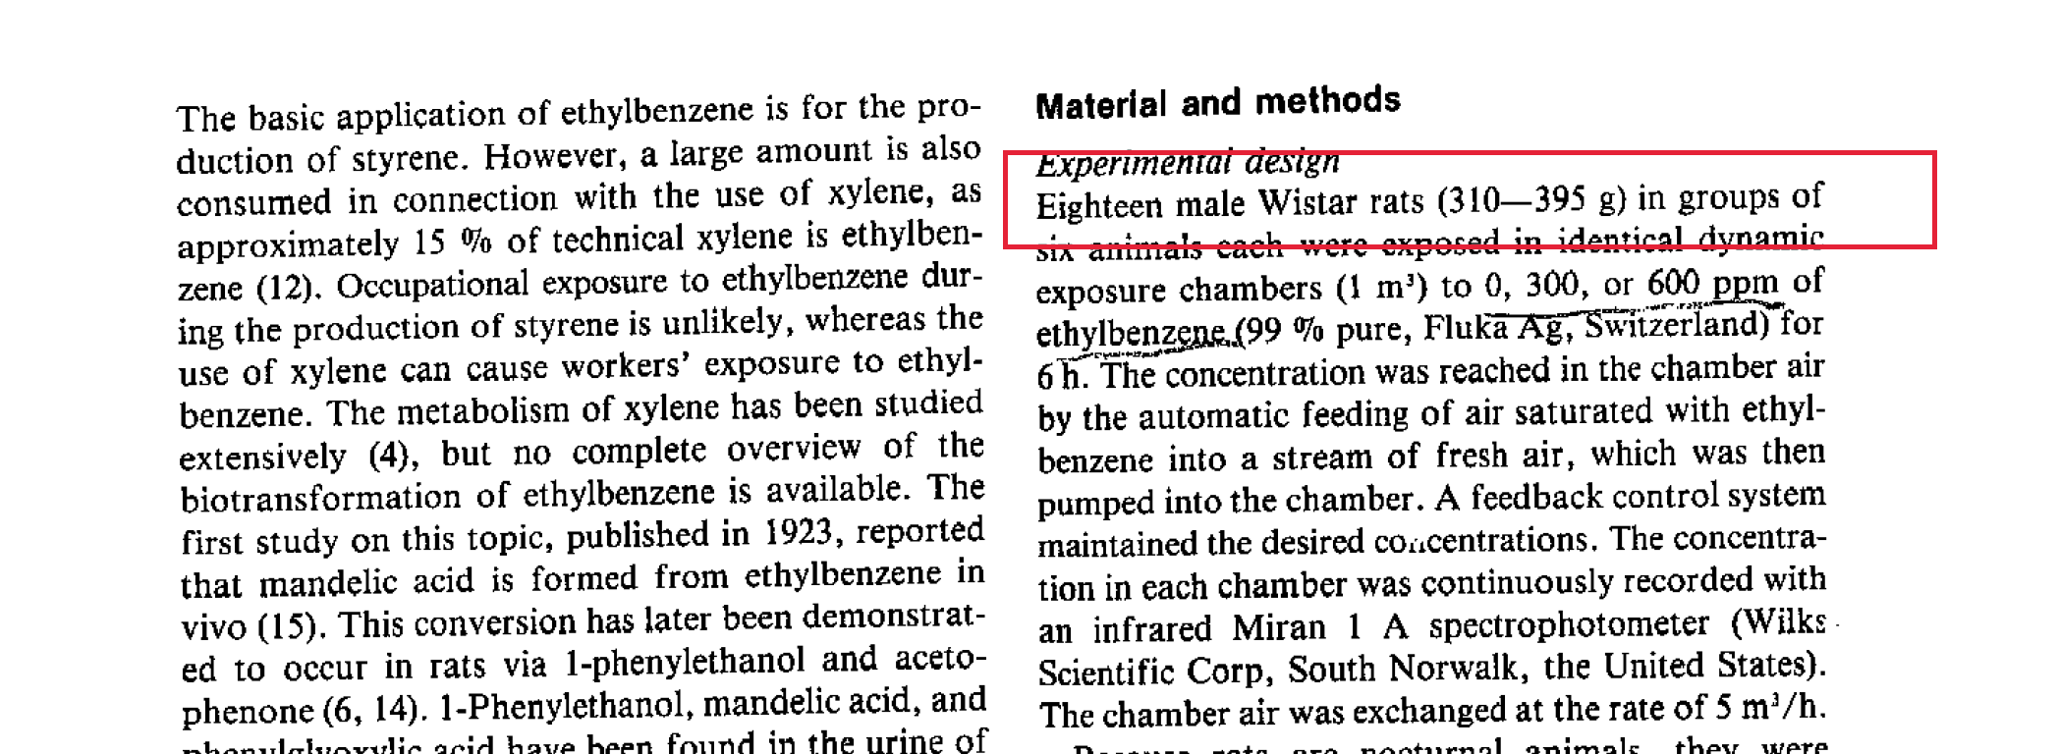
t (hr) | AUrineMAmg (mg)
6 | 0.288
24 | 7.093
48 | 9.266

