Step 1-Feces %-individual
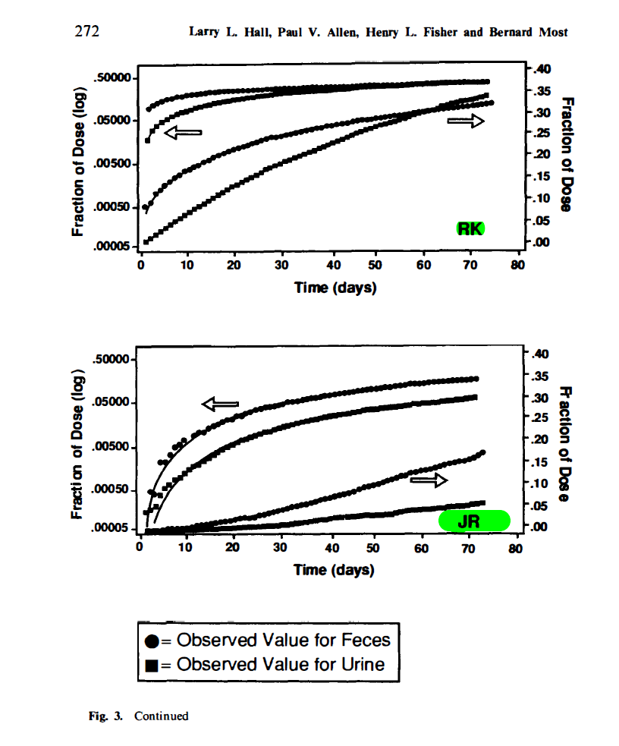
CC-feces | real-day | day | feces | DM-feces | real-day | day | feces |  | LR-feces | real-day | day | feces | RK-feces | real-day | day | feces |  | JR-feces | real-day | day | feces
 | 0.80924855491 | 1 | 0.004176 |  | 1.4706938658 | 1 | 0.124709 |  |  | 0.64615384615 | 1 | 0.012973 |  | 1.044386423 | 1 | 0.085465116279 |  |  | 1.2261484099 | 1 | 0.00037494710467
 | 1.8208092486 | 2 | 0.006986 |  | 2.7327251832 | 3 | 0.130944 |  |  | 2.5846153846 | 3 | 0.062703 |  | 2.088772846 | 2 | 0.093604651163 |  |  | 4.2049469965 | 4 | 0.0019905358528
 | 2.8323699422 | 3 | 0.011991 |  | 3.670449648 | 4 | 0.146732 |  |  | 4.0923076923 | 4 | 0.114595 |  | 3.3420365535 | 3 | 0.11598837209 |  |  | 5.4416961131 | 5 | 0.0021084825171
 | 3.8439306358 | 4 | 0.017638 |  | 4.6157161327 | 5 | 0.152995 |  |  | 5.1692307692 | 5 | 0.142703 |  | 3.9686684073 | 4 | 0.12412790698 |  |  | 6.4310954064 | 6 | 0.002811706626
 | 4.8554913295 | 5 | 0.025286 |  | 5.8802614567 | 6 | 0.156055 |  |  | 6.0307692308 | 6 | 0.144865 |  | 4.8041775457 | 5 | 0.13430232558 |  |  | 7.4204946996 | 7 | 0.0042069757082
 | 6.2716763006 | 6 | 0.0423 |  | 6.828041948 | 7 | 0.159144 |  |  | 7.3230769231 | 7 | 0.157838 |  | 6.0574412533 | 6 | 0.14244186047 |  |  | 8.6572438163 | 9 | 0.0052962686259
 | 7.0809248555 | 7 | 0.0576 |  | 7.7733084327 | 8 | 0.165407 |  |  | 8.1846153846 | 8 | 0.164324 |  | 7.3107049608 | 7 | 0.15261627907 |  |  | 9.3992932862 | 9 | 0.0066676071608
 | 9.5086705202 | 10 | 0.060641 |  | 9.03533975 | 9 | 0.171642 |  |  | 9.2615384615 | 9 | 0.170811 |  | 9.1906005222 | 9 | 0.16279069767 |  |  | 11.625441696 | 12 | 0.0083940200906
 | 10.924855491 | 11 | 0.063843 |  | 9.9806062347 | 10 | 0.177905 |  |  | 10.553846154 | 11 | 0.179459 |  | 10.44386423 | 10 | 0.17093023256 |  |  | 12.614840989 | 13 | 0.0094182454474
 | 12.947976879 | 13 | 0.067214 |  | 10.928386726 | 11 | 0.180994 |  |  | 12.492307692 | 12 | 0.196759 |  | 11.070496084 | 11 | 0.175 |  |  | 14.593639576 | 15 | 0.012559432158
 | 14.161849711 | 14 | 0.070763 |  | 11.873653211 | 12 | 0.187258 |  |  | 13.569230769 | 14 | 0.201081 |  | 12.114882507 | 12 | 0.17906976744 |  |  | 16.819787986 | 17 | 0.014926913095
 | 14.971098266 | 15 | 0.078433 |  | 14.088493033 | 14 | 0.190317 |  |  | 16.584615385 | 17 | 0.216216 |  | 14.412532637 | 14 | 0.18924418605 |  |  | 17.561837456 | 18 | 0.016748271958
 | 15.98265896 | 16 | 0.082575 |  | 16.298304841 | 16 | 0.199555 |  |  | 18.523076923 | 19 | 0.224865 |  | 16.301305483 | 16 | 0.20145348837 |  |  | 19.787985866 | 20 | 0.019905358528
 | 18.005780347 | 18 | 0.087804 |  | 17.246085333 | 17 | 0.202643 |  |  | 19.815384615 | 20 | 0.231351 |  | 17.336814621 | 17 | 0.20755813953 |  |  | 20.777385159 | 21 | 0.023657562948
 | 19.01734104 | 19 | 0.088682 |  | 18.510630657 | 19 | 0.205703 |  |  | 20.892307692 | 21 | 0.233514 |  | 18.590078329 | 19 | 0.21162790698 |  |  | 22.756183746 | 23 | 0.026544222212
 | 20.028901734 | 20 | 0.091525 |  | 20.408705646 | 20 | 0.208792 |  |  | 21.753846154 | 22 | 0.235676 |  | 19.634464752 | 20 | 0.2136627907 |  |  | 24.734982332 | 25 | 0.031547867224
 | 22.052023121 | 22 | 0.093365 |  | 21.356486137 | 21 | 0.211794 |  |  | 23.692307692 | 24 | 0.244324 |  | 20.46997389 | 20 | 0.21773255814 |  |  | 25.971731449 | 26 | 0.035397289219
 | 24.208333333 | 24 | 0.095241 |  | 23.254561126 | 23 | 0.214854 |  |  | 24.984615385 | 25 | 0.248649 |  | 22.349869452 | 22 | 0.22587209302 |  |  | 26.961130742 | 27 | 0.037494710467
 | 25.083333333 | 25 | 0.096194 |  | 25.150122109 | 25 | 0.217885 |  |  | 26.061538462 | 26 | 0.250811 |  | 24.647519582 | 25 | 0.23197674419 |  |  | 29.929328622 | 30 | 0.042069757082
 | 26.25 | 26 | 0.097156 |  | 26.417181439 | 26 | 0.220859 |  |  | 29.292307692 | 29 | 0.261622 |  | 25.90078329 | 26 | 0.23808139535 |  |  | 33.639575972 | 34 | 0.052962686259
 | 27.125 | 27 | 0.098127 |  | 28.312742422 | 28 | 0.223919 |  |  | 32.092307692 | 32 | 0.268108 |  | 29.242819843 | 29 | 0.24418604651 |  |  | 34.628975265 | 35 | 0.056100922715
 | 28.291666667 | 28 | 0.099108 |  | 32.425657233 | 32 | 0.233012 |  |  | 33.169230769 | 33 | 0.274595 |  | 31.958224543 | 32 | 0.25029069767 |  |  | 36.597173145 | 37 | 0.06294627059
 | 29.458333333 | 29 | 0.1001 |  | 34.637983048 | 35 | 0.236072 |  |  | 37.476923077 | 37 | 0.283243 |  | 33.420365535 | 33 | 0.2523255814 |  |  | 38.586572438 | 39 | 0.066676071608
 | 30.333333333 | 30 | 0.097638 |  | 36.536058038 | 37 | 0.242163 |  |  | 38.338461538 | 38 | 0.285405 |  | 34.673629243 | 35 | 0.25843023256 |  |  | 39.575971731 | 40 | 0.070626877231
 | 31.208333333 | 31 | 0.100787 |  | 37.803117368 | 38 | 0.242163 |  |  | 41.569230769 | 42 | 0.287568 |  | 35.92689295 | 36 | 0.26046511628 |  |  | 40.565371025 | 41 | 0.074811782805
 | 32.375 | 32 | 0.103937 |  | 38.43161902 | 38 | 0.248342 |  |  | 42.646153846 | 43 | 0.28973 |  | 37.597911227 | 38 | 0.26453488372 |  |  | 42.544169611 | 43 | 0.079244659623
 | 34.416666667 | 34 | 0.107087 |  | 41.599267347 | 42 | 0.248341 |  |  | 44.584615385 | 45 | 0.294051 |  | 38.64229765 | 39 | 0.26656976744 |  |  | 45.759717314 | 46 | 0.088913970502
 | 38.5 | 38 | 0.116535 |  | 42.548304841 | 43 | 0.249555 |  |  | 45.446153846 | 45 | 0.296216 |  | 42.610966057 | 43 | 0.27470930233 |  |  | 47.491166078 | 47 | 0.094182454474
 | 39.666666667 | 40 | 0.12126 |  | 44.76188766 | 45 | 0.251056 |  |  | 46.738461538 | 47 | 0.298378 |  | 43.864229765 | 44 | 0.27877906977 |  |  | 50.459363958 | 50 | 0.099763115748
 | 41.416666667 | 41 | 0.122835 |  | 45.712182158 | 46 | 0.25403 |  |  | 47.6 | 48 | 0.300541 |  | 45.326370757 | 45 | 0.28081395349 |  |  | 51.696113074 | 52 | 0.10567445199
 | 43.583333333 | 44 | 0.125984 |  | 48.872288464 | 49 | 0.257089 |  |  | 52.769230769 | 53 | 0.302709 |  | 48.041775457 | 48 | 0.28488372093 |  |  | 54.664310954 | 55 | 0.11193605693
 | 49.875 | 50 | 0.144882 |  | 50.770363454 | 51 | 0.266068 |  |  | 53.846153846 | 54 | 0.304865 |  | 52.219321149 | 52 | 0.28895348837 |  |  | 56.643109541 | 57 | 0.11856868528
 | 53.958333333 | 54 | 0.148031 |  | 52.987717282 | 53 | 0.269157 |  |  | 54.923076923 | 55 | 0.304865 |  | 53.472584856 | 53 | 0.29302325581 |  |  | 59.61130742 | 60 | 0.13303625299
 | 58.041666667 | 58 | 0.154331 |  | 53.935497773 | 54 | 0.272245 |  |  | 56.861538462 | 57 | 0.307027 |  | 56.605744125 | 57 | 0.29505813953 |  |  | 61.83745583 | 62 | 0.14091914656
 | 59.5 | 59 | 0.15748 |  | 55.833572763 | 56 | 0.275133 |  |  | 59.230769231 | 59 | 0.311351 |  | 57.859007833 | 58 | 0.29709302326 |  |  | 62.826855124 | 63 | 0.14926913095
 | 63.291666667 | 63 | 0.16378 |  | 57.098118086 | 57 | 0.275133 |  |  | 60.307692308 | 60 | 0.313514 |  | 60.574412533 | 61 | 0.30319767442 |  |  | 63.816254417 | 64 | 0.15076182226
 | 64.458333333 | 64 | 0.166929 |  | 58.048412584 | 58 | 0.278049 |  |  | 63.338461538 | 63 | 0.32143432 |  | 61.82767624 | 62 | 0.30726744186 |  |  | 64.80565371 | 65 | 0.15226944048
 | 65.625 | 66 | 0.170079 |  | 62.161327395 | 62 | 0.281023 |  |  | 66.553846154 | 67 | 0.324329 |  | 63.289817232 | 63 | 0.30726744186 |  |  | 65.795053004 | 66 | 0.15379213488
 | 66.5 | 67 | 0.173228 |  | 63.111621893 | 63 | 0.284025 |  |  | 67.630769231 | 68 | 0.326486 |  | 65.378590078 | 65 | 0.30930232558 |  |  | 69.752650177 | 70 | 0.15843026889
 | 68.25 | 68 | 0.176378 |  | 67.224536704 | 67 | 0.286913 |  |  | 69.784615385 | 70 | 0.328649 |  | 67.885117493 | 68 | 0.3113372093 |  |  | 71.431448763 | 71 | 0.16748271958
 | 70.291666667 | 70 | 0.1812528 |  | 69.622611694 | 70 | 0.299772 |  |  | 71.261538462 | 71 | 0.330811 |  | 69.347258486 | 69 | 0.31337209302
 | 71.333333333 | 71 | 0.188976 |  | 71.356730355 | 71 | 0.3050426925 | 0.3128643 |  |  |  |  |  | 70.391644909 | 70 | 0.31540697674
 |  |  |  |  |  |  |  |  |  |  |  |  |  | 70.898172324 | 71 | 0.32123982558 | 0.32947674419

