特徵縮減
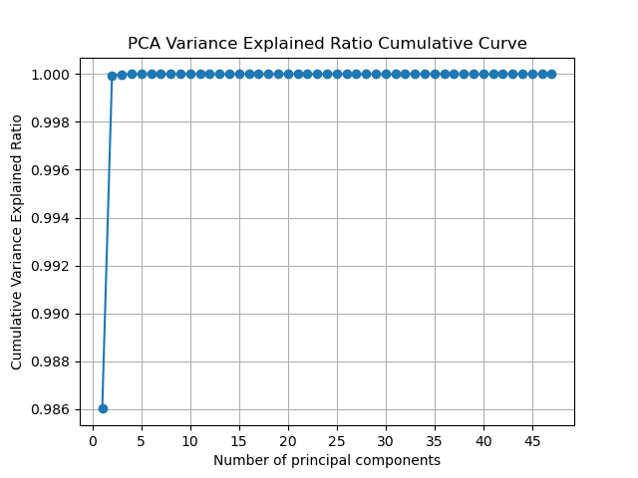
PCA explained variance ratio |  |  | Xgboost feature importances
特徵數量 | 累積方差解釋比例（方差和） |  | 特徵 | 重要性分數
1 | 0.98601292 | 2％訊息丟失 | ERC20_most_sent_token_type | 0.77632624 | 共通點：大部分聚焦在符合ERC20貨幣交易規範的智能合約交易，token 不須額外轉換
2 | 0.99992790 |  | ERC20_most_rec_token_type | 0.02897852
3 | 0.99998094 |  | ERC20_uniq_sent_token_name | 0.02860188 |  | ' ERC20 min val rec' | 0.56134
4 | 0.99999771 |  | Time_Diff_between_first_and_last_(Mins) | 0.01995422 |  | 'total ether received' | 0.08254
5 | 0.99999988 |  | ERC20_uniq_sent_addr | 0.01782142 |  | 'Time Diff between first and last (Mins)' | 0.04115
6 | 1 |  | ERC20_max_val_rec | 0.01752059 |  | 'Number of Created Contracts' | 0.03793
7 | 1 |  | ERC20_total_ether_sent | 0.01595635 |  | ' Total ERC20 tnxs' | 0.03691
8 | 1 |  | total_transactions_(including_tnx_to_create_contract | 0.01333074 |  | 'Unique Received From Addresses' | 0.03216
9 | 1 |  | avg_val_received | 0.00982769 | < 0.01不採用 | 'total transactions (including tnx to create contract' | 0.02949
10 | 1 |  | Unique_Received_From_Addresses | 0.00810731 |  | ' ERC20 uniq rec addr' | 0.02532
11 | 1 |  | total_ether_received | 0.00762337 |  | 'min val sent' | 0.02187
12 | 1 |  | ERC20_min_val_sent | 0.00631697 |  | ' ERC20 min val sent' | 0.01597
13 | 1 |  | Sent_tnx | 0.00537840 |  | 'Sent tnx' | 0.01279
14 | 1 |  | ERC20_min_val_rec | 0.00476487 |  | ' ERC20 uniq sent token name' | 0.01186
15 | 1 |  | Avg_min_between_received_tnx | 0.00456036 |  | 'avg val received' | 0.00823
16 | 1 |  | max_value_received_ | 0.00344946 |  | 'Received Tnx' | 0.00814
17 | 1 |  | ERC20_total_Ether_received | 0.00319318 |  | 'Avg min between received tnx' | 0.00807
18 | 1 |  | Avg_min_between_sent_tnx | 0.00312925 |  | ' ERC20 total Ether received' | 0.00605
19 | 1 |  | total_Ether_sent | 0.00297316 |  | ' ERC20 max val rec' | 0.00604
20 | 1 |  | avg_val_sent | 0.00258084 |  | ' ERC20 total ether sent' | 0.00536
21 | 1 |  | Unique_Sent_To_Addresses | 0.00222439 |  | ' ERC20 total Ether sent contract' | 0.00519
22 | 1 |  | min_value_received | 0.00209274 |  | 'max value received ' | 0.00441
23 | 1 |  | Number_of_Created_Contracts | 0.00208686 |  | ' ERC20 avg val rec' | 0.00439
24 | 1 |  | ERC20_avg_val_sent | 0.00204238 |  | 'min value received' | 0.00400
25 | 1 |  | ERC20_max_val_sent | 0.00195691 |  | ' ERC20 max val sent' | 0.00394
26 | 1 |  | ERC20_uniq_rec_token_name | 0.00167933 |  | 'total Ether sent' | 0.00365
27 | 1 |  | max_val_sent | 0.00155119 |  | ' ERC20 uniq rec contract addr' | 0.00362
28 | 1 |  | Total_ERC20_tnxs | 0.00149677 |  | 'total ether balance' | 0.00337
29 | 1 |  | ERC20_avg_val_rec | 0.00145416 |  | ' ERC20 uniq sent addr' | 0.00305
30 | 1 |  | total_ether_balance | 0.00092007 |  | 'max val sent' | 0.00259
31 | 1 |  | ERC20_uniq_rec_addr | 0.00089035 |  | 'Avg min between sent tnx' | 0.00256
32 | 1 |  | min_val_sent | 0.00041001 |  | 'avg val sent' | 0.00240
33 | 1 |  | Received_Tnx | 0.00037312 |  | 'Unique Sent To Addresses' | 0.00196
34 | 1 |  | ERC20_uniq_rec_contract_addr | 0.00036613 |  | ' ERC20 avg val sent' | 0.00176
35 | 1 |  | ERC20_total_Ether_sent_contract | 0.00006074 |  | ' ERC20 uniq rec token name' | 0.00097
36 | 1 |  | min_value_sent_to_contract | 0.00000000 |  | ' ERC20 uniq sent addr.1' | 0.00084
37 | 1 |  | max_val_sent_to_contract | 0.00000000 |  | 'min value sent to contract' | 0.00008
38 | 1 |  | avg_value_sent_to_contract | 0.00000000 |  | 'max val sent to contract' | -
39 | 1 |  | total_ether_sent_contracts | 0.00000000 |  | 'avg value sent to contract' | -
40 | 1 |  | ERC20_uniq_sent_addr.1 | 0.00000000 |  | 'total ether sent contracts' | -
41 | 1 |  | ERC20_avg_time_between_sent_tnx | 0.00000000 |  | ' ERC20 avg time between sent tnx' | -
42 | 1 |  | ERC20_avg_time_between_rec_tnx | 0.00000000 |  | ' ERC20 avg time between rec tnx' | -
43 | 1 |  | ERC20_avg_time_between_rec_2_tnx | 0.00000000 |  | ' ERC20 avg time between rec 2 tnx' | -
44 | 1 |  | ERC20_avg_time_between_contract_tnx | 0.00000000 |  | ' ERC20 avg time between contract tnx' | -
45 | 1 |  | ERC20_min_val_sent_contract | 0.00000000 |  | ' ERC20 min val sent contract' | -
46 | 1 |  | ERC20_max_val_sent_contract | 0.00000000 |  | ' ERC20 max val sent contract' | -
47 | 1 |  | ERC20_avg_val_sent_contract | 0.00000000 |  | ' ERC20 avg val sent contract' | -

heatmap
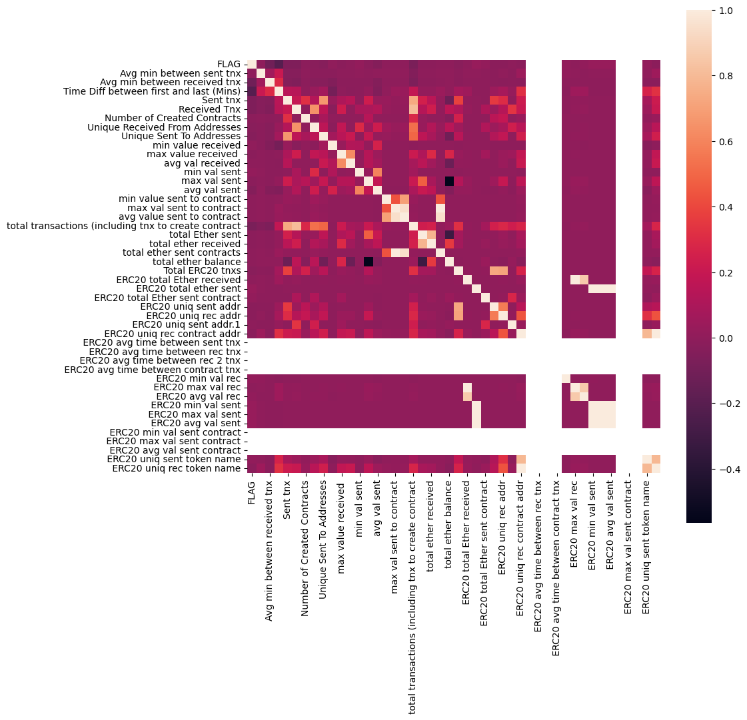
47 特徵熱力圖 | 前10重要特徵
 | 