average
 | striping |  | striping_midAng |  | auto_corr | hadamard | midAng | Vectors
 | color | bw | color | bw |  |  |  | striping | striping_midAng | auto_corr | hadamard | midAng
Origin | 0.83333 | 0.57083 | 0.84445 | 0.61667 | 0.625 | 0.52083333 | 0.52083 | 1 | 1 | 0.92083336 | 1 | 0.92083336
AAFT (2) | 0.775 | 0.53959 | 0.9625 | 0.55833 | 0.50833333 | 0.63542 | 0.5 | 1 | 1 | 0.57916666 | 1 | 0.58333334
AAFT (3) | 0.99305 | 0.59444 | 0.98472 | 0.73611 | 0.52083334 | 0.68888889 | 0.51111334 | 1 | 1 | 0.481944446 | 1 | 0.502777774
AAFT (4) | 0.99688 | 0.85729 | 0.99584 | 0.90208 | 0.500000004 | 0.76562499 | 0.49893 | 1 | 1 | 0.57604166 | 1 | 0.562500014
AAFT (5) | 0.99917 | 0.97824 | 0.99667 | 0.97582 | 0.494996656 | 0.958333341 | 0.48746 | 1 | 1 | 0.520833342 | 1 | 0.518333329
AAFT (10) | 1 | 1 | 1 | 1 | 0.484169997 | 1 | 0.50124 | 1 | 1 | 0.479166668 | 1 | 0.455416665
AAFT (20) | 1 | 1 | 1 | 1 | 0.49416667 | 1 | 0.51083333492 | 1 | 1 | 0.512083332 | 1 | 0.511041674

3.3798 | 2.9317 | 3.3644100733 |  |  |  |  |  | Easy | Fair | Chal
3.1903 | 3.3647 | 3.2654684144 |  |  |  | ACC | AAFT(1) | 84.44% | 83.33% | 52.08%
3.0679 | 3.2111 | 3.3878304681 |  |  |  |  | AAFT(2) | 96.25% | 77.50% | 63.54%
3.4251 | 3.1691 | 3.416467711 |  |  |  |  | AAFT(3) | 98.47% | 99.31% | 68.89%
3.4568 | 3.3776 | 2.7859952561 |  |  |  |  | AAFT(4) | 99.58% | 99.69% | 76.56%
3.3845 | 3.1982 | 3.24795479 |  |  |  |  | AAFT(5) | 99.67% | 99.92% | 95.83%
3.4595 | 3.3578 | 2.4396357592
3.8038 | 3.4621 | 2.7528420105
3.245 | 3.3017 | 3.1430093854 |  |  |  |  |  | Easy | Fair | Chal
3.2892 | 3.4554 | 3.2254 |  |  |  | LOSS | AAFT(1) | 3.37 | 3.28 | 3.10
2.9587 | 3.7888 | 2.7803878618 |  |  |  |  | AAFT(2) | 3.07 | 3.13 | 3.27
3.1977 | 3.1151 | 3.4841780108 |  |  |  |  | AAFT(3) | 2.55 | 2.17 | 2.95
3.0427 | 3.5571 | 3.0098689822 |  |  |  |  | AAFT(4) | 2.11 | 1.82 | 2.42
3.553 | 3.6604 | 3.3861532378 |  |  |  |  | AAFT(5) | 1.34 | 1.18 | 1.57
2.8518 | 2.4545 | 3.406760188
3.2908 | 3.1221 | 3.5140622993
2.729 | 3.0636 | 3.6308061411
3.4662 | 3.2025 | 3.5972693964
2.831 | 2.7164 | 3.3788158727
2.7506 | 2.6398 | 2.5198
2.6303 | 2.6192 | 3.3685226597
2.0064 | 1.858 | 3.7411803794
3.3026 | 3.0086 | 2.6207341678
2.5752 | 2.1163 | 3.1448157202
2.0878 | 2.1061 | 3.2513919641
2.7268 | 2.4236 | 2.9092784269
2.959 | 1.7793 | 3.0321717216
2.1237 | 2.5172 | 2.3610113054
2.1965 | 0.4401 | 2.6836736939
2.9028 | 2.8039 | 2.3731645774
1.6187 | 2.2689 | 1.5657022176
1.8561 | 2.5429 | 2.3144315775
1.8261 | 1.5394 | 2.6038262291
2.6648 | 2.3452 | 2.1664951352
2.5156 | 2.0372 | 2.2595206067
2.5811 | 1.3049 | 2.5042267509
1.9649 | 1.2339 | 3.3571476231
1.2842 | 1.2339 | 2.5631322529
2.1848 | 1.2225 | 3.0682967739
2.614 | 2.4496 | 1.8123134585
1.112 | 1.658 | 1.5774849653
1.4611 | 1.1139 | 2.2077033299
1.6123 | 1.1028 | 1.6272281762
1.013 | 1.0259 | 1.0357857876
1.1353 | 0.8208 | 1.2733749195
1.7938 | 1.323 | 1.1779952071
0.962 | 0.3181 | 1.20813081
1.531 | 1.2428 | 2.0085360871
1.276 | 1.8457 | 2.2347259875
1.4769 | 1.3904 | 1.3810297847

SPSS_train_loss
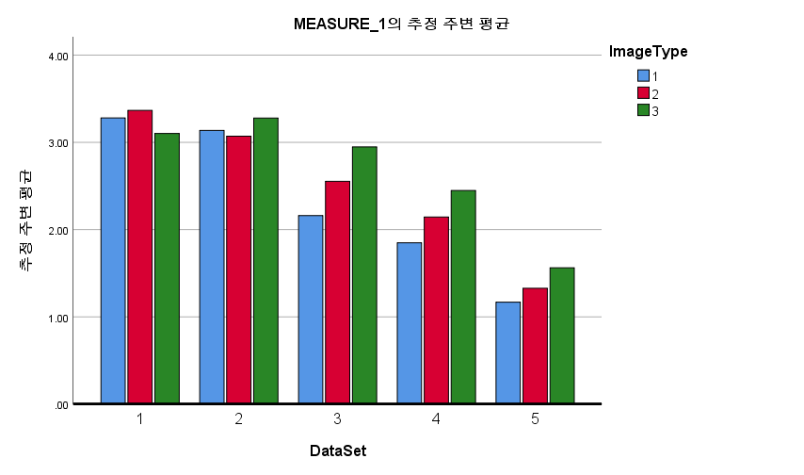
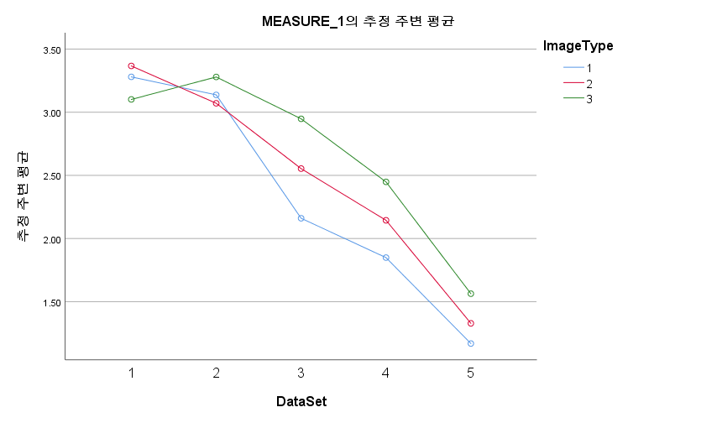
train loss
개체-내 효과 검정 |  |  |  |  |  |  | 대응별 비교 |  |  |  |  |  |  | 대응별 비교
측도: | MEASURE_1 |  |  |  |  |  | 측도: |  |  |  |  |  |  | 측도:
소스 |  | 제 III 유형 제곱합 | 자유도 | 평균제곱 | F | 유의확률 | (I) DataSet |  | 평균차이(I-J) | 표준오차 | 유의확률b | 차이에 대한 95% 신뢰구간b |  | (I) ImageType |  | 평균차이(I-J) | 표준오차 | 유의확률a | 차이에 대한 95% 신뢰구간a
DataSet | 구형성 가정 | 73.037 | 4 | 18.259 | 85.931 | 0.000 |  |  |  |  |  | 하한 | 상한 |  |  |  |  |  | 하한 | 상한
 | Greenhouse-Geisser | 73.037 | 2.769 | 26.381 | 85.931 | 0.000 | 1 | 2 | 0.087 | 0.081 | 1.000 | -0.214 | 0.388 | 1 | 2 | -0.174 | 0.078 | 0.161 | -0.403 | 0.056
 | Huynh-Feldt | 73.037 | 4.000 | 18.259 | 85.931 | 0.000 |  | 3 | .695* | 0.110 | 0.001 | 0.289 | 1.102 |  | 3 | -0.349 | 0.124 | 0.061 | -0.713 | 0.015
 | 하한 | 73.037 | 1.000 | 73.037 | 85.931 | 0.000 |  | 4 | 1.102* | 0.074 | 0.000 | 0.828 | 1.377 | 2 | 1 | 0.174 | 0.078 | 0.161 | -0.056 | 0.403
오차(DataSet) | 구형성 가정 | 7.650 | 36 | 0.212 |  |  |  | 5 | 1.896* | 0.085 | 0.000 | 1.583 | 2.209 |  | 3 | -0.175 | 0.094 | 0.282 | -0.450 | 0.099
 | Greenhouse-Geisser | 7.650 | 24.917 | 0.307 |  |  | 2 | 1 | -0.087 | 0.081 | 1.000 | -0.388 | 0.214 | 3 | 1 | 0.349 | 0.124 | 0.061 | -0.015 | 0.713
 | Huynh-Feldt | 7.650 | 36.000 | 0.212 |  |  |  | 3 | .608* | 0.127 | 0.010 | 0.139 | 1.078 |  | 2 | 0.175 | 0.094 | 0.282 | -0.099 | 0.450
 | 하한 | 7.650 | 9.000 | 0.850 |  |  |  | 4 | 1.015* | 0.123 | 0.000 | 0.562 | 1.469 | 추정 주변 평균을 기준으로
ImageType | 구형성 가정 | 3.003 | 2 | 1.501 | 5.938 | 0.010 |  | 5 | 1.809* | 0.127 | 0.000 | 1.341 | 2.278 | a. 다중비교를 위한 수정: Bonferroni
 | Greenhouse-Geisser | 3.003 | 1.565 | 1.919 | 5.938 | 0.018 | 3 | 1 | -.695* | 0.110 | 0.001 | -1.102 | -0.289
 | Huynh-Feldt | 3.003 | 1.836 | 1.635 | 5.938 | 0.013 |  | 2 | -.608* | 0.127 | 0.010 | -1.078 | -0.139
 | 하한 | 3.003 | 1.000 | 3.003 | 5.938 | 0.038 |  | 4 | 0.407 | 0.132 | 0.132 | -0.081 | 0.895
오차(ImageType) | 구형성 가정 | 4.552 | 18 | 0.253 |  |  |  | 5 | 1.201* | 0.165 | 0.000 | 0.592 | 1.809
 | Greenhouse-Geisser | 4.552 | 14.087 | 0.323 |  |  | 4 | 1 | -1.102* | 0.074 | 0.000 | -1.377 | -0.828
 | Huynh-Feldt | 4.552 | 16.526 | 0.275 |  |  |  | 2 | -1.015* | 0.123 | 0.000 | -1.469 | -0.562
 | 하한 | 4.552 | 9.000 | 0.506 |  |  |  | 3 | -0.407 | 0.132 | 0.132 | -0.895 | 0.081
DataSet * ImageType | 구형성 가정 | 3.229 | 8 | 0.404 | 2.430 | 0.022 |  | 5 | .794* | 0.138 | 0.003 | 0.285 | 1.303
 | Greenhouse-Geisser | 3.229 | 3.838 | 0.841 | 2.430 | 0.068 | 5 | 1 | -1.896* | 0.085 | 0.000 | -2.209 | -1.583
 | Huynh-Feldt | 3.229 | 7.049 | 0.458 | 2.430 | 0.028 |  | 2 | -1.809* | 0.127 | 0.000 | -2.278 | -1.341
 | 하한 | 3.229 | 1.000 | 3.229 | 2.430 | 0.153 |  | 3 | -1.201* | 0.165 | 0.000 | -1.809 | -0.592
오차(DataSet*ImageType) | 구형성 가정 | 11.960 | 72 | 0.166 |  |  |  | 4 | -.794* | 0.138 | 0.003 | -1.303 | -0.285
 | Greenhouse-Geisser | 11.960 | 34.546 | 0.346 |  |  | 추정 주변 평균을 기준으로
 | Huynh-Feldt | 11.960 | 63.441 | 0.189 |  |  | *. 평균차이는 .05 수준에서 유의합니다.
 | 하한 | 11.960 | 9.000 | 1.329 |  |  | b. 다중비교를 위한 수정: Bonferroni

SPSS_test_acc
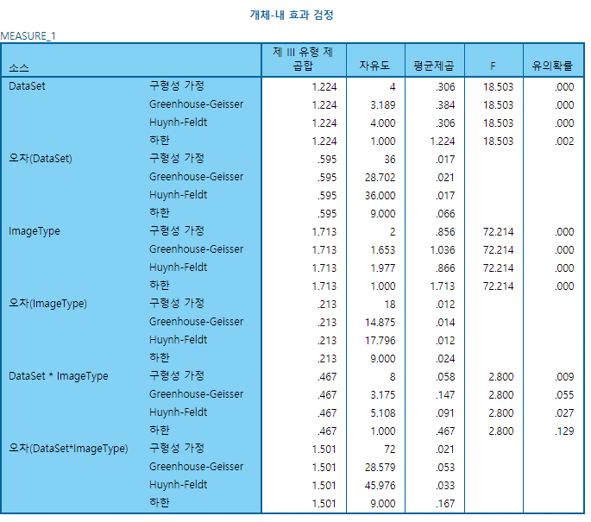
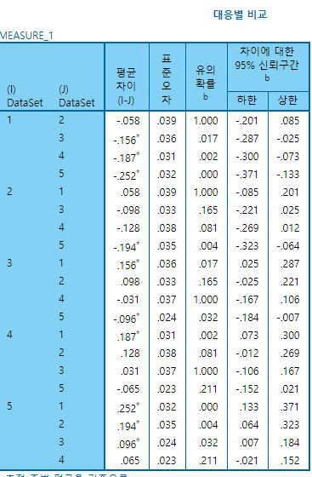
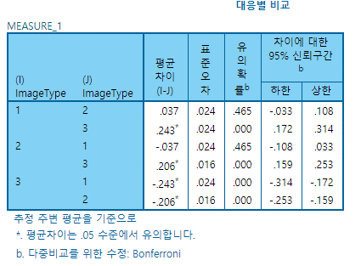

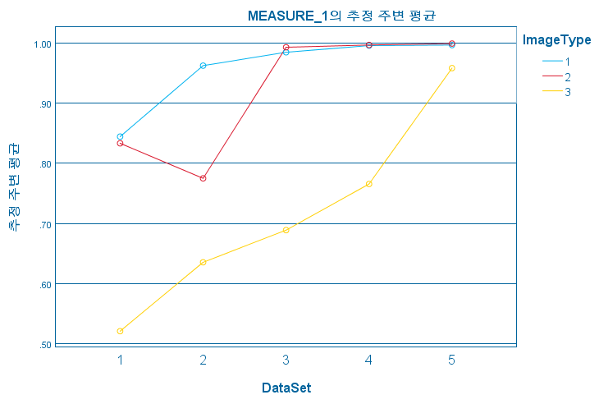
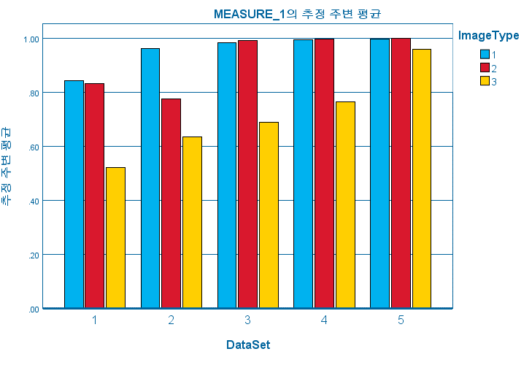

DataSheet
Striping_midAng vs Hadamard
 | Striping_midAng_color | VAF | improvement
Original | 0.84445 | 0 | 0
AAFT(2) | 0.9625 | 13.979513293 | 13.979513293
AAFT(3) | 0.98472 | 16.610811771 | 2.3085714286
AAFT(4) | 0.99584 | 17.927645213 | 1.1292550167
AAFT(5) | 0.99667 | 18.02593404 | 0.083346722365
AAFT(10) | 1 | 18.420273551 | 0.33411259494
AAFT(20) | 1 | 18.420273551 | 0

 | Hadamard | VAF | improvement
Original | 0.52083333 | 0 | 0
AAFT(2) | 0.63542 | 22.000640781 | 22.000640781
AAFT(3) | 0.68888889 | 32.266667727 | 8.4147319883
AAFT(4) | 0.76562499 | 46.999999021 | 11.139111272
AAFT(5) | 0.958333341 | 84.00000265 | 25.170070663
AAFT(10) | 1 | 92.000001229 | 4.3478252522
AAFT(20) | 1 | 92.000001229 | 0

 | Striping(bw) | Striping_midAng(bw)
Origin | 0.57083 | 0.61667
AAFT (2) | 0.53959 | 0.55833
AAFT (3) | 0.59444 | 0.73611
AAFT (4) | 0.85729 | 0.90208
AAFT (5) | 0.97824 | 0.97582
AAFT (10) | 1 | 1
AAFT (20) | 1 | 1
 | Striping(color) | Striping_midAng(color)
Origin | 0.83333 | 0.84445
AAFT (2) | 0.775 | 0.9625
AAFT (3) | 0.99305 | 0.98472
AAFT (4) | 0.99688 | 0.99584
AAFT (5) | 0.99917 | 0.99667
AAFT (10) | 1 | 1
AAFT (20) | 1 | 1

 | auto corr | hadamard | auto corr_midAng
Origin | 0.625 | 0.52083333 | 0.52083
AAFT (2) | 0.50833333 | 0.63542 | 0.5
AAFT (3) | 0.52083334 | 0.68888889 | 0.51111334
AAFT (4) | 0.500000004 | 0.76562499 | 0.49893
AAFT (5) | 0.494996656 | 0.958333341 | 0.48746
AAFT (10) | 0.484169997 | 1 | 0.50124
AAFT (20) | 0.49416667 | 1 | 0.51083333492

