Лист16
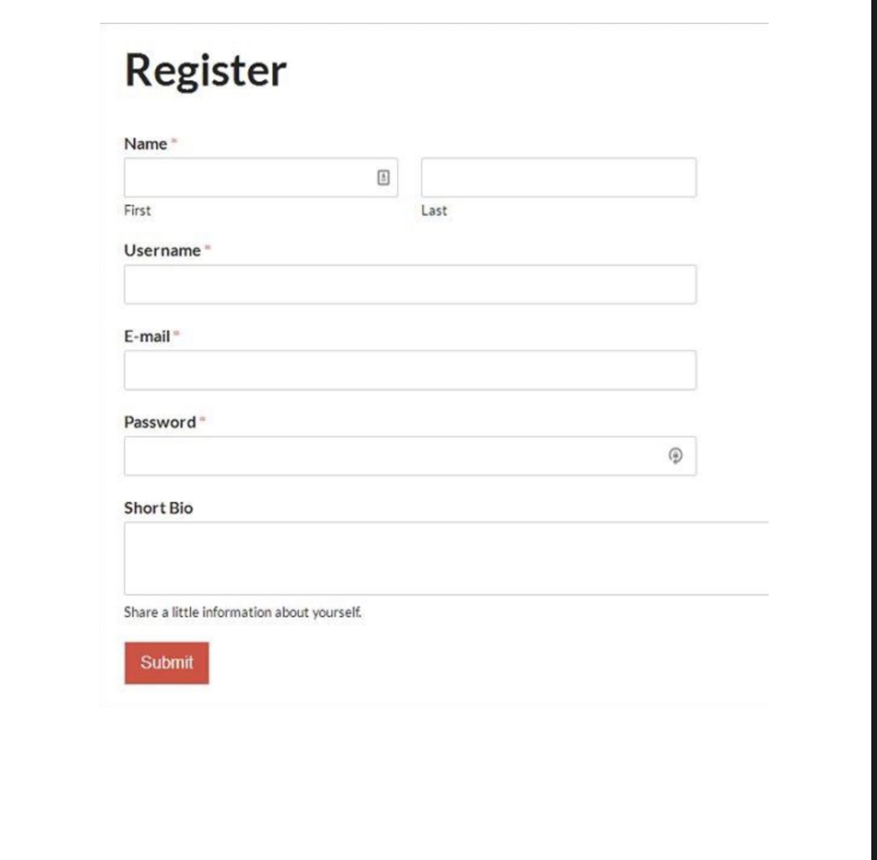
* - обязательные поля для регистрации
255 символов- ограничение по максимальной длине всех полей
поле e-mail дожно быть написано в правильном формате

