工作表1
ans = ramdom, dim = 7 of 32, range = [0,1], popsize = 15, gen = 40
 |  |  | 2022-06-22
F = 0.8, Cr = 0.5, no decay |  |  |  | Mean | Std
0.03992 | 0.04324 | 0.04325 |  | 0.041349407137 | 0.018903600827
0.03407 | 0.0412 | 0.02933 |  | Min | Max
0.04947 | 0.02614 | 0.06141 |  | 0.0183 | 0.08746
0.06395 | 0.0183 | 0.08746

F = 0.1, Cr = 0.5, F_decay = -0.01 |  |  |  | Mean | Std
0.04173 | 0.01989 | 0.08866 |  | 0.03513757121 | 0.04764848647
0.05909 | 0.09094 | 0.00777 |  | Min | Max
0.04898 | 0.00897 | 0.15623 |  | 0.00777 | 0.15623
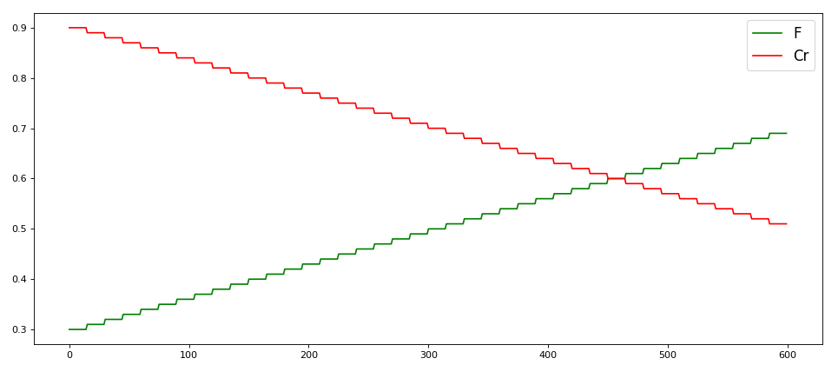
0.01423 | 0.01086 | 0.10868

F = 0.3, Cr = 0.5, F_decay = -0.01 |  |  |  | Mean | Std
0.00895 | 0.01543 | 0.01157 |  | 0.013544553425 | 0.0051567102503
0.02321 | 0.00968 | 0.01418 |  | Min | Max
0.0139 | 0.01939 | 0.02274 |  | 0.00747 | 0.02321
0.01475 | 0.01109 | 0.00747

F = 0.3, Cr = 0.9, F_decay = -0.01, Cr_decay = 0.01
0.00927 | 0.08755 | 0.03062 |  | Mean | Std
0.00298 | 0.01802 | 0.01646 |  | 0.015680511819 | 0.013513938895
0.02373 | 0.01771 | 0.01705 |  | Min | Max
0.02966 | 0.00622 | 0.04905 |  | 0.00298 | 0.04905

F = 0.3, Cr = 0.7, F_decay = -0.01, Cr_decay = 0.005
0.01326 | 0.04701 | 0.00618 |  | Mean | Std
0.01114 | 0.00805 | 0.00586 |  | 0.01324033142 | 0.018609808488
0.00788 | 0.01616 | 0.06586 |  | Min | Max
0.00908 | 0.01403 | 0.01342 |  | 0.00586 | 0.06586
 |  |  | 2022-07-01
F = 0.3, Cr = 0.5, no decay
0.00478 | 0.01267 | 0.03321 |  | Mean | Std
0.00264 | 0.00556 | 0.00484 |  | 0.01262063803 | 0.024548476886
0.06931 | 0.00962 | 0.00565 |  | Min | Max
0.05646 | 0.05638 | 0.00953 |  | 0.00264 | 0.06931

 |  |  | 2022-07-11
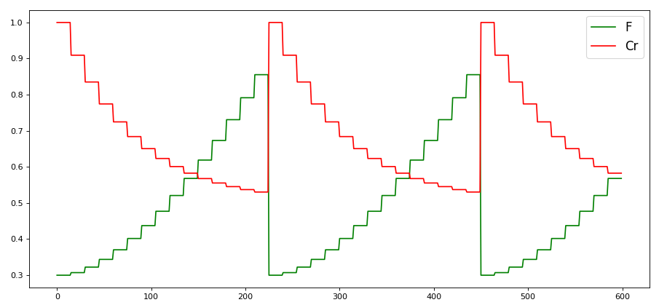

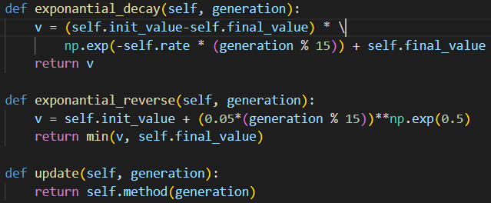

0.01617 | 0.00682 | 0.00811 |  | Mean | Std
0.01336 | 0.01253 | 0.01745 |  | 0.0094546943364 | 0.0043579153864
0.00816 | 0.004 | 0.0144 |  | Min | Max
0.00903 | 0.00924 | 0.00498 |  | 0.004 | 0.01745
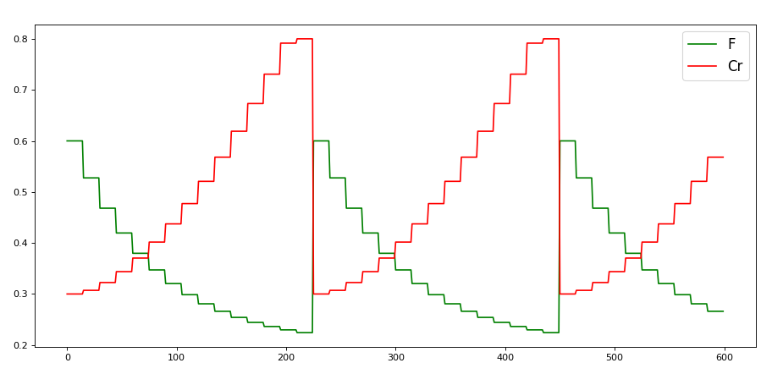

0.01179 | 0.00852 | 0.02097 |  | Mean | Std
0.02408 | 0.00831 | 0.01239 |  | 0.01572868529 | 0.018408284429
0.01274 | 0.02508 | 0.00563 |  | Min | Max
0.00965 | 0.03515 | 0.07194 |  | 0.00563 | 0.07194
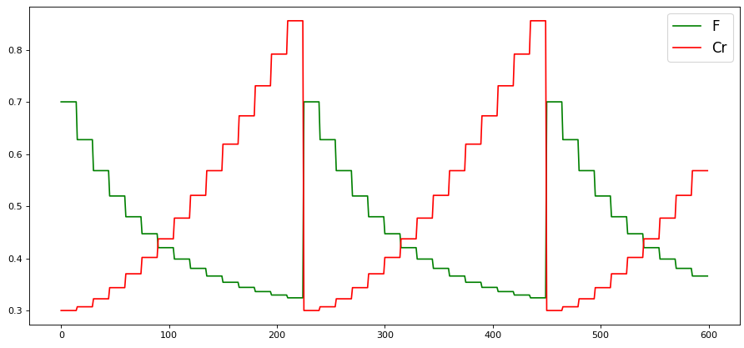

0.00664 | 0.00962 | 0.01469 |  | Mean | Std
0.00401 | 0.01254 | 0.01194 |  | 0.0091125382312 | 0.0059775891436
0.00764 | 0.00852 | 0.00477 |  | Min | Max
0.01277 | 0.02593 | 0.00566 |  | 0.00401 | 0.02593 | local minima

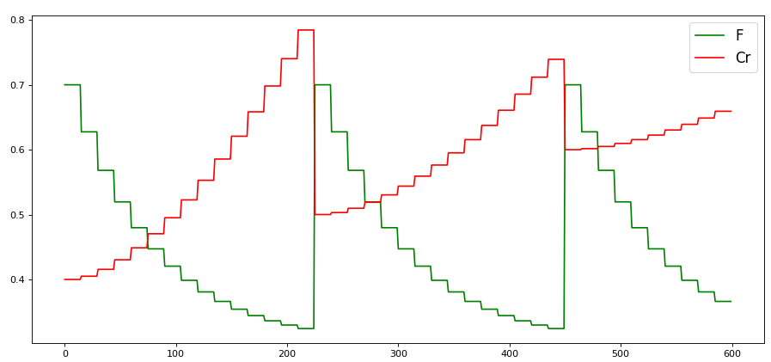

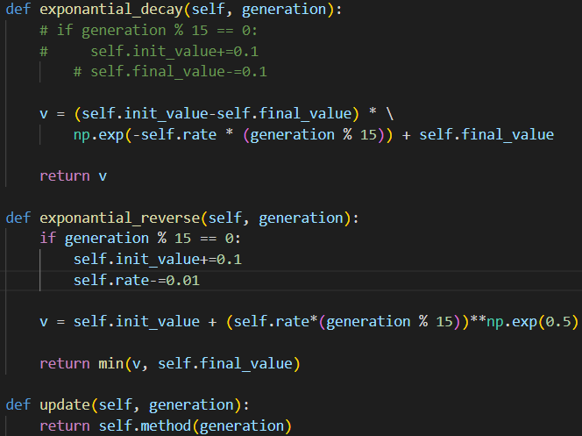

0.00512 | 0.0057 | 0.00744 |  | Mean | Std
0.00842 | 0.02201 | 0.00664 |  | 0.0074342578275 | 0.0048410087698
0.00394 | 0.00555 | 0.01205 |  | Min | Max
0.00601 | 0.00965 | 0.00698 |  | 0.00394 | 0.02201

