Test1
ans = [0]*14, dim = 14 of 32, range = [0,1], popsize = 15, gen = 40

optimizer
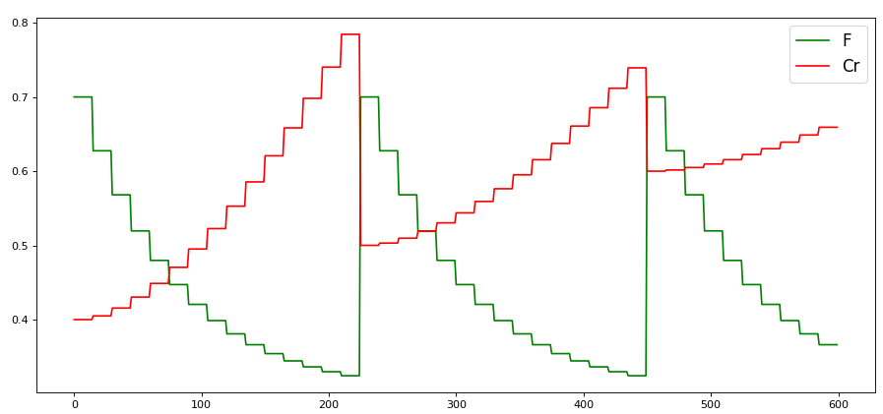

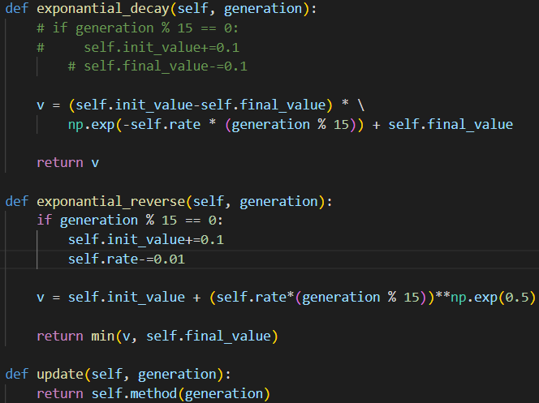

0.01325 | 0.02318 | 0.61453 | Mean | Std
0.22739 | 0.06937 | 0.09285 | 0.086060640135 | 0.21346608961
0.12866 | 0.06515 | 0.04484 | Min | Max
0.59711 | 0.06625 | 0.04016 | 0.01325 | 0.61453

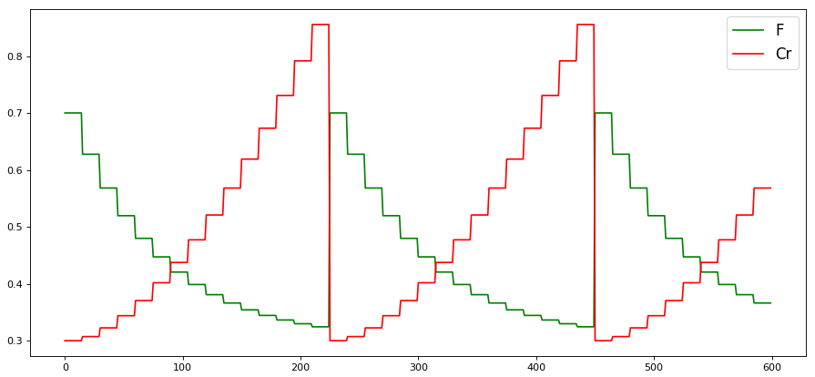

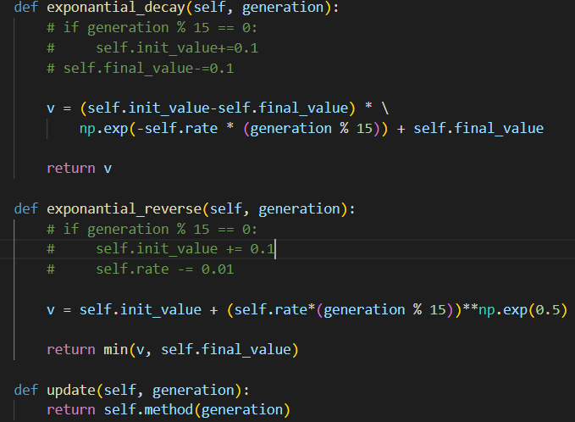

0.04911 | 0.03037 | 0.04209 | Mean | Std
0.10775 | 0.09269 | 0.0295 | 0.058575515508 | 0.054389803746
0.18535 | 0.03781 | 0.04408 | Min | Max
0.08419 | 0.16338 | 0.02076 | 0.02076 | 0.18535

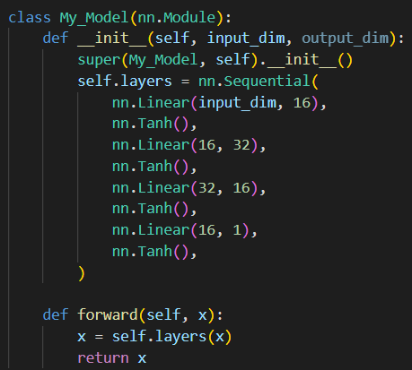
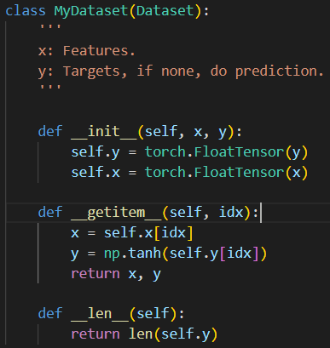
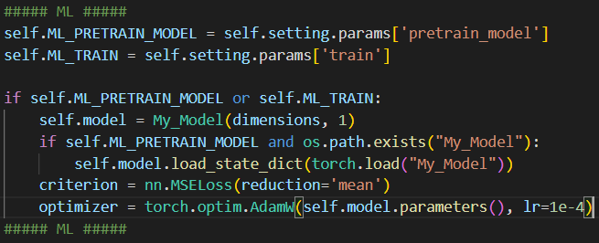

batch_size=8, epoch_n = 50
training |  |  |  |  |  | training + pretrain model |  |  |  |  |  | pretrain model
0.00232 | 0.02879 | 0.0521 | Mean | Std |  | 0.0247 | 0.03412 | 0.01827 |  | Mean | Std | 0.03852
0.03943 | 0.01587 | 0.02316 | 0.043458940716 | 0.16516024419 |  | 0.01722 | 0.03425 | 0.01147 |  | 0.02242203362 | 0.024185739396 | 0.23863
0.3184 | 0.03861 | 0.2873 | Min | Max |  | 0.01393 | 0.02284 | 0.09648 |  | Min | Max | 0.61575
0.02237 | 0.02223 | 0.51242 | 0.00232 | 0.51242 |  | 0.00469 | 0.02257 | 0.04771 |  | 0.00469 | 0.09648

batch_size=min(256, 8*(i+1)), epoch_n = 100
training |  |  |  |  |  | training + pretrain model
0.02401 | 0.00587 | 0.00643 | Mean | Std |  | 0.02359 | 0.01707 | 0.04707 |  | Mean | Std
0.01136 | 0.02013 | 0.00374 | 0.016357978399 | 0.11558737171 |  | 0.01507 | 0.02892 | 0.02545 |  | 0.016661663327 | 0.044443660786
0.40012 | 0.00596 | 0.15028 | Min | Max |  | 0.01048 | 0.0026 | 0.01151 |  | Min | Max
0.03517 | 0.0122 | 0.00308 | 0.00308 | 0.40012 |  | 0.16616 | 0.00285 | 0.01466 |  | 0.0026 | 0.16616

batch_size=min(1024, 8*(i+1)), epoch_n = 500
 |  |  |  |  |  | training + pretrain model
 |  |  |  |  |  | 0.02216 | 0.02407 | 0.0808 |  | Mean | Std
 |  |  |  |  |  | 0.00467 | 0.02227 | 0.01238 |  | 0.015121668563 | 0.021125904176
 |  |  |  |  |  | 0.01759 | 0.00286 | 0.01523 |  | Min | Max
 |  |  |  |  |  | 0.03949 | 0.00613 | 0.01389 |  | 0.00286 | 0.0808

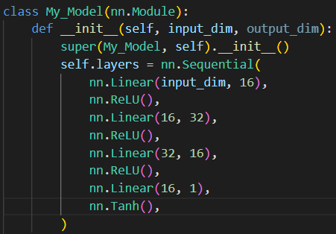

batch_size=min(1024, 8*(i+1)), epoch_n = 300
training |  |  |  |  |  | training + pretrain model
0.00535
0.00736
0.11173

batch_size=min(1024, 8*(i+1)), epoch_n = 500
training |  |  |  |  |  | training + pretrain model
0.01474 | 0.05232 |  |  |  |  | 0.0038
0.00118
0.01743
0.0585

batch_size=8, epoch_n = 50
training |  |  |  | training + pretrain model |  |  |  | Mean | Std
0.05431 |  |  |  | 0.07126 | 0.02842 | 0.18191 |  | 0.040308820293 | 0.19843031063
0.05567 |  |  |  | 0.62053 | 0.03497 | 0.0066 |  | Min | Max
0.00805 |  |  |  | 0.01094 | 0.01421 | 0.03425 |  | 0.0066 | 0.62053
0.07741 |  |  |  | 0.01036 | 0.01421 | 0.02011

Test3
ans = [0]*14, dim = 14 of 32, range = [0,1], popsize = 15, gen = 40
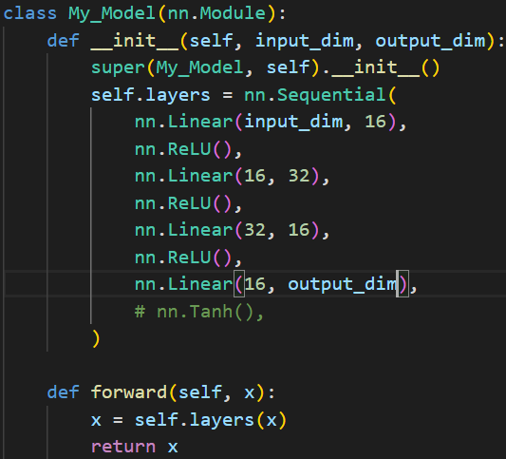
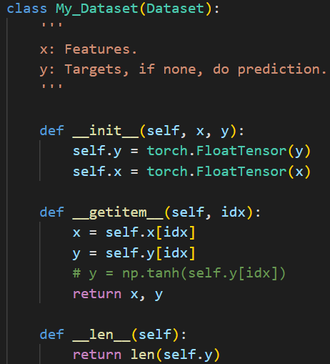

training |  |  | training + pretrain model |  |  | Mean | Std | pretrain model |  |  | Mean | Std
0.00208 | 0.51991 | 0.00233 | 0.00293 | 0.03128 | 0.00146 | 0.001676037427 | 0.010283941991 | 0.00816 | 0.00981 | 0.00598 | 0.0055490865599 | 0.0082667454939
0.00783 | 0.00889 |  | 0.00356 | 8.00E-05 | 0.00027 | Min | Max | 0.00078 | 0.01669 | 0.00209 | Min | Max
0.00358 | 0.02446 |  | 0.02401 | 0.0002 | 0.00051 | 0.00008 | 0.03128 | 0.01245 | 0.00081 | 0.03034 | 0.00078 | 0.03034
0.00041 | 0.0062 |  | 0.0045 | 0.00276 | 0.00157 |  | 卡在local minima | 0.00832 | 0.00371 | 0.00693

Test4
ans = [0]*14, dim = 14 of 32, range = [0,1], popsize = 15, gen = 40
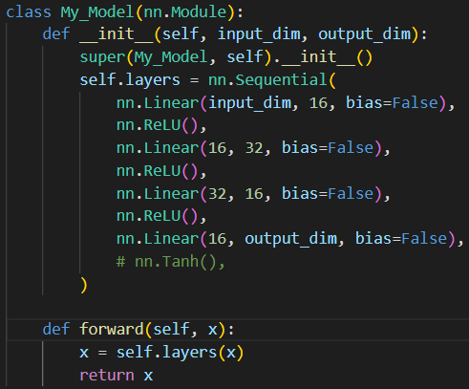

training | training + pretrain model |  |  |  | pretrain model
 | 0(35-3)
 | 0(37-11)
 | 0(34-8)
 | 0(18-8)
 | 22,2
 | 18,8
 | 31

ans = [0]*14, dim = 14 of 32, range = [0,1], popsize = 10, gen = 40
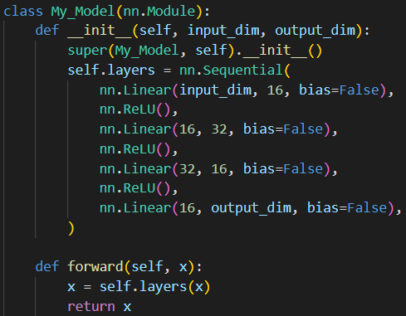
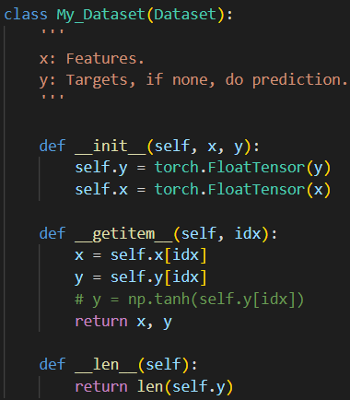

 | training + pretrain model (generation) |  |  | Mean
 | 22 | 22 | 27 | 20.314156635
 | 18 | 15 | 29
 | 20 | 16 | 18
 | 21 | 21 | 19

