详细记录
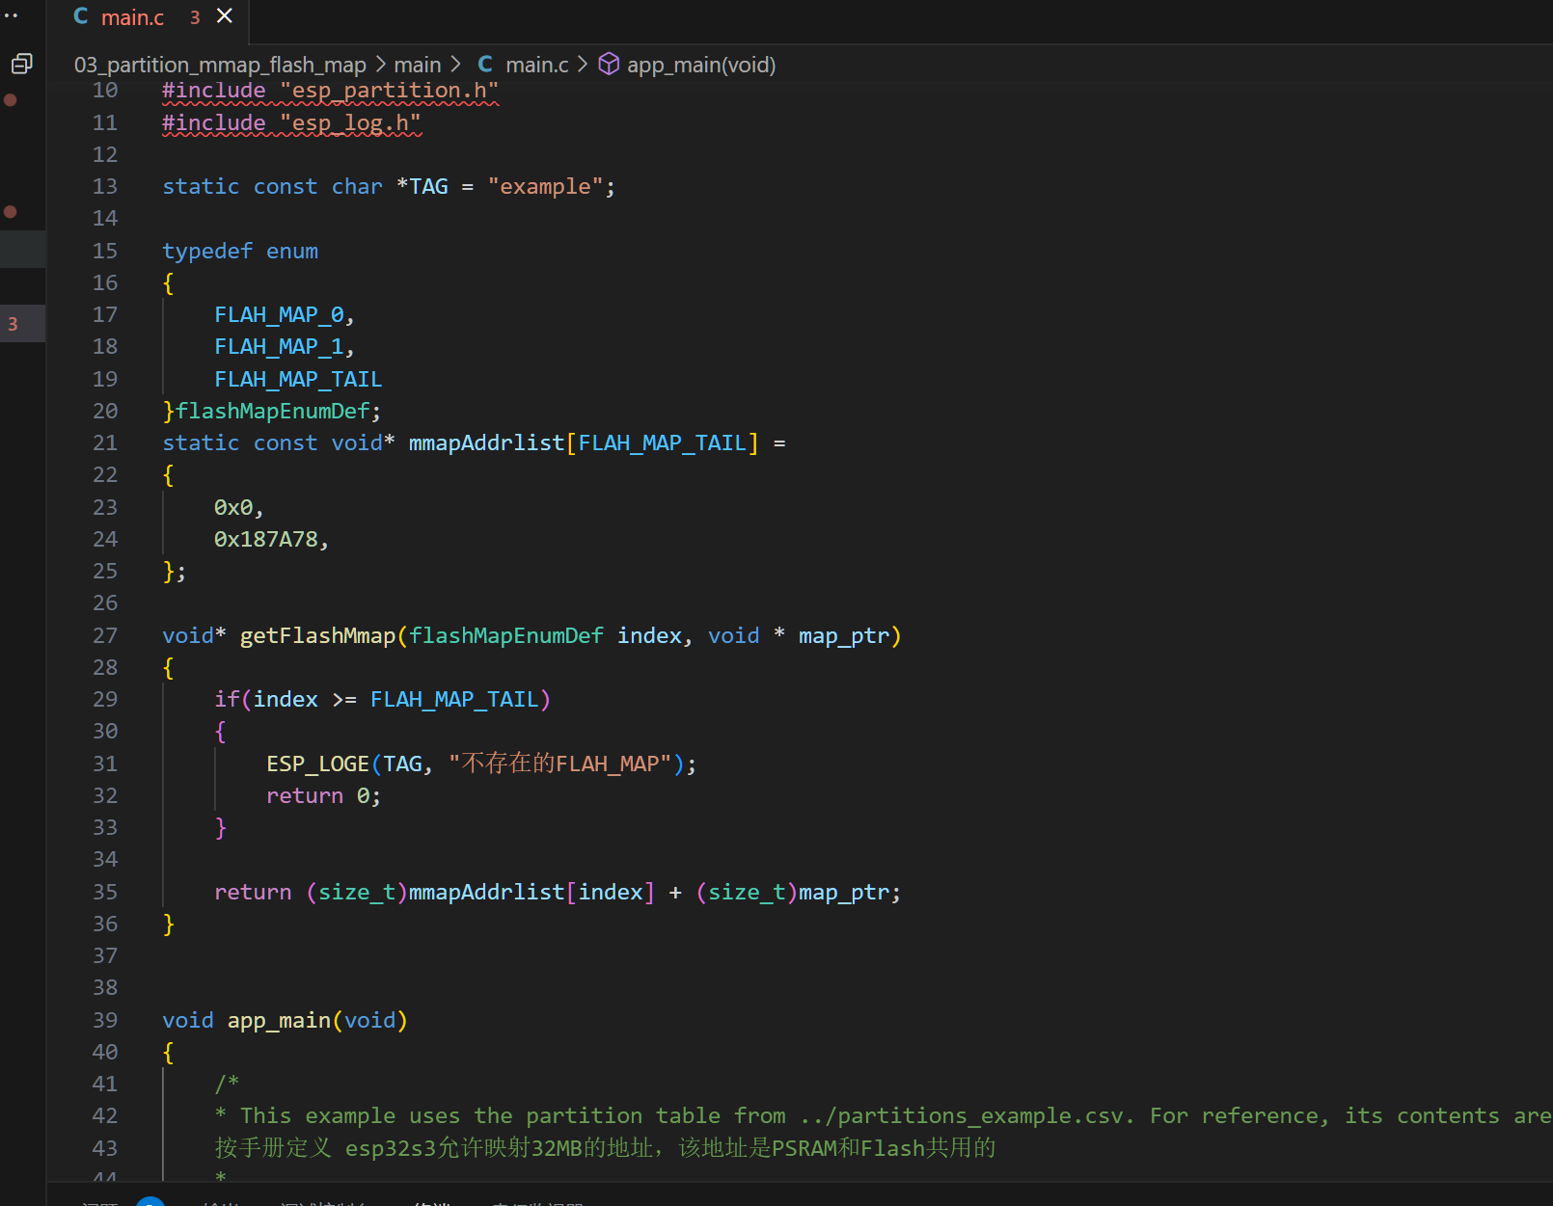
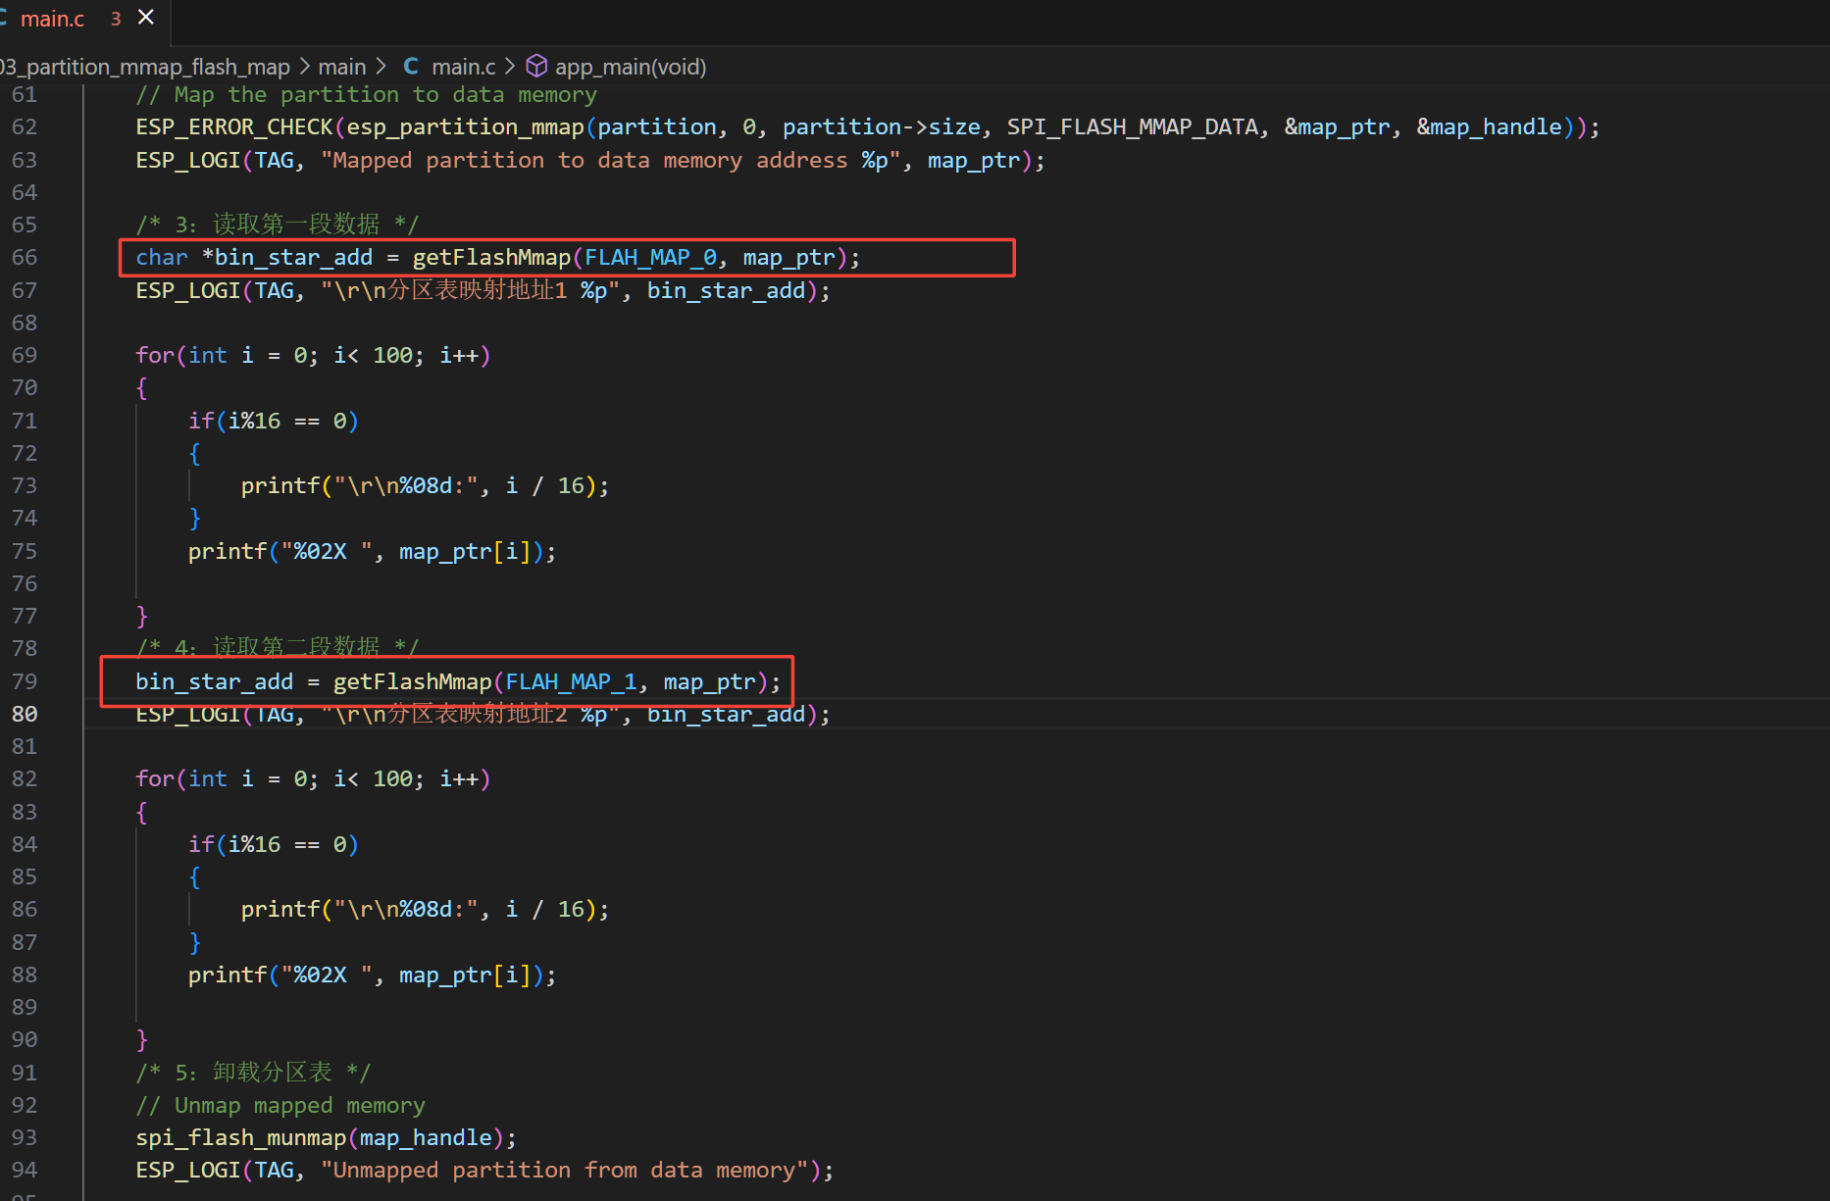
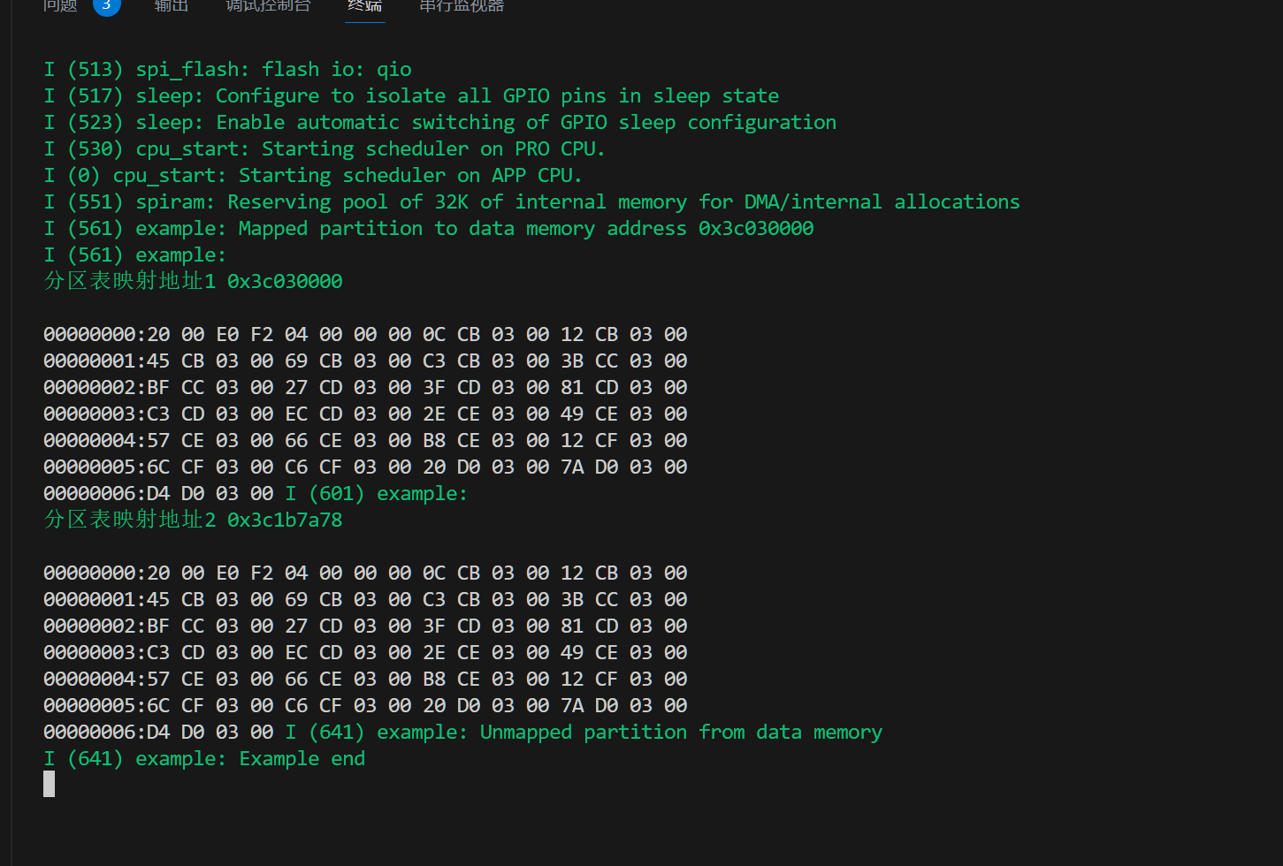
偏移计算
拼接起始地址: | 0 |  | flash大小： | 8 | Mbyte |  |  | 对齐字节 | 4 | Byte | flash偏移地址: | 0
 |  |  |  |  |  |  |  |  |  |  | 枚举 |  | 枚举对应的地址
 |  |  |  |  |  |  |  |  |  |  | typedef enum |  | static const void* mmapAddrlist[FLAH_MAP_TAIL] =
编号 |  | 文件名 | 文件大小（Byte） | 实际占用(DEC) | 实际占用(HEX) | 起始地址 | 结束地址 | 拼接使用地址 |  |  | { |  | {
FLAH_MAP_0 |  | lv_siyuan_reg_28.bin | 1,604,216 | 1,604,216 | 187A78 | 0 | 187A78 | 0x0 |  |  |  | FLAH_MAP_0, |  | 0x0,
FLAH_MAP_1 |  | lv_siyuan_reg_28.bin | 1,604,216 | 1,604,216 | 187A78 | 187A78 | 30F4F0 | 0x187A78 |  |  |  | FLAH_MAP_1, |  | 0x187A78,
FLAH_MAP_2 |  |  |  |  |  |  |  | 0x0 |  |  |  | FLAH_MAP_2, |  | 0x0,
FLAH_MAP_3 |  |  |  |  |  |  |  | 0x0 |  |  |  | FLAH_MAP_3, |  | 0x0,
FLAH_MAP_4 |  |  |  |  |  |  |  | 0x0 |  |  |  | FLAH_MAP_4, |  | 0x0,
FLAH_MAP_5 |  |  |  |  |  |  |  | 0x0 |  |  |  | FLAH_MAP_5, |  | 0x0,
FLAH_MAP_6 |  |  |  |  |  |  |  | 0x0 |  |  |  | FLAH_MAP_6, |  | 0x0,
FLAH_MAP_7 |  |  |  |  |  |  |  | 0x0 |  |  |  | FLAH_MAP_7, |  | 0x0,
FLAH_MAP_8 |  |  |  |  |  |  |  | 0x0 |  |  |  | FLAH_MAP_8, |  | 0x0,
FLAH_MAP_9 |  |  |  |  |  |  |  | 0x0 |  |  |  | FLAH_MAP_9, |  | 0x0,
FLAH_MAP_10 |  |  |  |  |  |  |  | 0x0 |  |  |  | FLAH_MAP_10, |  | 0x0,
FLAH_MAP_11 |  |  |  |  |  |  |  | 0x0 |  |  |  | FLAH_MAP_11, |  | 0x0,
FLAH_MAP_12 |  |  |  |  |  |  |  | 0x0 |  |  |  | FLAH_MAP_12, |  | 0x0,
FLAH_MAP_13 |  |  |  |  |  |  |  | 0x0 |  |  |  | FLAH_MAP_13, |  | 0x0,
FLAH_MAP_14 |  |  |  |  |  |  |  | 0x0 |  |  |  | FLAH_MAP_14, |  | 0x0,
FLAH_MAP_15 |  |  |  |  |  |  |  | 0x0 |  |  |  | FLAH_MAP_15, |  | 0x0,
FLAH_MAP_16 |  |  |  |  |  |  |  | 0x0 |  |  |  | FLAH_MAP_16, |  | 0x0,
FLAH_MAP_17 |  |  |  |  |  |  |  | 0x0 |  |  |  | FLAH_MAP_17, |  | 0x0,
FLAH_MAP_18 |  |  |  |  |  |  |  | 0x0 |  |  |  | FLAH_MAP_18, |  | 0x0,
FLAH_MAP_19 |  |  |  |  |  |  |  | 0x0 |  |  |  | FLAH_MAP_19, |  | 0x0,
FLAH_MAP_20 |  |  |  |  |  |  |  | 0x0 |  |  |  | FLAH_MAP_20, |  | 0x0,
FLAH_MAP_21 |  |  |  |  |  |  |  | 0x0 |  |  |  | FLAH_MAP_21, |  | 0x0,
FLAH_MAP_22 |  |  |  |  |  |  |  | 0x0 |  |  |  | FLAH_MAP_22, |  | 0x0,
FLAH_MAP_23 |  |  |  |  |  |  |  | 0x0 |  |  |  | FLAH_MAP_23, |  | 0x0,
FLAH_MAP_24 |  |  |  |  |  |  |  | 0x0 |  |  |  | FLAH_MAP_24, |  | 0x0,
FLAH_MAP_25 |  |  |  |  |  |  |  | 0x0 |  |  |  | FLAH_MAP_25, |  | 0x0,
FLAH_MAP_26 |  |  |  |  |  |  |  | 0x0 |  |  |  | FLAH_MAP_26, |  | 0x0,
FLAH_MAP_27 |  |  |  |  |  |  |  | 0x0 |  |  |  | FLAH_MAP_27, |  | 0x0,
FLAH_MAP_28 |  |  |  |  |  |  |  | 0x0 |  |  |  | FLAH_MAP_28, |  | 0x0,
 |  |  |  |  |  |  |  |  |  |  |  | FLAH_MAP_TAIL
 |  |  |  |  |  |  |  |  |  |  | }flashMapEnumDef; |  | };
数据拼接

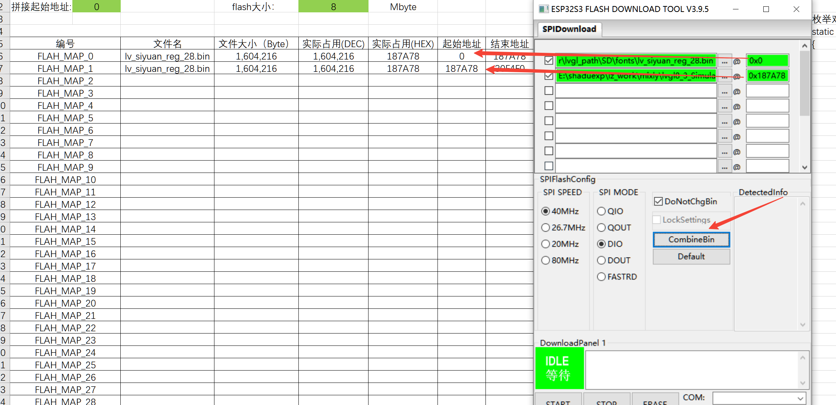

地址数据使用

对比文件
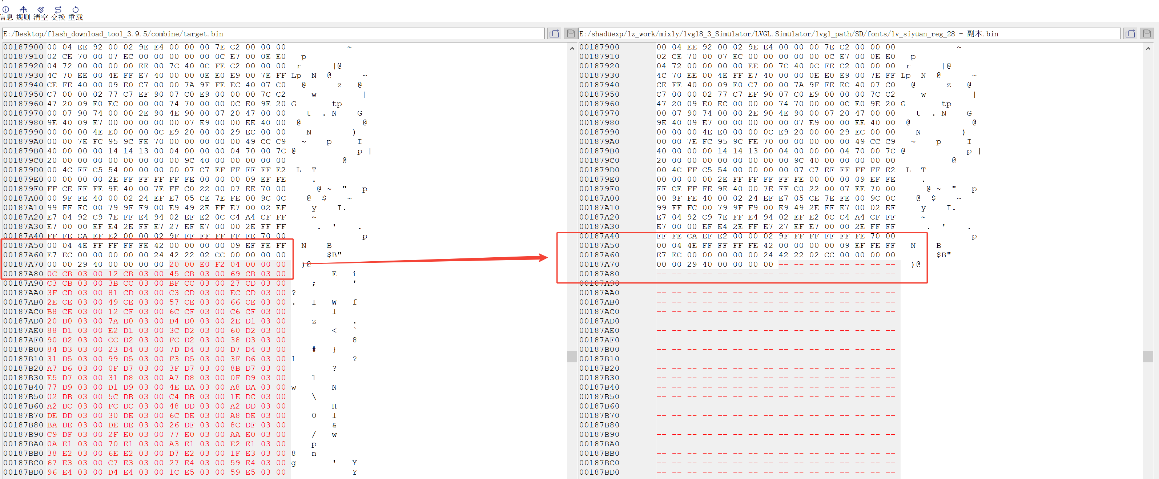
使用Notepad--进行二进制对比

